Inverter History Report__17-08-
Inverter History Report_21/07/2023_Report

Inverter SN:054B7020C020041 |  | Inverter type:B7
Collector SN:4045966636 |  | Full Load Hours(h):2.70
Rated Power:10000Wp

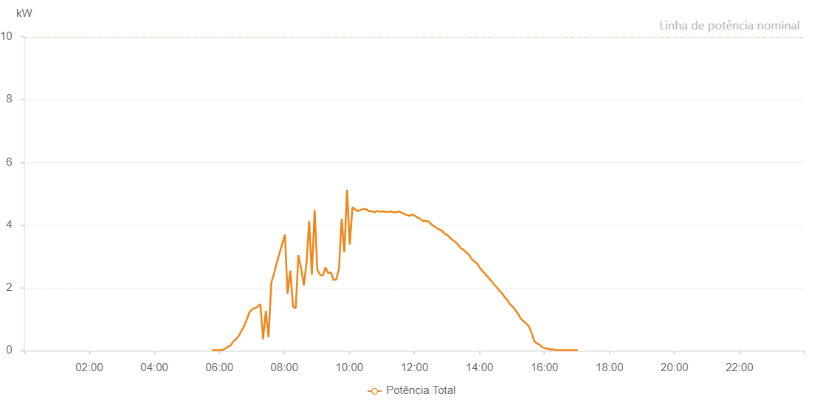

Number | Time | Working State | Alarm Code | Total Inverter Power(W)
1 | 21/07/2023 05:44:12 (UTC-4:00) | Normal |  | 20.000
2 | 21/07/2023 05:49:13 (UTC-4:00) | Normal |  | 20.000
3 | 21/07/2023 05:54:12 (UTC-4:00) | Normal |  | 20.000
4 | 21/07/2023 05:59:13 (UTC-4:00) | Normal |  | 20.000
5 | 21/07/2023 06:04:15 (UTC-4:00) | Normal |  | 20.000
6 | 21/07/2023 06:09:14 (UTC-4:00) | Normal |  | 50.000
7 | 21/07/2023 06:14:13 (UTC-4:00) | Normal |  | 100.000
8 | 21/07/2023 06:19:11 (UTC-4:00) | Normal |  | 140.000
9 | 21/07/2023 06:24:10 (UTC-4:00) | Normal |  | 290.000
10 | 21/07/2023 06:29:09 (UTC-4:00) | Normal |  | 370.000
11 | 21/07/2023 06:34:08 (UTC-4:00) | Normal |  | 510.000
12 | 21/07/2023 06:39:07 (UTC-4:00) | Normal |  | 600.000
13 | 21/07/2023 06:44:05 (UTC-4:00) | Normal |  | 720.000
14 | 21/07/2023 06:49:04 (UTC-4:00) | Normal |  | 840.000
15 | 21/07/2023 06:54:03 (UTC-4:00) | Normal |  | 960.000
16 | 21/07/2023 06:59:02 (UTC-4:00) | Normal |  | 1070.000
17 | 21/07/2023 07:04:03 (UTC-4:00) | Normal |  | 1210.000
18 | 21/07/2023 07:09:06 (UTC-4:00) | Normal |  | 1340.000
19 | 21/07/2023 07:14:09 (UTC-4:00) | Normal |  | 1430.000
20 | 21/07/2023 07:19:12 (UTC-4:00) | Normal |  | 1540.000
21 | 21/07/2023 07:24:14 (UTC-4:00) | Normal |  | 1680.000
22 | 21/07/2023 07:29:17 (UTC-4:00) | Normal |  | 1800.000
23 | 21/07/2023 07:34:20 (UTC-4:00) | Normal |  | 1920.000
24 | 21/07/2023 07:39:23 (UTC-4:00) | Normal |  | 2030.000
25 | 21/07/2023 07:44:25 (UTC-4:00) | Normal |  | 2110.000
26 | 21/07/2023 07:49:28 (UTC-4:00) | Normal |  | 2240.000
27 | 21/07/2023 07:54:31 (UTC-4:00) | Normal |  | 2340.000
28 | 21/07/2023 07:59:30 (UTC-4:00) | Normal |  | 2450.000
29 | 21/07/2023 08:04:28 (UTC-4:00) | Normal |  | 2550.000
30 | 21/07/2023 08:09:27 (UTC-4:00) | Normal |  | 2670.000
31 | 21/07/2023 08:14:26 (UTC-4:00) | Normal |  | 2760.000
32 | 21/07/2023 08:19:26 (UTC-4:00) | Normal |  | 2830.000
33 | 21/07/2023 08:24:25 (UTC-4:00) | Normal |  | 2930.000
34 | 21/07/2023 08:29:23 (UTC-4:00) | Normal |  | 3050.000
35 | 21/07/2023 08:34:22 (UTC-4:00) | Normal |  | 3120.000
36 | 21/07/2023 08:39:21 (UTC-4:00) | Normal |  | 3210.000
37 | 21/07/2023 08:44:19 (UTC-4:00) | Normal |  | 3290.000
38 | 21/07/2023 08:49:18 (UTC-4:00) | Normal |  | 3360.000
39 | 21/07/2023 08:54:17 (UTC-4:00) | Normal |  | 3470.000
40 | 21/07/2023 08:59:20 (UTC-4:00) | Normal |  | 3510.000
41 | 21/07/2023 09:04:22 (UTC-4:00) | Normal |  | 3600.000
42 | 21/07/2023 09:09:25 (UTC-4:00) | Normal |  | 3650.000
43 | 21/07/2023 09:14:24 (UTC-4:00) | Normal |  | 3700.000
44 | 21/07/2023 09:19:23 (UTC-4:00) | Normal |  | 3730.000
45 | 21/07/2023 09:24:21 (UTC-4:00) | Normal |  | 3750.000
46 | 21/07/2023 09:29:26 (UTC-4:00) | Normal |  | 3810.000
47 | 21/07/2023 09:34:19 (UTC-4:00) | Normal |  | 3850.000
48 | 21/07/2023 09:39:18 (UTC-4:00) | Normal |  | 3870.000
49 | 21/07/2023 09:44:17 (UTC-4:00) | Normal |  | 3920.000
50 | 21/07/2023 09:49:15 (UTC-4:00) | Normal |  | 3970.000
51 | 21/07/2023 09:54:14 (UTC-4:00) | Normal |  | 3990.000
52 | 21/07/2023 09:59:13 (UTC-4:00) | Normal |  | 4040.000
53 | 21/07/2023 10:04:12 (UTC-4:00) | Normal |  | 4070.000
54 | 21/07/2023 10:09:10 (UTC-4:00) | Normal |  | 4100.000
55 | 21/07/2023 10:14:13 (UTC-4:00) | Normal |  | 4140.000
56 | 21/07/2023 10:19:16 (UTC-4:00) | Normal |  | 4130.000
57 | 21/07/2023 10:24:19 (UTC-4:00) | Normal |  | 4150.000
58 | 21/07/2023 10:29:17 (UTC-4:00) | Normal |  | 4210.000
59 | 21/07/2023 10:34:16 (UTC-4:00) | Normal |  | 4260.000
60 | 21/07/2023 10:39:15 (UTC-4:00) | Normal |  | 4260.000
61 | 21/07/2023 10:44:14 (UTC-4:00) | Normal |  | 4250.000
62 | 21/07/2023 10:49:12 (UTC-4:00) | Normal |  | 4280.000
63 | 21/07/2023 10:54:11 (UTC-4:00) | Normal |  | 4270.000
64 | 21/07/2023 10:59:10 (UTC-4:00) | Normal |  | 4260.000
65 | 21/07/2023 11:04:09 (UTC-4:00) | Normal |  | 4290.000
66 | 21/07/2023 11:09:07 (UTC-4:00) | Normal |  | 4310.000
67 | 21/07/2023 11:14:06 (UTC-4:00) | Normal |  | 4280.000
68 | 21/07/2023 11:19:05 (UTC-4:00) | Normal |  | 4290.000
69 | 21/07/2023 11:24:06 (UTC-4:00) | Normal |  | 4290.000
70 | 21/07/2023 11:29:08 (UTC-4:00) | Normal |  | 4240.000
71 | 21/07/2023 11:34:11 (UTC-4:00) | Normal |  | 4260.000
72 | 21/07/2023 11:39:14 (UTC-4:00) | Normal |  | 4240.000
73 | 21/07/2023 11:44:17 (UTC-4:00) | Normal |  | 4160.000
74 | 21/07/2023 11:49:20 (UTC-4:00) | Normal |  | 4220.000
75 | 21/07/2023 11:54:22 (UTC-4:00) | Normal |  | 4160.000
76 | 21/07/2023 11:59:25 (UTC-4:00) | Normal |  | 4180.000
77 | 21/07/2023 12:04:28 (UTC-4:00) | Normal |  | 4080.000
78 | 21/07/2023 12:09:26 (UTC-4:00) | Normal |  | 4060.000
79 | 21/07/2023 12:14:25 (UTC-4:00) | Normal |  | 4040.000
80 | 21/07/2023 12:19:24 (UTC-4:00) | Normal |  | 3980.000
81 | 21/07/2023 12:24:23 (UTC-4:00) | Normal |  | 3980.000
82 | 21/07/2023 12:29:21 (UTC-4:00) | Normal |  | 3890.000
83 | 21/07/2023 12:34:21 (UTC-4:00) | Normal |  | 3870.000
84 | 21/07/2023 12:39:20 (UTC-4:00) | Normal |  | 3790.000
85 | 21/07/2023 12:44:19 (UTC-4:00) | Normal |  | 3720.000
86 | 21/07/2023 12:49:17 (UTC-4:00) | Normal |  | 3690.000
87 | 21/07/2023 12:54:16 (UTC-4:00) | Normal |  | 3640.000
88 | 21/07/2023 12:59:15 (UTC-4:00) | Normal |  | 3580.000
89 | 21/07/2023 13:04:14 (UTC-4:00) | Normal |  | 3520.000
90 | 21/07/2023 13:09:15 (UTC-4:00) | Normal |  | 3430.000
91 | 21/07/2023 13:14:18 (UTC-4:00) | Normal |  | 3360.000
92 | 21/07/2023 13:19:21 (UTC-4:00) | Normal |  | 3310.000
93 | 21/07/2023 13:24:23 (UTC-4:00) | Normal |  | 3250.000
94 | 21/07/2023 13:29:26 (UTC-4:00) | Normal |  | 3210.000
95 | 21/07/2023 13:34:29 (UTC-4:00) | Normal |  | 3080.000
96 | 21/07/2023 13:39:32 (UTC-4:00) | Normal |  | 3080.000
97 | 21/07/2023 13:44:34 (UTC-4:00) | Normal |  | 3010.000
98 | 21/07/2023 13:49:37 (UTC-4:00) | Normal |  | 2890.000
99 | 21/07/2023 13:54:36 (UTC-4:00) | Normal |  | 2800.000
100 | 21/07/2023 13:59:34 (UTC-4:00) | Normal |  | 2710.000
101 | 21/07/2023 14:04:33 (UTC-4:00) | Normal |  | 2640.000
102 | 21/07/2023 14:09:33 (UTC-4:00) | Normal |  | 2610.000
103 | 21/07/2023 14:14:32 (UTC-4:00) | Normal |  | 2440.000
104 | 21/07/2023 14:19:30 (UTC-4:00) | Normal |  | 2290.000
105 | 21/07/2023 14:24:29 (UTC-4:00) | Normal |  | 2140.000
106 | 21/07/2023 14:29:28 (UTC-4:00) | Normal |  | 2010.000
107 | 21/07/2023 14:31:20 (UTC-4:00) | Normal |  | 1970.000
108 | 21/07/2023 14:36:34 (UTC-4:00) | Normal |  | 1850.000
109 | 21/07/2023 14:41:34 (UTC-4:00) | Normal |  | 1790.000
110 | 21/07/2023 14:46:33 (UTC-4:00) | Normal |  | 1670.000
111 | 21/07/2023 14:51:32 (UTC-4:00) | Normal |  | 1470.000
112 | 21/07/2023 14:56:31 (UTC-4:00) | Normal |  | 310.000
113 | 21/07/2023 15:01:30 (UTC-4:00) | Normal |  | 1290.000
114 | 21/07/2023 15:06:33 (UTC-4:00) | Normal |  | 200.000
115 | 21/07/2023 15:11:36 (UTC-4:00) | Normal |  | 160.000
116 | 21/07/2023 15:16:39 (UTC-4:00) | Normal |  | 900.000
117 | 21/07/2023 15:21:42 (UTC-4:00) | Normal |  | 330.000
118 | 21/07/2023 15:26:45 (UTC-4:00) | Normal |  | 630.000
119 | 21/07/2023 15:31:49 (UTC-4:00) | Normal |  | 670.000
120 | 21/07/2023 15:36:52 (UTC-4:00) | Normal |  | 460.000
121 | 21/07/2023 15:41:55 (UTC-4:00) | Normal |  | 290.000
122 | 21/07/2023 15:46:58 (UTC-4:00) | Normal |  | 240.000
123 | 21/07/2023 15:52:01 (UTC-4:00) | Normal |  | 210.000
124 | 21/07/2023 15:57:04 (UTC-4:00) | Normal |  | 160.000
125 | 21/07/2023 16:02:03 (UTC-4:00) | Normal |  | 150.000
126 | 21/07/2023 16:07:03 (UTC-4:00) | Normal |  | 110.000
127 | 21/07/2023 16:12:02 (UTC-4:00) | Normal |  | 80.000
128 | 21/07/2023 16:17:01 (UTC-4:00) | Normal |  | 90.000
129 | 21/07/2023 16:22:00 (UTC-4:00) | Normal |  | 50.000
130 | 21/07/2023 16:26:59 (UTC-4:00) | Normal |  | 20.000
131 | 21/07/2023 16:31:59 (UTC-4:00) | Normal |  | 20.000
132 | 21/07/2023 16:36:58 (UTC-4:00) | Normal |  | 20.000
133 | 21/07/2023 16:41:57 (UTC-4:00) | Normal |  | 20.000
134 | 21/07/2023 16:46:57 (UTC-4:00) | Normal |  | 20.000
135 | 21/07/2023 16:51:56 (UTC-4:00) | Normal |  | 20.000
136 | 21/07/2023 16:56:57 (UTC-4:00) | Normal |  | 20.000
137 | 21/07/2023 17:01:58 (UTC-4:00) | Normal |  | 20.000
138 | 21/07/2023 17:07:01 (UTC-4:00) | Normal |  | 20.000

