Inverter History Report__17-08-
Inverter History Report_22/07/2023_Report

Inverter SN:054B7020C020041 |  | Inverter type:B7
Collector SN:4045966636 |  | Full Load Hours(h):2.82
Rated Power:10000Wp

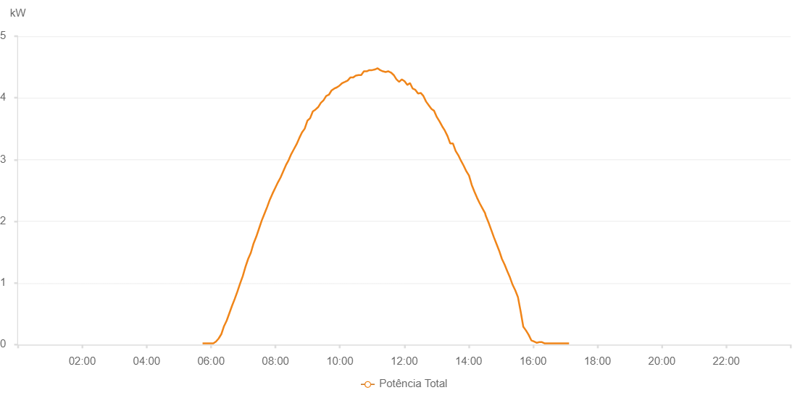

Number | Time | Working State | Alarm Code | Total Inverter Power(W)
1 | 22/07/2023 05:44:14 (UTC-4:00) | Normal |  | 20.000
2 | 22/07/2023 05:49:13 (UTC-4:00) | Normal |  | 20.000
3 | 22/07/2023 05:54:13 (UTC-4:00) | Normal |  | 20.000
4 | 22/07/2023 05:59:14 (UTC-4:00) | Normal |  | 20.000
5 | 22/07/2023 06:04:17 (UTC-4:00) | Normal |  | 20.000
6 | 22/07/2023 06:09:16 (UTC-4:00) | Normal |  | 50.000
7 | 22/07/2023 06:14:15 (UTC-4:00) | Normal |  | 100.000
8 | 22/07/2023 06:19:14 (UTC-4:00) | Normal |  | 170.000
9 | 22/07/2023 06:24:13 (UTC-4:00) | Normal |  | 300.000
10 | 22/07/2023 06:29:13 (UTC-4:00) | Normal |  | 390.000
11 | 22/07/2023 06:34:12 (UTC-4:00) | Normal |  | 510.000
12 | 22/07/2023 06:39:11 (UTC-4:00) | Normal |  | 630.000
13 | 22/07/2023 06:44:10 (UTC-4:00) | Normal |  | 740.000
14 | 22/07/2023 06:49:09 (UTC-4:00) | Normal |  | 860.000
15 | 22/07/2023 06:54:08 (UTC-4:00) | Normal |  | 990.000
16 | 22/07/2023 06:59:07 (UTC-4:00) | Normal |  | 1110.000
17 | 22/07/2023 07:04:07 (UTC-4:00) | Normal |  | 1260.000
18 | 22/07/2023 07:09:11 (UTC-4:00) | Normal |  | 1390.000
19 | 22/07/2023 07:14:14 (UTC-4:00) | Normal |  | 1490.000
20 | 22/07/2023 07:19:17 (UTC-4:00) | Normal |  | 1640.000
21 | 22/07/2023 07:24:20 (UTC-4:00) | Normal |  | 1750.000
22 | 22/07/2023 07:29:23 (UTC-4:00) | Normal |  | 1880.000
23 | 22/07/2023 07:34:26 (UTC-4:00) | Normal |  | 2010.000
24 | 22/07/2023 07:39:30 (UTC-4:00) | Normal |  | 2120.000
25 | 22/07/2023 07:44:33 (UTC-4:00) | Normal |  | 2230.000
26 | 22/07/2023 07:49:36 (UTC-4:00) | Normal |  | 2350.000
27 | 22/07/2023 07:54:39 (UTC-4:00) | Normal |  | 2450.000
28 | 22/07/2023 07:59:38 (UTC-4:00) | Normal |  | 2540.000
29 | 22/07/2023 08:04:37 (UTC-4:00) | Normal |  | 2630.000
30 | 22/07/2023 08:09:36 (UTC-4:00) | Normal |  | 2710.000
31 | 22/07/2023 08:14:36 (UTC-4:00) | Normal |  | 2810.000
32 | 22/07/2023 08:19:35 (UTC-4:00) | Normal |  | 2910.000
33 | 22/07/2023 08:24:35 (UTC-4:00) | Normal |  | 2990.000
34 | 22/07/2023 08:29:34 (UTC-4:00) | Normal |  | 3090.000
35 | 22/07/2023 08:34:33 (UTC-4:00) | Normal |  | 3170.000
36 | 22/07/2023 08:39:32 (UTC-4:00) | Normal |  | 3250.000
37 | 22/07/2023 08:44:31 (UTC-4:00) | Normal |  | 3350.000
38 | 22/07/2023 08:49:31 (UTC-4:00) | Normal |  | 3440.000
39 | 22/07/2023 08:54:31 (UTC-4:00) | Normal |  | 3500.000
40 | 22/07/2023 08:59:34 (UTC-4:00) | Normal |  | 3630.000
41 | 22/07/2023 09:04:37 (UTC-4:00) | Normal |  | 3670.000
42 | 22/07/2023 09:09:40 (UTC-4:00) | Normal |  | 3780.000
43 | 22/07/2023 09:14:39 (UTC-4:00) | Normal |  | 3810.000
44 | 22/07/2023 09:19:38 (UTC-4:00) | Normal |  | 3850.000
45 | 22/07/2023 09:24:37 (UTC-4:00) | Normal |  | 3920.000
46 | 22/07/2023 09:29:36 (UTC-4:00) | Normal |  | 3960.000
47 | 22/07/2023 09:34:35 (UTC-4:00) | Normal |  | 4030.000
48 | 22/07/2023 09:39:34 (UTC-4:00) | Normal |  | 4050.000
49 | 22/07/2023 09:44:33 (UTC-4:00) | Normal |  | 4120.000
50 | 22/07/2023 09:49:32 (UTC-4:00) | Normal |  | 4150.000
51 | 22/07/2023 09:54:31 (UTC-4:00) | Normal |  | 4170.000
52 | 22/07/2023 09:59:32 (UTC-4:00) | Normal |  | 4200.000
53 | 22/07/2023 10:04:33 (UTC-4:00) | Normal |  | 4240.000
54 | 22/07/2023 10:09:34 (UTC-4:00) | Normal |  | 4260.000
55 | 22/07/2023 10:14:34 (UTC-4:00) | Normal |  | 4280.000
56 | 22/07/2023 10:19:37 (UTC-4:00) | Normal |  | 4330.000
57 | 22/07/2023 10:24:40 (UTC-4:00) | Normal |  | 4330.000
58 | 22/07/2023 10:29:43 (UTC-4:00) | Normal |  | 4360.000
59 | 22/07/2023 10:34:46 (UTC-4:00) | Normal |  | 4370.000
60 | 22/07/2023 10:39:49 (UTC-4:00) | Normal |  | 4370.000
61 | 22/07/2023 10:44:52 (UTC-4:00) | Normal |  | 4430.000
62 | 22/07/2023 10:49:55 (UTC-4:00) | Normal |  | 4430.000
63 | 22/07/2023 10:50:06 (UTC-4:00) | Normal |  | 4430.000
64 | 22/07/2023 10:54:59 (UTC-4:00) | Normal |  | 4450.000
65 | 22/07/2023 11:00:02 (UTC-4:00) | Normal |  | 4450.000
66 | 22/07/2023 11:00:12 (UTC-4:00) | Normal |  | 4450.000
67 | 22/07/2023 11:05:08 (UTC-4:00) | Normal |  | 4460.000
68 | 22/07/2023 11:10:09 (UTC-4:00) | Normal |  | 4480.000
69 | 22/07/2023 11:15:11 (UTC-4:00) | Normal |  | 4450.000
70 | 22/07/2023 11:20:14 (UTC-4:00) | Normal |  | 4430.000
71 | 22/07/2023 11:25:17 (UTC-4:00) | Normal |  | 4420.000
72 | 22/07/2023 11:30:20 (UTC-4:00) | Normal |  | 4430.000
73 | 22/07/2023 11:30:36 (UTC-4:00) | Normal |  | 4430.000
74 | 22/07/2023 11:35:23 (UTC-4:00) | Normal |  | 4410.000
75 | 22/07/2023 11:40:27 (UTC-4:00) | Normal |  | 4370.000
76 | 22/07/2023 11:45:30 (UTC-4:00) | Normal |  | 4300.000
77 | 22/07/2023 11:50:33 (UTC-4:00) | Normal |  | 4260.000
78 | 22/07/2023 11:55:36 (UTC-4:00) | Normal |  | 4300.000
79 | 22/07/2023 12:00:39 (UTC-4:00) | Normal |  | 4270.000
80 | 22/07/2023 12:05:42 (UTC-4:00) | Normal |  | 4210.000
81 | 22/07/2023 12:10:45 (UTC-4:00) | Normal |  | 4240.000
82 | 22/07/2023 12:15:48 (UTC-4:00) | Normal |  | 4150.000
83 | 22/07/2023 12:20:47 (UTC-4:00) | Normal |  | 4130.000
84 | 22/07/2023 12:25:47 (UTC-4:00) | Normal |  | 4070.000
85 | 22/07/2023 12:30:46 (UTC-4:00) | Normal |  | 4080.000
86 | 22/07/2023 12:35:45 (UTC-4:00) | Normal |  | 4030.000
87 | 22/07/2023 12:40:44 (UTC-4:00) | Normal |  | 3940.000
88 | 22/07/2023 12:45:43 (UTC-4:00) | Normal |  | 3880.000
89 | 22/07/2023 12:50:42 (UTC-4:00) | Normal |  | 3820.000
90 | 22/07/2023 12:55:42 (UTC-4:00) | Normal |  | 3790.000
91 | 22/07/2023 13:00:41 (UTC-4:00) | Normal |  | 3690.000
92 | 22/07/2023 13:05:40 (UTC-4:00) | Normal |  | 3620.000
93 | 22/07/2023 13:10:39 (UTC-4:00) | Normal |  | 3540.000
94 | 22/07/2023 13:15:41 (UTC-4:00) | Normal |  | 3470.000
95 | 22/07/2023 13:20:44 (UTC-4:00) | Normal |  | 3380.000
96 | 22/07/2023 13:25:47 (UTC-4:00) | Normal |  | 3260.000
97 | 22/07/2023 13:30:50 (UTC-4:00) | Normal |  | 3260.000
98 | 22/07/2023 13:35:49 (UTC-4:00) | Normal |  | 3140.000
99 | 22/07/2023 13:40:48 (UTC-4:00) | Normal |  | 3070.000
100 | 22/07/2023 13:45:48 (UTC-4:00) | Normal |  | 2980.000
101 | 22/07/2023 13:50:47 (UTC-4:00) | Normal |  | 2900.000
102 | 22/07/2023 13:55:46 (UTC-4:00) | Normal |  | 2810.000
103 | 22/07/2023 14:00:45 (UTC-4:00) | Normal |  | 2740.000
104 | 22/07/2023 14:05:44 (UTC-4:00) | Normal |  | 2590.000
105 | 22/07/2023 14:10:44 (UTC-4:00) | Normal |  | 2480.000
106 | 22/07/2023 14:15:43 (UTC-4:00) | Normal |  | 2380.000
107 | 22/07/2023 14:20:42 (UTC-4:00) | Normal |  | 2290.000
108 | 22/07/2023 14:25:41 (UTC-4:00) | Normal |  | 2210.000
109 | 22/07/2023 14:30:41 (UTC-4:00) | Normal |  | 2130.000
110 | 22/07/2023 14:31:53 (UTC-4:00) | Normal |  | 2090.000
111 | 22/07/2023 14:37:07 (UTC-4:00) | Normal |  | 1980.000
112 | 22/07/2023 14:42:05 (UTC-4:00) | Normal |  | 1860.000
113 | 22/07/2023 14:47:04 (UTC-4:00) | Normal |  | 1740.000
114 | 22/07/2023 14:52:02 (UTC-4:00) | Normal |  | 1630.000
115 | 22/07/2023 14:57:02 (UTC-4:00) | Normal |  | 1520.000
116 | 22/07/2023 15:02:00 (UTC-4:00) | Normal |  | 1390.000
117 | 22/07/2023 15:06:59 (UTC-4:00) | Normal |  | 1300.000
118 | 22/07/2023 15:12:01 (UTC-4:00) | Normal |  | 1190.000
119 | 22/07/2023 15:16:59 (UTC-4:00) | Normal |  | 1090.000
120 | 22/07/2023 15:21:58 (UTC-4:00) | Normal |  | 970.000
121 | 22/07/2023 15:26:56 (UTC-4:00) | Normal |  | 880.000
122 | 22/07/2023 15:31:54 (UTC-4:00) | Normal |  | 770.000
123 | 22/07/2023 15:36:53 (UTC-4:00) | Normal |  | 540.000
124 | 22/07/2023 15:41:51 (UTC-4:00) | Normal |  | 290.000
125 | 22/07/2023 15:46:49 (UTC-4:00) | Normal |  | 230.000
126 | 22/07/2023 15:51:47 (UTC-4:00) | Normal |  | 160.000
127 | 22/07/2023 15:56:47 (UTC-4:00) | Normal |  | 70.000
128 | 22/07/2023 16:01:45 (UTC-4:00) | Normal |  | 50.000
129 | 22/07/2023 16:06:43 (UTC-4:00) | Normal |  | 30.000
130 | 22/07/2023 16:11:44 (UTC-4:00) | Normal |  | 40.000
131 | 22/07/2023 16:11:56 (UTC-4:00) | Normal |  | 40.000
132 | 22/07/2023 16:16:46 (UTC-4:00) | Normal |  | 40.000
133 | 22/07/2023 16:21:48 (UTC-4:00) | Normal |  | 20.000
134 | 22/07/2023 16:26:52 (UTC-4:00) | Normal |  | 20.000
135 | 22/07/2023 16:31:55 (UTC-4:00) | Normal |  | 20.000
136 | 22/07/2023 16:36:55 (UTC-4:00) | Normal |  | 20.000
137 | 22/07/2023 16:41:57 (UTC-4:00) | Normal |  | 20.000
138 | 22/07/2023 16:47:00 (UTC-4:00) | Normal |  | 20.000
139 | 22/07/2023 16:52:02 (UTC-4:00) | Normal |  | 20.000
140 | 22/07/2023 16:57:04 (UTC-4:00) | Normal |  | 20.000
141 | 22/07/2023 17:02:06 (UTC-4:00) | Normal |  | 20.000
142 | 22/07/2023 17:07:09 (UTC-4:00) | Normal |  | 20.000

