Inverter History Report__17-08-
Inverter History Report_23/07/2023_Report

Inverter SN:054B7020C020041 |  | Inverter type:B7
Collector SN:4045966636 |  | Full Load Hours(h):2.73
Rated Power:10000Wp

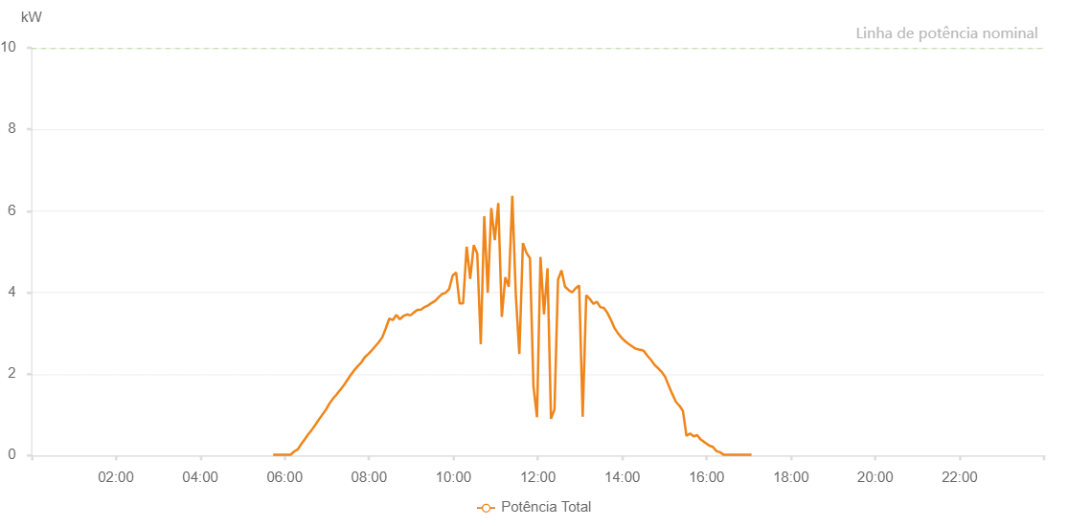

Number | Time | Working State | Alarm Code | Total Inverter Power(W)
1 | 23/07/2023 05:43:39 (UTC-4:00) | Normal |  | 20.000
2 | 23/07/2023 05:48:37 (UTC-4:00) | Normal |  | 20.000
3 | 23/07/2023 05:53:36 (UTC-4:00) | Normal |  | 20.000
4 | 23/07/2023 05:58:39 (UTC-4:00) | Normal |  | 20.000
5 | 23/07/2023 06:03:42 (UTC-4:00) | Normal |  | 20.000
6 | 23/07/2023 06:08:41 (UTC-4:00) | Normal |  | 20.000
7 | 23/07/2023 06:13:40 (UTC-4:00) | Normal |  | 100.000
8 | 23/07/2023 06:18:39 (UTC-4:00) | Normal |  | 150.000
9 | 23/07/2023 06:23:40 (UTC-4:00) | Normal |  | 280.000
10 | 23/07/2023 06:28:39 (UTC-4:00) | Normal |  | 400.000
11 | 23/07/2023 06:33:38 (UTC-4:00) | Normal |  | 520.000
12 | 23/07/2023 06:38:37 (UTC-4:00) | Normal |  | 630.000
13 | 23/07/2023 06:43:36 (UTC-4:00) | Normal |  | 750.000
14 | 23/07/2023 06:48:35 (UTC-4:00) | Normal |  | 880.000
15 | 23/07/2023 06:53:34 (UTC-4:00) | Normal |  | 1000.000
16 | 23/07/2023 06:58:33 (UTC-4:00) | Normal |  | 1120.000
17 | 23/07/2023 07:03:32 (UTC-4:00) | Normal |  | 1270.000
18 | 23/07/2023 07:08:32 (UTC-4:00) | Normal |  | 1390.000
19 | 23/07/2023 07:13:34 (UTC-4:00) | Normal |  | 1490.000
20 | 23/07/2023 07:18:37 (UTC-4:00) | Normal |  | 1600.000
21 | 23/07/2023 07:18:48 (UTC-4:00) | Normal |  | 1600.000
22 | 23/07/2023 07:23:42 (UTC-4:00) | Normal |  | 1710.000
23 | 23/07/2023 07:28:45 (UTC-4:00) | Normal |  | 1840.000
24 | 23/07/2023 07:33:48 (UTC-4:00) | Normal |  | 1970.000
25 | 23/07/2023 07:38:51 (UTC-4:00) | Normal |  | 2090.000
26 | 23/07/2023 07:39:01 (UTC-4:00) | Normal |  | 2090.000
27 | 23/07/2023 07:43:53 (UTC-4:00) | Normal |  | 2190.000
28 | 23/07/2023 07:48:56 (UTC-4:00) | Normal |  | 2280.000
29 | 23/07/2023 07:53:59 (UTC-4:00) | Normal |  | 2410.000
30 | 23/07/2023 07:58:58 (UTC-4:00) | Normal |  | 2490.000
31 | 23/07/2023 08:03:57 (UTC-4:00) | Normal |  | 2580.000
32 | 23/07/2023 08:08:56 (UTC-4:00) | Normal |  | 2680.000
33 | 23/07/2023 08:13:55 (UTC-4:00) | Normal |  | 2780.000
34 | 23/07/2023 08:18:54 (UTC-4:00) | Normal |  | 2900.000
35 | 23/07/2023 08:23:52 (UTC-4:00) | Normal |  | 3120.000
36 | 23/07/2023 08:28:51 (UTC-4:00) | Normal |  | 3360.000
37 | 23/07/2023 08:33:50 (UTC-4:00) | Normal |  | 3320.000
38 | 23/07/2023 08:38:50 (UTC-4:00) | Normal |  | 3450.000
39 | 23/07/2023 08:43:50 (UTC-4:00) | Normal |  | 3340.000
40 | 23/07/2023 08:48:51 (UTC-4:00) | Normal |  | 3420.000
41 | 23/07/2023 08:53:50 (UTC-4:00) | Normal |  | 3460.000
42 | 23/07/2023 08:58:52 (UTC-4:00) | Normal |  | 3440.000
43 | 23/07/2023 08:59:16 (UTC-4:00) | Normal |  | 3440.000
44 | 23/07/2023 09:03:54 (UTC-4:00) | Normal |  | 3510.000
45 | 23/07/2023 09:08:57 (UTC-4:00) | Normal |  | 3570.000
46 | 23/07/2023 09:14:00 (UTC-4:00) | Normal |  | 3580.000
47 | 23/07/2023 09:18:59 (UTC-4:00) | Normal |  | 3640.000
48 | 23/07/2023 09:23:58 (UTC-4:00) | Normal |  | 3680.000
49 | 23/07/2023 09:28:57 (UTC-4:00) | Normal |  | 3740.000
50 | 23/07/2023 09:33:56 (UTC-4:00) | Normal |  | 3790.000
51 | 23/07/2023 09:38:54 (UTC-4:00) | Normal |  | 3880.000
52 | 23/07/2023 09:43:54 (UTC-4:00) | Normal |  | 3960.000
53 | 23/07/2023 09:48:52 (UTC-4:00) | Normal |  | 3990.000
54 | 23/07/2023 09:53:51 (UTC-4:00) | Normal |  | 4080.000
55 | 23/07/2023 09:58:50 (UTC-4:00) | Normal |  | 4410.000
56 | 23/07/2023 10:03:49 (UTC-4:00) | Normal |  | 4490.000
57 | 23/07/2023 10:08:48 (UTC-4:00) | Normal |  | 3730.000
58 | 23/07/2023 10:13:47 (UTC-4:00) | Normal |  | 3730.000
59 | 23/07/2023 10:18:50 (UTC-4:00) | Normal |  | 5120.000
60 | 23/07/2023 10:23:53 (UTC-4:00) | Normal |  | 4330.000
61 | 23/07/2023 10:28:56 (UTC-4:00) | Normal |  | 5160.000
62 | 23/07/2023 10:33:55 (UTC-4:00) | Normal |  | 4950.000
63 | 23/07/2023 10:38:54 (UTC-4:00) | Normal |  | 2730.000
64 | 23/07/2023 10:43:53 (UTC-4:00) | Normal |  | 5870.000
65 | 23/07/2023 10:48:52 (UTC-4:00) | Normal |  | 3990.000
66 | 23/07/2023 10:53:51 (UTC-4:00) | Normal |  | 6070.000
67 | 23/07/2023 10:58:50 (UTC-4:00) | Normal |  | 5280.000
68 | 23/07/2023 11:03:49 (UTC-4:00) | Normal |  | 6190.000
69 | 23/07/2023 11:08:47 (UTC-4:00) | Normal |  | 3400.000
70 | 23/07/2023 11:13:46 (UTC-4:00) | Normal |  | 4370.000
71 | 23/07/2023 11:18:45 (UTC-4:00) | Normal |  | 4140.000
72 | 23/07/2023 11:23:44 (UTC-4:00) | Normal |  | 6370.000
73 | 23/07/2023 11:28:44 (UTC-4:00) | Normal |  | 3940.000
74 | 23/07/2023 11:33:47 (UTC-4:00) | Normal |  | 2490.000
75 | 23/07/2023 11:38:50 (UTC-4:00) | Normal |  | 5210.000
76 | 23/07/2023 11:43:53 (UTC-4:00) | Normal |  | 4970.000
77 | 23/07/2023 11:48:52 (UTC-4:00) | Normal |  | 4840.000
78 | 23/07/2023 11:53:51 (UTC-4:00) | Normal |  | 1700.000
79 | 23/07/2023 11:58:50 (UTC-4:00) | Normal |  | 940.000
80 | 23/07/2023 12:03:50 (UTC-4:00) | Normal |  | 4870.000
81 | 23/07/2023 12:08:49 (UTC-4:00) | Normal |  | 3460.000
82 | 23/07/2023 12:13:48 (UTC-4:00) | Normal |  | 4590.000
83 | 23/07/2023 12:18:46 (UTC-4:00) | Normal |  | 900.000
84 | 23/07/2023 12:23:45 (UTC-4:00) | Normal |  | 1130.000
85 | 23/07/2023 12:28:45 (UTC-4:00) | Normal |  | 4310.000
86 | 23/07/2023 12:33:43 (UTC-4:00) | Normal |  | 4540.000
87 | 23/07/2023 12:38:42 (UTC-4:00) | Normal |  | 4140.000
88 | 23/07/2023 12:43:41 (UTC-4:00) | Normal |  | 4060.000
89 | 23/07/2023 12:48:43 (UTC-4:00) | Normal |  | 4000.000
90 | 23/07/2023 12:53:46 (UTC-4:00) | Normal |  | 4100.000
91 | 23/07/2023 12:58:49 (UTC-4:00) | Normal |  | 4170.000
92 | 23/07/2023 13:03:52 (UTC-4:00) | Normal |  | 950.000
93 | 23/07/2023 13:08:55 (UTC-4:00) | Normal |  | 3930.000
94 | 23/07/2023 13:13:58 (UTC-4:00) | Normal |  | 3840.000
95 | 23/07/2023 13:19:01 (UTC-4:00) | Normal |  | 3720.000
96 | 23/07/2023 13:23:59 (UTC-4:00) | Normal |  | 3770.000
97 | 23/07/2023 13:28:58 (UTC-4:00) | Normal |  | 3640.000
98 | 23/07/2023 13:33:58 (UTC-4:00) | Normal |  | 3620.000
99 | 23/07/2023 13:38:56 (UTC-4:00) | Normal |  | 3500.000
100 | 23/07/2023 13:43:57 (UTC-4:00) | Normal |  | 3330.000
101 | 23/07/2023 13:48:57 (UTC-4:00) | Normal |  | 3130.000
102 | 23/07/2023 13:53:56 (UTC-4:00) | Normal |  | 3000.000
103 | 23/07/2023 13:58:55 (UTC-4:00) | Normal |  | 2890.000
104 | 23/07/2023 14:03:54 (UTC-4:00) | Normal |  | 2810.000
105 | 23/07/2023 14:08:53 (UTC-4:00) | Normal |  | 2740.000
106 | 23/07/2023 14:13:52 (UTC-4:00) | Normal |  | 2680.000
107 | 23/07/2023 14:18:53 (UTC-4:00) | Normal |  | 2620.000
108 | 23/07/2023 14:23:52 (UTC-4:00) | Normal |  | 2600.000
109 | 23/07/2023 14:28:54 (UTC-4:00) | Normal |  | 2580.000
110 | 23/07/2023 14:30:54 (UTC-4:00) | Normal |  | 2560.000
111 | 23/07/2023 14:36:11 (UTC-4:00) | Normal |  | 2440.000
112 | 23/07/2023 14:41:11 (UTC-4:00) | Normal |  | 2340.000
113 | 23/07/2023 14:46:10 (UTC-4:00) | Normal |  | 2220.000
114 | 23/07/2023 14:51:09 (UTC-4:00) | Normal |  | 2140.000
115 | 23/07/2023 14:56:08 (UTC-4:00) | Normal |  | 2050.000
116 | 23/07/2023 15:01:08 (UTC-4:00) | Normal |  | 1930.000
117 | 23/07/2023 15:06:10 (UTC-4:00) | Normal |  | 1710.000
118 | 23/07/2023 15:11:14 (UTC-4:00) | Normal |  | 1510.000
119 | 23/07/2023 15:16:17 (UTC-4:00) | Normal |  | 1320.000
120 | 23/07/2023 15:21:20 (UTC-4:00) | Normal |  | 1220.000
121 | 23/07/2023 15:21:31 (UTC-4:00) | Normal |  | 1220.000
122 | 23/07/2023 15:26:26 (UTC-4:00) | Normal |  | 1090.000
123 | 23/07/2023 15:31:29 (UTC-4:00) | Normal |  | 480.000
124 | 23/07/2023 15:36:30 (UTC-4:00) | Normal |  | 540.000
125 | 23/07/2023 15:41:34 (UTC-4:00) | Normal |  | 470.000
126 | 23/07/2023 15:41:44 (UTC-4:00) | Normal |  | 470.000
127 | 23/07/2023 15:46:38 (UTC-4:00) | Normal |  | 500.000
128 | 23/07/2023 15:51:42 (UTC-4:00) | Normal |  | 390.000
129 | 23/07/2023 15:53:40 (UTC-4:00) | Normal |  | 370.000
130 | 23/07/2023 15:59:02 (UTC-4:00) | Normal |  | 300.000
131 | 23/07/2023 15:59:27 (UTC-4:00) | Normal |  | 300.000
132 | 23/07/2023 16:04:02 (UTC-4:00) | Normal |  | 240.000
133 | 23/07/2023 16:09:01 (UTC-4:00) | Normal |  | 210.000
134 | 23/07/2023 16:14:01 (UTC-4:00) | Normal |  | 110.000
135 | 23/07/2023 16:19:01 (UTC-4:00) | Normal |  | 80.000
136 | 23/07/2023 16:24:02 (UTC-4:00) | Normal |  | 20.000
137 | 23/07/2023 16:29:02 (UTC-4:00) | Normal |  | 20.000
138 | 23/07/2023 16:34:02 (UTC-4:00) | Normal |  | 20.000
139 | 23/07/2023 16:39:01 (UTC-4:00) | Normal |  | 20.000
140 | 23/07/2023 16:44:01 (UTC-4:00) | Normal |  | 20.000
141 | 23/07/2023 16:49:01 (UTC-4:00) | Normal |  | 20.000
142 | 23/07/2023 16:54:00 (UTC-4:00) | Normal |  | 20.000
143 | 23/07/2023 16:59:00 (UTC-4:00) | Normal |  | 20.000
144 | 23/07/2023 17:03:59 (UTC-4:00) | Normal |  | 20.000

