Inverter History Report__17-08-
Inverter History Report_27/07/2023_Report

Inverter SN:054B7020C020041 |  | Inverter type:B7
Collector SN:4045966636 |  | Full Load Hours(h):2.26
Rated Power:10000Wp

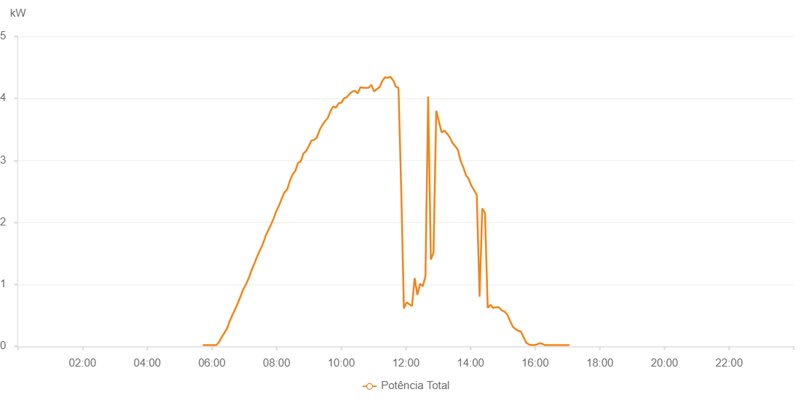

Number | Time | Working State | Alarm Code | Total Inverter Power(W)
1 | 27/07/2023 05:43:16 (UTC-4:00) | Normal |  | 20.000
2 | 27/07/2023 05:58:17 (UTC-4:00) | Normal |  | 20.000
3 | 27/07/2023 06:03:21 (UTC-4:00) | Normal |  | 20.000
4 | 27/07/2023 06:08:20 (UTC-4:00) | Normal |  | 20.000
5 | 27/07/2023 06:13:20 (UTC-4:00) | Normal |  | 70.000
6 | 27/07/2023 06:18:19 (UTC-4:00) | Normal |  | 150.000
7 | 27/07/2023 06:23:19 (UTC-4:00) | Normal |  | 220.000
8 | 27/07/2023 06:28:18 (UTC-4:00) | Normal |  | 290.000
9 | 27/07/2023 06:33:17 (UTC-4:00) | Normal |  | 410.000
10 | 27/07/2023 06:38:17 (UTC-4:00) | Normal |  | 510.000
11 | 27/07/2023 06:43:18 (UTC-4:00) | Normal |  | 600.000
12 | 27/07/2023 06:48:16 (UTC-4:00) | Normal |  | 700.000
13 | 27/07/2023 06:53:15 (UTC-4:00) | Normal |  | 810.000
14 | 27/07/2023 06:58:15 (UTC-4:00) | Normal |  | 920.000
15 | 27/07/2023 07:03:16 (UTC-4:00) | Normal |  | 1000.000
16 | 27/07/2023 07:08:20 (UTC-4:00) | Normal |  | 1100.000
17 | 27/07/2023 07:13:23 (UTC-4:00) | Normal |  | 1220.000
18 | 27/07/2023 07:18:27 (UTC-4:00) | Normal |  | 1330.000
19 | 27/07/2023 07:18:37 (UTC-4:00) | Normal |  | 1330.000
20 | 27/07/2023 07:23:32 (UTC-4:00) | Normal |  | 1440.000
21 | 27/07/2023 07:28:34 (UTC-4:00) | Normal |  | 1540.000
22 | 27/07/2023 07:28:45 (UTC-4:00) | Normal |  | 1540.000
23 | 27/07/2023 07:33:37 (UTC-4:00) | Normal |  | 1630.000
24 | 27/07/2023 07:38:40 (UTC-4:00) | Normal |  | 1750.000
25 | 27/07/2023 07:39:12 (UTC-4:00) | Normal |  | 1770.000
26 | 27/07/2023 07:44:31 (UTC-4:00) | Normal |  | 1870.000
27 | 27/07/2023 07:49:31 (UTC-4:00) | Normal |  | 1960.000
28 | 27/07/2023 07:54:31 (UTC-4:00) | Normal |  | 2060.000
29 | 27/07/2023 07:59:32 (UTC-4:00) | Normal |  | 2180.000
30 | 27/07/2023 08:04:32 (UTC-4:00) | Normal |  | 2270.000
31 | 27/07/2023 08:09:32 (UTC-4:00) | Normal |  | 2380.000
32 | 27/07/2023 08:14:33 (UTC-4:00) | Normal |  | 2480.000
33 | 27/07/2023 08:19:37 (UTC-4:00) | Normal |  | 2530.000
34 | 27/07/2023 08:19:48 (UTC-4:00) | Normal |  | 2530.000
35 | 27/07/2023 08:24:43 (UTC-4:00) | Normal |  | 2670.000
36 | 27/07/2023 08:29:46 (UTC-4:00) | Normal |  | 2770.000
37 | 27/07/2023 08:34:50 (UTC-4:00) | Normal |  | 2830.000
38 | 27/07/2023 08:39:54 (UTC-4:00) | Normal |  | 2960.000
39 | 27/07/2023 08:44:54 (UTC-4:00) | Normal |  | 2980.000
40 | 27/07/2023 08:49:54 (UTC-4:00) | Normal |  | 3110.000
41 | 27/07/2023 08:54:54 (UTC-4:00) | Normal |  | 3150.000
42 | 27/07/2023 08:59:54 (UTC-4:00) | Normal |  | 3230.000
43 | 27/07/2023 09:04:54 (UTC-4:00) | Normal |  | 3320.000
44 | 27/07/2023 09:09:54 (UTC-4:00) | Normal |  | 3330.000
45 | 27/07/2023 09:14:55 (UTC-4:00) | Normal |  | 3370.000
46 | 27/07/2023 09:19:55 (UTC-4:00) | Normal |  | 3490.000
47 | 27/07/2023 09:24:55 (UTC-4:00) | Normal |  | 3570.000
48 | 27/07/2023 09:29:55 (UTC-4:00) | Normal |  | 3630.000
49 | 27/07/2023 09:34:55 (UTC-4:00) | Normal |  | 3680.000
50 | 27/07/2023 09:39:57 (UTC-4:00) | Normal |  | 3790.000
51 | 27/07/2023 09:45:01 (UTC-4:00) | Normal |  | 3870.000
52 | 27/07/2023 09:50:05 (UTC-4:00) | Normal |  | 3850.000
53 | 27/07/2023 09:55:09 (UTC-4:00) | Normal |  | 3920.000
54 | 27/07/2023 10:00:14 (UTC-4:00) | Normal |  | 3930.000
55 | 27/07/2023 10:05:17 (UTC-4:00) | Normal |  | 4000.000
56 | 27/07/2023 10:10:22 (UTC-4:00) | Normal |  | 4020.000
57 | 27/07/2023 10:15:26 (UTC-4:00) | Normal |  | 4070.000
58 | 27/07/2023 10:20:30 (UTC-4:00) | Normal |  | 4110.000
59 | 27/07/2023 10:20:42 (UTC-4:00) | Normal |  | 4110.000
60 | 27/07/2023 10:25:37 (UTC-4:00) | Normal |  | 4120.000
61 | 27/07/2023 10:30:38 (UTC-4:00) | Normal |  | 4080.000
62 | 27/07/2023 10:35:42 (UTC-4:00) | Normal |  | 4180.000
63 | 27/07/2023 10:40:47 (UTC-4:00) | Normal |  | 4170.000
64 | 27/07/2023 10:45:51 (UTC-4:00) | Normal |  | 4170.000
65 | 27/07/2023 10:50:55 (UTC-4:00) | Normal |  | 4170.000
66 | 27/07/2023 10:55:59 (UTC-4:00) | Normal |  | 4220.000
67 | 27/07/2023 11:01:04 (UTC-4:00) | Normal |  | 4110.000
68 | 27/07/2023 11:06:08 (UTC-4:00) | Normal |  | 4150.000
69 | 27/07/2023 11:11:12 (UTC-4:00) | Normal |  | 4180.000
70 | 27/07/2023 11:16:16 (UTC-4:00) | Normal |  | 4280.000
71 | 27/07/2023 11:21:16 (UTC-4:00) | Normal |  | 4340.000
72 | 27/07/2023 11:26:17 (UTC-4:00) | Normal |  | 4330.000
73 | 27/07/2023 11:31:17 (UTC-4:00) | Normal |  | 4350.000
74 | 27/07/2023 11:36:17 (UTC-4:00) | Normal |  | 4290.000
75 | 27/07/2023 11:36:46 (UTC-4:00) | Normal |  | 4290.000
76 | 27/07/2023 11:41:18 (UTC-4:00) | Normal |  | 4190.000
77 | 27/07/2023 11:46:17 (UTC-4:00) | Normal |  | 4170.000
78 | 27/07/2023 11:51:18 (UTC-4:00) | Normal |  | 2580.000
79 | 27/07/2023 11:56:22 (UTC-4:00) | Normal |  | 610.000
80 | 27/07/2023 12:01:22 (UTC-4:00) | Normal |  | 710.000
81 | 27/07/2023 12:06:22 (UTC-4:00) | Normal |  | 680.000
82 | 27/07/2023 12:11:22 (UTC-4:00) | Normal |  | 650.000
83 | 27/07/2023 12:16:23 (UTC-4:00) | Normal |  | 1100.000
84 | 27/07/2023 12:21:23 (UTC-4:00) | Normal |  | 830.000
85 | 27/07/2023 12:26:23 (UTC-4:00) | Normal |  | 1010.000
86 | 27/07/2023 12:31:23 (UTC-4:00) | Normal |  | 970.000
87 | 27/07/2023 12:36:23 (UTC-4:00) | Normal |  | 1130.000
88 | 27/07/2023 12:41:23 (UTC-4:00) | Normal |  | 4030.000
89 | 27/07/2023 12:46:23 (UTC-4:00) | Normal |  | 1400.000
90 | 27/07/2023 12:51:23 (UTC-4:00) | Normal |  | 1510.000
91 | 27/07/2023 12:56:25 (UTC-4:00) | Normal |  | 3800.000
92 | 27/07/2023 13:01:29 (UTC-4:00) | Normal |  | 3620.000
93 | 27/07/2023 13:06:33 (UTC-4:00) | Normal |  | 3450.000
94 | 27/07/2023 13:11:37 (UTC-4:00) | Normal |  | 3480.000
95 | 27/07/2023 13:16:37 (UTC-4:00) | Normal |  | 3430.000
96 | 27/07/2023 13:21:37 (UTC-4:00) | Normal |  | 3370.000
97 | 27/07/2023 13:26:37 (UTC-4:00) | Normal |  | 3280.000
98 | 27/07/2023 13:31:37 (UTC-4:00) | Normal |  | 3230.000
99 | 27/07/2023 13:36:38 (UTC-4:00) | Normal |  | 3170.000
100 | 27/07/2023 13:41:38 (UTC-4:00) | Normal |  | 2990.000
101 | 27/07/2023 13:46:38 (UTC-4:00) | Normal |  | 2890.000
102 | 27/07/2023 13:51:38 (UTC-4:00) | Normal |  | 2760.000
103 | 27/07/2023 13:56:38 (UTC-4:00) | Normal |  | 2700.000
104 | 27/07/2023 14:01:38 (UTC-4:00) | Normal |  | 2590.000
105 | 27/07/2023 14:06:38 (UTC-4:00) | Normal |  | 2520.000
106 | 27/07/2023 14:11:39 (UTC-4:00) | Normal |  | 2440.000
107 | 27/07/2023 14:16:51 (UTC-4:00) | Normal |  | 800.000
108 | 27/07/2023 14:21:47 (UTC-4:00) | Normal |  | 2220.000
109 | 27/07/2023 14:21:58 (UTC-4:00) | Normal |  | 2220.000
110 | 27/07/2023 14:26:52 (UTC-4:00) | Normal |  | 2150.000
111 | 27/07/2023 14:31:58 (UTC-4:00) | Normal |  | 620.000
112 | 27/07/2023 14:36:59 (UTC-4:00) | Normal |  | 670.000
113 | 27/07/2023 14:42:03 (UTC-4:00) | Normal |  | 620.000
114 | 27/07/2023 14:42:14 (UTC-4:00) | Normal |  | 620.000
115 | 27/07/2023 14:47:09 (UTC-4:00) | Normal |  | 630.000
116 | 27/07/2023 14:52:12 (UTC-4:00) | Normal |  | 630.000
117 | 27/07/2023 14:52:31 (UTC-4:00) | Normal |  | 630.000
118 | 27/07/2023 14:58:24 (UTC-4:00) | Normal |  | 580.000
119 | 27/07/2023 15:03:23 (UTC-4:00) | Normal |  | 560.000
120 | 27/07/2023 15:03:34 (UTC-4:00) | Normal |  | 560.000
121 | 27/07/2023 15:08:23 (UTC-4:00) | Normal |  | 510.000
122 | 27/07/2023 15:13:23 (UTC-4:00) | Normal |  | 410.000
123 | 27/07/2023 15:18:22 (UTC-4:00) | Normal |  | 320.000
124 | 27/07/2023 15:23:25 (UTC-4:00) | Normal |  | 280.000
125 | 27/07/2023 15:28:59 (UTC-4:00) | Normal |  | 250.000
126 | 27/07/2023 15:33:22 (UTC-4:00) | Normal |  | 240.000
127 | 27/07/2023 15:38:22 (UTC-4:00) | Normal |  | 150.000
128 | 27/07/2023 15:43:22 (UTC-4:00) | Normal |  | 60.000
129 | 27/07/2023 15:48:26 (UTC-4:00) | Normal |  | 30.000
130 | 27/07/2023 15:53:33 (UTC-4:00) | Normal |  | 20.000
131 | 27/07/2023 15:58:21 (UTC-4:00) | Normal |  | 20.000
132 | 27/07/2023 16:03:23 (UTC-4:00) | Normal |  | 30.000
133 | 27/07/2023 16:08:21 (UTC-4:00) | Normal |  | 50.000
134 | 27/07/2023 16:13:21 (UTC-4:00) | Normal |  | 40.000
135 | 27/07/2023 16:18:21 (UTC-4:00) | Normal |  | 20.000
136 | 27/07/2023 16:23:21 (UTC-4:00) | Normal |  | 20.000
137 | 27/07/2023 16:28:24 (UTC-4:00) | Normal |  | 20.000
138 | 27/07/2023 16:33:35 (UTC-4:00) | Normal |  | 20.000
139 | 27/07/2023 16:38:32 (UTC-4:00) | Normal |  | 20.000
140 | 27/07/2023 16:43:51 (UTC-4:00) | Normal |  | 20.000
141 | 27/07/2023 16:48:36 (UTC-4:00) | Normal |  | 20.000
142 | 27/07/2023 16:53:36 (UTC-4:00) | Normal |  | 20.000
143 | 27/07/2023 16:59:01 (UTC-4:00) | Normal |  | 20.000
144 | 27/07/2023 17:03:37 (UTC-4:00) | Normal |  | 20.000

