Inverter History Report__17-08-
Inverter History Report_28/07/2023_Report

Inverter SN:054B7020C020041 |  | Inverter type:B7
Collector SN:4045966636 |  | Full Load Hours(h):2.61
Rated Power:10000Wp

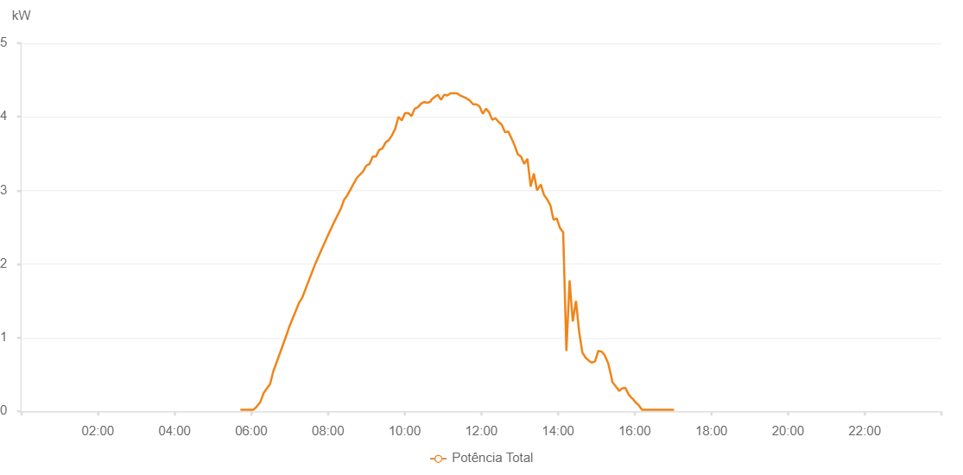

Number | Time | Working State | Alarm Code | Total Inverter Power(W)
1 | 28/07/2023 05:43:00 (UTC-4:00) | Normal |  | 20.000
2 | 28/07/2023 05:47:59 (UTC-4:00) | Normal |  | 20.000
3 | 28/07/2023 05:53:09 (UTC-4:00) | Normal |  | 20.000
4 | 28/07/2023 05:53:20 (UTC-4:00) | Normal |  | 20.000
5 | 28/07/2023 05:58:20 (UTC-4:00) | Normal |  | 20.000
6 | 28/07/2023 06:03:04 (UTC-4:00) | Normal |  | 20.000
7 | 28/07/2023 06:08:17 (UTC-4:00) | Normal |  | 60.000
8 | 28/07/2023 06:09:02 (UTC-4:00) | Normal |  | 70.000
9 | 28/07/2023 06:14:24 (UTC-4:00) | Normal |  | 130.000
10 | 28/07/2023 06:19:25 (UTC-4:00) | Normal |  | 250.000
11 | 28/07/2023 06:24:24 (UTC-4:00) | Normal |  | 310.000
12 | 28/07/2023 06:29:24 (UTC-4:00) | Normal |  | 370.000
13 | 28/07/2023 06:34:24 (UTC-4:00) | Normal |  | 540.000
14 | 28/07/2023 06:54:30 (UTC-4:00) | Normal |  | 1020.000
15 | 28/07/2023 06:59:32 (UTC-4:00) | Normal |  | 1150.000
16 | 28/07/2023 07:14:33 (UTC-4:00) | Normal |  | 1470.000
17 | 28/07/2023 07:19:33 (UTC-4:00) | Normal |  | 1540.000
18 | 28/07/2023 07:39:33 (UTC-4:00) | Normal |  | 1990.000
19 | 28/07/2023 07:59:26 (UTC-4:00) | Normal |  | 2380.000
20 | 28/07/2023 08:09:06 (UTC-4:00) | Normal |  | 2560.000
21 | 28/07/2023 08:09:41 (UTC-4:00) | Normal |  | 2570.000
22 | 28/07/2023 08:20:03 (UTC-4:00) | Normal |  | 2750.000
23 | 28/07/2023 08:25:03 (UTC-4:00) | Normal |  | 2870.000
24 | 28/07/2023 08:30:04 (UTC-4:00) | Normal |  | 2930.000
25 | 28/07/2023 08:45:10 (UTC-4:00) | Normal |  | 3170.000
26 | 28/07/2023 08:55:05 (UTC-4:00) | Normal |  | 3260.000
27 | 28/07/2023 09:00:09 (UTC-4:00) | Normal |  | 3340.000
28 | 28/07/2023 09:00:20 (UTC-4:00) | Normal |  | 3340.000
29 | 28/07/2023 09:05:09 (UTC-4:00) | Normal |  | 3360.000
30 | 28/07/2023 09:10:10 (UTC-4:00) | Normal |  | 3460.000
31 | 28/07/2023 09:15:10 (UTC-4:00) | Normal |  | 3460.000
32 | 28/07/2023 09:20:11 (UTC-4:00) | Normal |  | 3550.000
33 | 28/07/2023 09:25:12 (UTC-4:00) | Normal |  | 3570.000
34 | 28/07/2023 09:30:12 (UTC-4:00) | Normal |  | 3650.000
35 | 28/07/2023 09:35:49 (UTC-4:00) | Normal |  | 3690.000
36 | 28/07/2023 09:40:14 (UTC-4:00) | Normal |  | 3750.000
37 | 28/07/2023 09:45:19 (UTC-4:00) | Normal |  | 3840.000
38 | 28/07/2023 09:50:20 (UTC-4:00) | Normal |  | 4000.000
39 | 28/07/2023 09:55:32 (UTC-4:00) | Normal |  | 3950.000
40 | 28/07/2023 10:00:30 (UTC-4:00) | Normal |  | 4050.000
41 | 28/07/2023 10:05:51 (UTC-4:00) | Normal |  | 4050.000
42 | 28/07/2023 10:10:47 (UTC-4:00) | Normal |  | 4010.000
43 | 28/07/2023 10:15:42 (UTC-4:00) | Normal |  | 4110.000
44 | 28/07/2023 10:20:47 (UTC-4:00) | Normal |  | 4130.000
45 | 28/07/2023 10:25:54 (UTC-4:00) | Normal |  | 4180.000
46 | 28/07/2023 10:30:47 (UTC-4:00) | Normal |  | 4200.000
47 | 28/07/2023 10:35:48 (UTC-4:00) | Normal |  | 4190.000
48 | 28/07/2023 10:40:52 (UTC-4:00) | Normal |  | 4210.000
49 | 28/07/2023 10:41:37 (UTC-4:00) | Normal |  | 4230.000
50 | 28/07/2023 10:46:58 (UTC-4:00) | Normal |  | 4270.000
51 | 28/07/2023 10:51:59 (UTC-4:00) | Normal |  | 4300.000
52 | 28/07/2023 10:56:58 (UTC-4:00) | Normal |  | 4230.000
53 | 28/07/2023 11:01:57 (UTC-4:00) | Normal |  | 4300.000
54 | 28/07/2023 11:06:57 (UTC-4:00) | Normal |  | 4290.000
55 | 28/07/2023 11:11:54 (UTC-4:00) | Normal |  | 4320.000
56 | 28/07/2023 11:16:55 (UTC-4:00) | Normal |  | 4320.000
57 | 28/07/2023 11:21:54 (UTC-4:00) | Normal |  | 4320.000
58 | 28/07/2023 11:26:57 (UTC-4:00) | Normal |  | 4290.000
59 | 28/07/2023 11:31:59 (UTC-4:00) | Normal |  | 4270.000
60 | 28/07/2023 11:37:02 (UTC-4:00) | Normal |  | 4250.000
61 | 28/07/2023 11:42:05 (UTC-4:00) | Normal |  | 4220.000
62 | 28/07/2023 11:47:07 (UTC-4:00) | Normal |  | 4170.000
63 | 28/07/2023 11:52:10 (UTC-4:00) | Normal |  | 4170.000
64 | 28/07/2023 11:57:13 (UTC-4:00) | Normal |  | 4140.000
65 | 28/07/2023 12:02:16 (UTC-4:00) | Normal |  | 4040.000
66 | 28/07/2023 12:07:19 (UTC-4:00) | Normal |  | 4110.000
67 | 28/07/2023 12:12:17 (UTC-4:00) | Normal |  | 4060.000
68 | 28/07/2023 12:17:16 (UTC-4:00) | Normal |  | 3960.000
69 | 28/07/2023 12:22:15 (UTC-4:00) | Normal |  | 3980.000
70 | 28/07/2023 12:27:14 (UTC-4:00) | Normal |  | 3930.000
71 | 28/07/2023 12:32:12 (UTC-4:00) | Normal |  | 3890.000
72 | 28/07/2023 12:37:12 (UTC-4:00) | Normal |  | 3790.000
73 | 28/07/2023 12:42:10 (UTC-4:00) | Normal |  | 3800.000
74 | 28/07/2023 12:47:09 (UTC-4:00) | Normal |  | 3710.000
75 | 28/07/2023 12:52:09 (UTC-4:00) | Normal |  | 3610.000
76 | 28/07/2023 12:57:08 (UTC-4:00) | Normal |  | 3490.000
77 | 28/07/2023 12:57:19 (UTC-4:00) | Normal |  | 3490.000
78 | 28/07/2023 13:02:06 (UTC-4:00) | Normal |  | 3460.000
79 | 28/07/2023 13:07:05 (UTC-4:00) | Normal |  | 3360.000
80 | 28/07/2023 13:12:07 (UTC-4:00) | Normal |  | 3430.000
81 | 28/07/2023 13:17:10 (UTC-4:00) | Normal |  | 3060.000
82 | 28/07/2023 13:17:21 (UTC-4:00) | Normal |  | 3060.000
83 | 28/07/2023 13:22:14 (UTC-4:00) | Normal |  | 3230.000
84 | 28/07/2023 13:27:15 (UTC-4:00) | Normal |  | 3000.000
85 | 28/07/2023 13:27:46 (UTC-4:00) | Normal |  | 3010.000
86 | 28/07/2023 13:33:04 (UTC-4:00) | Normal |  | 3080.000
87 | 28/07/2023 13:38:04 (UTC-4:00) | Normal |  | 2940.000
88 | 28/07/2023 13:43:03 (UTC-4:00) | Normal |  | 2880.000
89 | 28/07/2023 13:48:03 (UTC-4:00) | Normal |  | 2800.000
90 | 28/07/2023 13:53:02 (UTC-4:00) | Normal |  | 2600.000
91 | 28/07/2023 13:58:03 (UTC-4:00) | Normal |  | 2620.000
92 | 28/07/2023 14:03:04 (UTC-4:00) | Normal |  | 2490.000
93 | 28/07/2023 14:08:07 (UTC-4:00) | Normal |  | 2430.000
94 | 28/07/2023 14:13:09 (UTC-4:00) | Normal |  | 820.000
95 | 28/07/2023 14:18:06 (UTC-4:00) | Normal |  | 1780.000
96 | 28/07/2023 14:23:06 (UTC-4:00) | Normal |  | 1220.000
97 | 28/07/2023 14:28:07 (UTC-4:00) | Normal |  | 1500.000
98 | 28/07/2023 14:33:05 (UTC-4:00) | Normal |  | 1080.000
99 | 28/07/2023 14:38:04 (UTC-4:00) | Normal |  | 800.000
100 | 28/07/2023 14:43:05 (UTC-4:00) | Normal |  | 730.000
101 | 28/07/2023 14:48:03 (UTC-4:00) | Normal |  | 690.000
102 | 28/07/2023 14:53:05 (UTC-4:00) | Normal |  | 660.000
103 | 28/07/2023 14:58:02 (UTC-4:00) | Normal |  | 680.000
104 | 28/07/2023 15:03:02 (UTC-4:00) | Normal |  | 820.000
105 | 28/07/2023 15:03:27 (UTC-4:00) | Normal |  | 820.000
106 | 28/07/2023 15:08:31 (UTC-4:00) | Normal |  | 810.000
107 | 28/07/2023 15:13:10 (UTC-4:00) | Normal |  | 760.000
108 | 28/07/2023 15:18:10 (UTC-4:00) | Normal |  | 660.000
109 | 28/07/2023 15:18:21 (UTC-4:00) | Normal |  | 660.000
110 | 28/07/2023 15:23:10 (UTC-4:00) | Normal |  | 480.000
111 | 28/07/2023 15:25:00 (UTC-4:00) | Normal |  | 400.000
112 | 28/07/2023 15:30:15 (UTC-4:00) | Normal |  | 340.000
113 | 28/07/2023 15:35:37 (UTC-4:00) | Normal |  | 280.000
114 | 28/07/2023 15:35:38 (UTC-4:00) | Normal |  | 280.000
115 | 28/07/2023 15:35:53 (UTC-4:00) | Normal |  | 280.000
116 | 28/07/2023 15:40:29 (UTC-4:00) | Normal |  | 310.000
117 | 28/07/2023 15:45:19 (UTC-4:00) | Normal |  | 320.000
118 | 28/07/2023 15:45:30 (UTC-4:00) | Normal |  | 320.000
119 | 28/07/2023 15:50:23 (UTC-4:00) | Normal |  | 230.000
120 | 28/07/2023 15:55:25 (UTC-4:00) | Normal |  | 180.000
121 | 28/07/2023 15:56:11 (UTC-4:00) | Normal |  | 180.000
122 | 28/07/2023 16:01:34 (UTC-4:00) | Normal |  | 120.000
123 | 28/07/2023 16:06:36 (UTC-4:00) | Normal |  | 80.000
124 | 28/07/2023 16:11:32 (UTC-4:00) | Normal |  | 20.000
125 | 28/07/2023 16:16:31 (UTC-4:00) | Normal |  | 20.000
126 | 28/07/2023 16:21:30 (UTC-4:00) | Normal |  | 20.000
127 | 28/07/2023 16:26:29 (UTC-4:00) | Normal |  | 20.000
128 | 28/07/2023 16:31:28 (UTC-4:00) | Normal |  | 20.000
129 | 28/07/2023 16:36:27 (UTC-4:00) | Normal |  | 20.000
130 | 28/07/2023 16:41:26 (UTC-4:00) | Normal |  | 20.000
131 | 28/07/2023 16:46:29 (UTC-4:00) | Normal |  | 20.000
132 | 28/07/2023 16:51:30 (UTC-4:00) | Normal |  | 20.000
133 | 28/07/2023 16:56:38 (UTC-4:00) | Normal |  | 20.000
134 | 28/07/2023 17:01:36 (UTC-4:00) | Normal |  | 20.000

