Inverter History Report__17-08-
Inverter History Report_29/07/2023_Report

Inverter SN:054B7020C020041 |  | Inverter type:B7
Collector SN:4045966636 |  | Full Load Hours(h):2.49
Rated Power:10000Wp

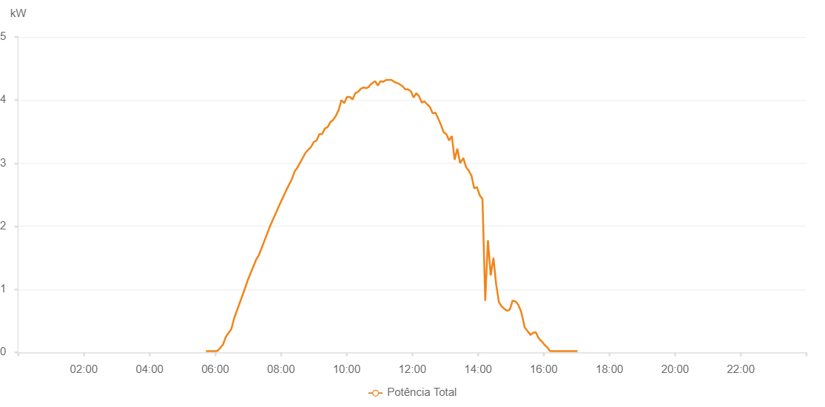

Number | Time | Working State | Alarm Code | Total Inverter Power(W)
1 | 29/07/2023 05:44:24 (UTC-4:00) | Normal |  | 20.000
2 | 29/07/2023 05:49:26 (UTC-4:00) | Normal |  | 20.000
3 | 29/07/2023 05:54:27 (UTC-4:00) | Normal |  | 20.000
4 | 29/07/2023 05:59:29 (UTC-4:00) | Normal |  | 20.000
5 | 29/07/2023 06:04:32 (UTC-4:00) | Normal |  | 20.000
6 | 29/07/2023 06:09:36 (UTC-4:00) | Normal |  | 90.000
7 | 29/07/2023 06:14:40 (UTC-4:00) | Normal |  | 180.000
8 | 29/07/2023 06:19:43 (UTC-4:00) | Normal |  | 320.000
9 | 29/07/2023 06:24:43 (UTC-4:00) | Normal |  | 230.000
10 | 29/07/2023 06:29:43 (UTC-4:00) | Normal |  | 220.000
11 | 29/07/2023 06:34:48 (UTC-4:00) | Normal |  | 630.000
12 | 29/07/2023 06:39:42 (UTC-4:00) | Normal |  | 700.000
13 | 29/07/2023 06:44:42 (UTC-4:00) | Normal |  | 810.000
14 | 29/07/2023 06:49:41 (UTC-4:00) | Normal |  | 930.000
15 | 29/07/2023 06:54:41 (UTC-4:00) | Normal |  | 1030.000
16 | 29/07/2023 06:59:40 (UTC-4:00) | Normal |  | 1060.000
17 | 29/07/2023 07:04:40 (UTC-4:00) | Normal |  | 1210.000
18 | 29/07/2023 07:09:40 (UTC-4:00) | Normal |  | 1350.000
19 | 29/07/2023 07:14:39 (UTC-4:00) | Normal |  | 810.000
20 | 29/07/2023 07:19:39 (UTC-4:00) | Normal |  | 1570.000
21 | 29/07/2023 07:24:39 (UTC-4:00) | Normal |  | 1690.000
22 | 29/07/2023 07:29:38 (UTC-4:00) | Normal |  | 1460.000
23 | 29/07/2023 07:34:38 (UTC-4:00) | Normal |  | 730.000
24 | 29/07/2023 07:39:38 (UTC-4:00) | Normal |  | 2350.000
25 | 29/07/2023 07:44:37 (UTC-4:00) | Normal |  | 2460.000
26 | 29/07/2023 07:49:37 (UTC-4:00) | Normal |  | 2330.000
27 | 29/07/2023 07:54:36 (UTC-4:00) | Normal |  | 2490.000
28 | 29/07/2023 07:59:36 (UTC-4:00) | Normal |  | 2560.000
29 | 29/07/2023 08:04:35 (UTC-4:00) | Normal |  | 2720.000
30 | 29/07/2023 08:09:35 (UTC-4:00) | Normal |  | 690.000
31 | 29/07/2023 08:14:35 (UTC-4:00) | Normal |  | 2960.000
32 | 29/07/2023 08:19:35 (UTC-4:00) | Normal |  | 860.000
33 | 29/07/2023 08:24:39 (UTC-4:00) | Normal |  | 1070.000
34 | 29/07/2023 08:29:42 (UTC-4:00) | Normal |  | 1020.000
35 | 29/07/2023 08:34:46 (UTC-4:00) | Normal |  | 1840.000
36 | 29/07/2023 08:39:45 (UTC-4:00) | Normal |  | 1050.000
37 | 29/07/2023 08:44:45 (UTC-4:00) | Normal |  | 1660.000
38 | 29/07/2023 08:49:44 (UTC-4:00) | Normal |  | 1500.000
39 | 29/07/2023 08:54:44 (UTC-4:00) | Normal |  | 3090.000
40 | 29/07/2023 08:59:43 (UTC-4:00) | Normal |  | 2050.000
41 | 29/07/2023 09:04:43 (UTC-4:00) | Normal |  | 3370.000
42 | 29/07/2023 09:09:43 (UTC-4:00) | Normal |  | 1890.000
43 | 29/07/2023 09:14:42 (UTC-4:00) | Normal |  | 1650.000
44 | 29/07/2023 09:19:42 (UTC-4:00) | Normal |  | 2180.000
45 | 29/07/2023 09:24:41 (UTC-4:00) | Normal |  | 2120.000
46 | 29/07/2023 09:29:41 (UTC-4:00) | Normal |  | 1890.000
47 | 29/07/2023 09:34:44 (UTC-4:00) | Normal |  | 2580.000
48 | 29/07/2023 09:39:47 (UTC-4:00) | Normal |  | 2130.000
49 | 29/07/2023 09:44:51 (UTC-4:00) | Normal |  | 1650.000
50 | 29/07/2023 09:49:54 (UTC-4:00) | Normal |  | 2530.000
51 | 29/07/2023 09:54:58 (UTC-4:00) | Normal |  | 2720.000
52 | 29/07/2023 09:55:23 (UTC-4:00) | Normal |  | 2720.000
53 | 29/07/2023 10:00:01 (UTC-4:00) | Normal |  | 5730.000
54 | 29/07/2023 10:05:05 (UTC-4:00) | Normal |  | 4930.000
55 | 29/07/2023 10:10:08 (UTC-4:00) | Normal |  | 4620.000
56 | 29/07/2023 10:15:12 (UTC-4:00) | Normal |  | 4690.000
57 | 29/07/2023 10:20:16 (UTC-4:00) | Normal |  | 4640.000
58 | 29/07/2023 10:25:19 (UTC-4:00) | Normal |  | 5250.000
59 | 29/07/2023 10:30:23 (UTC-4:00) | Normal |  | 5260.000
60 | 29/07/2023 10:35:26 (UTC-4:00) | Normal |  | 4690.000
61 | 29/07/2023 10:40:31 (UTC-4:00) | Normal |  | 5040.000
62 | 29/07/2023 10:45:35 (UTC-4:00) | Normal |  | 1390.000
63 | 29/07/2023 10:50:34 (UTC-4:00) | Normal |  | 5400.000
64 | 29/07/2023 10:55:34 (UTC-4:00) | Normal |  | 2020.000
65 | 29/07/2023 11:00:33 (UTC-4:00) | Normal |  | 5010.000
66 | 29/07/2023 11:05:33 (UTC-4:00) | Normal |  | 1490.000
67 | 29/07/2023 11:10:33 (UTC-4:00) | Normal |  | 4940.000
68 | 29/07/2023 11:15:32 (UTC-4:00) | Normal |  | 4930.000
69 | 29/07/2023 11:20:32 (UTC-4:00) | Normal |  | 4820.000
70 | 29/07/2023 11:25:31 (UTC-4:00) | Normal |  | 4960.000
71 | 29/07/2023 11:30:31 (UTC-4:00) | Normal |  | 2800.000
72 | 29/07/2023 11:35:31 (UTC-4:00) | Normal |  | 5060.000
73 | 29/07/2023 11:40:30 (UTC-4:00) | Normal |  | 5450.000
74 | 29/07/2023 11:45:33 (UTC-4:00) | Normal |  | 5010.000
75 | 29/07/2023 11:50:36 (UTC-4:00) | Normal |  | 4990.000
76 | 29/07/2023 11:55:40 (UTC-4:00) | Normal |  | 2170.000
77 | 29/07/2023 12:00:44 (UTC-4:00) | Normal |  | 5210.000
78 | 29/07/2023 12:05:43 (UTC-4:00) | Normal |  | 5000.000
79 | 29/07/2023 12:10:43 (UTC-4:00) | Normal |  | 4810.000
80 | 29/07/2023 12:15:42 (UTC-4:00) | Normal |  | 4760.000
81 | 29/07/2023 12:20:42 (UTC-4:00) | Normal |  | 1370.000
82 | 29/07/2023 12:25:42 (UTC-4:00) | Normal |  | 4740.000
83 | 29/07/2023 12:30:41 (UTC-4:00) | Normal |  | 4410.000
84 | 29/07/2023 12:35:41 (UTC-4:00) | Normal |  | 2410.000
85 | 29/07/2023 12:40:40 (UTC-4:00) | Normal |  | 4430.000
86 | 29/07/2023 12:45:40 (UTC-4:00) | Normal |  | 4100.000
87 | 29/07/2023 12:50:40 (UTC-4:00) | Normal |  | 3930.000
88 | 29/07/2023 12:55:39 (UTC-4:00) | Normal |  | 3890.000
89 | 29/07/2023 13:00:43 (UTC-4:00) | Normal |  | 3790.000
90 | 29/07/2023 13:05:46 (UTC-4:00) | Normal |  | 3710.000
91 | 29/07/2023 13:10:50 (UTC-4:00) | Normal |  | 3670.000
92 | 29/07/2023 13:15:54 (UTC-4:00) | Normal |  | 3600.000
93 | 29/07/2023 13:20:53 (UTC-4:00) | Normal |  | 3500.000
94 | 29/07/2023 13:25:53 (UTC-4:00) | Normal |  | 3370.000
95 | 29/07/2023 13:30:53 (UTC-4:00) | Normal |  | 3320.000
96 | 29/07/2023 13:35:53 (UTC-4:00) | Normal |  | 3190.000
97 | 29/07/2023 13:40:52 (UTC-4:00) | Normal |  | 3170.000
98 | 29/07/2023 13:45:52 (UTC-4:00) | Normal |  | 3040.000
99 | 29/07/2023 13:50:52 (UTC-4:00) | Normal |  | 3010.000
100 | 29/07/2023 13:55:51 (UTC-4:00) | Normal |  | 2900.000
101 | 29/07/2023 14:00:54 (UTC-4:00) | Normal |  | 2710.000
102 | 29/07/2023 14:05:54 (UTC-4:00) | Normal |  | 2660.000
103 | 29/07/2023 14:10:53 (UTC-4:00) | Normal |  | 2540.000
104 | 29/07/2023 14:15:53 (UTC-4:00) | Normal |  | 2470.000
105 | 29/07/2023 14:20:54 (UTC-4:00) | Normal |  | 2340.000
106 | 29/07/2023 14:25:58 (UTC-4:00) | Normal |  | 2220.000
107 | 29/07/2023 14:31:02 (UTC-4:00) | Normal |  | 2100.000
108 | 29/07/2023 14:33:24 (UTC-4:00) | Normal |  | 2090.000
109 | 29/07/2023 14:38:41 (UTC-4:00) | Normal |  | 1950.000
110 | 29/07/2023 14:43:40 (UTC-4:00) | Normal |  | 1850.000
111 | 29/07/2023 14:48:39 (UTC-4:00) | Normal |  | 1730.000
112 | 29/07/2023 14:53:38 (UTC-4:00) | Normal |  | 1540.000
113 | 29/07/2023 14:58:37 (UTC-4:00) | Normal |  | 1450.000
114 | 29/07/2023 15:03:36 (UTC-4:00) | Normal |  | 1370.000
115 | 29/07/2023 15:08:37 (UTC-4:00) | Normal |  | 1300.000
116 | 29/07/2023 15:13:40 (UTC-4:00) | Normal |  | 1220.000
117 | 29/07/2023 15:18:43 (UTC-4:00) | Normal |  | 1010.000
118 | 29/07/2023 15:23:46 (UTC-4:00) | Normal |  | 960.000
119 | 29/07/2023 15:28:45 (UTC-4:00) | Normal |  | 860.000
120 | 29/07/2023 15:33:44 (UTC-4:00) | Normal |  | 730.000
121 | 29/07/2023 15:38:43 (UTC-4:00) | Normal |  | 580.000
122 | 29/07/2023 15:43:42 (UTC-4:00) | Normal |  | 280.000
123 | 29/07/2023 15:48:41 (UTC-4:00) | Normal |  | 150.000
124 | 29/07/2023 15:53:40 (UTC-4:00) | Normal |  | 130.000
125 | 29/07/2023 15:58:39 (UTC-4:00) | Normal |  | 130.000
126 | 29/07/2023 16:03:38 (UTC-4:00) | Normal |  | 170.000
127 | 29/07/2023 16:08:37 (UTC-4:00) | Normal |  | 130.000
128 | 29/07/2023 16:13:36 (UTC-4:00) | Normal |  | 90.000
129 | 29/07/2023 16:18:35 (UTC-4:00) | Normal |  | 40.000
130 | 29/07/2023 16:23:36 (UTC-4:00) | Normal |  | 20.000
131 | 29/07/2023 16:28:39 (UTC-4:00) | Normal |  | 20.000
132 | 29/07/2023 16:33:43 (UTC-4:00) | Normal |  | 20.000
133 | 29/07/2023 16:38:45 (UTC-4:00) | Normal |  | 20.000
134 | 29/07/2023 16:43:44 (UTC-4:00) | Normal |  | 20.000
135 | 29/07/2023 16:48:43 (UTC-4:00) | Normal |  | 20.000
136 | 29/07/2023 16:53:42 (UTC-4:00) | Normal |  | 20.000
137 | 29/07/2023 16:58:41 (UTC-4:00) | Normal |  | 20.000
138 | 29/07/2023 17:03:41 (UTC-4:00) | Normal |  | 20.000
139 | 29/07/2023 17:08:42 (UTC-4:00) | Normal |  | 20.000

