Inverter History Report__17-08-
Inverter History Report_30/07/2023_Report

Inverter SN:054B7020C020041 |  | Inverter type:B7
Collector SN:4045966636 |  | Full Load Hours(h):2.70
Rated Power:10000Wp

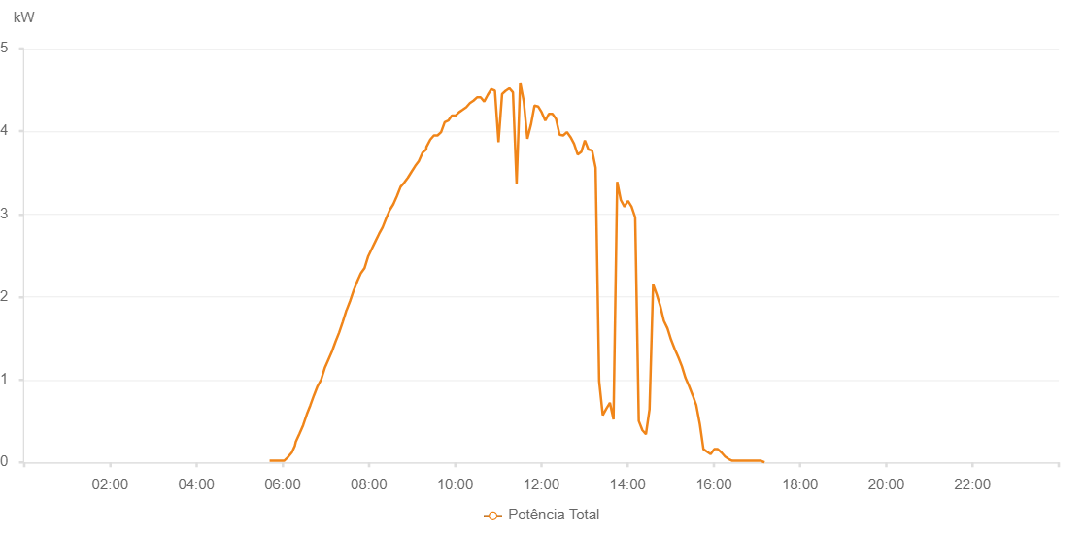

Number | Time | Working State | Alarm Code | Total Inverter Power(W)
1 | 30/07/2023 05:41:55 (UTC-4:00) | Normal |  | 20.000
2 | 30/07/2023 05:47:04 (UTC-4:00) | Normal |  | 20.000
3 | 30/07/2023 05:51:56 (UTC-4:00) | Normal |  | 20.000
4 | 30/07/2023 05:56:57 (UTC-4:00) | Normal |  | 20.000
5 | 30/07/2023 06:02:04 (UTC-4:00) | Normal |  | 20.000
6 | 30/07/2023 06:07:04 (UTC-4:00) | Normal |  | 60.000
7 | 30/07/2023 06:12:53 (UTC-4:00) | Normal |  | 120.000
8 | 30/07/2023 06:17:01 (UTC-4:00) | Normal |  | 200.000
9 | 30/07/2023 06:18:20 (UTC-4:00) | Normal |  | 250.000
10 | 30/07/2023 06:23:35 (UTC-4:00) | Normal |  | 350.000
11 | 30/07/2023 06:28:35 (UTC-4:00) | Normal |  | 450.000
12 | 30/07/2023 06:33:38 (UTC-4:00) | Normal |  | 580.000
13 | 30/07/2023 06:38:36 (UTC-4:00) | Normal |  | 690.000
14 | 30/07/2023 06:43:36 (UTC-4:00) | Normal |  | 810.000
15 | 30/07/2023 06:48:36 (UTC-4:00) | Normal |  | 920.000
16 | 30/07/2023 06:53:36 (UTC-4:00) | Normal |  | 1000.000
17 | 30/07/2023 06:58:37 (UTC-4:00) | Normal |  | 1140.000
18 | 30/07/2023 07:03:39 (UTC-4:00) | Normal |  | 1240.000
19 | 30/07/2023 07:08:39 (UTC-4:00) | Normal |  | 1340.000
20 | 30/07/2023 07:13:41 (UTC-4:00) | Normal |  | 1460.000
21 | 30/07/2023 07:18:45 (UTC-4:00) | Normal |  | 1570.000
22 | 30/07/2023 07:23:47 (UTC-4:00) | Normal |  | 1700.000
23 | 30/07/2023 07:28:51 (UTC-4:00) | Normal |  | 1840.000
24 | 30/07/2023 07:29:02 (UTC-4:00) | Normal |  | 1840.000
25 | 30/07/2023 07:33:56 (UTC-4:00) | Normal |  | 1950.000
26 | 30/07/2023 07:38:59 (UTC-4:00) | Normal |  | 2080.000
27 | 30/07/2023 07:44:03 (UTC-4:00) | Normal |  | 2190.000
28 | 30/07/2023 07:49:08 (UTC-4:00) | Normal |  | 2290.000
29 | 30/07/2023 07:49:19 (UTC-4:00) | Normal |  | 2290.000
30 | 30/07/2023 07:54:08 (UTC-4:00) | Normal |  | 2350.000
31 | 30/07/2023 07:59:08 (UTC-4:00) | Normal |  | 2490.000
32 | 30/07/2023 08:04:08 (UTC-4:00) | Normal |  | 2580.000
33 | 30/07/2023 08:09:08 (UTC-4:00) | Normal |  | 2670.000
34 | 30/07/2023 08:14:09 (UTC-4:00) | Normal |  | 2760.000
35 | 30/07/2023 08:19:09 (UTC-4:00) | Normal |  | 2840.000
36 | 30/07/2023 08:24:09 (UTC-4:00) | Normal |  | 2950.000
37 | 30/07/2023 08:29:09 (UTC-4:00) | Normal |  | 3050.000
38 | 30/07/2023 08:34:10 (UTC-4:00) | Normal |  | 3120.000
39 | 30/07/2023 08:39:11 (UTC-4:00) | Normal |  | 3220.000
40 | 30/07/2023 08:44:12 (UTC-4:00) | Normal |  | 3330.000
41 | 30/07/2023 08:49:14 (UTC-4:00) | Normal |  | 3380.000
42 | 30/07/2023 08:54:18 (UTC-4:00) | Normal |  | 3440.000
43 | 30/07/2023 08:59:21 (UTC-4:00) | Normal |  | 3510.000
44 | 30/07/2023 09:04:26 (UTC-4:00) | Normal |  | 3580.000
45 | 30/07/2023 09:09:31 (UTC-4:00) | Normal |  | 3640.000
46 | 30/07/2023 09:14:34 (UTC-4:00) | Normal |  | 3740.000
47 | 30/07/2023 09:19:38 (UTC-4:00) | Normal |  | 3780.000
48 | 30/07/2023 09:19:48 (UTC-4:00) | Normal |  | 3780.000
49 | 30/07/2023 09:20:09 (UTC-4:00) | Normal |  | 3810.000
50 | 30/07/2023 09:25:31 (UTC-4:00) | Normal |  | 3900.000
51 | 30/07/2023 09:30:32 (UTC-4:00) | Normal |  | 3950.000
52 | 30/07/2023 09:35:33 (UTC-4:00) | Normal |  | 3950.000
53 | 30/07/2023 09:40:33 (UTC-4:00) | Normal |  | 3990.000
54 | 30/07/2023 09:45:32 (UTC-4:00) | Normal |  | 4110.000
55 | 30/07/2023 09:50:31 (UTC-4:00) | Normal |  | 4130.000
56 | 30/07/2023 09:55:30 (UTC-4:00) | Normal |  | 4190.000
57 | 30/07/2023 10:00:29 (UTC-4:00) | Normal |  | 4190.000
58 | 30/07/2023 10:05:31 (UTC-4:00) | Normal |  | 4230.000
59 | 30/07/2023 10:10:34 (UTC-4:00) | Normal |  | 4260.000
60 | 30/07/2023 10:15:33 (UTC-4:00) | Normal |  | 4290.000
61 | 30/07/2023 10:20:33 (UTC-4:00) | Normal |  | 4340.000
62 | 30/07/2023 10:25:32 (UTC-4:00) | Normal |  | 4370.000
63 | 30/07/2023 10:30:31 (UTC-4:00) | Normal |  | 4410.000
64 | 30/07/2023 10:35:30 (UTC-4:00) | Normal |  | 4410.000
65 | 30/07/2023 10:40:30 (UTC-4:00) | Normal |  | 4360.000
66 | 30/07/2023 10:45:29 (UTC-4:00) | Normal |  | 4440.000
67 | 30/07/2023 10:50:28 (UTC-4:00) | Normal |  | 4510.000
68 | 30/07/2023 10:55:27 (UTC-4:00) | Normal |  | 4490.000
69 | 30/07/2023 11:00:26 (UTC-4:00) | Normal |  | 3870.000
70 | 30/07/2023 11:05:26 (UTC-4:00) | Normal |  | 4450.000
71 | 30/07/2023 11:10:26 (UTC-4:00) | Normal |  | 4490.000
72 | 30/07/2023 11:15:29 (UTC-4:00) | Normal |  | 4520.000
73 | 30/07/2023 11:20:32 (UTC-4:00) | Normal |  | 4470.000
74 | 30/07/2023 11:25:36 (UTC-4:00) | Normal |  | 3370.000
75 | 30/07/2023 11:30:35 (UTC-4:00) | Normal |  | 4590.000
76 | 30/07/2023 11:35:34 (UTC-4:00) | Normal |  | 4360.000
77 | 30/07/2023 11:40:33 (UTC-4:00) | Normal |  | 3910.000
78 | 30/07/2023 11:45:34 (UTC-4:00) | Normal |  | 4080.000
79 | 30/07/2023 11:50:33 (UTC-4:00) | Normal |  | 4310.000
80 | 30/07/2023 11:55:32 (UTC-4:00) | Normal |  | 4300.000
81 | 30/07/2023 12:00:31 (UTC-4:00) | Normal |  | 4230.000
82 | 30/07/2023 12:05:30 (UTC-4:00) | Normal |  | 4130.000
83 | 30/07/2023 12:10:30 (UTC-4:00) | Normal |  | 4210.000
84 | 30/07/2023 12:15:29 (UTC-4:00) | Normal |  | 4210.000
85 | 30/07/2023 12:20:28 (UTC-4:00) | Normal |  | 4150.000
86 | 30/07/2023 12:25:28 (UTC-4:00) | Normal |  | 3960.000
87 | 30/07/2023 12:30:31 (UTC-4:00) | Normal |  | 3950.000
88 | 30/07/2023 12:35:33 (UTC-4:00) | Normal |  | 3990.000
89 | 30/07/2023 12:40:36 (UTC-4:00) | Normal |  | 3930.000
90 | 30/07/2023 12:45:35 (UTC-4:00) | Normal |  | 3850.000
91 | 30/07/2023 12:50:35 (UTC-4:00) | Normal |  | 3720.000
92 | 30/07/2023 12:55:34 (UTC-4:00) | Normal |  | 3750.000
93 | 30/07/2023 13:00:33 (UTC-4:00) | Normal |  | 3890.000
94 | 30/07/2023 13:05:32 (UTC-4:00) | Normal |  | 3780.000
95 | 30/07/2023 13:10:32 (UTC-4:00) | Normal |  | 3770.000
96 | 30/07/2023 13:15:31 (UTC-4:00) | Normal |  | 3560.000
97 | 30/07/2023 13:20:30 (UTC-4:00) | Normal |  | 980.000
98 | 30/07/2023 13:25:30 (UTC-4:00) | Normal |  | 570.000
99 | 30/07/2023 13:30:30 (UTC-4:00) | Normal |  | 650.000
100 | 30/07/2023 13:35:29 (UTC-4:00) | Normal |  | 720.000
101 | 30/07/2023 13:40:28 (UTC-4:00) | Normal |  | 520.000
102 | 30/07/2023 13:45:33 (UTC-4:00) | Normal |  | 3390.000
103 | 30/07/2023 13:50:35 (UTC-4:00) | Normal |  | 3170.000
104 | 30/07/2023 13:55:38 (UTC-4:00) | Normal |  | 3090.000
105 | 30/07/2023 14:00:37 (UTC-4:00) | Normal |  | 3160.000
106 | 30/07/2023 14:05:36 (UTC-4:00) | Normal |  | 3090.000
107 | 30/07/2023 14:10:37 (UTC-4:00) | Normal |  | 2960.000
108 | 30/07/2023 14:15:35 (UTC-4:00) | Normal |  | 500.000
109 | 30/07/2023 14:20:34 (UTC-4:00) | Normal |  | 390.000
110 | 30/07/2023 14:25:33 (UTC-4:00) | Normal |  | 340.000
111 | 30/07/2023 14:30:33 (UTC-4:00) | Normal |  | 640.000
112 | 30/07/2023 14:35:32 (UTC-4:00) | Normal |  | 2150.000
113 | 30/07/2023 14:40:31 (UTC-4:00) | Normal |  | 2030.000
114 | 30/07/2023 14:45:31 (UTC-4:00) | Normal |  | 1890.000
115 | 30/07/2023 14:50:31 (UTC-4:00) | Normal |  | 1710.000
116 | 30/07/2023 14:55:31 (UTC-4:00) | Normal |  | 1620.000
117 | 30/07/2023 15:00:36 (UTC-4:00) | Normal |  | 1480.000
118 | 30/07/2023 15:05:37 (UTC-4:00) | Normal |  | 1370.000
119 | 30/07/2023 15:10:41 (UTC-4:00) | Normal |  | 1270.000
120 | 30/07/2023 15:15:40 (UTC-4:00) | Normal |  | 1160.000
121 | 30/07/2023 15:20:40 (UTC-4:00) | Normal |  | 1020.000
122 | 30/07/2023 15:25:38 (UTC-4:00) | Normal |  | 920.000
123 | 30/07/2023 15:30:38 (UTC-4:00) | Normal |  | 810.000
124 | 30/07/2023 15:35:37 (UTC-4:00) | Normal |  | 690.000
125 | 30/07/2023 15:40:36 (UTC-4:00) | Normal |  | 460.000
126 | 30/07/2023 15:45:35 (UTC-4:00) | Normal |  | 160.000
127 | 30/07/2023 15:50:35 (UTC-4:00) | Normal |  | 130.000
128 | 30/07/2023 15:55:35 (UTC-4:00) | Normal |  | 100.000
129 | 30/07/2023 16:00:35 (UTC-4:00) | Normal |  | 160.000
130 | 30/07/2023 16:05:35 (UTC-4:00) | Normal |  | 160.000
131 | 30/07/2023 16:10:36 (UTC-4:00) | Normal |  | 120.000
132 | 30/07/2023 16:15:38 (UTC-4:00) | Normal |  | 70.000
133 | 30/07/2023 16:20:40 (UTC-4:00) | Normal |  | 40.000
134 | 30/07/2023 16:25:43 (UTC-4:00) | Normal |  | 20.000
135 | 30/07/2023 16:30:43 (UTC-4:00) | Normal |  | 20.000
136 | 30/07/2023 16:35:42 (UTC-4:00) | Normal |  | 20.000
137 | 30/07/2023 16:40:41 (UTC-4:00) | Normal |  | 20.000
138 | 30/07/2023 16:45:40 (UTC-4:00) | Normal |  | 20.000
139 | 30/07/2023 16:50:40 (UTC-4:00) | Normal |  | 20.000
140 | 30/07/2023 16:55:40 (UTC-4:00) | Normal |  | 20.000
141 | 30/07/2023 17:00:38 (UTC-4:00) | Normal |  | 20.000
142 | 30/07/2023 17:05:38 (UTC-4:00) | Normal |  | 20.000
143 | 30/07/2023 17:10:37 (UTC-4:00) | Normal |  | 0.000

