Inverter History Report__17-08-
Inverter History Report_05/08/2023_Report

Inverter SN:054B7020C020041 |  | Inverter type:B7
Collector SN:4045966636 |  | Full Load Hours(h):2.87
Rated Power:10000Wp

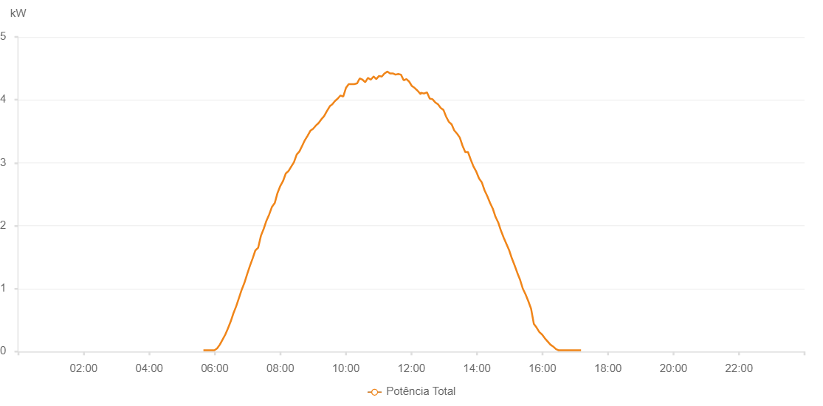

Number | Time | Working State | Alarm Code | Total Inverter Power(W)
1 | 05/08/2023 05:39:15 (UTC-4:00) | Normal |  | 20.000
2 | 05/08/2023 05:44:14 (UTC-4:00) | Normal |  | 20.000
3 | 05/08/2023 05:49:13 (UTC-4:00) | Normal |  | 20.000
4 | 05/08/2023 05:54:16 (UTC-4:00) | Normal |  | 20.000
5 | 05/08/2023 05:59:19 (UTC-4:00) | Normal |  | 20.000
6 | 05/08/2023 06:04:19 (UTC-4:00) | Normal |  | 50.000
7 | 05/08/2023 06:09:18 (UTC-4:00) | Normal |  | 110.000
8 | 05/08/2023 06:14:17 (UTC-4:00) | Normal |  | 190.000
9 | 05/08/2023 06:19:17 (UTC-4:00) | Normal |  | 270.000
10 | 05/08/2023 06:24:16 (UTC-4:00) | Normal |  | 370.000
11 | 05/08/2023 06:29:17 (UTC-4:00) | Normal |  | 480.000
12 | 05/08/2023 06:34:16 (UTC-4:00) | Normal |  | 610.000
13 | 05/08/2023 06:39:16 (UTC-4:00) | Normal |  | 720.000
14 | 05/08/2023 06:44:15 (UTC-4:00) | Normal |  | 850.000
15 | 05/08/2023 06:49:15 (UTC-4:00) | Normal |  | 980.000
16 | 05/08/2023 06:54:15 (UTC-4:00) | Normal |  | 1090.000
17 | 05/08/2023 06:59:21 (UTC-4:00) | Normal |  | 1230.000
18 | 05/08/2023 07:04:19 (UTC-4:00) | Normal |  | 1360.000
19 | 05/08/2023 07:09:23 (UTC-4:00) | Normal |  | 1480.000
20 | 05/08/2023 07:14:26 (UTC-4:00) | Normal |  | 1610.000
21 | 05/08/2023 07:14:37 (UTC-4:00) | Normal |  | 1610.000
22 | 05/08/2023 07:19:32 (UTC-4:00) | Normal |  | 1650.000
23 | 05/08/2023 07:24:35 (UTC-4:00) | Normal |  | 1840.000
24 | 05/08/2023 07:29:37 (UTC-4:00) | Normal |  | 1950.000
25 | 05/08/2023 07:34:41 (UTC-4:00) | Normal |  | 2080.000
26 | 05/08/2023 07:39:44 (UTC-4:00) | Normal |  | 2180.000
27 | 05/08/2023 07:44:48 (UTC-4:00) | Normal |  | 2300.000
28 | 05/08/2023 07:49:51 (UTC-4:00) | Normal |  | 2360.000
29 | 05/08/2023 07:54:55 (UTC-4:00) | Normal |  | 2520.000
30 | 05/08/2023 07:59:58 (UTC-4:00) | Normal |  | 2630.000
31 | 05/08/2023 08:05:04 (UTC-4:00) | Normal |  | 2710.000
32 | 05/08/2023 08:10:05 (UTC-4:00) | Normal |  | 2830.000
33 | 05/08/2023 08:15:07 (UTC-4:00) | Normal |  | 2870.000
34 | 05/08/2023 08:20:06 (UTC-4:00) | Normal |  | 2940.000
35 | 05/08/2023 08:25:06 (UTC-4:00) | Normal |  | 3010.000
36 | 05/08/2023 08:30:03 (UTC-4:00) | Normal |  | 3130.000
37 | 05/08/2023 08:35:04 (UTC-4:00) | Normal |  | 3180.000
38 | 05/08/2023 08:40:06 (UTC-4:00) | Normal |  | 3270.000
39 | 05/08/2023 08:45:05 (UTC-4:00) | Normal |  | 3360.000
40 | 05/08/2023 08:50:03 (UTC-4:00) | Normal |  | 3430.000
41 | 05/08/2023 08:55:09 (UTC-4:00) | Normal |  | 3510.000
42 | 05/08/2023 09:00:02 (UTC-4:00) | Normal |  | 3540.000
43 | 05/08/2023 09:05:02 (UTC-4:00) | Normal |  | 3590.000
44 | 05/08/2023 09:10:03 (UTC-4:00) | Normal |  | 3630.000
45 | 05/08/2023 09:15:07 (UTC-4:00) | Normal |  | 3690.000
46 | 05/08/2023 09:20:11 (UTC-4:00) | Normal |  | 3740.000
47 | 05/08/2023 09:25:15 (UTC-4:00) | Normal |  | 3820.000
48 | 05/08/2023 09:30:48 (UTC-4:00) | Normal |  | 3900.000
49 | 05/08/2023 09:35:17 (UTC-4:00) | Normal |  | 3930.000
50 | 05/08/2023 09:39:55 (UTC-4:00) | Normal |  | 3980.000
51 | 05/08/2023 09:45:16 (UTC-4:00) | Normal |  | 4020.000
52 | 05/08/2023 09:50:15 (UTC-4:00) | Normal |  | 4070.000
53 | 05/08/2023 09:55:16 (UTC-4:00) | Normal |  | 4050.000
54 | 05/08/2023 10:00:16 (UTC-4:00) | Normal |  | 4190.000
55 | 05/08/2023 10:05:16 (UTC-4:00) | Normal |  | 4250.000
56 | 05/08/2023 10:10:18 (UTC-4:00) | Normal |  | 4250.000
57 | 05/08/2023 10:15:17 (UTC-4:00) | Normal |  | 4250.000
58 | 05/08/2023 10:20:21 (UTC-4:00) | Normal |  | 4260.000
59 | 05/08/2023 10:20:32 (UTC-4:00) | Normal |  | 4260.000
60 | 05/08/2023 10:25:25 (UTC-4:00) | Normal |  | 4340.000
61 | 05/08/2023 10:30:36 (UTC-4:00) | Normal |  | 4320.000
62 | 05/08/2023 10:35:32 (UTC-4:00) | Normal |  | 4280.000
63 | 05/08/2023 10:40:36 (UTC-4:00) | Normal |  | 4350.000
64 | 05/08/2023 10:45:39 (UTC-4:00) | Normal |  | 4320.000
65 | 05/08/2023 10:50:43 (UTC-4:00) | Normal |  | 4370.000
66 | 05/08/2023 10:50:55 (UTC-4:00) | Normal |  | 4370.000
67 | 05/08/2023 10:55:47 (UTC-4:00) | Normal |  | 4330.000
68 | 05/08/2023 11:00:50 (UTC-4:00) | Normal |  | 4380.000
69 | 05/08/2023 11:05:53 (UTC-4:00) | Normal |  | 4370.000
70 | 05/08/2023 11:10:57 (UTC-4:00) | Normal |  | 4420.000
71 | 05/08/2023 11:16:15 (UTC-4:00) | Normal |  | 4450.000
72 | 05/08/2023 11:21:00 (UTC-4:00) | Normal |  | 4420.000
73 | 05/08/2023 11:26:01 (UTC-4:00) | Normal |  | 4420.000
74 | 05/08/2023 11:30:59 (UTC-4:00) | Normal |  | 4400.000
75 | 05/08/2023 11:35:58 (UTC-4:00) | Normal |  | 4410.000
76 | 05/08/2023 11:40:59 (UTC-4:00) | Normal |  | 4400.000
77 | 05/08/2023 11:45:59 (UTC-4:00) | Normal |  | 4310.000
78 | 05/08/2023 11:50:57 (UTC-4:00) | Normal |  | 4330.000
79 | 05/08/2023 11:55:57 (UTC-4:00) | Normal |  | 4290.000
80 | 05/08/2023 12:00:56 (UTC-4:00) | Normal |  | 4220.000
81 | 05/08/2023 12:05:56 (UTC-4:00) | Normal |  | 4190.000
82 | 05/08/2023 12:10:56 (UTC-4:00) | Normal |  | 4150.000
83 | 05/08/2023 12:17:07 (UTC-4:00) | Normal |  | 4090.000
84 | 05/08/2023 12:18:00 (UTC-4:00) | Normal |  | 4120.000
85 | 05/08/2023 12:18:28 (UTC-4:00) | Normal |  | 4110.000
86 | 05/08/2023 12:23:30 (UTC-4:00) | Normal |  | 4100.000
87 | 05/08/2023 12:28:34 (UTC-4:00) | Normal |  | 4120.000
88 | 05/08/2023 12:33:37 (UTC-4:00) | Normal |  | 4020.000
89 | 05/08/2023 12:38:41 (UTC-4:00) | Normal |  | 4010.000
90 | 05/08/2023 12:43:44 (UTC-4:00) | Normal |  | 3960.000
91 | 05/08/2023 12:48:48 (UTC-4:00) | Normal |  | 3930.000
92 | 05/08/2023 12:53:47 (UTC-4:00) | Normal |  | 3870.000
93 | 05/08/2023 12:58:47 (UTC-4:00) | Normal |  | 3840.000
94 | 05/08/2023 13:03:48 (UTC-4:00) | Normal |  | 3730.000
95 | 05/08/2023 13:08:46 (UTC-4:00) | Normal |  | 3650.000
96 | 05/08/2023 13:13:47 (UTC-4:00) | Normal |  | 3610.000
97 | 05/08/2023 13:18:45 (UTC-4:00) | Normal |  | 3510.000
98 | 05/08/2023 13:18:56 (UTC-4:00) | Normal |  | 3510.000
99 | 05/08/2023 13:23:54 (UTC-4:00) | Normal |  | 3460.000
100 | 05/08/2023 13:28:44 (UTC-4:00) | Normal |  | 3400.000
101 | 05/08/2023 13:33:45 (UTC-4:00) | Normal |  | 3270.000
102 | 05/08/2023 13:38:43 (UTC-4:00) | Normal |  | 3170.000
103 | 05/08/2023 13:43:43 (UTC-4:00) | Normal |  | 3170.000
104 | 05/08/2023 13:48:45 (UTC-4:00) | Normal |  | 3050.000
105 | 05/08/2023 13:53:49 (UTC-4:00) | Normal |  | 2940.000
106 | 05/08/2023 13:58:52 (UTC-4:00) | Normal |  | 2860.000
107 | 05/08/2023 14:03:56 (UTC-4:00) | Normal |  | 2750.000
108 | 05/08/2023 14:08:59 (UTC-4:00) | Normal |  | 2690.000
109 | 05/08/2023 14:14:07 (UTC-4:00) | Normal |  | 2560.000
110 | 05/08/2023 14:19:07 (UTC-4:00) | Normal |  | 2470.000
111 | 05/08/2023 14:24:11 (UTC-4:00) | Normal |  | 2360.000
112 | 05/08/2023 14:29:11 (UTC-4:00) | Normal |  | 2270.000
113 | 05/08/2023 14:34:09 (UTC-4:00) | Normal |  | 2140.000
114 | 05/08/2023 14:39:08 (UTC-4:00) | Normal |  | 2050.000
115 | 05/08/2023 14:44:08 (UTC-4:00) | Normal |  | 1920.000
116 | 05/08/2023 14:49:07 (UTC-4:00) | Normal |  | 1810.000
117 | 05/08/2023 14:54:07 (UTC-4:00) | Normal |  | 1710.000
118 | 05/08/2023 14:59:06 (UTC-4:00) | Normal |  | 1610.000
119 | 05/08/2023 15:04:06 (UTC-4:00) | Normal |  | 1480.000
120 | 05/08/2023 15:09:05 (UTC-4:00) | Normal |  | 1370.000
121 | 05/08/2023 15:14:05 (UTC-4:00) | Normal |  | 1250.000
122 | 05/08/2023 15:19:06 (UTC-4:00) | Normal |  | 1140.000
123 | 05/08/2023 15:24:05 (UTC-4:00) | Normal |  | 1000.000
124 | 05/08/2023 15:29:08 (UTC-4:00) | Normal |  | 910.000
125 | 05/08/2023 15:34:11 (UTC-4:00) | Normal |  | 800.000
126 | 05/08/2023 15:39:15 (UTC-4:00) | Normal |  | 680.000
127 | 05/08/2023 15:44:18 (UTC-4:00) | Normal |  | 440.000
128 | 05/08/2023 15:49:22 (UTC-4:00) | Normal |  | 380.000
129 | 05/08/2023 15:54:25 (UTC-4:00) | Normal |  | 310.000
130 | 05/08/2023 15:59:28 (UTC-4:00) | Normal |  | 270.000
131 | 05/08/2023 16:04:32 (UTC-4:00) | Normal |  | 210.000
132 | 05/08/2023 16:09:37 (UTC-4:00) | Normal |  | 160.000
133 | 05/08/2023 16:14:40 (UTC-4:00) | Normal |  | 110.000
134 | 05/08/2023 16:19:42 (UTC-4:00) | Normal |  | 80.000
135 | 05/08/2023 16:24:45 (UTC-4:00) | Normal |  | 40.000
136 | 05/08/2023 16:29:49 (UTC-4:00) | Normal |  | 20.000
137 | 05/08/2023 16:29:59 (UTC-4:00) | Normal |  | 20.000
138 | 05/08/2023 16:30:25 (UTC-4:00) | Normal |  | 20.000
139 | 05/08/2023 16:35:48 (UTC-4:00) | Normal |  | 20.000
140 | 05/08/2023 16:40:47 (UTC-4:00) | Normal |  | 20.000
141 | 05/08/2023 16:45:46 (UTC-4:00) | Normal |  | 20.000
142 | 05/08/2023 16:50:46 (UTC-4:00) | Normal |  | 20.000
143 | 05/08/2023 16:55:45 (UTC-4:00) | Normal |  | 20.000
144 | 05/08/2023 17:00:46 (UTC-4:00) | Normal |  | 20.000
145 | 05/08/2023 17:05:46 (UTC-4:00) | Normal |  | 20.000
146 | 05/08/2023 17:10:45 (UTC-4:00) | Normal |  | 20.000

