Inverter History Report__17-08-
Inverter History Report_06/08/2023_Report

Inverter SN:054B7020C020041 |  | Inverter type:B7
Collector SN:4045966636 |  | Full Load Hours(h):2.80
Rated Power:10000Wp

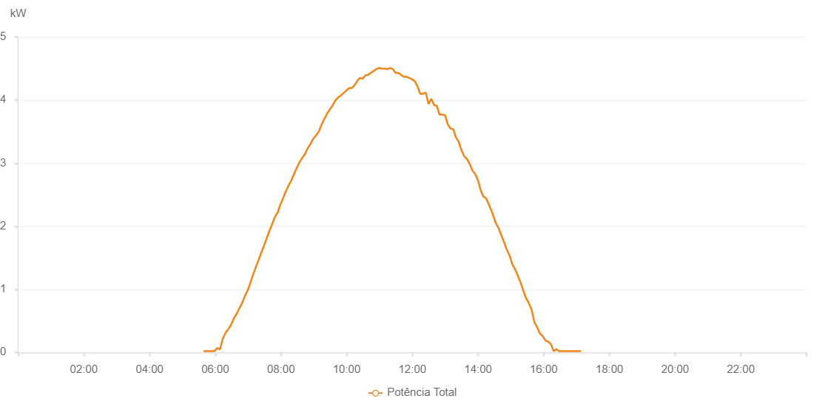

Number | Time | Working State | Alarm Code | Total Inverter Power(W)
1 | 06/08/2023 05:38:28 (UTC-4:00) | Normal |  | 20.000
2 | 06/08/2023 05:43:30 (UTC-4:00) | Normal |  | 20.000
3 | 06/08/2023 05:48:31 (UTC-4:00) | Normal |  | 20.000
4 | 06/08/2023 05:53:32 (UTC-4:00) | Normal |  | 20.000
5 | 06/08/2023 05:58:35 (UTC-4:00) | Normal |  | 20.000
6 | 06/08/2023 06:03:39 (UTC-4:00) | Normal |  | 70.000
7 | 06/08/2023 06:08:43 (UTC-4:00) | Normal |  | 50.000
8 | 06/08/2023 06:13:48 (UTC-4:00) | Normal |  | 220.000
9 | 06/08/2023 06:18:50 (UTC-4:00) | Normal |  | 310.000
10 | 06/08/2023 06:23:54 (UTC-4:00) | Normal |  | 370.000
11 | 06/08/2023 06:28:57 (UTC-4:00) | Normal |  | 440.000
12 | 06/08/2023 06:34:02 (UTC-4:00) | Normal |  | 540.000
13 | 06/08/2023 06:39:02 (UTC-4:00) | Normal |  | 610.000
14 | 06/08/2023 06:44:00 (UTC-4:00) | Normal |  | 700.000
15 | 06/08/2023 06:49:01 (UTC-4:00) | Normal |  | 780.000
16 | 06/08/2023 06:53:59 (UTC-4:00) | Normal |  | 890.000
17 | 06/08/2023 06:59:00 (UTC-4:00) | Normal |  | 980.000
18 | 06/08/2023 07:03:59 (UTC-4:00) | Normal |  | 1100.000
19 | 06/08/2023 07:08:58 (UTC-4:00) | Normal |  | 1230.000
20 | 06/08/2023 07:13:58 (UTC-4:00) | Normal |  | 1350.000
21 | 06/08/2023 07:18:57 (UTC-4:00) | Normal |  | 1460.000
22 | 06/08/2023 07:24:02 (UTC-4:00) | Normal |  | 1580.000
23 | 06/08/2023 07:28:57 (UTC-4:00) | Normal |  | 1690.000
24 | 06/08/2023 07:34:02 (UTC-4:00) | Normal |  | 1810.000
25 | 06/08/2023 07:39:06 (UTC-4:00) | Normal |  | 1930.000
26 | 06/08/2023 07:44:07 (UTC-4:00) | Normal |  | 2040.000
27 | 06/08/2023 07:49:11 (UTC-4:00) | Normal |  | 2150.000
28 | 06/08/2023 07:54:11 (UTC-4:00) | Normal |  | 2220.000
29 | 06/08/2023 07:59:10 (UTC-4:00) | Normal |  | 2350.000
30 | 06/08/2023 08:04:10 (UTC-4:00) | Normal |  | 2450.000
31 | 06/08/2023 08:09:10 (UTC-4:00) | Normal |  | 2560.000
32 | 06/08/2023 08:14:09 (UTC-4:00) | Normal |  | 2650.000
33 | 06/08/2023 08:19:09 (UTC-4:00) | Normal |  | 2730.000
34 | 06/08/2023 08:24:08 (UTC-4:00) | Normal |  | 2830.000
35 | 06/08/2023 08:29:08 (UTC-4:00) | Normal |  | 2930.000
36 | 06/08/2023 08:34:08 (UTC-4:00) | Normal |  | 3020.000
37 | 06/08/2023 08:39:08 (UTC-4:00) | Normal |  | 3090.000
38 | 06/08/2023 08:44:08 (UTC-4:00) | Normal |  | 3150.000
39 | 06/08/2023 08:49:08 (UTC-4:00) | Normal |  | 3240.000
40 | 06/08/2023 08:54:09 (UTC-4:00) | Normal |  | 3310.000
41 | 06/08/2023 08:59:09 (UTC-4:00) | Normal |  | 3390.000
42 | 06/08/2023 09:04:06 (UTC-4:00) | Normal |  | 3440.000
43 | 06/08/2023 09:09:06 (UTC-4:00) | Normal |  | 3500.000
44 | 06/08/2023 09:14:06 (UTC-4:00) | Normal |  | 3610.000
45 | 06/08/2023 09:19:05 (UTC-4:00) | Normal |  | 3700.000
46 | 06/08/2023 09:24:05 (UTC-4:00) | Normal |  | 3780.000
47 | 06/08/2023 09:29:04 (UTC-4:00) | Normal |  | 3850.000
48 | 06/08/2023 09:34:05 (UTC-4:00) | Normal |  | 3910.000
49 | 06/08/2023 09:39:06 (UTC-4:00) | Normal |  | 3990.000
50 | 06/08/2023 09:44:06 (UTC-4:00) | Normal |  | 4040.000
51 | 06/08/2023 09:49:06 (UTC-4:00) | Normal |  | 4070.000
52 | 06/08/2023 09:54:11 (UTC-4:00) | Normal |  | 4110.000
53 | 06/08/2023 09:59:09 (UTC-4:00) | Normal |  | 4150.000
54 | 06/08/2023 10:04:09 (UTC-4:00) | Normal |  | 4190.000
55 | 06/08/2023 10:09:08 (UTC-4:00) | Normal |  | 4190.000
56 | 06/08/2023 10:14:08 (UTC-4:00) | Normal |  | 4230.000
57 | 06/08/2023 10:19:07 (UTC-4:00) | Normal |  | 4300.000
58 | 06/08/2023 10:24:07 (UTC-4:00) | Normal |  | 4350.000
59 | 06/08/2023 10:29:08 (UTC-4:00) | Normal |  | 4340.000
60 | 06/08/2023 10:34:07 (UTC-4:00) | Normal |  | 4390.000
61 | 06/08/2023 10:39:07 (UTC-4:00) | Normal |  | 4400.000
62 | 06/08/2023 10:44:06 (UTC-4:00) | Normal |  | 4430.000
63 | 06/08/2023 10:49:06 (UTC-4:00) | Normal |  | 4460.000
64 | 06/08/2023 10:54:09 (UTC-4:00) | Normal |  | 4490.000
65 | 06/08/2023 10:59:12 (UTC-4:00) | Normal |  | 4510.000
66 | 06/08/2023 11:04:16 (UTC-4:00) | Normal |  | 4500.000
67 | 06/08/2023 11:04:27 (UTC-4:00) | Normal |  | 4500.000
68 | 06/08/2023 11:09:20 (UTC-4:00) | Normal |  | 4500.000
69 | 06/08/2023 11:14:24 (UTC-4:00) | Normal |  | 4490.000
70 | 06/08/2023 11:14:34 (UTC-4:00) | Normal |  | 4490.000
71 | 06/08/2023 11:19:23 (UTC-4:00) | Normal |  | 4510.000
72 | 06/08/2023 11:24:23 (UTC-4:00) | Normal |  | 4490.000
73 | 06/08/2023 11:29:22 (UTC-4:00) | Normal |  | 4430.000
74 | 06/08/2023 11:34:22 (UTC-4:00) | Normal |  | 4430.000
75 | 06/08/2023 11:39:24 (UTC-4:00) | Normal |  | 4400.000
76 | 06/08/2023 11:44:21 (UTC-4:00) | Normal |  | 4370.000
77 | 06/08/2023 11:49:21 (UTC-4:00) | Normal |  | 4370.000
78 | 06/08/2023 11:54:21 (UTC-4:00) | Normal |  | 4350.000
79 | 06/08/2023 11:59:20 (UTC-4:00) | Normal |  | 4330.000
80 | 06/08/2023 12:04:20 (UTC-4:00) | Normal |  | 4300.000
81 | 06/08/2023 12:09:20 (UTC-4:00) | Normal |  | 4220.000
82 | 06/08/2023 12:14:20 (UTC-4:00) | Normal |  | 4100.000
83 | 06/08/2023 12:19:26 (UTC-4:00) | Normal |  | 4100.000
84 | 06/08/2023 12:24:28 (UTC-4:00) | Normal |  | 4120.000
85 | 06/08/2023 12:29:31 (UTC-4:00) | Normal |  | 3940.000
86 | 06/08/2023 12:34:35 (UTC-4:00) | Normal |  | 4020.000
87 | 06/08/2023 12:39:38 (UTC-4:00) | Normal |  | 3920.000
88 | 06/08/2023 12:44:38 (UTC-4:00) | Normal |  | 3910.000
89 | 06/08/2023 12:49:38 (UTC-4:00) | Normal |  | 3770.000
90 | 06/08/2023 12:54:37 (UTC-4:00) | Normal |  | 3770.000
91 | 06/08/2023 12:59:37 (UTC-4:00) | Normal |  | 3760.000
92 | 06/08/2023 13:04:37 (UTC-4:00) | Normal |  | 3620.000
93 | 06/08/2023 13:09:36 (UTC-4:00) | Normal |  | 3550.000
94 | 06/08/2023 13:14:36 (UTC-4:00) | Normal |  | 3540.000
95 | 06/08/2023 13:19:36 (UTC-4:00) | Normal |  | 3410.000
96 | 06/08/2023 13:24:35 (UTC-4:00) | Normal |  | 3340.000
97 | 06/08/2023 13:29:35 (UTC-4:00) | Normal |  | 3210.000
98 | 06/08/2023 13:34:35 (UTC-4:00) | Normal |  | 3110.000
99 | 06/08/2023 13:39:35 (UTC-4:00) | Normal |  | 3070.000
100 | 06/08/2023 13:44:39 (UTC-4:00) | Normal |  | 2990.000
101 | 06/08/2023 13:49:58 (UTC-4:00) | Normal |  | 2880.000
102 | 06/08/2023 13:54:46 (UTC-4:00) | Normal |  | 2830.000
103 | 06/08/2023 13:59:52 (UTC-4:00) | Normal |  | 2730.000
104 | 06/08/2023 14:04:54 (UTC-4:00) | Normal |  | 2570.000
105 | 06/08/2023 14:09:59 (UTC-4:00) | Normal |  | 2470.000
106 | 06/08/2023 14:14:57 (UTC-4:00) | Normal |  | 2440.000
107 | 06/08/2023 14:19:57 (UTC-4:00) | Normal |  | 2340.000
108 | 06/08/2023 14:24:56 (UTC-4:00) | Normal |  | 2240.000
109 | 06/08/2023 14:27:15 (UTC-4:00) | Normal |  | 2180.000
110 | 06/08/2023 14:32:30 (UTC-4:00) | Normal |  | 2050.000
111 | 06/08/2023 14:37:31 (UTC-4:00) | Normal |  | 1970.000
112 | 06/08/2023 14:42:32 (UTC-4:00) | Normal |  | 1860.000
113 | 06/08/2023 14:47:29 (UTC-4:00) | Normal |  | 1750.000
114 | 06/08/2023 14:52:29 (UTC-4:00) | Normal |  | 1630.000
115 | 06/08/2023 14:57:28 (UTC-4:00) | Normal |  | 1540.000
116 | 06/08/2023 15:02:28 (UTC-4:00) | Normal |  | 1400.000
117 | 06/08/2023 15:07:30 (UTC-4:00) | Normal |  | 1320.000
118 | 06/08/2023 15:12:32 (UTC-4:00) | Normal |  | 1220.000
119 | 06/08/2023 15:17:36 (UTC-4:00) | Normal |  | 1110.000
120 | 06/08/2023 15:22:39 (UTC-4:00) | Normal |  | 980.000
121 | 06/08/2023 15:27:42 (UTC-4:00) | Normal |  | 860.000
122 | 06/08/2023 15:32:46 (UTC-4:00) | Normal |  | 780.000
123 | 06/08/2023 15:37:49 (UTC-4:00) | Normal |  | 680.000
124 | 06/08/2023 15:42:52 (UTC-4:00) | Normal |  | 480.000
125 | 06/08/2023 15:47:56 (UTC-4:00) | Normal |  | 400.000
126 | 06/08/2023 15:52:59 (UTC-4:00) | Normal |  | 300.000
127 | 06/08/2023 15:58:02 (UTC-4:00) | Normal |  | 260.000
128 | 06/08/2023 16:03:07 (UTC-4:00) | Normal |  | 190.000
129 | 06/08/2023 16:08:09 (UTC-4:00) | Normal |  | 170.000
130 | 06/08/2023 16:13:12 (UTC-4:00) | Normal |  | 130.000
131 | 06/08/2023 16:18:11 (UTC-4:00) | Normal |  | 20.000
132 | 06/08/2023 16:23:10 (UTC-4:00) | Normal |  | 50.000
133 | 06/08/2023 16:28:10 (UTC-4:00) | Normal |  | 20.000
134 | 06/08/2023 16:33:10 (UTC-4:00) | Normal |  | 20.000
135 | 06/08/2023 16:33:21 (UTC-4:00) | Normal |  | 20.000
136 | 06/08/2023 16:38:09 (UTC-4:00) | Normal |  | 20.000
137 | 06/08/2023 16:43:09 (UTC-4:00) | Normal |  | 20.000
138 | 06/08/2023 16:48:08 (UTC-4:00) | Normal |  | 20.000
139 | 06/08/2023 16:53:07 (UTC-4:00) | Normal |  | 20.000
140 | 06/08/2023 16:58:06 (UTC-4:00) | Normal |  | 20.000
141 | 06/08/2023 17:03:06 (UTC-4:00) | Normal |  | 20.000
142 | 06/08/2023 17:08:05 (UTC-4:00) | Normal |  | 20.000

