Inverter History Report__17-08-
Inverter History Report_12/08/2023_Report

Inverter SN:054B7020C020041 |  | Inverter type:B7
Collector SN:4045966636 |  | Full Load Hours(h):2.21
Rated Power:10000Wp

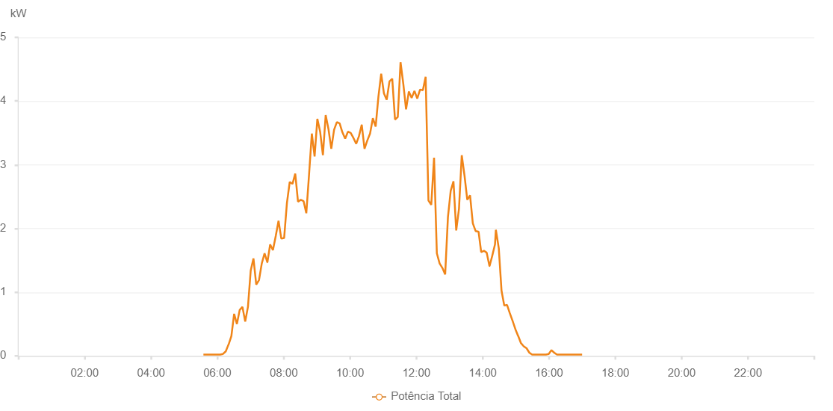

Number | Time | Working State | Alarm Code | Total Inverter Power(W)
1 | 12/08/2023 05:34:47 (UTC-4:00) | Normal |  | 20.000
2 | 12/08/2023 05:39:50 (UTC-4:00) | Normal |  | 20.000
3 | 12/08/2023 05:44:53 (UTC-4:00) | Normal |  | 20.000
4 | 12/08/2023 05:49:52 (UTC-4:00) | Normal |  | 20.000
5 | 12/08/2023 05:54:55 (UTC-4:00) | Normal |  | 20.000
6 | 12/08/2023 05:59:59 (UTC-4:00) | Normal |  | 20.000
7 | 12/08/2023 06:05:03 (UTC-4:00) | Normal |  | 20.000
8 | 12/08/2023 06:10:07 (UTC-4:00) | Normal |  | 30.000
9 | 12/08/2023 06:15:10 (UTC-4:00) | Normal |  | 70.000
10 | 12/08/2023 06:20:14 (UTC-4:00) | Normal |  | 180.000
11 | 12/08/2023 06:20:25 (UTC-4:00) | Normal |  | 180.000
12 | 12/08/2023 06:25:19 (UTC-4:00) | Normal |  | 310.000
13 | 12/08/2023 06:30:22 (UTC-4:00) | Normal |  | 660.000
14 | 12/08/2023 06:35:23 (UTC-4:00) | Normal |  | 500.000
15 | 12/08/2023 06:40:22 (UTC-4:00) | Normal |  | 720.000
16 | 12/08/2023 06:45:22 (UTC-4:00) | Normal |  | 770.000
17 | 12/08/2023 06:50:22 (UTC-4:00) | Normal |  | 540.000
18 | 12/08/2023 06:55:21 (UTC-4:00) | Normal |  | 770.000
19 | 12/08/2023 07:00:21 (UTC-4:00) | Normal |  | 1340.000
20 | 12/08/2023 07:05:21 (UTC-4:00) | Normal |  | 1530.000
21 | 12/08/2023 07:10:21 (UTC-4:00) | Normal |  | 1120.000
22 | 12/08/2023 07:15:21 (UTC-4:00) | Normal |  | 1190.000
23 | 12/08/2023 07:20:21 (UTC-4:00) | Normal |  | 1450.000
24 | 12/08/2023 07:25:21 (UTC-4:00) | Normal |  | 1610.000
25 | 12/08/2023 07:30:24 (UTC-4:00) | Normal |  | 1470.000
26 | 12/08/2023 07:30:35 (UTC-4:00) | Normal |  | 1470.000
27 | 12/08/2023 07:35:28 (UTC-4:00) | Normal |  | 1750.000
28 | 12/08/2023 07:40:31 (UTC-4:00) | Normal |  | 1660.000
29 | 12/08/2023 07:45:35 (UTC-4:00) | Normal |  | 1880.000
30 | 12/08/2023 07:50:39 (UTC-4:00) | Normal |  | 2120.000
31 | 12/08/2023 07:55:43 (UTC-4:00) | Normal |  | 1840.000
32 | 12/08/2023 08:00:47 (UTC-4:00) | Normal |  | 1850.000
33 | 12/08/2023 08:05:51 (UTC-4:00) | Normal |  | 2400.000
34 | 12/08/2023 08:10:55 (UTC-4:00) | Normal |  | 2730.000
35 | 12/08/2023 08:15:55 (UTC-4:00) | Normal |  | 2700.000
36 | 12/08/2023 08:20:54 (UTC-4:00) | Normal |  | 2860.000
37 | 12/08/2023 08:25:54 (UTC-4:00) | Normal |  | 2420.000
38 | 12/08/2023 08:30:55 (UTC-4:00) | Normal |  | 2450.000
39 | 12/08/2023 08:35:55 (UTC-4:00) | Normal |  | 2430.000
40 | 12/08/2023 08:40:55 (UTC-4:00) | Normal |  | 2240.000
41 | 12/08/2023 08:45:55 (UTC-4:00) | Normal |  | 2850.000
42 | 12/08/2023 08:50:55 (UTC-4:00) | Normal |  | 3490.000
43 | 12/08/2023 08:55:55 (UTC-4:00) | Normal |  | 3130.000
44 | 12/08/2023 09:00:55 (UTC-4:00) | Normal |  | 3720.000
45 | 12/08/2023 09:05:56 (UTC-4:00) | Normal |  | 3520.000
46 | 12/08/2023 09:10:58 (UTC-4:00) | Normal |  | 3150.000
47 | 12/08/2023 09:15:58 (UTC-4:00) | Normal |  | 3780.000
48 | 12/08/2023 09:21:02 (UTC-4:00) | Normal |  | 3560.000
49 | 12/08/2023 09:26:06 (UTC-4:00) | Normal |  | 3250.000
50 | 12/08/2023 09:31:10 (UTC-4:00) | Normal |  | 3550.000
51 | 12/08/2023 09:36:13 (UTC-4:00) | Normal |  | 3670.000
52 | 12/08/2023 09:41:14 (UTC-4:00) | Normal |  | 3650.000
53 | 12/08/2023 09:46:14 (UTC-4:00) | Normal |  | 3510.000
54 | 12/08/2023 09:51:14 (UTC-4:00) | Normal |  | 3410.000
55 | 12/08/2023 09:56:14 (UTC-4:00) | Normal |  | 3520.000
56 | 12/08/2023 10:01:14 (UTC-4:00) | Normal |  | 3500.000
57 | 12/08/2023 10:06:14 (UTC-4:00) | Normal |  | 3420.000
58 | 12/08/2023 10:11:14 (UTC-4:00) | Normal |  | 3330.000
59 | 12/08/2023 10:16:13 (UTC-4:00) | Normal |  | 3450.000
60 | 12/08/2023 10:21:14 (UTC-4:00) | Normal |  | 3630.000
61 | 12/08/2023 10:26:13 (UTC-4:00) | Normal |  | 3250.000
62 | 12/08/2023 10:31:13 (UTC-4:00) | Normal |  | 3380.000
63 | 12/08/2023 10:36:15 (UTC-4:00) | Normal |  | 3490.000
64 | 12/08/2023 10:41:19 (UTC-4:00) | Normal |  | 3730.000
65 | 12/08/2023 10:46:23 (UTC-4:00) | Normal |  | 3600.000
66 | 12/08/2023 10:51:23 (UTC-4:00) | Normal |  | 4070.000
67 | 12/08/2023 10:56:23 (UTC-4:00) | Normal |  | 4430.000
68 | 12/08/2023 11:01:23 (UTC-4:00) | Normal |  | 4120.000
69 | 12/08/2023 11:06:23 (UTC-4:00) | Normal |  | 4020.000
70 | 12/08/2023 11:11:23 (UTC-4:00) | Normal |  | 4310.000
71 | 12/08/2023 11:16:24 (UTC-4:00) | Normal |  | 4350.000
72 | 12/08/2023 11:21:24 (UTC-4:00) | Normal |  | 3710.000
73 | 12/08/2023 11:26:24 (UTC-4:00) | Normal |  | 3750.000
74 | 12/08/2023 11:31:24 (UTC-4:00) | Normal |  | 4610.000
75 | 12/08/2023 11:36:24 (UTC-4:00) | Normal |  | 4270.000
76 | 12/08/2023 11:41:24 (UTC-4:00) | Normal |  | 3870.000
77 | 12/08/2023 11:46:26 (UTC-4:00) | Normal |  | 4150.000
78 | 12/08/2023 11:51:30 (UTC-4:00) | Normal |  | 4050.000
79 | 12/08/2023 11:56:34 (UTC-4:00) | Normal |  | 4160.000
80 | 12/08/2023 12:01:38 (UTC-4:00) | Normal |  | 4040.000
81 | 12/08/2023 12:06:42 (UTC-4:00) | Normal |  | 4180.000
82 | 12/08/2023 12:11:46 (UTC-4:00) | Normal |  | 4170.000
83 | 12/08/2023 12:16:50 (UTC-4:00) | Normal |  | 4380.000
84 | 12/08/2023 12:21:54 (UTC-4:00) | Normal |  | 2440.000
85 | 12/08/2023 12:26:58 (UTC-4:00) | Normal |  | 2370.000
86 | 12/08/2023 12:32:02 (UTC-4:00) | Normal |  | 3110.000
87 | 12/08/2023 12:37:05 (UTC-4:00) | Normal |  | 1610.000
88 | 12/08/2023 12:42:09 (UTC-4:00) | Normal |  | 1450.000
89 | 12/08/2023 12:47:09 (UTC-4:00) | Normal |  | 1380.000
90 | 12/08/2023 12:52:09 (UTC-4:00) | Normal |  | 1280.000
91 | 12/08/2023 12:57:10 (UTC-4:00) | Normal |  | 2180.000
92 | 12/08/2023 13:02:09 (UTC-4:00) | Normal |  | 2590.000
93 | 12/08/2023 13:07:09 (UTC-4:00) | Normal |  | 2740.000
94 | 12/08/2023 13:12:09 (UTC-4:00) | Normal |  | 1970.000
95 | 12/08/2023 13:17:09 (UTC-4:00) | Normal |  | 2310.000
96 | 12/08/2023 13:22:09 (UTC-4:00) | Normal |  | 3150.000
97 | 12/08/2023 13:27:09 (UTC-4:00) | Normal |  | 2830.000
98 | 12/08/2023 13:32:09 (UTC-4:00) | Normal |  | 2450.000
99 | 12/08/2023 13:37:09 (UTC-4:00) | Normal |  | 2520.000
100 | 12/08/2023 13:42:10 (UTC-4:00) | Normal |  | 2080.000
101 | 12/08/2023 13:47:14 (UTC-4:00) | Normal |  | 1960.000
102 | 12/08/2023 13:52:18 (UTC-4:00) | Normal |  | 1950.000
103 | 12/08/2023 13:52:33 (UTC-4:00) | Normal |  | 1950.000
104 | 12/08/2023 13:57:18 (UTC-4:00) | Normal |  | 1630.000
105 | 12/08/2023 14:02:17 (UTC-4:00) | Normal |  | 1650.000
106 | 12/08/2023 14:07:17 (UTC-4:00) | Normal |  | 1620.000
107 | 12/08/2023 14:12:17 (UTC-4:00) | Normal |  | 1410.000
108 | 12/08/2023 14:12:28 (UTC-4:00) | Normal |  | 1410.000
109 | 12/08/2023 14:17:17 (UTC-4:00) | Normal |  | 1570.000
110 | 12/08/2023 14:22:17 (UTC-4:00) | Normal |  | 1750.000
111 | 12/08/2023 14:23:52 (UTC-4:00) | Normal |  | 1980.000
112 | 12/08/2023 14:29:08 (UTC-4:00) | Normal |  | 1690.000
113 | 12/08/2023 14:34:08 (UTC-4:00) | Normal |  | 1020.000
114 | 12/08/2023 14:39:07 (UTC-4:00) | Normal |  | 790.000
115 | 12/08/2023 14:44:07 (UTC-4:00) | Normal |  | 800.000
116 | 12/08/2023 14:49:07 (UTC-4:00) | Normal |  | 670.000
117 | 12/08/2023 14:54:07 (UTC-4:00) | Normal |  | 550.000
118 | 12/08/2023 14:59:08 (UTC-4:00) | Normal |  | 420.000
119 | 12/08/2023 15:04:12 (UTC-4:00) | Normal |  | 310.000
120 | 12/08/2023 15:04:23 (UTC-4:00) | Normal |  | 310.000
121 | 12/08/2023 15:09:16 (UTC-4:00) | Normal |  | 200.000
122 | 12/08/2023 15:14:20 (UTC-4:00) | Normal |  | 150.000
123 | 12/08/2023 15:19:23 (UTC-4:00) | Normal |  | 120.000
124 | 12/08/2023 15:24:27 (UTC-4:00) | Normal |  | 50.000
125 | 12/08/2023 15:29:28 (UTC-4:00) | Normal |  | 20.000
126 | 12/08/2023 15:34:26 (UTC-4:00) | Normal |  | 20.000
127 | 12/08/2023 15:39:27 (UTC-4:00) | Normal |  | 20.000
128 | 12/08/2023 15:44:28 (UTC-4:00) | Normal |  | 20.000
129 | 12/08/2023 15:44:39 (UTC-4:00) | Normal |  | 20.000
130 | 12/08/2023 15:49:27 (UTC-4:00) | Normal |  | 20.000
131 | 12/08/2023 15:54:27 (UTC-4:00) | Normal |  | 20.000
132 | 12/08/2023 15:59:27 (UTC-4:00) | Normal |  | 30.000
133 | 12/08/2023 16:04:27 (UTC-4:00) | Normal |  | 90.000
134 | 12/08/2023 16:09:26 (UTC-4:00) | Normal |  | 50.000
135 | 12/08/2023 16:14:27 (UTC-4:00) | Normal |  | 20.000
136 | 12/08/2023 16:19:27 (UTC-4:00) | Normal |  | 20.000
137 | 12/08/2023 16:24:27 (UTC-4:00) | Normal |  | 20.000
138 | 12/08/2023 16:29:30 (UTC-4:00) | Normal |  | 20.000
139 | 12/08/2023 16:34:34 (UTC-4:00) | Normal |  | 20.000
140 | 12/08/2023 16:34:59 (UTC-4:00) | Normal |  | 20.000
141 | 12/08/2023 16:39:38 (UTC-4:00) | Normal |  | 20.000
142 | 12/08/2023 16:44:42 (UTC-4:00) | Normal |  | 20.000
143 | 12/08/2023 16:44:53 (UTC-4:00) | Normal |  | 20.000
144 | 12/08/2023 16:49:46 (UTC-4:00) | Normal |  | 20.000
145 | 12/08/2023 16:54:50 (UTC-4:00) | Normal |  | 20.000
146 | 12/08/2023 16:59:54 (UTC-4:00) | Normal |  | 20.000

