Inverter History Report__17-08-
Inverter History Report_13/08/2023_Report

Inverter SN:054B7020C020041 |  | Inverter type:B7
Collector SN:4045966636 |  | Full Load Hours(h):1.94
Rated Power:10000Wp

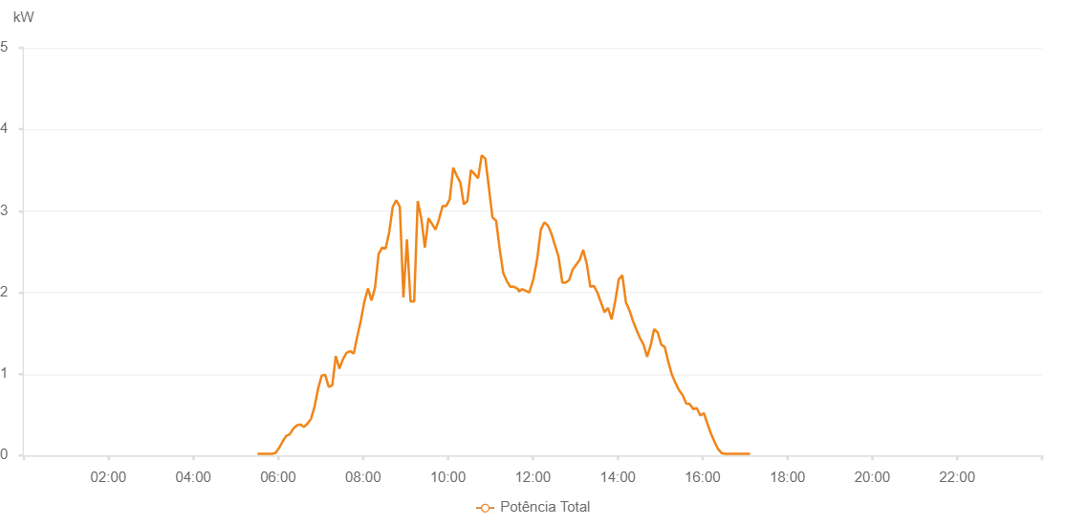

Number | Time | Working State | Alarm Code | Total Inverter Power(W)
1 | 13/08/2023 05:30:51 (UTC-4:00) | Normal |  | 20.000
2 | 13/08/2023 05:35:53 (UTC-4:00) | Normal |  | 20.000
3 | 13/08/2023 05:40:54 (UTC-4:00) | Normal |  | 20.000
4 | 13/08/2023 05:45:56 (UTC-4:00) | Normal |  | 20.000
5 | 13/08/2023 05:51:00 (UTC-4:00) | Normal |  | 20.000
6 | 13/08/2023 05:56:04 (UTC-4:00) | Normal |  | 30.000
7 | 13/08/2023 06:01:08 (UTC-4:00) | Normal |  | 90.000
8 | 13/08/2023 06:06:12 (UTC-4:00) | Normal |  | 170.000
9 | 13/08/2023 06:11:16 (UTC-4:00) | Normal |  | 240.000
10 | 13/08/2023 06:16:21 (UTC-4:00) | Normal |  | 260.000
11 | 13/08/2023 06:21:25 (UTC-4:00) | Normal |  | 330.000
12 | 13/08/2023 06:26:29 (UTC-4:00) | Normal |  | 370.000
13 | 13/08/2023 06:31:29 (UTC-4:00) | Normal |  | 380.000
14 | 13/08/2023 06:36:29 (UTC-4:00) | Normal |  | 350.000
15 | 13/08/2023 06:41:29 (UTC-4:00) | Normal |  | 390.000
16 | 13/08/2023 06:46:30 (UTC-4:00) | Normal |  | 450.000
17 | 13/08/2023 06:51:30 (UTC-4:00) | Normal |  | 600.000
18 | 13/08/2023 06:56:30 (UTC-4:00) | Normal |  | 820.000
19 | 13/08/2023 07:01:30 (UTC-4:00) | Normal |  | 980.000
20 | 13/08/2023 07:06:30 (UTC-4:00) | Normal |  | 990.000
21 | 13/08/2023 07:11:31 (UTC-4:00) | Normal |  | 840.000
22 | 13/08/2023 07:16:31 (UTC-4:00) | Normal |  | 860.000
23 | 13/08/2023 07:21:31 (UTC-4:00) | Normal |  | 1220.000
24 | 13/08/2023 07:26:33 (UTC-4:00) | Normal |  | 1070.000
25 | 13/08/2023 07:26:44 (UTC-4:00) | Normal |  | 1070.000
26 | 13/08/2023 07:31:38 (UTC-4:00) | Normal |  | 1180.000
27 | 13/08/2023 07:36:42 (UTC-4:00) | Normal |  | 1260.000
28 | 13/08/2023 07:41:46 (UTC-4:00) | Normal |  | 1280.000
29 | 13/08/2023 07:46:50 (UTC-4:00) | Normal |  | 1250.000
30 | 13/08/2023 07:51:54 (UTC-4:00) | Normal |  | 1460.000
31 | 13/08/2023 07:56:58 (UTC-4:00) | Normal |  | 1660.000
32 | 13/08/2023 08:01:58 (UTC-4:00) | Normal |  | 1890.000
33 | 13/08/2023 08:06:59 (UTC-4:00) | Normal |  | 2050.000
34 | 13/08/2023 08:11:59 (UTC-4:00) | Normal |  | 1900.000
35 | 13/08/2023 08:16:59 (UTC-4:00) | Normal |  | 2060.000
36 | 13/08/2023 08:21:59 (UTC-4:00) | Normal |  | 2470.000
37 | 13/08/2023 08:27:00 (UTC-4:00) | Normal |  | 2550.000
38 | 13/08/2023 08:32:00 (UTC-4:00) | Normal |  | 2540.000
39 | 13/08/2023 08:37:00 (UTC-4:00) | Normal |  | 2740.000
40 | 13/08/2023 08:42:02 (UTC-4:00) | Normal |  | 3050.000
41 | 13/08/2023 08:47:01 (UTC-4:00) | Normal |  | 3130.000
42 | 13/08/2023 08:52:01 (UTC-4:00) | Normal |  | 3050.000
43 | 13/08/2023 08:57:05 (UTC-4:00) | Normal |  | 1940.000
44 | 13/08/2023 09:02:05 (UTC-4:00) | Normal |  | 2650.000
45 | 13/08/2023 09:07:09 (UTC-4:00) | Normal |  | 1890.000
46 | 13/08/2023 09:12:20 (UTC-4:00) | Normal |  | 1890.000
47 | 13/08/2023 09:17:17 (UTC-4:00) | Normal |  | 3120.000
48 | 13/08/2023 09:22:21 (UTC-4:00) | Normal |  | 2910.000
49 | 13/08/2023 09:27:26 (UTC-4:00) | Normal |  | 2550.000
50 | 13/08/2023 09:32:30 (UTC-4:00) | Normal |  | 2910.000
51 | 13/08/2023 09:37:30 (UTC-4:00) | Normal |  | 2840.000
52 | 13/08/2023 09:42:31 (UTC-4:00) | Normal |  | 2770.000
53 | 13/08/2023 09:47:30 (UTC-4:00) | Normal |  | 2900.000
54 | 13/08/2023 09:52:30 (UTC-4:00) | Normal |  | 3060.000
55 | 13/08/2023 09:57:30 (UTC-4:00) | Normal |  | 3060.000
56 | 13/08/2023 10:02:30 (UTC-4:00) | Normal |  | 3140.000
57 | 13/08/2023 10:07:30 (UTC-4:00) | Normal |  | 3530.000
58 | 13/08/2023 10:12:31 (UTC-4:00) | Normal |  | 3430.000
59 | 13/08/2023 10:17:31 (UTC-4:00) | Normal |  | 3350.000
60 | 13/08/2023 10:22:31 (UTC-4:00) | Normal |  | 3080.000
61 | 13/08/2023 10:27:31 (UTC-4:00) | Normal |  | 3120.000
62 | 13/08/2023 10:32:32 (UTC-4:00) | Normal |  | 3500.000
63 | 13/08/2023 10:37:36 (UTC-4:00) | Normal |  | 3450.000
64 | 13/08/2023 10:37:47 (UTC-4:00) | Normal |  | 3450.000
65 | 13/08/2023 10:42:40 (UTC-4:00) | Normal |  | 3400.000
66 | 13/08/2023 10:47:45 (UTC-4:00) | Normal |  | 3680.000
67 | 13/08/2023 10:52:55 (UTC-4:00) | Normal |  | 3640.000
68 | 13/08/2023 10:57:53 (UTC-4:00) | Normal |  | 3290.000
69 | 13/08/2023 11:02:57 (UTC-4:00) | Normal |  | 2920.000
70 | 13/08/2023 11:08:08 (UTC-4:00) | Normal |  | 2880.000
71 | 13/08/2023 11:13:05 (UTC-4:00) | Normal |  | 2540.000
72 | 13/08/2023 11:18:09 (UTC-4:00) | Normal |  | 2240.000
73 | 13/08/2023 11:23:13 (UTC-4:00) | Normal |  | 2140.000
74 | 13/08/2023 11:28:13 (UTC-4:00) | Normal |  | 2070.000
75 | 13/08/2023 11:33:14 (UTC-4:00) | Normal |  | 2070.000
76 | 13/08/2023 11:39:34 (UTC-4:00) | Normal |  | 2040.000
77 | 13/08/2023 11:40:08 (UTC-4:00) | Normal |  | 2010.000
78 | 13/08/2023 11:45:02 (UTC-4:00) | Normal |  | 2040.000
79 | 13/08/2023 11:50:06 (UTC-4:00) | Normal |  | 2020.000
80 | 13/08/2023 11:55:09 (UTC-4:00) | Normal |  | 2000.000
81 | 13/08/2023 12:00:24 (UTC-4:00) | Normal |  | 2150.000
82 | 13/08/2023 12:01:01 (UTC-4:00) | Normal |  | 2170.000
83 | 13/08/2023 12:06:22 (UTC-4:00) | Normal |  | 2420.000
84 | 13/08/2023 12:11:22 (UTC-4:00) | Normal |  | 2770.000
85 | 13/08/2023 12:16:23 (UTC-4:00) | Normal |  | 2860.000
86 | 13/08/2023 12:21:21 (UTC-4:00) | Normal |  | 2820.000
87 | 13/08/2023 12:26:20 (UTC-4:00) | Normal |  | 2720.000
88 | 13/08/2023 12:31:20 (UTC-4:00) | Normal |  | 2580.000
89 | 13/08/2023 12:36:19 (UTC-4:00) | Normal |  | 2440.000
90 | 13/08/2023 12:41:45 (UTC-4:00) | Normal |  | 2120.000
91 | 13/08/2023 12:42:15 (UTC-4:00) | Normal |  | 2120.000
92 | 13/08/2023 12:46:21 (UTC-4:00) | Normal |  | 2120.000
93 | 13/08/2023 12:51:20 (UTC-4:00) | Normal |  | 2150.000
94 | 13/08/2023 12:56:20 (UTC-4:00) | Normal |  | 2280.000
95 | 13/08/2023 13:01:19 (UTC-4:00) | Normal |  | 2340.000
96 | 13/08/2023 13:06:19 (UTC-4:00) | Normal |  | 2400.000
97 | 13/08/2023 13:11:18 (UTC-4:00) | Normal |  | 2520.000
98 | 13/08/2023 13:16:18 (UTC-4:00) | Normal |  | 2350.000
99 | 13/08/2023 13:21:17 (UTC-4:00) | Normal |  | 2070.000
100 | 13/08/2023 13:26:17 (UTC-4:00) | Normal |  | 2080.000
101 | 13/08/2023 13:31:17 (UTC-4:00) | Normal |  | 2000.000
102 | 13/08/2023 13:36:16 (UTC-4:00) | Normal |  | 1880.000
103 | 13/08/2023 13:41:19 (UTC-4:00) | Normal |  | 1760.000
104 | 13/08/2023 13:41:30 (UTC-4:00) | Normal |  | 1760.000
105 | 13/08/2023 13:46:20 (UTC-4:00) | Normal |  | 1810.000
106 | 13/08/2023 13:51:24 (UTC-4:00) | Normal |  | 1670.000
107 | 13/08/2023 13:56:29 (UTC-4:00) | Normal |  | 1890.000
108 | 13/08/2023 14:01:31 (UTC-4:00) | Normal |  | 2160.000
109 | 13/08/2023 14:06:36 (UTC-4:00) | Normal |  | 2210.000
110 | 13/08/2023 14:11:38 (UTC-4:00) | Normal |  | 1880.000
111 | 13/08/2023 14:16:37 (UTC-4:00) | Normal |  | 1780.000
112 | 13/08/2023 14:21:37 (UTC-4:00) | Normal |  | 1650.000
113 | 13/08/2023 14:26:37 (UTC-4:00) | Normal |  | 1540.000
114 | 13/08/2023 14:31:36 (UTC-4:00) | Normal |  | 1440.000
115 | 13/08/2023 14:36:36 (UTC-4:00) | Normal |  | 1360.000
116 | 13/08/2023 14:41:35 (UTC-4:00) | Normal |  | 1210.000
117 | 13/08/2023 14:46:35 (UTC-4:00) | Normal |  | 1350.000
118 | 13/08/2023 14:51:34 (UTC-4:00) | Normal |  | 1550.000
119 | 13/08/2023 14:56:35 (UTC-4:00) | Normal |  | 1510.000
120 | 13/08/2023 15:01:34 (UTC-4:00) | Normal |  | 1360.000
121 | 13/08/2023 15:06:33 (UTC-4:00) | Normal |  | 1330.000
122 | 13/08/2023 15:11:34 (UTC-4:00) | Normal |  | 1150.000
123 | 13/08/2023 15:16:38 (UTC-4:00) | Normal |  | 990.000
124 | 13/08/2023 15:21:41 (UTC-4:00) | Normal |  | 890.000
125 | 13/08/2023 15:26:45 (UTC-4:00) | Normal |  | 800.000
126 | 13/08/2023 15:31:52 (UTC-4:00) | Normal |  | 740.000
127 | 13/08/2023 15:36:52 (UTC-4:00) | Normal |  | 640.000
128 | 13/08/2023 15:41:52 (UTC-4:00) | Normal |  | 630.000
129 | 13/08/2023 15:46:51 (UTC-4:00) | Normal |  | 570.000
130 | 13/08/2023 15:51:51 (UTC-4:00) | Normal |  | 580.000
131 | 13/08/2023 15:56:50 (UTC-4:00) | Normal |  | 490.000
132 | 13/08/2023 16:01:50 (UTC-4:00) | Normal |  | 520.000
133 | 13/08/2023 16:06:49 (UTC-4:00) | Normal |  | 390.000
134 | 13/08/2023 16:11:49 (UTC-4:00) | Normal |  | 270.000
135 | 13/08/2023 16:16:48 (UTC-4:00) | Normal |  | 170.000
136 | 13/08/2023 16:21:48 (UTC-4:00) | Normal |  | 80.000
137 | 13/08/2023 16:26:48 (UTC-4:00) | Normal |  | 30.000
138 | 13/08/2023 16:31:47 (UTC-4:00) | Normal |  | 20.000
139 | 13/08/2023 16:36:48 (UTC-4:00) | Normal |  | 20.000
140 | 13/08/2023 16:41:52 (UTC-4:00) | Normal |  | 20.000
141 | 13/08/2023 16:46:55 (UTC-4:00) | Normal |  | 20.000
142 | 13/08/2023 16:51:59 (UTC-4:00) | Normal |  | 20.000
143 | 13/08/2023 16:57:03 (UTC-4:00) | Normal |  | 20.000
144 | 13/08/2023 17:02:02 (UTC-4:00) | Normal |  | 20.000
145 | 13/08/2023 17:07:02 (UTC-4:00) | Normal |  | 20.000

