Inverter History Report__17-08-
Inverter History Report_05/03/2023_Report

Inverter SN:054B7020C020042 |  | Inverter type:B7
Collector SN:4046045654 |  | Full Load Hours(h):4.00
Rated Power:10000Wp

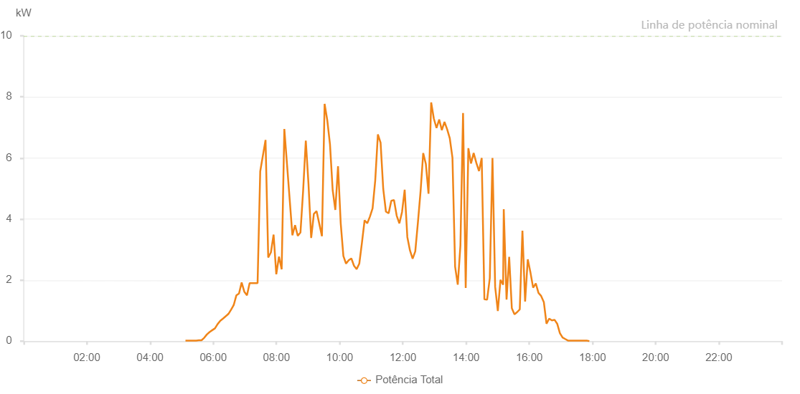

Number | Time | Working State | Alarm Code | Total Inverter Power(W)
1 | 05/03/2023 05:07:17 (UTC-4:00) | Normal |  | 20.000
2 | 05/03/2023 05:12:18 (UTC-4:00) | Normal |  | 20.000
3 | 05/03/2023 05:17:20 (UTC-4:00) | Normal |  | 20.000
4 | 05/03/2023 05:22:28 (UTC-4:00) | Normal |  | 20.000
5 | 05/03/2023 05:27:33 (UTC-4:00) | Normal |  | 20.000
6 | 05/03/2023 05:32:37 (UTC-4:00) | Normal |  | 30.000
7 | 05/03/2023 05:37:43 (UTC-4:00) | Normal |  | 30.000
8 | 05/03/2023 05:42:50 (UTC-4:00) | Normal |  | 110.000
9 | 05/03/2023 05:47:56 (UTC-4:00) | Normal |  | 220.000
10 | 05/03/2023 05:53:03 (UTC-4:00) | Normal |  | 300.000
11 | 05/03/2023 05:58:10 (UTC-4:00) | Normal |  | 360.000
12 | 05/03/2023 06:03:16 (UTC-4:00) | Normal |  | 420.000
13 | 05/03/2023 06:08:21 (UTC-4:00) | Normal |  | 560.000
14 | 05/03/2023 06:13:27 (UTC-4:00) | Normal |  | 670.000
15 | 05/03/2023 06:18:33 (UTC-4:00) | Normal |  | 740.000
16 | 05/03/2023 06:28:45 (UTC-4:00) | Normal |  | 890.000
17 | 05/03/2023 06:33:49 (UTC-4:00) | Normal |  | 1030.000
18 | 05/03/2023 06:38:51 (UTC-4:00) | Normal |  | 1180.000
19 | 05/03/2023 06:43:53 (UTC-4:00) | Normal |  | 1500.000
20 | 05/03/2023 06:48:55 (UTC-4:00) | Normal |  | 1560.000
21 | 05/03/2023 06:53:57 (UTC-4:00) | Normal |  | 1920.000
22 | 05/03/2023 06:58:59 (UTC-4:00) | Normal |  | 1620.000
23 | 05/03/2023 07:04:03 (UTC-4:00) | Normal |  | 1500.000
24 | 05/03/2023 07:09:04 (UTC-4:00) | Normal |  | 1900.000
25 | 05/03/2023 07:24:11 (UTC-4:00) | Normal |  | 1900.000
26 | 05/03/2023 07:29:12 (UTC-4:00) | Normal |  | 5560.000
27 | 05/03/2023 07:39:18 (UTC-4:00) | Normal |  | 6590.000
28 | 05/03/2023 07:44:24 (UTC-4:00) | Normal |  | 2740.000
29 | 05/03/2023 07:49:31 (UTC-4:00) | Normal |  | 2910.000
30 | 05/03/2023 07:54:36 (UTC-4:00) | Normal |  | 3490.000
31 | 05/03/2023 07:59:42 (UTC-4:00) | Normal |  | 2190.000
32 | 05/03/2023 08:04:50 (UTC-4:00) | Normal |  | 2770.000
33 | 05/03/2023 08:09:56 (UTC-4:00) | Normal |  | 2350.000
34 | 05/03/2023 08:14:59 (UTC-4:00) | Normal |  | 6950.000
35 | 05/03/2023 08:30:17 (UTC-4:00) | Normal |  | 3470.000
36 | 05/03/2023 08:35:22 (UTC-4:00) | Normal |  | 3800.000
37 | 05/03/2023 08:40:29 (UTC-4:00) | Normal |  | 3450.000
38 | 05/03/2023 08:45:37 (UTC-4:00) | Normal |  | 3560.000
39 | 05/03/2023 08:50:39 (UTC-4:00) | Normal |  | 4920.000
40 | 05/03/2023 08:55:45 (UTC-4:00) | Normal |  | 6570.000
41 | 05/03/2023 09:00:51 (UTC-4:00) | Normal |  | 5150.000
42 | 05/03/2023 09:05:57 (UTC-4:00) | Normal |  | 3380.000
43 | 05/03/2023 09:11:03 (UTC-4:00) | Normal |  | 4170.000
44 | 05/03/2023 09:16:11 (UTC-4:00) | Normal |  | 4260.000
45 | 05/03/2023 09:26:23 (UTC-4:00) | Normal |  | 3440.000
46 | 05/03/2023 09:31:27 (UTC-4:00) | Normal |  | 7770.000
47 | 05/03/2023 09:36:34 (UTC-4:00) | Normal |  | 7230.000
48 | 05/03/2023 09:41:39 (UTC-4:00) | Normal |  | 6450.000
49 | 05/03/2023 09:46:46 (UTC-4:00) | Normal |  | 4950.000
50 | 05/03/2023 09:51:49 (UTC-4:00) | Normal |  | 4300.000
51 | 05/03/2023 09:56:57 (UTC-4:00) | Normal |  | 5730.000
52 | 05/03/2023 10:02:00 (UTC-4:00) | Normal |  | 3870.000
53 | 05/03/2023 10:07:06 (UTC-4:00) | Normal |  | 2790.000
54 | 05/03/2023 10:12:08 (UTC-4:00) | Normal |  | 2540.000
55 | 05/03/2023 10:17:12 (UTC-4:00) | Normal |  | 2650.000
56 | 05/03/2023 10:22:14 (UTC-4:00) | Normal |  | 2710.000
57 | 05/03/2023 10:27:16 (UTC-4:00) | Normal |  | 2470.000
58 | 05/03/2023 10:32:18 (UTC-4:00) | Normal |  | 2360.000
59 | 05/03/2023 10:37:19 (UTC-4:00) | Normal |  | 2540.000
60 | 05/03/2023 10:42:22 (UTC-4:00) | Normal |  | 3230.000
61 | 05/03/2023 10:47:24 (UTC-4:00) | Normal |  | 3960.000
62 | 05/03/2023 10:52:25 (UTC-4:00) | Normal |  | 3860.000
63 | 05/03/2023 10:57:30 (UTC-4:00) | Normal |  | 4080.000
64 | 05/03/2023 11:02:32 (UTC-4:00) | Normal |  | 4350.000
65 | 05/03/2023 11:07:33 (UTC-4:00) | Normal |  | 5260.000
66 | 05/03/2023 11:12:37 (UTC-4:00) | Normal |  | 6770.000
67 | 05/03/2023 11:17:43 (UTC-4:00) | Normal |  | 6500.000
68 | 05/03/2023 11:22:48 (UTC-4:00) | Normal |  | 4980.000
69 | 05/03/2023 11:27:54 (UTC-4:00) | Normal |  | 4240.000
70 | 05/03/2023 11:33:02 (UTC-4:00) | Normal |  | 4190.000
71 | 05/03/2023 11:38:05 (UTC-4:00) | Normal |  | 4600.000
72 | 05/03/2023 11:43:11 (UTC-4:00) | Normal |  | 4620.000
73 | 05/03/2023 11:48:18 (UTC-4:00) | Normal |  | 4110.000
74 | 05/03/2023 11:53:25 (UTC-4:00) | Normal |  | 3860.000
75 | 05/03/2023 11:58:28 (UTC-4:00) | Normal |  | 4230.000
76 | 05/03/2023 12:03:29 (UTC-4:00) | Normal |  | 4960.000
77 | 05/03/2023 12:08:31 (UTC-4:00) | Normal |  | 3410.000
78 | 05/03/2023 12:13:33 (UTC-4:00) | Normal |  | 2970.000
79 | 05/03/2023 12:18:34 (UTC-4:00) | Normal |  | 2700.000
80 | 05/03/2023 12:23:36 (UTC-4:00) | Normal |  | 2940.000
81 | 05/03/2023 12:28:38 (UTC-4:00) | Normal |  | 3890.000
82 | 05/03/2023 12:33:40 (UTC-4:00) | Normal |  | 4910.000
83 | 05/03/2023 12:38:41 (UTC-4:00) | Normal |  | 6160.000
84 | 05/03/2023 12:43:43 (UTC-4:00) | Normal |  | 5800.000
85 | 05/03/2023 12:48:45 (UTC-4:00) | Normal |  | 4830.000
86 | 05/03/2023 12:53:47 (UTC-4:00) | Normal |  | 7820.000
87 | 05/03/2023 12:58:49 (UTC-4:00) | Normal |  | 7290.000
88 | 05/03/2023 13:03:57 (UTC-4:00) | Normal |  | 6980.000
89 | 05/03/2023 13:09:00 (UTC-4:00) | Normal |  | 7260.000
90 | 05/03/2023 13:14:02 (UTC-4:00) | Normal |  | 6910.000
91 | 05/03/2023 13:19:04 (UTC-4:00) | Normal |  | 7180.000
92 | 05/03/2023 13:24:05 (UTC-4:00) | Normal |  | 6940.000
93 | 05/03/2023 13:29:09 (UTC-4:00) | Normal |  | 6640.000
94 | 05/03/2023 13:34:11 (UTC-4:00) | Normal |  | 6010.000
95 | 05/03/2023 13:39:14 (UTC-4:00) | Normal |  | 2440.000
96 | 05/03/2023 13:44:16 (UTC-4:00) | Normal |  | 1850.000
97 | 05/03/2023 13:49:18 (UTC-4:00) | Normal |  | 3130.000
98 | 05/03/2023 13:54:19 (UTC-4:00) | Normal |  | 7470.000
99 | 05/03/2023 13:59:21 (UTC-4:00) | Normal |  | 1740.000
100 | 05/03/2023 14:04:24 (UTC-4:00) | Normal |  | 6320.000
101 | 05/03/2023 14:09:26 (UTC-4:00) | Normal |  | 5820.000
102 | 05/03/2023 14:14:27 (UTC-4:00) | Normal |  | 6160.000
103 | 05/03/2023 14:19:33 (UTC-4:00) | Normal |  | 5840.000
104 | 05/03/2023 14:24:38 (UTC-4:00) | Normal |  | 5570.000
105 | 05/03/2023 14:29:44 (UTC-4:00) | Normal |  | 6000.000
106 | 05/03/2023 14:34:51 (UTC-4:00) | Normal |  | 1370.000
107 | 05/03/2023 14:39:58 (UTC-4:00) | Normal |  | 1360.000
108 | 05/03/2023 14:45:05 (UTC-4:00) | Normal |  | 2060.000
109 | 05/03/2023 14:50:11 (UTC-4:00) | Normal |  | 6000.000
110 | 05/03/2023 14:55:15 (UTC-4:00) | Normal |  | 1780.000
111 | 05/03/2023 15:00:21 (UTC-4:00) | Normal |  | 990.000
112 | 05/03/2023 15:05:23 (UTC-4:00) | Normal |  | 2010.000
113 | 05/03/2023 15:10:24 (UTC-4:00) | Normal |  | 1850.000
114 | 05/03/2023 15:11:35 (UTC-4:00) | Normal |  | 4320.000
115 | 05/03/2023 15:16:54 (UTC-4:00) | Normal |  | 1360.000
116 | 05/03/2023 15:21:54 (UTC-4:00) | Normal |  | 2760.000
117 | 05/03/2023 15:26:55 (UTC-4:00) | Normal |  | 1080.000
118 | 05/03/2023 15:31:56 (UTC-4:00) | Normal |  | 880.000
119 | 05/03/2023 15:36:57 (UTC-4:00) | Normal |  | 950.000
120 | 05/03/2023 15:41:58 (UTC-4:00) | Normal |  | 1040.000
121 | 05/03/2023 15:47:03 (UTC-4:00) | Normal |  | 3620.000
122 | 05/03/2023 15:52:08 (UTC-4:00) | Normal |  | 1300.000
123 | 05/03/2023 15:57:11 (UTC-4:00) | Normal |  | 2680.000
124 | 05/03/2023 16:02:16 (UTC-4:00) | Normal |  | 2250.000
125 | 05/03/2023 16:07:23 (UTC-4:00) | Normal |  | 1750.000
126 | 05/03/2023 16:12:26 (UTC-4:00) | Normal |  | 1890.000
127 | 05/03/2023 16:17:32 (UTC-4:00) | Normal |  | 1580.000
128 | 05/03/2023 16:22:35 (UTC-4:00) | Normal |  | 1480.000
129 | 05/03/2023 16:27:41 (UTC-4:00) | Normal |  | 1280.000
130 | 05/03/2023 16:32:45 (UTC-4:00) | Normal |  | 570.000
131 | 05/03/2023 16:37:50 (UTC-4:00) | Normal |  | 740.000
132 | 05/03/2023 16:42:56 (UTC-4:00) | Normal |  | 680.000
133 | 05/03/2023 16:48:02 (UTC-4:00) | Normal |  | 700.000
134 | 05/03/2023 16:53:05 (UTC-4:00) | Normal |  | 570.000
135 | 05/03/2023 16:58:12 (UTC-4:00) | Normal |  | 260.000
136 | 05/03/2023 17:03:15 (UTC-4:00) | Normal |  | 120.000
137 | 05/03/2023 17:08:19 (UTC-4:00) | Normal |  | 70.000
138 | 05/03/2023 17:13:26 (UTC-4:00) | Normal |  | 20.000
139 | 05/03/2023 17:18:29 (UTC-4:00) | Normal |  | 20.000
140 | 05/03/2023 17:23:34 (UTC-4:00) | Normal |  | 20.000
141 | 05/03/2023 17:28:39 (UTC-4:00) | Normal |  | 20.000
142 | 05/03/2023 17:33:43 (UTC-4:00) | Normal |  | 20.000
143 | 05/03/2023 17:38:50 (UTC-4:00) | Normal |  | 20.000
144 | 05/03/2023 17:43:57 (UTC-4:00) | Normal |  | 20.000
145 | 05/03/2023 17:48:59 (UTC-4:00) | Normal |  | 20.000
146 | 05/03/2023 17:54:04 (UTC-4:00) | Normal |  | 0.000

