Inverter History Report__17-08-
Inverter History Report_12/03/2023_Report

Inverter SN:054B7020C020042 |  | Inverter type:B7
Collector SN:4046045654 |  | Full Load Hours(h):3.50
Rated Power:10000Wp

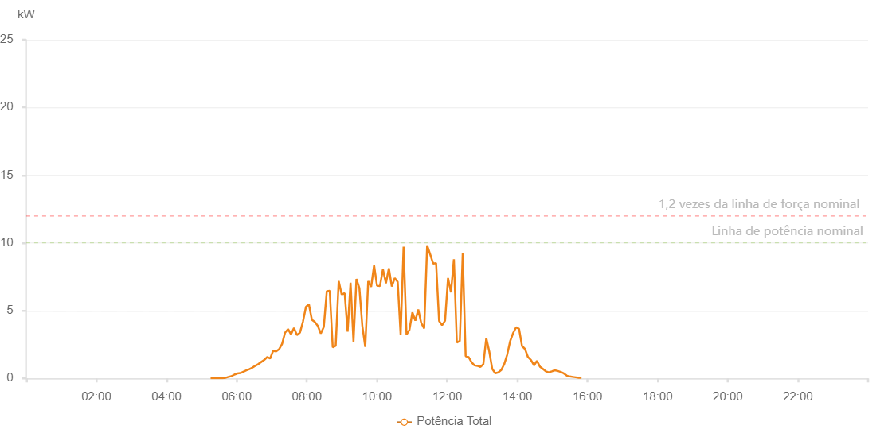

Number | Time | Working State | Alarm Code | Total Inverter Power(W)
1 | 12/03/2023 05:15:24 (UTC-4:00) | Normal |  | 20.000
2 | 12/03/2023 05:20:26 (UTC-4:00) | Normal |  | 20.000
3 | 12/03/2023 05:25:28 (UTC-4:00) | Normal |  | 20.000
4 | 12/03/2023 05:30:32 (UTC-4:00) | Normal |  | 20.000
5 | 12/03/2023 05:35:37 (UTC-4:00) | Normal |  | 20.000
6 | 12/03/2023 05:40:44 (UTC-4:00) | Normal |  | 40.000
7 | 12/03/2023 05:45:49 (UTC-4:00) | Normal |  | 110.000
8 | 12/03/2023 05:50:58 (UTC-4:00) | Normal |  | 160.000
9 | 12/03/2023 05:56:01 (UTC-4:00) | Normal |  | 280.000
10 | 12/03/2023 06:01:07 (UTC-4:00) | Normal |  | 360.000
11 | 12/03/2023 06:06:13 (UTC-4:00) | Normal |  | 390.000
12 | 12/03/2023 06:11:20 (UTC-4:00) | Normal |  | 490.000
13 | 12/03/2023 06:16:25 (UTC-4:00) | Normal |  | 590.000
14 | 12/03/2023 06:21:34 (UTC-4:00) | Normal |  | 680.000
15 | 12/03/2023 06:26:39 (UTC-4:00) | Normal |  | 790.000
16 | 12/03/2023 06:31:44 (UTC-4:00) | Normal |  | 930.000
17 | 12/03/2023 06:36:50 (UTC-4:00) | Normal |  | 1050.000
18 | 12/03/2023 06:41:54 (UTC-4:00) | Normal |  | 1210.000
19 | 12/03/2023 06:47:02 (UTC-4:00) | Normal |  | 1360.000
20 | 12/03/2023 06:52:08 (UTC-4:00) | Normal |  | 1570.000
21 | 12/03/2023 06:57:14 (UTC-4:00) | Normal |  | 1470.000
22 | 12/03/2023 07:02:21 (UTC-4:00) | Normal |  | 2040.000
23 | 12/03/2023 07:07:26 (UTC-4:00) | Normal |  | 1990.000
24 | 12/03/2023 07:12:32 (UTC-4:00) | Normal |  | 2150.000
25 | 12/03/2023 07:17:38 (UTC-4:00) | Normal |  | 2540.000
26 | 12/03/2023 07:22:43 (UTC-4:00) | Normal |  | 3370.000
27 | 12/03/2023 07:27:51 (UTC-4:00) | Normal |  | 3640.000
28 | 12/03/2023 07:32:55 (UTC-4:00) | Normal |  | 3250.000
29 | 12/03/2023 07:38:00 (UTC-4:00) | Normal |  | 3720.000
30 | 12/03/2023 07:43:06 (UTC-4:00) | Normal |  | 3200.000
31 | 12/03/2023 07:48:14 (UTC-4:00) | Normal |  | 3380.000
32 | 12/03/2023 07:53:19 (UTC-4:00) | Normal |  | 4180.000
33 | 12/03/2023 07:58:29 (UTC-4:00) | Normal |  | 5280.000
34 | 12/03/2023 08:03:31 (UTC-4:00) | Normal |  | 5470.000
35 | 12/03/2023 08:08:38 (UTC-4:00) | Normal |  | 4330.000
36 | 12/03/2023 08:13:43 (UTC-4:00) | Normal |  | 4160.000
37 | 12/03/2023 08:18:47 (UTC-4:00) | Normal |  | 3870.000
38 | 12/03/2023 08:23:54 (UTC-4:00) | Normal |  | 3310.000
39 | 12/03/2023 08:29:00 (UTC-4:00) | Normal |  | 3800.000
40 | 12/03/2023 08:34:07 (UTC-4:00) | Normal |  | 6440.000
41 | 12/03/2023 08:39:11 (UTC-4:00) | Normal |  | 6460.000
42 | 12/03/2023 08:44:17 (UTC-4:00) | Normal |  | 2290.000
43 | 12/03/2023 08:49:22 (UTC-4:00) | Normal |  | 2410.000
44 | 12/03/2023 08:54:30 (UTC-4:00) | Normal |  | 7190.000
45 | 12/03/2023 08:59:37 (UTC-4:00) | Normal |  | 6190.000
46 | 12/03/2023 09:04:42 (UTC-4:00) | Normal |  | 6290.000
47 | 12/03/2023 09:09:45 (UTC-4:00) | Normal |  | 3450.000
48 | 12/03/2023 09:14:46 (UTC-4:00) | Normal |  | 7060.000
49 | 12/03/2023 09:19:48 (UTC-4:00) | Normal |  | 2720.000
50 | 12/03/2023 09:24:50 (UTC-4:00) | Normal |  | 7340.000
51 | 12/03/2023 09:29:52 (UTC-4:00) | Normal |  | 6670.000
52 | 12/03/2023 09:34:54 (UTC-4:00) | Normal |  | 3880.000
53 | 12/03/2023 09:39:55 (UTC-4:00) | Normal |  | 2320.000
54 | 12/03/2023 09:44:57 (UTC-4:00) | Normal |  | 7180.000
55 | 12/03/2023 09:49:59 (UTC-4:00) | Normal |  | 6760.000
56 | 12/03/2023 09:55:00 (UTC-4:00) | Normal |  | 8340.000
57 | 12/03/2023 10:00:02 (UTC-4:00) | Normal |  | 6840.000
58 | 12/03/2023 10:05:03 (UTC-4:00) | Normal |  | 6820.000
59 | 12/03/2023 10:10:08 (UTC-4:00) | Normal |  | 8050.000
60 | 12/03/2023 10:15:16 (UTC-4:00) | Normal |  | 7030.000
61 | 12/03/2023 10:20:19 (UTC-4:00) | Normal |  | 8120.000
62 | 12/03/2023 10:25:21 (UTC-4:00) | Normal |  | 6780.000
63 | 12/03/2023 10:30:22 (UTC-4:00) | Normal |  | 7410.000
64 | 12/03/2023 10:35:24 (UTC-4:00) | Normal |  | 7120.000
65 | 12/03/2023 10:40:26 (UTC-4:00) | Normal |  | 3230.000
66 | 12/03/2023 10:45:28 (UTC-4:00) | Normal |  | 9720.000
67 | 12/03/2023 10:50:29 (UTC-4:00) | Normal |  | 3230.000
68 | 12/03/2023 10:55:30 (UTC-4:00) | Normal |  | 3590.000
69 | 12/03/2023 11:00:32 (UTC-4:00) | Normal |  | 4870.000
70 | 12/03/2023 11:05:34 (UTC-4:00) | Normal |  | 4260.000
71 | 12/03/2023 11:10:35 (UTC-4:00) | Normal |  | 5080.000
72 | 12/03/2023 11:15:37 (UTC-4:00) | Normal |  | 4090.000
73 | 12/03/2023 11:20:42 (UTC-4:00) | Normal |  | 3690.000
74 | 12/03/2023 11:25:47 (UTC-4:00) | Normal |  | 9820.000
75 | 12/03/2023 11:30:53 (UTC-4:00) | Normal |  | 9170.000
76 | 12/03/2023 11:35:58 (UTC-4:00) | Normal |  | 8480.000
77 | 12/03/2023 11:41:04 (UTC-4:00) | Normal |  | 8510.000
78 | 12/03/2023 11:46:13 (UTC-4:00) | Normal |  | 4240.000
79 | 12/03/2023 11:51:18 (UTC-4:00) | Normal |  | 3920.000
80 | 12/03/2023 11:56:25 (UTC-4:00) | Normal |  | 4260.000
81 | 12/03/2023 12:01:28 (UTC-4:00) | Normal |  | 7410.000
82 | 12/03/2023 12:06:30 (UTC-4:00) | Normal |  | 6350.000
83 | 12/03/2023 12:11:31 (UTC-4:00) | Normal |  | 8790.000
84 | 12/03/2023 12:16:33 (UTC-4:00) | Normal |  | 2650.000
85 | 12/03/2023 12:21:36 (UTC-4:00) | Normal |  | 2760.000
86 | 12/03/2023 12:26:37 (UTC-4:00) | Normal |  | 9220.000
87 | 12/03/2023 12:31:39 (UTC-4:00) | Normal |  | 1640.000
88 | 12/03/2023 12:36:41 (UTC-4:00) | Normal |  | 1570.000
89 | 12/03/2023 12:41:42 (UTC-4:00) | Normal |  | 1200.000
90 | 12/03/2023 12:46:44 (UTC-4:00) | Normal |  | 960.000
91 | 12/03/2023 12:51:46 (UTC-4:00) | Normal |  | 930.000
92 | 12/03/2023 12:56:48 (UTC-4:00) | Normal |  | 850.000
93 | 12/03/2023 13:01:49 (UTC-4:00) | Normal |  | 1040.000
94 | 12/03/2023 13:06:55 (UTC-4:00) | Normal |  | 2980.000
95 | 12/03/2023 13:12:00 (UTC-4:00) | Normal |  | 1990.000
96 | 12/03/2023 13:17:07 (UTC-4:00) | Normal |  | 700.000
97 | 12/03/2023 13:22:13 (UTC-4:00) | Normal |  | 380.000
98 | 12/03/2023 13:27:20 (UTC-4:00) | Normal |  | 440.000
99 | 12/03/2023 13:32:23 (UTC-4:00) | Normal |  | 610.000
100 | 12/03/2023 13:37:29 (UTC-4:00) | Normal |  | 1040.000
101 | 12/03/2023 13:42:36 (UTC-4:00) | Normal |  | 1740.000
102 | 12/03/2023 13:47:42 (UTC-4:00) | Normal |  | 2740.000
103 | 12/03/2023 13:52:47 (UTC-4:00) | Normal |  | 3340.000
104 | 12/03/2023 13:57:55 (UTC-4:00) | Normal |  | 3770.000
105 | 12/03/2023 14:02:58 (UTC-4:00) | Normal |  | 3660.000
106 | 12/03/2023 14:08:03 (UTC-4:00) | Normal |  | 2390.000
107 | 12/03/2023 14:13:09 (UTC-4:00) | Normal |  | 2170.000
108 | 12/03/2023 14:18:15 (UTC-4:00) | Normal |  | 1570.000
109 | 12/03/2023 14:23:21 (UTC-4:00) | Normal |  | 1350.000
110 | 12/03/2023 14:28:29 (UTC-4:00) | Normal |  | 970.000
111 | 12/03/2023 14:28:41 (UTC-4:00) | Normal |  | 970.000
112 | 12/03/2023 14:33:31 (UTC-4:00) | Normal |  | 1300.000
113 | 12/03/2023 14:38:38 (UTC-4:00) | Normal |  | 870.000
114 | 12/03/2023 14:43:42 (UTC-4:00) | Normal |  | 700.000
115 | 12/03/2023 14:48:49 (UTC-4:00) | Normal |  | 520.000
116 | 12/03/2023 14:53:56 (UTC-4:00) | Normal |  | 450.000
117 | 12/03/2023 14:59:02 (UTC-4:00) | Normal |  | 520.000
118 | 12/03/2023 15:04:06 (UTC-4:00) | Normal |  | 600.000
119 | 12/03/2023 15:09:13 (UTC-4:00) | Normal |  | 550.000
120 | 12/03/2023 15:14:18 (UTC-4:00) | Normal |  | 480.000
121 | 12/03/2023 15:19:28 (UTC-4:00) | Normal |  | 370.000
122 | 12/03/2023 15:24:45 (UTC-4:00) | Normal |  | 200.000
123 | 12/03/2023 15:29:46 (UTC-4:00) | Normal |  | 140.000
124 | 12/03/2023 15:34:47 (UTC-4:00) | Normal |  | 110.000
125 | 12/03/2023 15:39:50 (UTC-4:00) | Normal |  | 80.000
126 | 12/03/2023 15:44:51 (UTC-4:00) | Normal |  | 50.000
127 | 12/03/2023 15:49:51 (UTC-4:00) | Normal |  | 40.000

