Inverter History Report__17-08-
Inverter History Report_01/04/2023_Report

Inverter SN:054B7020C020042 |  | Inverter type:B7
Collector SN:4046045654 |  | Full Load Hours(h):4.90
Rated Power:10000Wp

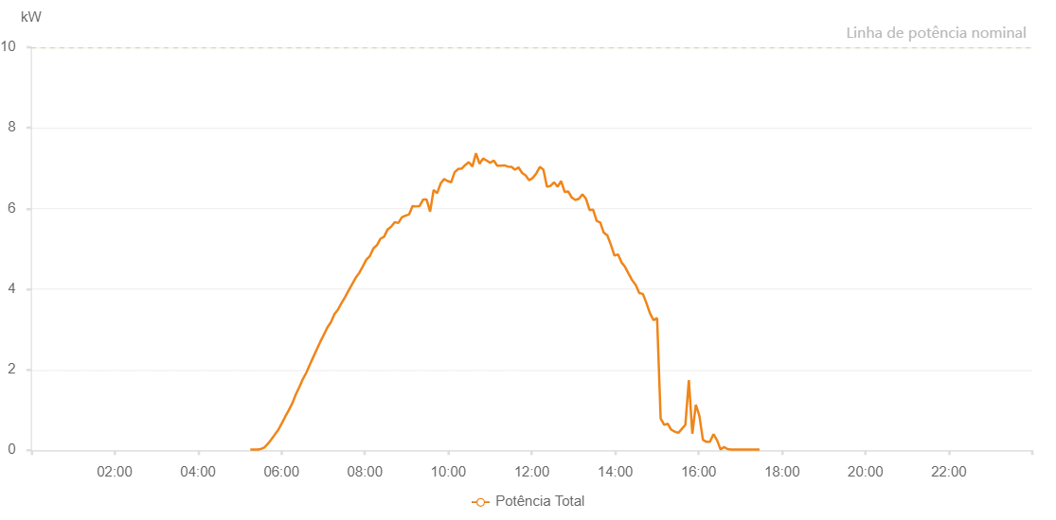

Number | Time | Working State | Alarm Code | Total Inverter Power(W)
1 | 01/04/2023 05:15:11 (UTC-4:00) | Normal |  | 20.000
2 | 01/04/2023 05:20:13 (UTC-4:00) | Normal |  | 20.000
3 | 01/04/2023 05:25:16 (UTC-4:00) | Normal |  | 20.000
4 | 01/04/2023 05:30:19 (UTC-4:00) | Normal |  | 30.000
5 | 01/04/2023 05:35:21 (UTC-4:00) | Normal |  | 70.000
6 | 01/04/2023 05:40:24 (UTC-4:00) | Normal |  | 160.000
7 | 01/04/2023 05:45:26 (UTC-4:00) | Normal |  | 270.000
8 | 01/04/2023 05:50:29 (UTC-4:00) | Normal |  | 390.000
9 | 01/04/2023 05:55:32 (UTC-4:00) | Normal |  | 510.000
10 | 01/04/2023 06:00:34 (UTC-4:00) | Normal |  | 670.000
11 | 01/04/2023 06:05:37 (UTC-4:00) | Normal |  | 840.000
12 | 01/04/2023 06:10:39 (UTC-4:00) | Normal |  | 1000.000
13 | 01/04/2023 06:15:43 (UTC-4:00) | Normal |  | 1170.000
14 | 01/04/2023 06:20:45 (UTC-4:00) | Normal |  | 1390.000
15 | 01/04/2023 06:25:47 (UTC-4:00) | Normal |  | 1570.000
16 | 01/04/2023 06:30:51 (UTC-4:00) | Normal |  | 1770.000
17 | 01/04/2023 06:35:53 (UTC-4:00) | Normal |  | 1930.000
18 | 01/04/2023 06:40:55 (UTC-4:00) | Normal |  | 2130.000
19 | 01/04/2023 06:45:58 (UTC-4:00) | Normal |  | 2320.000
20 | 01/04/2023 06:51:00 (UTC-4:00) | Normal |  | 2510.000
21 | 01/04/2023 06:56:03 (UTC-4:00) | Normal |  | 2700.000
22 | 01/04/2023 07:01:05 (UTC-4:00) | Normal |  | 2870.000
23 | 01/04/2023 07:06:07 (UTC-4:00) | Normal |  | 3050.000
24 | 01/04/2023 07:11:09 (UTC-4:00) | Normal |  | 3180.000
25 | 01/04/2023 07:16:12 (UTC-4:00) | Normal |  | 3380.000
26 | 01/04/2023 07:21:14 (UTC-4:00) | Normal |  | 3490.000
27 | 01/04/2023 07:26:17 (UTC-4:00) | Normal |  | 3650.000
28 | 01/04/2023 07:31:24 (UTC-4:00) | Normal |  | 3800.000
29 | 01/04/2023 07:36:30 (UTC-4:00) | Normal |  | 3960.000
30 | 01/04/2023 07:41:38 (UTC-4:00) | Normal |  | 4120.000
31 | 01/04/2023 07:46:44 (UTC-4:00) | Normal |  | 4280.000
32 | 01/04/2023 07:51:51 (UTC-4:00) | Normal |  | 4400.000
33 | 01/04/2023 07:56:56 (UTC-4:00) | Normal |  | 4560.000
34 | 01/04/2023 08:02:02 (UTC-4:00) | Normal |  | 4730.000
35 | 01/04/2023 08:07:11 (UTC-4:00) | Normal |  | 4820.000
36 | 01/04/2023 08:12:15 (UTC-4:00) | Normal |  | 5010.000
37 | 01/04/2023 08:17:23 (UTC-4:00) | Normal |  | 5090.000
38 | 01/04/2023 08:22:29 (UTC-4:00) | Normal |  | 5250.000
39 | 01/04/2023 08:27:35 (UTC-4:00) | Normal |  | 5300.000
40 | 01/04/2023 08:32:43 (UTC-4:00) | Normal |  | 5480.000
41 | 01/04/2023 08:37:48 (UTC-4:00) | Normal |  | 5550.000
42 | 01/04/2023 08:42:56 (UTC-4:00) | Normal |  | 5660.000
43 | 01/04/2023 08:48:04 (UTC-4:00) | Normal |  | 5640.000
44 | 01/04/2023 08:53:09 (UTC-4:00) | Normal |  | 5780.000
45 | 01/04/2023 08:58:16 (UTC-4:00) | Normal |  | 5820.000
46 | 01/04/2023 09:03:22 (UTC-4:00) | Normal |  | 5850.000
47 | 01/04/2023 09:08:30 (UTC-4:00) | Normal |  | 6060.000
48 | 01/04/2023 09:13:35 (UTC-4:00) | Normal |  | 6050.000
49 | 01/04/2023 09:18:41 (UTC-4:00) | Normal |  | 6060.000
50 | 01/04/2023 09:23:44 (UTC-4:00) | Normal |  | 6220.000
51 | 01/04/2023 09:28:46 (UTC-4:00) | Normal |  | 6220.000
52 | 01/04/2023 09:33:48 (UTC-4:00) | Normal |  | 5920.000
53 | 01/04/2023 09:38:51 (UTC-4:00) | Normal |  | 6460.000
54 | 01/04/2023 09:43:53 (UTC-4:00) | Normal |  | 6380.000
55 | 01/04/2023 09:48:56 (UTC-4:00) | Normal |  | 6620.000
56 | 01/04/2023 09:53:59 (UTC-4:00) | Normal |  | 6730.000
57 | 01/04/2023 09:59:01 (UTC-4:00) | Normal |  | 6680.000
58 | 01/04/2023 10:04:04 (UTC-4:00) | Normal |  | 6650.000
59 | 01/04/2023 10:09:06 (UTC-4:00) | Normal |  | 6900.000
60 | 01/04/2023 10:14:14 (UTC-4:00) | Normal |  | 6980.000
61 | 01/04/2023 10:19:18 (UTC-4:00) | Normal |  | 6990.000
62 | 01/04/2023 10:24:26 (UTC-4:00) | Normal |  | 7080.000
63 | 01/04/2023 10:29:30 (UTC-4:00) | Normal |  | 7150.000
64 | 01/04/2023 10:34:39 (UTC-4:00) | Normal |  | 7040.000
65 | 01/04/2023 10:39:46 (UTC-4:00) | Normal |  | 7370.000
66 | 01/04/2023 10:44:52 (UTC-4:00) | Normal |  | 7110.000
67 | 01/04/2023 10:49:57 (UTC-4:00) | Normal |  | 7240.000
68 | 01/04/2023 10:55:06 (UTC-4:00) | Normal |  | 7190.000
69 | 01/04/2023 11:00:09 (UTC-4:00) | Normal |  | 7130.000
70 | 01/04/2023 11:05:17 (UTC-4:00) | Normal |  | 7190.000
71 | 01/04/2023 11:10:22 (UTC-4:00) | Normal |  | 7060.000
72 | 01/04/2023 11:15:28 (UTC-4:00) | Normal |  | 7060.000
73 | 01/04/2023 11:20:34 (UTC-4:00) | Normal |  | 7070.000
74 | 01/04/2023 11:25:41 (UTC-4:00) | Normal |  | 7040.000
75 | 01/04/2023 11:30:51 (UTC-4:00) | Normal |  | 7030.000
76 | 01/04/2023 11:35:54 (UTC-4:00) | Normal |  | 6960.000
77 | 01/04/2023 11:41:00 (UTC-4:00) | Normal |  | 7020.000
78 | 01/04/2023 11:46:08 (UTC-4:00) | Normal |  | 6880.000
79 | 01/04/2023 11:51:15 (UTC-4:00) | Normal |  | 6820.000
80 | 01/04/2023 11:56:19 (UTC-4:00) | Normal |  | 6700.000
81 | 01/04/2023 12:01:27 (UTC-4:00) | Normal |  | 6760.000
82 | 01/04/2023 12:06:33 (UTC-4:00) | Normal |  | 6870.000
83 | 01/04/2023 12:11:39 (UTC-4:00) | Normal |  | 7030.000
84 | 01/04/2023 12:16:47 (UTC-4:00) | Normal |  | 6960.000
85 | 01/04/2023 12:21:54 (UTC-4:00) | Normal |  | 6540.000
86 | 01/04/2023 12:26:58 (UTC-4:00) | Normal |  | 6560.000
87 | 01/04/2023 12:32:05 (UTC-4:00) | Normal |  | 6650.000
88 | 01/04/2023 12:37:12 (UTC-4:00) | Normal |  | 6540.000
89 | 01/04/2023 12:42:19 (UTC-4:00) | Normal |  | 6680.000
90 | 01/04/2023 12:47:25 (UTC-4:00) | Normal |  | 6410.000
91 | 01/04/2023 12:52:31 (UTC-4:00) | Normal |  | 6420.000
92 | 01/04/2023 12:57:39 (UTC-4:00) | Normal |  | 6270.000
93 | 01/04/2023 13:02:43 (UTC-4:00) | Normal |  | 6210.000
94 | 01/04/2023 13:07:51 (UTC-4:00) | Normal |  | 6240.000
95 | 01/04/2023 13:12:57 (UTC-4:00) | Normal |  | 6350.000
96 | 01/04/2023 13:18:04 (UTC-4:00) | Normal |  | 6240.000
97 | 01/04/2023 13:23:12 (UTC-4:00) | Normal |  | 5960.000
98 | 01/04/2023 13:28:18 (UTC-4:00) | Normal |  | 5970.000
99 | 01/04/2023 13:33:22 (UTC-4:00) | Normal |  | 5690.000
100 | 01/04/2023 13:38:29 (UTC-4:00) | Normal |  | 5650.000
101 | 01/04/2023 13:43:35 (UTC-4:00) | Normal |  | 5400.000
102 | 01/04/2023 13:48:43 (UTC-4:00) | Normal |  | 5330.000
103 | 01/04/2023 13:53:49 (UTC-4:00) | Normal |  | 5100.000
104 | 01/04/2023 13:58:56 (UTC-4:00) | Normal |  | 4830.000
105 | 01/04/2023 14:04:02 (UTC-4:00) | Normal |  | 4860.000
106 | 01/04/2023 14:09:11 (UTC-4:00) | Normal |  | 4660.000
107 | 01/04/2023 14:14:16 (UTC-4:00) | Normal |  | 4550.000
108 | 01/04/2023 14:19:24 (UTC-4:00) | Normal |  | 4380.000
109 | 01/04/2023 14:24:27 (UTC-4:00) | Normal |  | 4220.000
110 | 01/04/2023 14:29:36 (UTC-4:00) | Normal |  | 4100.000
111 | 01/04/2023 14:34:43 (UTC-4:00) | Normal |  | 3900.000
112 | 01/04/2023 14:39:52 (UTC-4:00) | Normal |  | 3880.000
113 | 01/04/2023 14:44:58 (UTC-4:00) | Normal |  | 3650.000
114 | 01/04/2023 14:50:02 (UTC-4:00) | Normal |  | 3400.000
115 | 01/04/2023 14:55:09 (UTC-4:00) | Normal |  | 3230.000
116 | 01/04/2023 15:00:17 (UTC-4:00) | Normal |  | 3280.000
117 | 01/04/2023 15:05:24 (UTC-4:00) | Normal |  | 790.000
118 | 01/04/2023 15:10:33 (UTC-4:00) | Normal |  | 630.000
119 | 01/04/2023 15:15:39 (UTC-4:00) | Normal |  | 660.000
120 | 01/04/2023 15:20:34 (UTC-4:00) | Normal |  | 510.000
121 | 01/04/2023 15:25:53 (UTC-4:00) | Normal |  | 460.000
122 | 01/04/2023 15:30:54 (UTC-4:00) | Normal |  | 430.000
123 | 01/04/2023 15:35:55 (UTC-4:00) | Normal |  | 530.000
124 | 01/04/2023 15:40:57 (UTC-4:00) | Normal |  | 630.000
125 | 01/04/2023 15:45:58 (UTC-4:00) | Normal |  | 1740.000
126 | 01/04/2023 15:50:59 (UTC-4:00) | Normal |  | 410.000
127 | 01/04/2023 15:56:00 (UTC-4:00) | Normal |  | 1130.000
128 | 01/04/2023 16:01:04 (UTC-4:00) | Normal |  | 860.000
129 | 01/04/2023 16:06:11 (UTC-4:00) | Normal |  | 260.000
130 | 01/04/2023 16:11:14 (UTC-4:00) | Normal |  | 210.000
131 | 01/04/2023 16:16:19 (UTC-4:00) | Normal |  | 210.000
132 | 01/04/2023 16:21:25 (UTC-4:00) | Normal |  | 400.000
133 | 01/04/2023 16:26:31 (UTC-4:00) | Normal |  | 250.000
134 | 01/04/2023 16:31:34 (UTC-4:00) | Normal |  | 20.000
135 | 01/04/2023 16:36:41 (UTC-4:00) | Normal |  | 80.000
136 | 01/04/2023 16:41:46 (UTC-4:00) | Normal |  | 30.000
137 | 01/04/2023 16:46:49 (UTC-4:00) | Normal |  | 20.000
138 | 01/04/2023 16:51:54 (UTC-4:00) | Normal |  | 20.000
139 | 01/04/2023 16:57:01 (UTC-4:00) | Normal |  | 20.000
140 | 01/04/2023 17:02:04 (UTC-4:00) | Normal |  | 20.000
141 | 01/04/2023 17:07:11 (UTC-4:00) | Normal |  | 20.000
142 | 01/04/2023 17:12:18 (UTC-4:00) | Normal |  | 20.000
143 | 01/04/2023 17:17:26 (UTC-4:00) | Normal |  | 20.000
144 | 01/04/2023 17:22:28 (UTC-4:00) | Normal |  | 20.000
145 | 01/04/2023 17:27:35 (UTC-4:00) | Normal |  | 20.000

