Inverter History Report__17-08-
Inverter History Report_02/04/2023_Report

Inverter SN:054B7020C020042 |  | Inverter type:B7
Collector SN:4046045654 |  | Full Load Hours(h):4.90
Rated Power:10000Wp

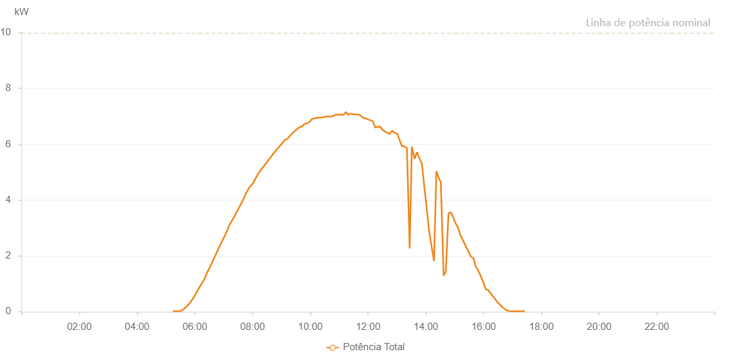

Number | Time | Working State | Alarm Code | Total Inverter Power(W)
1 | 02/04/2023 05:14:32 (UTC-4:00) | Normal |  | 20.000
2 | 02/04/2023 05:19:34 (UTC-4:00) | Normal |  | 20.000
3 | 02/04/2023 05:24:36 (UTC-4:00) | Normal |  | 20.000
4 | 02/04/2023 05:29:38 (UTC-4:00) | Normal |  | 20.000
5 | 02/04/2023 05:34:44 (UTC-4:00) | Normal |  | 60.000
6 | 02/04/2023 05:39:49 (UTC-4:00) | Normal |  | 140.000
7 | 02/04/2023 05:44:55 (UTC-4:00) | Normal |  | 220.000
8 | 02/04/2023 05:50:01 (UTC-4:00) | Normal |  | 320.000
9 | 02/04/2023 05:55:08 (UTC-4:00) | Normal |  | 450.000
10 | 02/04/2023 06:00:12 (UTC-4:00) | Normal |  | 590.000
11 | 02/04/2023 06:05:18 (UTC-4:00) | Normal |  | 740.000
12 | 02/04/2023 06:10:24 (UTC-4:00) | Normal |  | 900.000
13 | 02/04/2023 06:15:25 (UTC-4:00) | Normal |  | 1040.000
14 | 02/04/2023 06:20:28 (UTC-4:00) | Normal |  | 1190.000
15 | 02/04/2023 06:25:30 (UTC-4:00) | Normal |  | 1400.000
16 | 02/04/2023 06:30:32 (UTC-4:00) | Normal |  | 1570.000
17 | 02/04/2023 06:35:33 (UTC-4:00) | Normal |  | 1750.000
18 | 02/04/2023 06:40:35 (UTC-4:00) | Normal |  | 1940.000
19 | 02/04/2023 06:45:36 (UTC-4:00) | Normal |  | 2130.000
20 | 02/04/2023 06:50:38 (UTC-4:00) | Normal |  | 2320.000
21 | 02/04/2023 06:55:40 (UTC-4:00) | Normal |  | 2500.000
22 | 02/04/2023 07:00:42 (UTC-4:00) | Normal |  | 2670.000
23 | 02/04/2023 07:05:44 (UTC-4:00) | Normal |  | 2850.000
24 | 02/04/2023 07:10:48 (UTC-4:00) | Normal |  | 3070.000
25 | 02/04/2023 07:15:56 (UTC-4:00) | Normal |  | 3230.000
26 | 02/04/2023 07:21:03 (UTC-4:00) | Normal |  | 3380.000
27 | 02/04/2023 07:26:07 (UTC-4:00) | Normal |  | 3550.000
28 | 02/04/2023 07:31:14 (UTC-4:00) | Normal |  | 3710.000
29 | 02/04/2023 07:36:18 (UTC-4:00) | Normal |  | 3880.000
30 | 02/04/2023 07:41:25 (UTC-4:00) | Normal |  | 4050.000
31 | 02/04/2023 07:46:29 (UTC-4:00) | Normal |  | 4250.000
32 | 02/04/2023 07:51:35 (UTC-4:00) | Normal |  | 4410.000
33 | 02/04/2023 08:01:50 (UTC-4:00) | Normal |  | 4630.000
34 | 02/04/2023 08:06:52 (UTC-4:00) | Normal |  | 4800.000
35 | 02/04/2023 08:11:59 (UTC-4:00) | Normal |  | 4960.000
36 | 02/04/2023 08:32:18 (UTC-4:00) | Normal |  | 5420.000
37 | 02/04/2023 08:37:20 (UTC-4:00) | Normal |  | 5530.000
38 | 02/04/2023 08:42:24 (UTC-4:00) | Normal |  | 5650.000
39 | 02/04/2023 08:52:27 (UTC-4:00) | Normal |  | 5860.000
40 | 02/04/2023 09:02:33 (UTC-4:00) | Normal |  | 6060.000
41 | 02/04/2023 09:07:35 (UTC-4:00) | Normal |  | 6160.000
42 | 02/04/2023 09:12:37 (UTC-4:00) | Normal |  | 6200.000
43 | 02/04/2023 09:17:40 (UTC-4:00) | Normal |  | 6310.000
44 | 02/04/2023 09:27:45 (UTC-4:00) | Normal |  | 6480.000
45 | 02/04/2023 09:37:56 (UTC-4:00) | Normal |  | 6620.000
46 | 02/04/2023 09:43:01 (UTC-4:00) | Normal |  | 6640.000
47 | 02/04/2023 09:48:09 (UTC-4:00) | Normal |  | 6740.000
48 | 02/04/2023 09:53:14 (UTC-4:00) | Normal |  | 6750.000
49 | 02/04/2023 09:58:19 (UTC-4:00) | Normal |  | 6800.000
50 | 02/04/2023 10:03:27 (UTC-4:00) | Normal |  | 6910.000
51 | 02/04/2023 10:13:35 (UTC-4:00) | Normal |  | 6950.000
52 | 02/04/2023 10:23:38 (UTC-4:00) | Normal |  | 6960.000
53 | 02/04/2023 10:28:40 (UTC-4:00) | Normal |  | 6980.000
54 | 02/04/2023 10:33:42 (UTC-4:00) | Normal |  | 7000.000
55 | 02/04/2023 10:43:45 (UTC-4:00) | Normal |  | 7000.000
56 | 02/04/2023 10:48:47 (UTC-4:00) | Normal |  | 7020.000
57 | 02/04/2023 10:53:48 (UTC-4:00) | Normal |  | 7070.000
58 | 02/04/2023 10:58:50 (UTC-4:00) | Normal |  | 7060.000
59 | 02/04/2023 11:03:52 (UTC-4:00) | Normal |  | 7070.000
60 | 02/04/2023 11:08:53 (UTC-4:00) | Normal |  | 7060.000
61 | 02/04/2023 11:13:58 (UTC-4:00) | Normal |  | 7160.000
62 | 02/04/2023 11:19:05 (UTC-4:00) | Normal |  | 7060.000
63 | 02/04/2023 11:24:08 (UTC-4:00) | Normal |  | 7100.000
64 | 02/04/2023 11:29:15 (UTC-4:00) | Normal |  | 7080.000
65 | 02/04/2023 11:39:27 (UTC-4:00) | Normal |  | 7070.000
66 | 02/04/2023 11:44:33 (UTC-4:00) | Normal |  | 7030.000
67 | 02/04/2023 11:49:39 (UTC-4:00) | Normal |  | 6950.000
68 | 02/04/2023 11:54:42 (UTC-4:00) | Normal |  | 6930.000
69 | 02/04/2023 12:04:45 (UTC-4:00) | Normal |  | 6860.000
70 | 02/04/2023 12:09:47 (UTC-4:00) | Normal |  | 6830.000
71 | 02/04/2023 12:14:49 (UTC-4:00) | Normal |  | 6600.000
72 | 02/04/2023 12:19:50 (UTC-4:00) | Normal |  | 6620.000
73 | 02/04/2023 12:24:52 (UTC-4:00) | Normal |  | 6640.000
74 | 02/04/2023 12:29:54 (UTC-4:00) | Normal |  | 6520.000
75 | 02/04/2023 12:34:55 (UTC-4:00) | Normal |  | 6460.000
76 | 02/04/2023 12:44:59 (UTC-4:00) | Normal |  | 6370.000
77 | 02/04/2023 12:50:02 (UTC-4:00) | Normal |  | 6490.000
78 | 02/04/2023 12:55:10 (UTC-4:00) | Normal |  | 6410.000
79 | 02/04/2023 13:00:17 (UTC-4:00) | Normal |  | 6390.000
80 | 02/04/2023 13:10:27 (UTC-4:00) | Normal |  | 5930.000
81 | 02/04/2023 13:15:34 (UTC-4:00) | Normal |  | 5930.000
82 | 02/04/2023 13:20:40 (UTC-4:00) | Normal |  | 5860.000
83 | 02/04/2023 13:26:24 (UTC-4:00) | Normal |  | 2270.000
84 | 02/04/2023 13:30:53 (UTC-4:00) | Normal |  | 5920.000
85 | 02/04/2023 13:36:36 (UTC-4:00) | Normal |  | 5480.000
86 | 02/04/2023 13:41:34 (UTC-4:00) | Normal |  | 5720.000
87 | 02/04/2023 13:46:10 (UTC-4:00) | Normal |  | 5520.000
88 | 02/04/2023 13:51:36 (UTC-4:00) | Normal |  | 5320.000
89 | 02/04/2023 14:06:44 (UTC-4:00) | Normal |  | 2900.000
90 | 02/04/2023 14:16:56 (UTC-4:00) | Normal |  | 1810.000
91 | 02/04/2023 14:21:52 (UTC-4:00) | Normal |  | 5040.000
92 | 02/04/2023 14:26:56 (UTC-4:00) | Normal |  | 4790.000
93 | 02/04/2023 14:31:02 (UTC-4:00) | Normal |  | 4640.000
94 | 02/04/2023 14:36:59 (UTC-4:00) | Normal |  | 1290.000
95 | 02/04/2023 14:41:25 (UTC-4:00) | Normal |  | 1440.000
96 | 02/04/2023 14:47:02 (UTC-4:00) | Normal |  | 3520.000
97 | 02/04/2023 14:51:37 (UTC-4:00) | Normal |  | 3570.000
98 | 02/04/2023 14:57:06 (UTC-4:00) | Normal |  | 3380.000
99 | 02/04/2023 15:01:48 (UTC-4:00) | Normal |  | 3170.000
100 | 02/04/2023 15:06:53 (UTC-4:00) | Normal |  | 3010.000
101 | 02/04/2023 15:12:11 (UTC-4:00) | Normal |  | 2730.000
102 | 02/04/2023 15:23:48 (UTC-4:00) | Normal |  | 2320.000
103 | 02/04/2023 15:28:49 (UTC-4:00) | Normal |  | 2160.000
104 | 02/04/2023 15:33:36 (UTC-4:00) | Normal |  | 1970.000
105 | 02/04/2023 15:38:52 (UTC-4:00) | Normal |  | 1920.000
106 | 02/04/2023 15:43:46 (UTC-4:00) | Normal |  | 1620.000
107 | 02/04/2023 15:48:52 (UTC-4:00) | Normal |  | 1480.000
108 | 02/04/2023 15:53:58 (UTC-4:00) | Normal |  | 1280.000
109 | 02/04/2023 15:59:01 (UTC-4:00) | Normal |  | 1070.000
110 | 02/04/2023 16:04:07 (UTC-4:00) | Normal |  | 810.000
111 | 02/04/2023 16:09:13 (UTC-4:00) | Normal |  | 780.000
112 | 02/04/2023 16:19:22 (UTC-4:00) | Normal |  | 550.000
113 | 02/04/2023 16:24:27 (UTC-4:00) | Normal |  | 440.000
114 | 02/04/2023 16:29:34 (UTC-4:00) | Normal |  | 330.000
115 | 02/04/2023 16:34:39 (UTC-4:00) | Normal |  | 240.000
116 | 02/04/2023 16:39:41 (UTC-4:00) | Normal |  | 160.000
117 | 02/04/2023 16:44:47 (UTC-4:00) | Normal |  | 80.000
118 | 02/04/2023 16:49:54 (UTC-4:00) | Normal |  | 40.000
119 | 02/04/2023 16:54:59 (UTC-4:00) | Normal |  | 20.000
120 | 02/04/2023 17:00:06 (UTC-4:00) | Normal |  | 20.000
121 | 02/04/2023 17:05:11 (UTC-4:00) | Normal |  | 20.000
122 | 02/04/2023 17:10:14 (UTC-4:00) | Normal |  | 20.000
123 | 02/04/2023 17:15:20 (UTC-4:00) | Normal |  | 20.000
124 | 02/04/2023 17:20:23 (UTC-4:00) | Normal |  | 20.000
125 | 02/04/2023 17:25:28 (UTC-4:00) | Normal |  | 20.000

