Inverter History Report__17-08-
Inverter History Report_07/04/2023_Report

Inverter SN:054B7020C020042 |  | Inverter type:B7
Collector SN:4046045654 |  | Full Load Hours(h):0.70
Rated Power:10000Wp

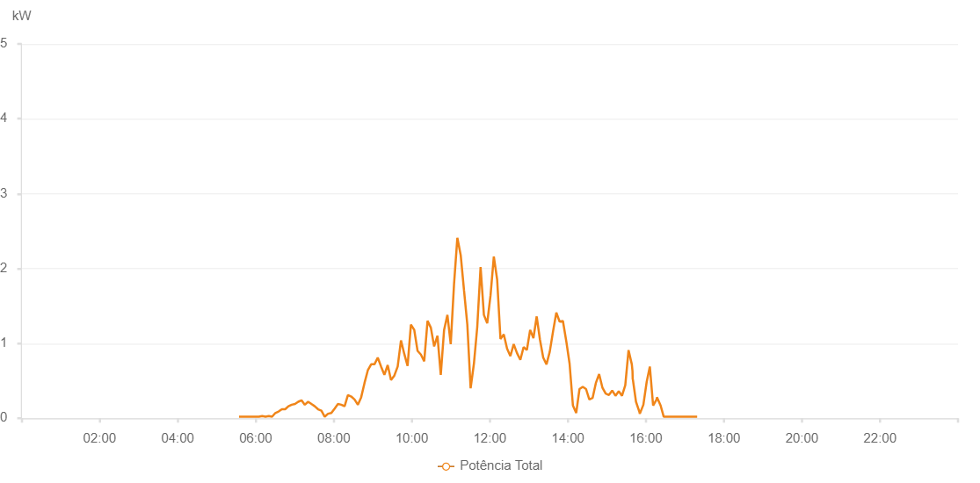

Number | Time | Working State | Alarm Code | Total Inverter Power(W)
1 | 07/04/2023 05:34:19 (UTC-4:00) | Normal |  | 20.000
2 | 07/04/2023 05:39:21 (UTC-4:00) | Normal |  | 20.000
3 | 07/04/2023 05:44:24 (UTC-4:00) | Normal |  | 20.000
4 | 07/04/2023 05:49:31 (UTC-4:00) | Normal |  | 20.000
5 | 07/04/2023 05:54:39 (UTC-4:00) | Normal |  | 20.000
6 | 07/04/2023 05:59:47 (UTC-4:00) | Normal |  | 20.000
7 | 07/04/2023 06:04:51 (UTC-4:00) | Normal |  | 20.000
8 | 07/04/2023 06:09:57 (UTC-4:00) | Normal |  | 30.000
9 | 07/04/2023 06:15:03 (UTC-4:00) | Normal |  | 20.000
10 | 07/04/2023 06:20:08 (UTC-4:00) | Normal |  | 30.000
11 | 07/04/2023 06:25:10 (UTC-4:00) | Normal |  | 20.000
12 | 07/04/2023 06:30:12 (UTC-4:00) | Normal |  | 70.000
13 | 07/04/2023 06:35:14 (UTC-4:00) | Normal |  | 90.000
14 | 07/04/2023 06:40:15 (UTC-4:00) | Normal |  | 120.000
15 | 07/04/2023 06:45:17 (UTC-4:00) | Normal |  | 120.000
16 | 07/04/2023 06:50:19 (UTC-4:00) | Normal |  | 160.000
17 | 07/04/2023 06:55:21 (UTC-4:00) | Normal |  | 180.000
18 | 07/04/2023 07:00:24 (UTC-4:00) | Normal |  | 190.000
19 | 07/04/2023 07:05:25 (UTC-4:00) | Normal |  | 220.000
20 | 07/04/2023 07:10:27 (UTC-4:00) | Normal |  | 240.000
21 | 07/04/2023 07:15:29 (UTC-4:00) | Normal |  | 180.000
22 | 07/04/2023 07:20:36 (UTC-4:00) | Normal |  | 220.000
23 | 07/04/2023 07:25:42 (UTC-4:00) | Normal |  | 190.000
24 | 07/04/2023 07:30:49 (UTC-4:00) | Normal |  | 160.000
25 | 07/04/2023 07:35:53 (UTC-4:00) | Normal |  | 120.000
26 | 07/04/2023 07:41:01 (UTC-4:00) | Normal |  | 100.000
27 | 07/04/2023 07:46:08 (UTC-4:00) | Normal |  | 20.000
28 | 07/04/2023 07:51:13 (UTC-4:00) | Normal |  | 60.000
29 | 07/04/2023 07:56:19 (UTC-4:00) | Normal |  | 70.000
30 | 07/04/2023 08:01:25 (UTC-4:00) | Normal |  | 130.000
31 | 07/04/2023 08:06:30 (UTC-4:00) | Normal |  | 190.000
32 | 07/04/2023 08:11:37 (UTC-4:00) | Normal |  | 180.000
33 | 07/04/2023 08:16:41 (UTC-4:00) | Normal |  | 160.000
34 | 07/04/2023 08:21:47 (UTC-4:00) | Normal |  | 310.000
35 | 07/04/2023 08:26:54 (UTC-4:00) | Normal |  | 290.000
36 | 07/04/2023 08:32:00 (UTC-4:00) | Normal |  | 250.000
37 | 07/04/2023 08:37:04 (UTC-4:00) | Normal |  | 180.000
38 | 07/04/2023 08:42:09 (UTC-4:00) | Normal |  | 280.000
39 | 07/04/2023 08:47:17 (UTC-4:00) | Normal |  | 470.000
40 | 07/04/2023 08:52:23 (UTC-4:00) | Normal |  | 640.000
41 | 07/04/2023 08:57:31 (UTC-4:00) | Normal |  | 720.000
42 | 07/04/2023 09:02:34 (UTC-4:00) | Normal |  | 720.000
43 | 07/04/2023 09:07:39 (UTC-4:00) | Normal |  | 810.000
44 | 07/04/2023 09:12:47 (UTC-4:00) | Normal |  | 690.000
45 | 07/04/2023 09:17:51 (UTC-4:00) | Normal |  | 580.000
46 | 07/04/2023 09:22:57 (UTC-4:00) | Normal |  | 710.000
47 | 07/04/2023 09:28:04 (UTC-4:00) | Normal |  | 510.000
48 | 07/04/2023 09:33:11 (UTC-4:00) | Normal |  | 570.000
49 | 07/04/2023 09:38:18 (UTC-4:00) | Normal |  | 690.000
50 | 07/04/2023 09:43:23 (UTC-4:00) | Normal |  | 1040.000
51 | 07/04/2023 09:48:26 (UTC-4:00) | Normal |  | 860.000
52 | 07/04/2023 09:53:32 (UTC-4:00) | Normal |  | 700.000
53 | 07/04/2023 09:58:40 (UTC-4:00) | Normal |  | 1250.000
54 | 07/04/2023 10:03:47 (UTC-4:00) | Normal |  | 1180.000
55 | 07/04/2023 10:08:53 (UTC-4:00) | Normal |  | 900.000
56 | 07/04/2023 10:14:00 (UTC-4:00) | Normal |  | 850.000
57 | 07/04/2023 10:19:07 (UTC-4:00) | Normal |  | 760.000
58 | 07/04/2023 10:24:13 (UTC-4:00) | Normal |  | 1300.000
59 | 07/04/2023 10:29:19 (UTC-4:00) | Normal |  | 1210.000
60 | 07/04/2023 10:34:23 (UTC-4:00) | Normal |  | 960.000
61 | 07/04/2023 10:39:29 (UTC-4:00) | Normal |  | 1100.000
62 | 07/04/2023 10:44:35 (UTC-4:00) | Normal |  | 580.000
63 | 07/04/2023 10:49:41 (UTC-4:00) | Normal |  | 1180.000
64 | 07/04/2023 10:54:47 (UTC-4:00) | Normal |  | 1380.000
65 | 07/04/2023 10:59:53 (UTC-4:00) | Normal |  | 990.000
66 | 07/04/2023 11:04:58 (UTC-4:00) | Normal |  | 1790.000
67 | 07/04/2023 11:10:04 (UTC-4:00) | Normal |  | 2410.000
68 | 07/04/2023 11:15:13 (UTC-4:00) | Normal |  | 2180.000
69 | 07/04/2023 11:20:18 (UTC-4:00) | Normal |  | 1710.000
70 | 07/04/2023 11:25:25 (UTC-4:00) | Normal |  | 1250.000
71 | 07/04/2023 11:30:29 (UTC-4:00) | Normal |  | 400.000
72 | 07/04/2023 11:35:34 (UTC-4:00) | Normal |  | 730.000
73 | 07/04/2023 11:40:41 (UTC-4:00) | Normal |  | 1220.000
74 | 07/04/2023 11:45:48 (UTC-4:00) | Normal |  | 2020.000
75 | 07/04/2023 11:50:54 (UTC-4:00) | Normal |  | 1380.000
76 | 07/04/2023 11:56:00 (UTC-4:00) | Normal |  | 1270.000
77 | 07/04/2023 12:01:05 (UTC-4:00) | Normal |  | 1640.000
78 | 07/04/2023 12:06:10 (UTC-4:00) | Normal |  | 2160.000
79 | 07/04/2023 12:11:17 (UTC-4:00) | Normal |  | 1850.000
80 | 07/04/2023 12:16:23 (UTC-4:00) | Normal |  | 1060.000
81 | 07/04/2023 12:21:29 (UTC-4:00) | Normal |  | 1120.000
82 | 07/04/2023 12:26:32 (UTC-4:00) | Normal |  | 930.000
83 | 07/04/2023 12:31:38 (UTC-4:00) | Normal |  | 830.000
84 | 07/04/2023 12:36:44 (UTC-4:00) | Normal |  | 990.000
85 | 07/04/2023 12:41:50 (UTC-4:00) | Normal |  | 870.000
86 | 07/04/2023 12:46:56 (UTC-4:00) | Normal |  | 780.000
87 | 07/04/2023 12:51:57 (UTC-4:00) | Normal |  | 950.000
88 | 07/04/2023 12:56:59 (UTC-4:00) | Normal |  | 910.000
89 | 07/04/2023 13:02:01 (UTC-4:00) | Normal |  | 1180.000
90 | 07/04/2023 13:07:03 (UTC-4:00) | Normal |  | 1070.000
91 | 07/04/2023 13:12:05 (UTC-4:00) | Normal |  | 1360.000
92 | 07/04/2023 13:17:06 (UTC-4:00) | Normal |  | 1050.000
93 | 07/04/2023 13:22:08 (UTC-4:00) | Normal |  | 810.000
94 | 07/04/2023 13:27:10 (UTC-4:00) | Normal |  | 720.000
95 | 07/04/2023 13:32:12 (UTC-4:00) | Normal |  | 890.000
96 | 07/04/2023 13:37:14 (UTC-4:00) | Normal |  | 1160.000
97 | 07/04/2023 13:42:16 (UTC-4:00) | Normal |  | 1410.000
98 | 07/04/2023 13:47:21 (UTC-4:00) | Normal |  | 1290.000
99 | 07/04/2023 13:52:25 (UTC-4:00) | Normal |  | 1300.000
100 | 07/04/2023 13:57:33 (UTC-4:00) | Normal |  | 1030.000
101 | 07/04/2023 14:02:39 (UTC-4:00) | Normal |  | 730.000
102 | 07/04/2023 14:07:47 (UTC-4:00) | Normal |  | 170.000
103 | 07/04/2023 14:12:50 (UTC-4:00) | Normal |  | 70.000
104 | 07/04/2023 14:17:54 (UTC-4:00) | Normal |  | 390.000
105 | 07/04/2023 14:22:54 (UTC-4:00) | Normal |  | 420.000
106 | 07/04/2023 14:27:58 (UTC-4:00) | Normal |  | 390.000
107 | 07/04/2023 14:33:00 (UTC-4:00) | Normal |  | 250.000
108 | 07/04/2023 14:38:02 (UTC-4:00) | Normal |  | 270.000
109 | 07/04/2023 14:43:03 (UTC-4:00) | Normal |  | 470.000
110 | 07/04/2023 14:48:05 (UTC-4:00) | Normal |  | 590.000
111 | 07/04/2023 14:53:07 (UTC-4:00) | Normal |  | 410.000
112 | 07/04/2023 14:58:09 (UTC-4:00) | Normal |  | 330.000
113 | 07/04/2023 15:03:10 (UTC-4:00) | Normal |  | 310.000
114 | 07/04/2023 15:08:12 (UTC-4:00) | Normal |  | 370.000
115 | 07/04/2023 15:13:14 (UTC-4:00) | Normal |  | 300.000
116 | 07/04/2023 15:18:15 (UTC-4:00) | Normal |  | 360.000
117 | 07/04/2023 15:23:17 (UTC-4:00) | Normal |  | 300.000
118 | 07/04/2023 15:28:19 (UTC-4:00) | Normal |  | 440.000
119 | 07/04/2023 15:33:21 (UTC-4:00) | Normal |  | 910.000
120 | 07/04/2023 15:38:22 (UTC-4:00) | Normal |  | 720.000
121 | 07/04/2023 15:39:24 (UTC-4:00) | Normal |  | 630.000
122 | 07/04/2023 15:39:44 (UTC-4:00) | Normal |  | 520.000
123 | 07/04/2023 15:39:56 (UTC-4:00) | Normal |  | 520.000
124 | 07/04/2023 15:44:48 (UTC-4:00) | Normal |  | 220.000
125 | 07/04/2023 15:50:12 (UTC-4:00) | Normal |  | 80.000
126 | 07/04/2023 15:50:40 (UTC-4:00) | Normal |  | 60.000
127 | 07/04/2023 15:56:08 (UTC-4:00) | Normal |  | 180.000
128 | 07/04/2023 16:01:18 (UTC-4:00) | Normal |  | 490.000
129 | 07/04/2023 16:01:19 (UTC-4:00) | Normal |  | 490.000
130 | 07/04/2023 16:06:05 (UTC-4:00) | Normal |  | 690.000
131 | 07/04/2023 16:11:06 (UTC-4:00) | Normal |  | 170.000
132 | 07/04/2023 16:16:28 (UTC-4:00) | Normal |  | 250.000
133 | 07/04/2023 16:17:00 (UTC-4:00) | Normal |  | 280.000
134 | 07/04/2023 16:22:38 (UTC-4:00) | Normal |  | 170.000
135 | 07/04/2023 16:27:27 (UTC-4:00) | Normal |  | 20.000
136 | 07/04/2023 16:32:55 (UTC-4:00) | Normal |  | 20.000
137 | 07/04/2023 16:37:49 (UTC-4:00) | Normal |  | 20.000
138 | 07/04/2023 16:42:46 (UTC-4:00) | Normal |  | 20.000
139 | 07/04/2023 16:43:20 (UTC-4:00) | Normal |  | 20.000
140 | 07/04/2023 16:48:44 (UTC-4:00) | Normal |  | 20.000
141 | 07/04/2023 16:53:44 (UTC-4:00) | Normal |  | 20.000
142 | 07/04/2023 16:58:46 (UTC-4:00) | Normal |  | 20.000
143 | 07/04/2023 17:03:48 (UTC-4:00) | Normal |  | 20.000
144 | 07/04/2023 17:08:49 (UTC-4:00) | Normal |  | 20.000
145 | 07/04/2023 17:13:50 (UTC-4:00) | Normal |  | 20.000
146 | 07/04/2023 17:18:51 (UTC-4:00) | Normal |  | 20.000

