Inverter History Report__17-08-
Inverter History Report_08/04/2023_Report

Inverter SN:054B7020C020042 |  | Inverter type:B7
Collector SN:4046045654 |  | Full Load Hours(h):3.00
Rated Power:10000Wp

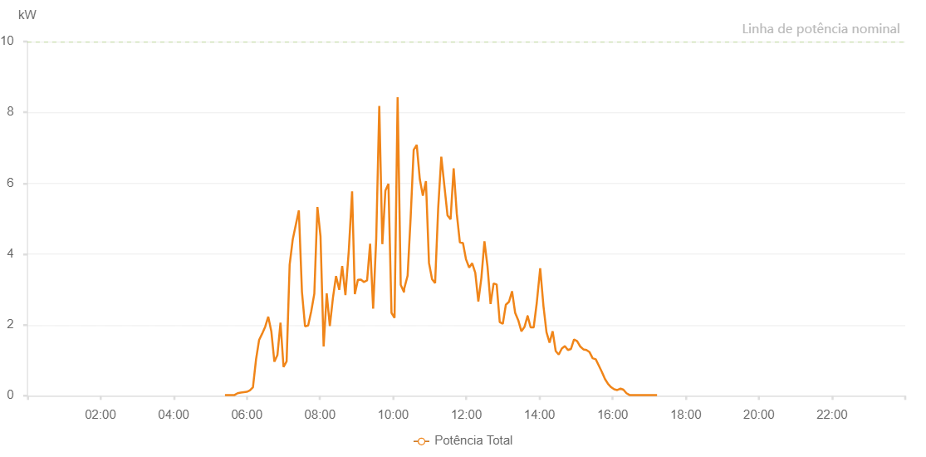

Number | Time | Working State | Alarm Code | Total Inverter Power(W)
1 | 08/04/2023 05:24:10 (UTC-4:00) | Normal |  | 20.000
2 | 08/04/2023 05:29:50 (UTC-4:00) | Normal |  | 20.000
3 | 08/04/2023 05:34:51 (UTC-4:00) | Normal |  | 20.000
4 | 08/04/2023 05:39:51 (UTC-4:00) | Normal |  | 20.000
5 | 08/04/2023 05:44:52 (UTC-4:00) | Normal |  | 70.000
6 | 08/04/2023 05:49:52 (UTC-4:00) | Normal |  | 90.000
7 | 08/04/2023 05:54:53 (UTC-4:00) | Normal |  | 100.000
8 | 08/04/2023 05:59:54 (UTC-4:00) | Normal |  | 110.000
9 | 08/04/2023 06:04:56 (UTC-4:00) | Normal |  | 150.000
10 | 08/04/2023 06:10:03 (UTC-4:00) | Normal |  | 240.000
11 | 08/04/2023 06:15:05 (UTC-4:00) | Normal |  | 1020.000
12 | 08/04/2023 06:20:06 (UTC-4:00) | Normal |  | 1570.000
13 | 08/04/2023 06:25:06 (UTC-4:00) | Normal |  | 1750.000
14 | 08/04/2023 06:30:10 (UTC-4:00) | Normal |  | 1950.000
15 | 08/04/2023 06:35:10 (UTC-4:00) | Normal |  | 2230.000
16 | 08/04/2023 06:40:11 (UTC-4:00) | Normal |  | 1820.000
17 | 08/04/2023 06:45:12 (UTC-4:00) | Normal |  | 960.000
18 | 08/04/2023 06:50:13 (UTC-4:00) | Normal |  | 1150.000
19 | 08/04/2023 06:55:14 (UTC-4:00) | Normal |  | 2060.000
20 | 08/04/2023 07:00:14 (UTC-4:00) | Normal |  | 810.000
21 | 08/04/2023 07:05:17 (UTC-4:00) | Normal |  | 970.000
22 | 08/04/2023 07:10:15 (UTC-4:00) | Normal |  | 3700.000
23 | 08/04/2023 07:15:18 (UTC-4:00) | Normal |  | 4410.000
24 | 08/04/2023 07:20:18 (UTC-4:00) | Normal |  | 4820.000
25 | 08/04/2023 07:25:22 (UTC-4:00) | Normal |  | 5230.000
26 | 08/04/2023 07:30:27 (UTC-4:00) | Normal |  | 2930.000
27 | 08/04/2023 07:35:30 (UTC-4:00) | Normal |  | 1960.000
28 | 08/04/2023 07:40:36 (UTC-4:00) | Normal |  | 1980.000
29 | 08/04/2023 07:45:38 (UTC-4:00) | Normal |  | 2380.000
30 | 08/04/2023 07:50:43 (UTC-4:00) | Normal |  | 2880.000
31 | 08/04/2023 07:55:48 (UTC-4:00) | Normal |  | 5330.000
32 | 08/04/2023 08:00:52 (UTC-4:00) | Normal |  | 4500.000
33 | 08/04/2023 08:05:59 (UTC-4:00) | Normal |  | 1390.000
34 | 08/04/2023 08:11:04 (UTC-4:00) | Normal |  | 2890.000
35 | 08/04/2023 08:16:09 (UTC-4:00) | Normal |  | 1970.000
36 | 08/04/2023 08:21:14 (UTC-4:00) | Normal |  | 2760.000
37 | 08/04/2023 08:26:22 (UTC-4:00) | Normal |  | 3380.000
38 | 08/04/2023 08:31:37 (UTC-4:00) | Normal |  | 2990.000
39 | 08/04/2023 08:36:27 (UTC-4:00) | Normal |  | 3660.000
40 | 08/04/2023 08:41:44 (UTC-4:00) | Normal |  | 2840.000
41 | 08/04/2023 08:47:17 (UTC-4:00) | Normal |  | 4100.000
42 | 08/04/2023 08:52:42 (UTC-4:00) | Normal |  | 5770.000
43 | 08/04/2023 08:57:11 (UTC-4:00) | Normal |  | 2870.000
44 | 08/04/2023 09:02:10 (UTC-4:00) | Normal |  | 3270.000
45 | 08/04/2023 09:07:10 (UTC-4:00) | Normal |  | 3280.000
46 | 08/04/2023 09:12:11 (UTC-4:00) | Normal |  | 3210.000
47 | 08/04/2023 09:17:18 (UTC-4:00) | Normal |  | 3260.000
48 | 08/04/2023 09:22:14 (UTC-4:00) | Normal |  | 4290.000
49 | 08/04/2023 09:27:14 (UTC-4:00) | Normal |  | 2460.000
50 | 08/04/2023 09:32:15 (UTC-4:00) | Normal |  | 4430.000
51 | 08/04/2023 09:37:16 (UTC-4:00) | Normal |  | 8180.000
52 | 08/04/2023 09:42:17 (UTC-4:00) | Normal |  | 4280.000
53 | 08/04/2023 09:47:17 (UTC-4:00) | Normal |  | 5790.000
54 | 08/04/2023 09:52:18 (UTC-4:00) | Normal |  | 5980.000
55 | 08/04/2023 09:57:18 (UTC-4:00) | Normal |  | 2340.000
56 | 08/04/2023 10:02:19 (UTC-4:00) | Normal |  | 2200.000
57 | 08/04/2023 10:07:21 (UTC-4:00) | Normal |  | 8430.000
58 | 08/04/2023 10:12:28 (UTC-4:00) | Normal |  | 3120.000
59 | 08/04/2023 10:12:40 (UTC-4:00) | Normal |  | 3120.000
60 | 08/04/2023 10:17:44 (UTC-4:00) | Normal |  | 2930.000
61 | 08/04/2023 10:17:52 (UTC-4:00) | Normal |  | 2930.000
62 | 08/04/2023 10:18:16 (UTC-4:00) | Normal |  | 3030.000
63 | 08/04/2023 10:23:44 (UTC-4:00) | Normal |  | 3390.000
64 | 08/04/2023 10:28:45 (UTC-4:00) | Normal |  | 5040.000
65 | 08/04/2023 10:33:42 (UTC-4:00) | Normal |  | 6940.000
66 | 08/04/2023 10:38:43 (UTC-4:00) | Normal |  | 7080.000
67 | 08/04/2023 10:43:46 (UTC-4:00) | Normal |  | 6110.000
68 | 08/04/2023 10:48:47 (UTC-4:00) | Normal |  | 5650.000
69 | 08/04/2023 10:53:48 (UTC-4:00) | Normal |  | 6060.000
70 | 08/04/2023 10:58:49 (UTC-4:00) | Normal |  | 3750.000
71 | 08/04/2023 11:03:51 (UTC-4:00) | Normal |  | 3290.000
72 | 08/04/2023 11:08:51 (UTC-4:00) | Normal |  | 3180.000
73 | 08/04/2023 11:13:52 (UTC-4:00) | Normal |  | 5280.000
74 | 08/04/2023 11:19:00 (UTC-4:00) | Normal |  | 6750.000
75 | 08/04/2023 11:24:02 (UTC-4:00) | Normal |  | 5930.000
76 | 08/04/2023 11:29:13 (UTC-4:00) | Normal |  | 5090.000
77 | 08/04/2023 11:34:12 (UTC-4:00) | Normal |  | 4980.000
78 | 08/04/2023 11:39:17 (UTC-4:00) | Normal |  | 6420.000
79 | 08/04/2023 11:44:24 (UTC-4:00) | Normal |  | 5140.000
80 | 08/04/2023 11:49:27 (UTC-4:00) | Normal |  | 4330.000
81 | 08/04/2023 11:54:33 (UTC-4:00) | Normal |  | 4310.000
82 | 08/04/2023 11:59:38 (UTC-4:00) | Normal |  | 3840.000
83 | 08/04/2023 11:59:49 (UTC-4:00) | Normal |  | 3840.000
84 | 08/04/2023 12:04:41 (UTC-4:00) | Normal |  | 3620.000
85 | 08/04/2023 12:09:42 (UTC-4:00) | Normal |  | 3740.000
86 | 08/04/2023 12:14:45 (UTC-4:00) | Normal |  | 3470.000
87 | 08/04/2023 12:19:44 (UTC-4:00) | Normal |  | 2660.000
88 | 08/04/2023 12:24:45 (UTC-4:00) | Normal |  | 3330.000
89 | 08/04/2023 12:29:46 (UTC-4:00) | Normal |  | 4360.000
90 | 08/04/2023 12:34:47 (UTC-4:00) | Normal |  | 3650.000
91 | 08/04/2023 12:39:49 (UTC-4:00) | Normal |  | 2590.000
92 | 08/04/2023 12:44:49 (UTC-4:00) | Normal |  | 3170.000
93 | 08/04/2023 12:49:50 (UTC-4:00) | Normal |  | 3140.000
94 | 08/04/2023 12:54:51 (UTC-4:00) | Normal |  | 2080.000
95 | 08/04/2023 12:59:52 (UTC-4:00) | Normal |  | 2030.000
96 | 08/04/2023 13:04:53 (UTC-4:00) | Normal |  | 2570.000
97 | 08/04/2023 13:10:01 (UTC-4:00) | Normal |  | 2650.000
98 | 08/04/2023 13:15:03 (UTC-4:00) | Normal |  | 2950.000
99 | 08/04/2023 13:20:09 (UTC-4:00) | Normal |  | 2340.000
100 | 08/04/2023 13:25:14 (UTC-4:00) | Normal |  | 2130.000
101 | 08/04/2023 13:30:21 (UTC-4:00) | Normal |  | 1820.000
102 | 08/04/2023 13:35:26 (UTC-4:00) | Normal |  | 1940.000
103 | 08/04/2023 13:40:29 (UTC-4:00) | Normal |  | 2250.000
104 | 08/04/2023 13:40:41 (UTC-4:00) | Normal |  | 2250.000
105 | 08/04/2023 13:45:31 (UTC-4:00) | Normal |  | 1930.000
106 | 08/04/2023 13:50:32 (UTC-4:00) | Normal |  | 1930.000
107 | 08/04/2023 13:55:31 (UTC-4:00) | Normal |  | 2610.000
108 | 08/04/2023 14:01:14 (UTC-4:00) | Normal |  | 3600.000
109 | 08/04/2023 14:06:39 (UTC-4:00) | Normal |  | 2520.000
110 | 08/04/2023 14:11:34 (UTC-4:00) | Normal |  | 1790.000
111 | 08/04/2023 14:16:35 (UTC-4:00) | Normal |  | 1500.000
112 | 08/04/2023 14:21:39 (UTC-4:00) | Normal |  | 1820.000
113 | 08/04/2023 14:26:41 (UTC-4:00) | Normal |  | 1260.000
114 | 08/04/2023 14:31:39 (UTC-4:00) | Normal |  | 1160.000
115 | 08/04/2023 14:36:39 (UTC-4:00) | Normal |  | 1330.000
116 | 08/04/2023 14:41:40 (UTC-4:00) | Normal |  | 1400.000
117 | 08/04/2023 14:46:41 (UTC-4:00) | Normal |  | 1290.000
118 | 08/04/2023 14:51:42 (UTC-4:00) | Normal |  | 1320.000
119 | 08/04/2023 14:56:47 (UTC-4:00) | Normal |  | 1590.000
120 | 08/04/2023 15:01:50 (UTC-4:00) | Normal |  | 1540.000
121 | 08/04/2023 15:06:55 (UTC-4:00) | Normal |  | 1390.000
122 | 08/04/2023 15:12:01 (UTC-4:00) | Normal |  | 1310.000
123 | 08/04/2023 15:17:07 (UTC-4:00) | Normal |  | 1290.000
124 | 08/04/2023 15:22:12 (UTC-4:00) | Normal |  | 1230.000
125 | 08/04/2023 15:27:15 (UTC-4:00) | Normal |  | 1060.000
126 | 08/04/2023 15:32:19 (UTC-4:00) | Normal |  | 1030.000
127 | 08/04/2023 15:37:25 (UTC-4:00) | Normal |  | 850.000
128 | 08/04/2023 15:42:29 (UTC-4:00) | Normal |  | 670.000
129 | 08/04/2023 15:47:34 (UTC-4:00) | Normal |  | 470.000
130 | 08/04/2023 15:52:38 (UTC-4:00) | Normal |  | 330.000
131 | 08/04/2023 15:57:38 (UTC-4:00) | Normal |  | 240.000
132 | 08/04/2023 16:02:39 (UTC-4:00) | Normal |  | 180.000
133 | 08/04/2023 16:07:41 (UTC-4:00) | Normal |  | 160.000
134 | 08/04/2023 16:13:04 (UTC-4:00) | Normal |  | 200.000
135 | 08/04/2023 16:13:05 (UTC-4:00) | Normal |  | 200.000
136 | 08/04/2023 16:17:46 (UTC-4:00) | Normal |  | 170.000
137 | 08/04/2023 16:22:45 (UTC-4:00) | Normal |  | 70.000
138 | 08/04/2023 16:27:46 (UTC-4:00) | Normal |  | 20.000
139 | 08/04/2023 16:32:52 (UTC-4:00) | Normal |  | 20.000
140 | 08/04/2023 16:37:52 (UTC-4:00) | Normal |  | 20.000
141 | 08/04/2023 16:42:49 (UTC-4:00) | Normal |  | 20.000
142 | 08/04/2023 16:47:50 (UTC-4:00) | Normal |  | 20.000
143 | 08/04/2023 16:52:51 (UTC-4:00) | Normal |  | 20.000
144 | 08/04/2023 16:57:51 (UTC-4:00) | Normal |  | 20.000
145 | 08/04/2023 17:02:52 (UTC-4:00) | Normal |  | 20.000
146 | 08/04/2023 17:07:52 (UTC-4:00) | Normal |  | 20.000
147 | 08/04/2023 17:12:53 (UTC-4:00) | Normal |  | 20.000

