Inverter History Report__17-08-
Inverter History Report_15/04/2023_Report

Inverter SN:054B7020C020042 |  | Inverter type:B7
Collector SN:4046045654 |  | Full Load Hours(h):3.40
Rated Power:10000Wp

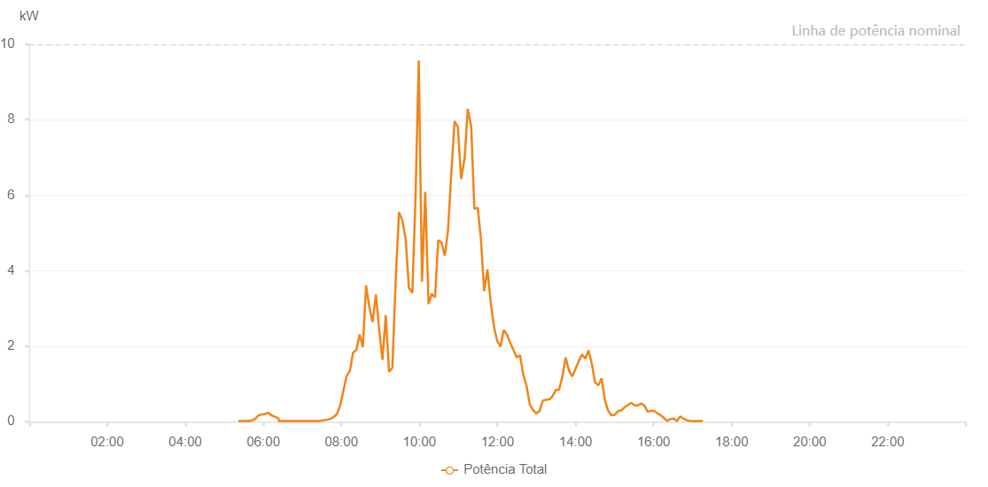

Number | Time | Working State | Alarm Code | Total Inverter Power(W)
1 | 15/04/2023 05:26:07 (UTC-4:00) | Normal |  | 20.000
2 | 15/04/2023 05:31:08 (UTC-4:00) | Normal |  | 20.000
3 | 15/04/2023 05:36:10 (UTC-4:00) | Normal |  | 20.000
4 | 15/04/2023 05:41:14 (UTC-4:00) | Normal |  | 40.000
5 | 15/04/2023 05:46:18 (UTC-4:00) | Normal |  | 20.000
6 | 15/04/2023 05:51:25 (UTC-4:00) | Normal |  | 40.000
7 | 15/04/2023 05:56:32 (UTC-4:00) | Normal |  | 240.000
8 | 15/04/2023 06:01:35 (UTC-4:00) | Normal |  | 640.000
9 | 15/04/2023 06:06:41 (UTC-4:00) | Normal |  | 380.000
10 | 15/04/2023 06:11:47 (UTC-4:00) | Normal |  | 300.000
11 | 15/04/2023 06:16:53 (UTC-4:00) | Normal |  | 280.000
12 | 15/04/2023 06:21:59 (UTC-4:00) | Normal |  | 420.000
13 | 15/04/2023 06:27:06 (UTC-4:00) | Normal |  | 470.000
14 | 15/04/2023 06:32:12 (UTC-4:00) | Normal |  | 940.000
15 | 15/04/2023 06:37:17 (UTC-4:00) | Normal |  | 920.000
16 | 15/04/2023 06:42:25 (UTC-4:00) | Normal |  | 1740.000
17 | 15/04/2023 06:47:29 (UTC-4:00) | Normal |  | 1280.000
18 | 15/04/2023 06:52:37 (UTC-4:00) | Normal |  | 2100.000
19 | 15/04/2023 06:57:42 (UTC-4:00) | Normal |  | 1090.000
20 | 15/04/2023 07:02:48 (UTC-4:00) | Normal |  | 2670.000
21 | 15/04/2023 07:07:52 (UTC-4:00) | Normal |  | 980.000
22 | 15/04/2023 07:12:59 (UTC-4:00) | Normal |  | 2170.000
23 | 15/04/2023 07:18:04 (UTC-4:00) | Normal |  | 1710.000
24 | 15/04/2023 07:23:11 (UTC-4:00) | Normal |  | 1540.000
25 | 15/04/2023 07:28:13 (UTC-4:00) | Normal |  | 2080.000
26 | 15/04/2023 07:38:27 (UTC-4:00) | Normal |  | 2000.000
27 | 15/04/2023 07:48:37 (UTC-4:00) | Normal |  | 5470.000
28 | 15/04/2023 07:53:44 (UTC-4:00) | Normal |  | 4770.000
29 | 15/04/2023 07:58:47 (UTC-4:00) | Normal |  | 2590.000
30 | 15/04/2023 08:03:55 (UTC-4:00) | Normal |  | 1920.000
31 | 15/04/2023 08:14:03 (UTC-4:00) | Normal |  | 2460.000
32 | 15/04/2023 08:19:09 (UTC-4:00) | Normal |  | 2060.000
33 | 15/04/2023 08:29:22 (UTC-4:00) | Normal |  | 6350.000
34 | 15/04/2023 08:34:26 (UTC-4:00) | Normal |  | 6850.000
35 | 15/04/2023 08:39:32 (UTC-4:00) | Normal |  | 6690.000
36 | 15/04/2023 08:49:43 (UTC-4:00) | Normal |  | 7420.000
37 | 15/04/2023 08:54:50 (UTC-4:00) | Normal |  | 3160.000
38 | 15/04/2023 08:59:56 (UTC-4:00) | Normal |  | 4090.000
39 | 15/04/2023 09:04:59 (UTC-4:00) | Normal |  | 6290.000
40 | 15/04/2023 09:10:05 (UTC-4:00) | Normal |  | 6050.000
41 | 15/04/2023 09:15:11 (UTC-4:00) | Normal |  | 6190.000
42 | 15/04/2023 09:20:18 (UTC-4:00) | Normal |  | 6240.000
43 | 15/04/2023 09:30:28 (UTC-4:00) | Normal |  | 7020.000
44 | 15/04/2023 09:35:35 (UTC-4:00) | Normal |  | 6820.000
45 | 15/04/2023 09:40:42 (UTC-4:00) | Normal |  | 7230.000
46 | 15/04/2023 09:45:45 (UTC-4:00) | Normal |  | 5960.000
47 | 15/04/2023 09:50:52 (UTC-4:00) | Normal |  | 2440.000
48 | 15/04/2023 10:01:02 (UTC-4:00) | Normal |  | 8330.000
49 | 15/04/2023 10:06:08 (UTC-4:00) | Normal |  | 7530.000
50 | 15/04/2023 10:11:13 (UTC-4:00) | Normal |  | 7170.000
51 | 15/04/2023 10:16:19 (UTC-4:00) | Normal |  | 7830.000
52 | 15/04/2023 10:21:25 (UTC-4:00) | Normal |  | 8340.000
53 | 15/04/2023 10:26:29 (UTC-4:00) | Normal |  | 3900.000
54 | 15/04/2023 10:31:34 (UTC-4:00) | Normal |  | 1780.000
55 | 15/04/2023 10:36:41 (UTC-4:00) | Normal |  | 2240.000
56 | 15/04/2023 10:41:46 (UTC-4:00) | Normal |  | 3210.000
57 | 15/04/2023 10:46:53 (UTC-4:00) | Normal |  | 2270.000
58 | 15/04/2023 10:51:58 (UTC-4:00) | Normal |  | 1590.000
59 | 15/04/2023 10:57:03 (UTC-4:00) | Normal |  | 1940.000
60 | 15/04/2023 11:02:09 (UTC-4:00) | Normal |  | 2870.000
61 | 15/04/2023 11:07:13 (UTC-4:00) | Normal |  | 5100.000
62 | 15/04/2023 11:12:14 (UTC-4:00) | Normal |  | 3250.000
63 | 15/04/2023 11:17:16 (UTC-4:00) | Normal |  | 3400.000
64 | 15/04/2023 11:22:17 (UTC-4:00) | Normal |  | 3310.000
65 | 15/04/2023 11:27:19 (UTC-4:00) | Normal |  | 4740.000
66 | 15/04/2023 11:32:20 (UTC-4:00) | Normal |  | 3930.000
67 | 15/04/2023 11:37:21 (UTC-4:00) | Normal |  | 6100.000
68 | 15/04/2023 11:42:23 (UTC-4:00) | Normal |  | 4650.000
69 | 15/04/2023 11:47:25 (UTC-4:00) | Normal |  | 1930.000
70 | 15/04/2023 11:52:27 (UTC-4:00) | Normal |  | 1130.000
71 | 15/04/2023 11:57:28 (UTC-4:00) | Normal |  | 1040.000
72 | 15/04/2023 12:02:30 (UTC-4:00) | Normal |  | 990.000
73 | 15/04/2023 12:07:33 (UTC-4:00) | Normal |  | 1730.000
74 | 15/04/2023 12:12:38 (UTC-4:00) | Normal |  | 4680.000
75 | 15/04/2023 12:17:44 (UTC-4:00) | Normal |  | 8230.000
76 | 15/04/2023 12:22:52 (UTC-4:00) | Normal |  | 8010.000
77 | 15/04/2023 12:27:57 (UTC-4:00) | Normal |  | 3860.000
78 | 15/04/2023 12:33:03 (UTC-4:00) | Normal |  | 1940.000
79 | 15/04/2023 12:38:08 (UTC-4:00) | Normal |  | 6300.000
80 | 15/04/2023 12:43:15 (UTC-4:00) | Normal |  | 1420.000
81 | 15/04/2023 12:48:17 (UTC-4:00) | Normal |  | 1970.000
82 | 15/04/2023 12:53:23 (UTC-4:00) | Normal |  | 1310.000
83 | 15/04/2023 12:58:29 (UTC-4:00) | Normal |  | 1080.000
84 | 15/04/2023 13:03:37 (UTC-4:00) | Normal |  | 4640.000
85 | 15/04/2023 13:08:40 (UTC-4:00) | Normal |  | 1980.000
86 | 15/04/2023 13:13:46 (UTC-4:00) | Normal |  | 7730.000
87 | 15/04/2023 13:18:52 (UTC-4:00) | Normal |  | 6970.000
88 | 15/04/2023 13:23:59 (UTC-4:00) | Normal |  | 1070.000
89 | 15/04/2023 13:29:02 (UTC-4:00) | Normal |  | 940.000
90 | 15/04/2023 13:34:07 (UTC-4:00) | Normal |  | 4310.000
91 | 15/04/2023 13:39:14 (UTC-4:00) | Normal |  | 5550.000
92 | 15/04/2023 13:44:19 (UTC-4:00) | Normal |  | 5460.000
93 | 15/04/2023 13:49:24 (UTC-4:00) | Normal |  | 5210.000
94 | 15/04/2023 13:54:30 (UTC-4:00) | Normal |  | 5200.000
95 | 15/04/2023 13:59:37 (UTC-4:00) | Normal |  | 5040.000
96 | 15/04/2023 14:04:40 (UTC-4:00) | Normal |  | 4850.000
97 | 15/04/2023 14:09:46 (UTC-4:00) | Normal |  | 4550.000
98 | 15/04/2023 14:14:51 (UTC-4:00) | Normal |  | 4350.000
99 | 15/04/2023 14:19:57 (UTC-4:00) | Normal |  | 2040.000
100 | 15/04/2023 14:25:03 (UTC-4:00) | Normal |  | 4180.000
101 | 15/04/2023 14:30:09 (UTC-4:00) | Normal |  | 4110.000
102 | 15/04/2023 14:35:14 (UTC-4:00) | Normal |  | 3670.000
103 | 15/04/2023 14:40:21 (UTC-4:00) | Normal |  | 3460.000
104 | 15/04/2023 14:45:26 (UTC-4:00) | Normal |  | 3390.000
105 | 15/04/2023 14:50:32 (UTC-4:00) | Normal |  | 760.000
106 | 15/04/2023 14:55:38 (UTC-4:00) | Normal |  | 480.000
107 | 15/04/2023 15:00:42 (UTC-4:00) | Normal |  | 3230.000
108 | 15/04/2023 15:05:49 (UTC-4:00) | Normal |  | 820.000
109 | 15/04/2023 15:10:53 (UTC-4:00) | Normal |  | 950.000
110 | 15/04/2023 15:15:54 (UTC-4:00) | Normal |  | 820.000
111 | 15/04/2023 15:20:55 (UTC-4:00) | Normal |  | 2150.000
112 | 15/04/2023 15:25:57 (UTC-4:00) | Normal |  | 450.000
113 | 15/04/2023 15:29:31 (UTC-4:00) | Normal |  | 600.000
114 | 15/04/2023 15:34:48 (UTC-4:00) | Normal |  | 1660.000
115 | 15/04/2023 15:39:49 (UTC-4:00) | Normal |  | 1470.000
116 | 15/04/2023 15:44:49 (UTC-4:00) | Normal |  | 480.000
117 | 15/04/2023 15:49:50 (UTC-4:00) | Normal |  | 300.000
118 | 15/04/2023 15:54:51 (UTC-4:00) | Normal |  | 160.000
119 | 15/04/2023 15:59:51 (UTC-4:00) | Normal |  | 110.000
120 | 15/04/2023 16:04:52 (UTC-4:00) | Normal |  | 90.000
121 | 15/04/2023 16:09:57 (UTC-4:00) | Normal |  | 90.000
122 | 15/04/2023 16:15:03 (UTC-4:00) | Normal |  | 60.000
123 | 15/04/2023 16:20:06 (UTC-4:00) | Normal |  | 90.000
124 | 15/04/2023 16:25:06 (UTC-4:00) | Normal |  | 170.000
125 | 15/04/2023 16:30:07 (UTC-4:00) | Normal |  | 30.000
126 | 15/04/2023 16:35:08 (UTC-4:00) | Normal |  | 20.000
127 | 15/04/2023 16:40:08 (UTC-4:00) | Normal |  | 20.000
128 | 15/04/2023 16:45:10 (UTC-4:00) | Normal |  | 20.000
129 | 15/04/2023 16:50:10 (UTC-4:00) | Normal |  | 20.000
130 | 15/04/2023 16:55:12 (UTC-4:00) | Normal |  | 20.000
131 | 15/04/2023 17:00:13 (UTC-4:00) | Normal |  | 20.000
132 | 15/04/2023 17:05:13 (UTC-4:00) | Normal |  | 20.000
133 | 15/04/2023 17:10:14 (UTC-4:00) | Normal |  | 20.000
134 | 15/04/2023 17:15:14 (UTC-4:00) | Normal |  | 20.000

