Inverter History Report__17-08-
Inverter History Report_16/04/2023_Report

Inverter SN:054B7020C020042 |  | Inverter type:B7
Collector SN:4046045654 |  | Full Load Hours(h):4.70
Rated Power:10000Wp

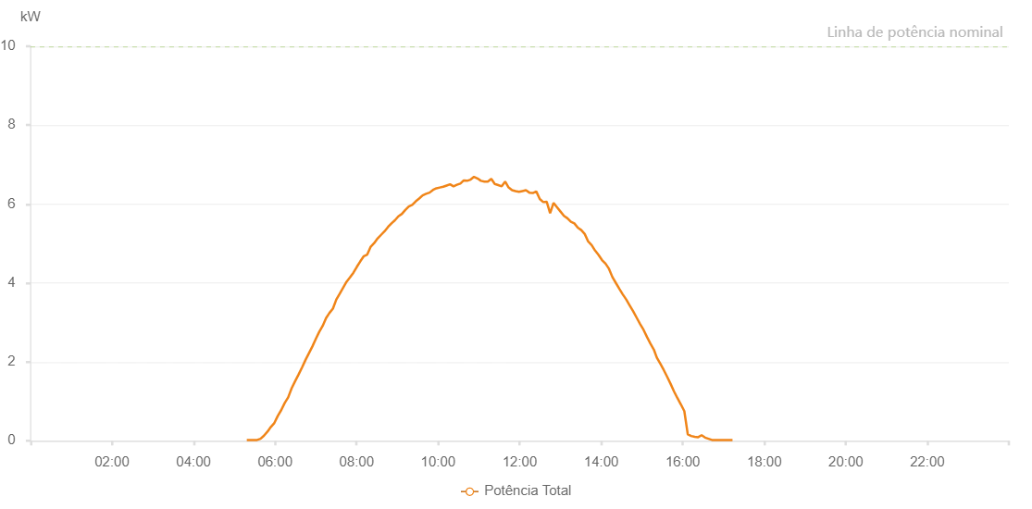

Number | Time | Working State | Alarm Code | Total Inverter Power(W)
1 | 16/04/2023 05:18:23 (UTC-4:00) | Normal |  | 20.000
2 | 16/04/2023 05:23:24 (UTC-4:00) | Normal |  | 20.000
3 | 16/04/2023 05:28:25 (UTC-4:00) | Normal |  | 20.000
4 | 16/04/2023 05:33:28 (UTC-4:00) | Normal |  | 20.000
5 | 16/04/2023 05:38:34 (UTC-4:00) | Normal |  | 50.000
6 | 16/04/2023 05:43:40 (UTC-4:00) | Normal |  | 130.000
7 | 16/04/2023 05:48:47 (UTC-4:00) | Normal |  | 230.000
8 | 16/04/2023 05:53:49 (UTC-4:00) | Normal |  | 350.000
9 | 16/04/2023 05:58:56 (UTC-4:00) | Normal |  | 450.000
10 | 16/04/2023 06:04:02 (UTC-4:00) | Normal |  | 630.000
11 | 16/04/2023 06:09:09 (UTC-4:00) | Normal |  | 780.000
12 | 16/04/2023 06:14:13 (UTC-4:00) | Normal |  | 960.000
13 | 16/04/2023 06:19:18 (UTC-4:00) | Normal |  | 1100.000
14 | 16/04/2023 06:24:25 (UTC-4:00) | Normal |  | 1330.000
15 | 16/04/2023 06:29:31 (UTC-4:00) | Normal |  | 1510.000
16 | 16/04/2023 06:34:37 (UTC-4:00) | Normal |  | 1680.000
17 | 16/04/2023 06:39:44 (UTC-4:00) | Normal |  | 1860.000
18 | 16/04/2023 06:44:49 (UTC-4:00) | Normal |  | 2050.000
19 | 16/04/2023 06:49:52 (UTC-4:00) | Normal |  | 2220.000
20 | 16/04/2023 06:54:54 (UTC-4:00) | Normal |  | 2390.000
21 | 16/04/2023 06:59:56 (UTC-4:00) | Normal |  | 2580.000
22 | 16/04/2023 07:04:57 (UTC-4:00) | Normal |  | 2760.000
23 | 16/04/2023 07:10:01 (UTC-4:00) | Normal |  | 2910.000
24 | 16/04/2023 07:15:02 (UTC-4:00) | Normal |  | 3110.000
25 | 16/04/2023 07:20:03 (UTC-4:00) | Normal |  | 3240.000
26 | 16/04/2023 07:25:07 (UTC-4:00) | Normal |  | 3350.000
27 | 16/04/2023 07:30:09 (UTC-4:00) | Normal |  | 3580.000
28 | 16/04/2023 07:35:10 (UTC-4:00) | Normal |  | 3730.000
29 | 16/04/2023 07:40:11 (UTC-4:00) | Normal |  | 3880.000
30 | 16/04/2023 07:45:13 (UTC-4:00) | Normal |  | 4030.000
31 | 16/04/2023 07:50:14 (UTC-4:00) | Normal |  | 4140.000
32 | 16/04/2023 07:55:18 (UTC-4:00) | Normal |  | 4260.000
33 | 16/04/2023 08:00:24 (UTC-4:00) | Normal |  | 4410.000
34 | 16/04/2023 08:05:31 (UTC-4:00) | Normal |  | 4550.000
35 | 16/04/2023 08:10:37 (UTC-4:00) | Normal |  | 4680.000
36 | 16/04/2023 08:15:40 (UTC-4:00) | Normal |  | 4720.000
37 | 16/04/2023 08:20:46 (UTC-4:00) | Normal |  | 4920.000
38 | 16/04/2023 08:25:51 (UTC-4:00) | Normal |  | 5010.000
39 | 16/04/2023 08:30:59 (UTC-4:00) | Normal |  | 5130.000
40 | 16/04/2023 08:36:03 (UTC-4:00) | Normal |  | 5220.000
41 | 16/04/2023 08:41:08 (UTC-4:00) | Normal |  | 5310.000
42 | 16/04/2023 08:46:17 (UTC-4:00) | Normal |  | 5420.000
43 | 16/04/2023 08:51:19 (UTC-4:00) | Normal |  | 5510.000
44 | 16/04/2023 08:56:25 (UTC-4:00) | Normal |  | 5590.000
45 | 16/04/2023 09:01:30 (UTC-4:00) | Normal |  | 5690.000
46 | 16/04/2023 09:06:40 (UTC-4:00) | Normal |  | 5750.000
47 | 16/04/2023 09:11:41 (UTC-4:00) | Normal |  | 5850.000
48 | 16/04/2023 09:16:48 (UTC-4:00) | Normal |  | 5940.000
49 | 16/04/2023 09:21:52 (UTC-4:00) | Normal |  | 5980.000
50 | 16/04/2023 09:27:01 (UTC-4:00) | Normal |  | 6070.000
51 | 16/04/2023 09:32:06 (UTC-4:00) | Normal |  | 6140.000
52 | 16/04/2023 09:37:12 (UTC-4:00) | Normal |  | 6220.000
53 | 16/04/2023 09:42:19 (UTC-4:00) | Normal |  | 6260.000
54 | 16/04/2023 09:47:25 (UTC-4:00) | Normal |  | 6290.000
55 | 16/04/2023 09:52:28 (UTC-4:00) | Normal |  | 6360.000
56 | 16/04/2023 09:57:30 (UTC-4:00) | Normal |  | 6400.000
57 | 16/04/2023 10:02:31 (UTC-4:00) | Normal |  | 6420.000
58 | 16/04/2023 10:07:32 (UTC-4:00) | Normal |  | 6440.000
59 | 16/04/2023 10:12:34 (UTC-4:00) | Normal |  | 6470.000
60 | 16/04/2023 10:17:35 (UTC-4:00) | Normal |  | 6500.000
61 | 16/04/2023 10:22:37 (UTC-4:00) | Normal |  | 6450.000
62 | 16/04/2023 10:27:39 (UTC-4:00) | Normal |  | 6490.000
63 | 16/04/2023 10:32:42 (UTC-4:00) | Normal |  | 6520.000
64 | 16/04/2023 10:37:43 (UTC-4:00) | Normal |  | 6600.000
65 | 16/04/2023 10:42:45 (UTC-4:00) | Normal |  | 6590.000
66 | 16/04/2023 10:47:47 (UTC-4:00) | Normal |  | 6620.000
67 | 16/04/2023 10:52:48 (UTC-4:00) | Normal |  | 6690.000
68 | 16/04/2023 10:57:53 (UTC-4:00) | Normal |  | 6650.000
69 | 16/04/2023 11:02:59 (UTC-4:00) | Normal |  | 6590.000
70 | 16/04/2023 11:08:05 (UTC-4:00) | Normal |  | 6570.000
71 | 16/04/2023 11:13:08 (UTC-4:00) | Normal |  | 6570.000
72 | 16/04/2023 11:18:14 (UTC-4:00) | Normal |  | 6640.000
73 | 16/04/2023 11:23:19 (UTC-4:00) | Normal |  | 6510.000
74 | 16/04/2023 11:28:27 (UTC-4:00) | Normal |  | 6480.000
75 | 16/04/2023 11:33:32 (UTC-4:00) | Normal |  | 6450.000
76 | 16/04/2023 11:38:38 (UTC-4:00) | Normal |  | 6570.000
77 | 16/04/2023 11:43:42 (UTC-4:00) | Normal |  | 6420.000
78 | 16/04/2023 11:48:51 (UTC-4:00) | Normal |  | 6350.000
79 | 16/04/2023 11:53:52 (UTC-4:00) | Normal |  | 6330.000
80 | 16/04/2023 11:58:58 (UTC-4:00) | Normal |  | 6310.000
81 | 16/04/2023 12:04:05 (UTC-4:00) | Normal |  | 6330.000
82 | 16/04/2023 12:09:12 (UTC-4:00) | Normal |  | 6350.000
83 | 16/04/2023 12:14:18 (UTC-4:00) | Normal |  | 6290.000
84 | 16/04/2023 12:19:22 (UTC-4:00) | Normal |  | 6280.000
85 | 16/04/2023 12:24:28 (UTC-4:00) | Normal |  | 6320.000
86 | 16/04/2023 12:29:35 (UTC-4:00) | Normal |  | 6130.000
87 | 16/04/2023 12:34:40 (UTC-4:00) | Normal |  | 6050.000
88 | 16/04/2023 12:39:44 (UTC-4:00) | Normal |  | 6060.000
89 | 16/04/2023 12:44:49 (UTC-4:00) | Normal |  | 5770.000
90 | 16/04/2023 12:49:55 (UTC-4:00) | Normal |  | 6030.000
91 | 16/04/2023 12:55:01 (UTC-4:00) | Normal |  | 5920.000
92 | 16/04/2023 13:00:07 (UTC-4:00) | Normal |  | 5810.000
93 | 16/04/2023 13:05:12 (UTC-4:00) | Normal |  | 5700.000
94 | 16/04/2023 13:10:18 (UTC-4:00) | Normal |  | 5640.000
95 | 16/04/2023 13:15:24 (UTC-4:00) | Normal |  | 5550.000
96 | 16/04/2023 13:20:28 (UTC-4:00) | Normal |  | 5510.000
97 | 16/04/2023 13:25:35 (UTC-4:00) | Normal |  | 5400.000
98 | 16/04/2023 13:30:41 (UTC-4:00) | Normal |  | 5340.000
99 | 16/04/2023 13:35:47 (UTC-4:00) | Normal |  | 5240.000
100 | 16/04/2023 13:40:51 (UTC-4:00) | Normal |  | 5050.000
101 | 16/04/2023 13:45:57 (UTC-4:00) | Normal |  | 4960.000
102 | 16/04/2023 13:51:04 (UTC-4:00) | Normal |  | 4820.000
103 | 16/04/2023 13:56:08 (UTC-4:00) | Normal |  | 4710.000
104 | 16/04/2023 14:01:13 (UTC-4:00) | Normal |  | 4580.000
105 | 16/04/2023 14:06:22 (UTC-4:00) | Normal |  | 4490.000
106 | 16/04/2023 14:11:25 (UTC-4:00) | Normal |  | 4360.000
107 | 16/04/2023 14:16:29 (UTC-4:00) | Normal |  | 4150.000
108 | 16/04/2023 14:21:35 (UTC-4:00) | Normal |  | 4000.000
109 | 16/04/2023 14:26:44 (UTC-4:00) | Normal |  | 3850.000
110 | 16/04/2023 14:31:45 (UTC-4:00) | Normal |  | 3710.000
111 | 16/04/2023 14:36:51 (UTC-4:00) | Normal |  | 3580.000
112 | 16/04/2023 14:41:57 (UTC-4:00) | Normal |  | 3430.000
113 | 16/04/2023 14:47:05 (UTC-4:00) | Normal |  | 3280.000
114 | 16/04/2023 14:52:09 (UTC-4:00) | Normal |  | 3120.000
115 | 16/04/2023 14:57:15 (UTC-4:00) | Normal |  | 2960.000
116 | 16/04/2023 15:02:22 (UTC-4:00) | Normal |  | 2810.000
117 | 16/04/2023 15:07:24 (UTC-4:00) | Normal |  | 2630.000
118 | 16/04/2023 15:12:30 (UTC-4:00) | Normal |  | 2460.000
119 | 16/04/2023 15:17:31 (UTC-4:00) | Normal |  | 2310.000
120 | 16/04/2023 15:21:49 (UTC-4:00) | Normal |  | 2110.000
121 | 16/04/2023 15:27:08 (UTC-4:00) | Normal |  | 1950.000
122 | 16/04/2023 15:32:09 (UTC-4:00) | Normal |  | 1790.000
123 | 16/04/2023 15:37:10 (UTC-4:00) | Normal |  | 1620.000
124 | 16/04/2023 15:42:11 (UTC-4:00) | Normal |  | 1440.000
125 | 16/04/2023 15:47:12 (UTC-4:00) | Normal |  | 1250.000
126 | 16/04/2023 15:52:14 (UTC-4:00) | Normal |  | 1080.000
127 | 16/04/2023 15:57:18 (UTC-4:00) | Normal |  | 920.000
128 | 16/04/2023 16:02:21 (UTC-4:00) | Normal |  | 750.000
129 | 16/04/2023 16:07:26 (UTC-4:00) | Normal |  | 160.000
130 | 16/04/2023 16:12:34 (UTC-4:00) | Normal |  | 120.000
131 | 16/04/2023 16:12:45 (UTC-4:00) | Normal |  | 120.000
132 | 16/04/2023 16:17:37 (UTC-4:00) | Normal |  | 100.000
133 | 16/04/2023 16:22:42 (UTC-4:00) | Normal |  | 90.000
134 | 16/04/2023 16:27:48 (UTC-4:00) | Normal |  | 140.000
135 | 16/04/2023 16:32:52 (UTC-4:00) | Normal |  | 80.000
136 | 16/04/2023 16:37:58 (UTC-4:00) | Normal |  | 50.000
137 | 16/04/2023 16:43:02 (UTC-4:00) | Normal |  | 20.000
138 | 16/04/2023 16:48:08 (UTC-4:00) | Normal |  | 20.000
139 | 16/04/2023 16:53:12 (UTC-4:00) | Normal |  | 20.000
140 | 16/04/2023 16:58:13 (UTC-4:00) | Normal |  | 20.000
141 | 16/04/2023 17:03:15 (UTC-4:00) | Normal |  | 20.000
142 | 16/04/2023 17:08:15 (UTC-4:00) | Normal |  | 20.000
143 | 16/04/2023 17:13:16 (UTC-4:00) | Normal |  | 20.000

