Inverter History Report__17-08-
Inverter History Report_21/04/2023_Report

Inverter SN:054B7020C020042 |  | Inverter type:B7
Collector SN:4046045654 |  | Full Load Hours(h):4.90
Rated Power:10000Wp

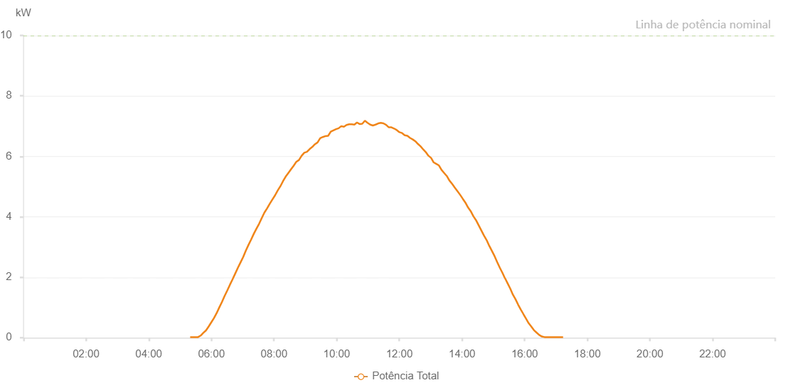

Number | Time | Working State | Alarm Code | Total Inverter Power(W)
1 | 21/04/2023 05:19:22 (UTC-4:00) | Normal |  | 20.000
2 | 21/04/2023 05:24:23 (UTC-4:00) | Normal |  | 20.000
3 | 21/04/2023 05:29:24 (UTC-4:00) | Normal |  | 20.000
4 | 21/04/2023 05:34:26 (UTC-4:00) | Normal |  | 20.000
5 | 21/04/2023 05:39:31 (UTC-4:00) | Normal |  | 70.000
6 | 21/04/2023 05:44:37 (UTC-4:00) | Normal |  | 160.000
7 | 21/04/2023 05:49:42 (UTC-4:00) | Normal |  | 240.000
8 | 21/04/2023 05:54:48 (UTC-4:00) | Normal |  | 370.000
9 | 21/04/2023 05:59:54 (UTC-4:00) | Normal |  | 510.000
10 | 21/04/2023 06:04:57 (UTC-4:00) | Normal |  | 650.000
11 | 21/04/2023 06:10:02 (UTC-4:00) | Normal |  | 810.000
12 | 21/04/2023 06:15:07 (UTC-4:00) | Normal |  | 1000.000
13 | 21/04/2023 06:20:12 (UTC-4:00) | Normal |  | 1180.000
14 | 21/04/2023 06:25:17 (UTC-4:00) | Normal |  | 1380.000
15 | 21/04/2023 06:30:24 (UTC-4:00) | Normal |  | 1560.000
16 | 21/04/2023 06:35:28 (UTC-4:00) | Normal |  | 1750.000
17 | 21/04/2023 06:40:32 (UTC-4:00) | Normal |  | 1930.000
18 | 21/04/2023 06:45:38 (UTC-4:00) | Normal |  | 2120.000
19 | 21/04/2023 06:50:43 (UTC-4:00) | Normal |  | 2310.000
20 | 21/04/2023 06:55:50 (UTC-4:00) | Normal |  | 2490.000
21 | 21/04/2023 07:00:55 (UTC-4:00) | Normal |  | 2670.000
22 | 21/04/2023 07:06:00 (UTC-4:00) | Normal |  | 2880.000
23 | 21/04/2023 07:11:06 (UTC-4:00) | Normal |  | 3070.000
24 | 21/04/2023 07:16:13 (UTC-4:00) | Normal |  | 3250.000
25 | 21/04/2023 07:21:19 (UTC-4:00) | Normal |  | 3440.000
26 | 21/04/2023 07:26:25 (UTC-4:00) | Normal |  | 3610.000
27 | 21/04/2023 07:31:27 (UTC-4:00) | Normal |  | 3770.000
28 | 21/04/2023 07:36:32 (UTC-4:00) | Normal |  | 3960.000
29 | 21/04/2023 07:41:37 (UTC-4:00) | Normal |  | 4140.000
30 | 21/04/2023 07:46:43 (UTC-4:00) | Normal |  | 4280.000
31 | 21/04/2023 07:51:48 (UTC-4:00) | Normal |  | 4430.000
32 | 21/04/2023 07:56:52 (UTC-4:00) | Normal |  | 4570.000
33 | 21/04/2023 08:01:58 (UTC-4:00) | Normal |  | 4710.000
34 | 21/04/2023 08:07:03 (UTC-4:00) | Normal |  | 4870.000
35 | 21/04/2023 08:12:09 (UTC-4:00) | Normal |  | 5010.000
36 | 21/04/2023 08:17:15 (UTC-4:00) | Normal |  | 5180.000
37 | 21/04/2023 08:22:20 (UTC-4:00) | Normal |  | 5330.000
38 | 21/04/2023 08:27:25 (UTC-4:00) | Normal |  | 5450.000
39 | 21/04/2023 08:32:31 (UTC-4:00) | Normal |  | 5570.000
40 | 21/04/2023 08:37:38 (UTC-4:00) | Normal |  | 5690.000
41 | 21/04/2023 08:42:42 (UTC-4:00) | Normal |  | 5820.000
42 | 21/04/2023 08:47:47 (UTC-4:00) | Normal |  | 5880.000
43 | 21/04/2023 08:52:54 (UTC-4:00) | Normal |  | 6020.000
44 | 21/04/2023 08:57:59 (UTC-4:00) | Normal |  | 6120.000
45 | 21/04/2023 09:03:02 (UTC-4:00) | Normal |  | 6150.000
46 | 21/04/2023 09:08:07 (UTC-4:00) | Normal |  | 6240.000
47 | 21/04/2023 09:13:11 (UTC-4:00) | Normal |  | 6310.000
48 | 21/04/2023 09:18:17 (UTC-4:00) | Normal |  | 6400.000
49 | 21/04/2023 09:23:23 (UTC-4:00) | Normal |  | 6460.000
50 | 21/04/2023 09:28:27 (UTC-4:00) | Normal |  | 6600.000
51 | 21/04/2023 09:33:34 (UTC-4:00) | Normal |  | 6640.000
52 | 21/04/2023 09:38:39 (UTC-4:00) | Normal |  | 6670.000
53 | 21/04/2023 09:43:42 (UTC-4:00) | Normal |  | 6680.000
54 | 21/04/2023 09:48:43 (UTC-4:00) | Normal |  | 6820.000
55 | 21/04/2023 09:53:44 (UTC-4:00) | Normal |  | 6860.000
56 | 21/04/2023 09:58:45 (UTC-4:00) | Normal |  | 6900.000
57 | 21/04/2023 10:03:46 (UTC-4:00) | Normal |  | 6930.000
58 | 21/04/2023 10:08:49 (UTC-4:00) | Normal |  | 7000.000
59 | 21/04/2023 10:13:50 (UTC-4:00) | Normal |  | 6980.000
60 | 21/04/2023 10:18:51 (UTC-4:00) | Normal |  | 7040.000
61 | 21/04/2023 10:23:53 (UTC-4:00) | Normal |  | 7060.000
62 | 21/04/2023 10:28:54 (UTC-4:00) | Normal |  | 7060.000
63 | 21/04/2023 10:33:55 (UTC-4:00) | Normal |  | 7050.000
64 | 21/04/2023 10:38:56 (UTC-4:00) | Normal |  | 7120.000
65 | 21/04/2023 10:43:56 (UTC-4:00) | Normal |  | 7070.000
66 | 21/04/2023 10:49:01 (UTC-4:00) | Normal |  | 7080.000
67 | 21/04/2023 10:54:05 (UTC-4:00) | Normal |  | 7180.000
68 | 21/04/2023 10:59:11 (UTC-4:00) | Normal |  | 7110.000
69 | 21/04/2023 11:04:17 (UTC-4:00) | Normal |  | 7050.000
70 | 21/04/2023 11:09:23 (UTC-4:00) | Normal |  | 7020.000
71 | 21/04/2023 11:14:28 (UTC-4:00) | Normal |  | 7050.000
72 | 21/04/2023 11:19:34 (UTC-4:00) | Normal |  | 7090.000
73 | 21/04/2023 11:24:36 (UTC-4:00) | Normal |  | 7110.000
74 | 21/04/2023 11:29:41 (UTC-4:00) | Normal |  | 7090.000
75 | 21/04/2023 11:34:46 (UTC-4:00) | Normal |  | 7040.000
76 | 21/04/2023 11:39:54 (UTC-4:00) | Normal |  | 6960.000
77 | 21/04/2023 11:44:57 (UTC-4:00) | Normal |  | 6960.000
78 | 21/04/2023 11:50:02 (UTC-4:00) | Normal |  | 6920.000
79 | 21/04/2023 11:55:06 (UTC-4:00) | Normal |  | 6870.000
80 | 21/04/2023 12:00:11 (UTC-4:00) | Normal |  | 6800.000
81 | 21/04/2023 12:05:18 (UTC-4:00) | Normal |  | 6770.000
82 | 21/04/2023 12:10:21 (UTC-4:00) | Normal |  | 6700.000
83 | 21/04/2023 12:15:26 (UTC-4:00) | Normal |  | 6680.000
84 | 21/04/2023 12:20:32 (UTC-4:00) | Normal |  | 6610.000
85 | 21/04/2023 12:25:39 (UTC-4:00) | Normal |  | 6560.000
86 | 21/04/2023 12:30:42 (UTC-4:00) | Normal |  | 6500.000
87 | 21/04/2023 12:35:43 (UTC-4:00) | Normal |  | 6410.000
88 | 21/04/2023 12:40:44 (UTC-4:00) | Normal |  | 6330.000
89 | 21/04/2023 12:45:45 (UTC-4:00) | Normal |  | 6230.000
90 | 21/04/2023 12:50:46 (UTC-4:00) | Normal |  | 6140.000
91 | 21/04/2023 12:55:47 (UTC-4:00) | Normal |  | 6020.000
92 | 21/04/2023 13:00:48 (UTC-4:00) | Normal |  | 5950.000
93 | 21/04/2023 13:05:49 (UTC-4:00) | Normal |  | 5800.000
94 | 21/04/2023 13:10:50 (UTC-4:00) | Normal |  | 5750.000
95 | 21/04/2023 13:15:51 (UTC-4:00) | Normal |  | 5700.000
96 | 21/04/2023 13:20:53 (UTC-4:00) | Normal |  | 5550.000
97 | 21/04/2023 13:25:54 (UTC-4:00) | Normal |  | 5450.000
98 | 21/04/2023 13:30:55 (UTC-4:00) | Normal |  | 5350.000
99 | 21/04/2023 13:36:00 (UTC-4:00) | Normal |  | 5200.000
100 | 21/04/2023 13:41:07 (UTC-4:00) | Normal |  | 5090.000
101 | 21/04/2023 13:46:10 (UTC-4:00) | Normal |  | 4970.000
102 | 21/04/2023 13:51:16 (UTC-4:00) | Normal |  | 4850.000
103 | 21/04/2023 13:56:22 (UTC-4:00) | Normal |  | 4730.000
104 | 21/04/2023 14:01:25 (UTC-4:00) | Normal |  | 4600.000
105 | 21/04/2023 14:06:32 (UTC-4:00) | Normal |  | 4470.000
106 | 21/04/2023 14:11:38 (UTC-4:00) | Normal |  | 4310.000
107 | 21/04/2023 14:16:40 (UTC-4:00) | Normal |  | 4190.000
108 | 21/04/2023 14:21:47 (UTC-4:00) | Normal |  | 4020.000
109 | 21/04/2023 14:26:50 (UTC-4:00) | Normal |  | 3890.000
110 | 21/04/2023 14:31:56 (UTC-4:00) | Normal |  | 3720.000
111 | 21/04/2023 14:37:01 (UTC-4:00) | Normal |  | 3550.000
112 | 21/04/2023 14:42:05 (UTC-4:00) | Normal |  | 3380.000
113 | 21/04/2023 14:47:11 (UTC-4:00) | Normal |  | 3230.000
114 | 21/04/2023 14:52:15 (UTC-4:00) | Normal |  | 3040.000
115 | 21/04/2023 14:57:22 (UTC-4:00) | Normal |  | 2870.000
116 | 21/04/2023 15:02:25 (UTC-4:00) | Normal |  | 2700.000
117 | 21/04/2023 15:07:32 (UTC-4:00) | Normal |  | 2500.000
118 | 21/04/2023 15:12:36 (UTC-4:00) | Normal |  | 2310.000
119 | 21/04/2023 15:17:40 (UTC-4:00) | Normal |  | 2140.000
120 | 21/04/2023 15:21:52 (UTC-4:00) | Normal |  | 1980.000
121 | 21/04/2023 15:22:26 (UTC-4:00) | Normal |  | 1970.000
122 | 21/04/2023 15:27:06 (UTC-4:00) | Normal |  | 1810.000
123 | 21/04/2023 15:32:38 (UTC-4:00) | Normal |  | 1620.000
124 | 21/04/2023 15:37:38 (UTC-4:00) | Normal |  | 1420.000
125 | 21/04/2023 15:42:39 (UTC-4:00) | Normal |  | 1270.000
126 | 21/04/2023 15:47:41 (UTC-4:00) | Normal |  | 1090.000
127 | 21/04/2023 15:52:42 (UTC-4:00) | Normal |  | 930.000
128 | 21/04/2023 15:57:42 (UTC-4:00) | Normal |  | 780.000
129 | 21/04/2023 16:02:43 (UTC-4:00) | Normal |  | 630.000
130 | 21/04/2023 16:07:45 (UTC-4:00) | Normal |  | 480.000
131 | 21/04/2023 16:12:45 (UTC-4:00) | Normal |  | 370.000
132 | 21/04/2023 16:17:48 (UTC-4:00) | Normal |  | 250.000
133 | 21/04/2023 16:22:51 (UTC-4:00) | Normal |  | 170.000
134 | 21/04/2023 16:27:57 (UTC-4:00) | Normal |  | 90.000
135 | 21/04/2023 16:32:59 (UTC-4:00) | Normal |  | 40.000
136 | 21/04/2023 16:38:05 (UTC-4:00) | Normal |  | 20.000
137 | 21/04/2023 16:43:11 (UTC-4:00) | Normal |  | 20.000
138 | 21/04/2023 16:48:15 (UTC-4:00) | Normal |  | 20.000
139 | 21/04/2023 16:53:21 (UTC-4:00) | Normal |  | 20.000
140 | 21/04/2023 16:58:28 (UTC-4:00) | Normal |  | 20.000
141 | 21/04/2023 17:03:32 (UTC-4:00) | Normal |  | 20.000
142 | 21/04/2023 17:08:36 (UTC-4:00) | Normal |  | 20.000
143 | 21/04/2023 17:13:41 (UTC-4:00) | Normal |  | 20.000

