Inverter History Report__17-08-
Inverter History Report_22/04/2023_Report

Inverter SN:054B7020C020042 |  | Inverter type:B7
Collector SN:4046045654 |  | Full Load Hours(h):4.40
Rated Power:10000Wp

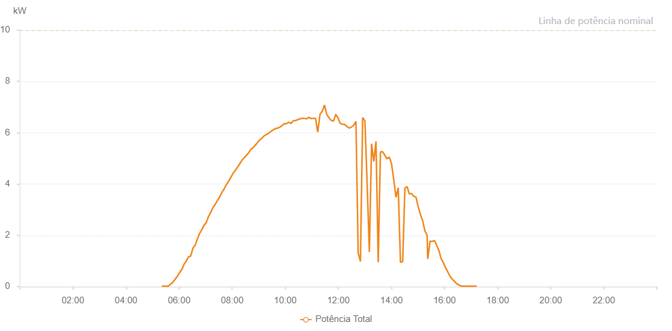

Number | Time | Working State | Alarm Code | Total Inverter Power(W)
1 | 22/04/2023 05:20:39 (UTC-4:00) | Normal |  | 20.000
2 | 22/04/2023 05:25:40 (UTC-4:00) | Normal |  | 20.000
3 | 22/04/2023 05:30:40 (UTC-4:00) | Normal |  | 20.000
4 | 22/04/2023 05:35:40 (UTC-4:00) | Normal |  | 20.000
5 | 22/04/2023 05:40:45 (UTC-4:00) | Normal |  | 100.000
6 | 22/04/2023 05:45:50 (UTC-4:00) | Normal |  | 170.000
7 | 22/04/2023 05:50:55 (UTC-4:00) | Normal |  | 290.000
8 | 22/04/2023 05:56:00 (UTC-4:00) | Normal |  | 400.000
9 | 22/04/2023 06:01:04 (UTC-4:00) | Normal |  | 550.000
10 | 22/04/2023 06:06:11 (UTC-4:00) | Normal |  | 670.000
11 | 22/04/2023 06:11:11 (UTC-4:00) | Normal |  | 870.000
12 | 22/04/2023 06:16:11 (UTC-4:00) | Normal |  | 1000.000
13 | 22/04/2023 06:21:11 (UTC-4:00) | Normal |  | 1160.000
14 | 22/04/2023 06:26:12 (UTC-4:00) | Normal |  | 1190.000
15 | 22/04/2023 06:31:12 (UTC-4:00) | Normal |  | 1500.000
16 | 22/04/2023 06:36:12 (UTC-4:00) | Normal |  | 1610.000
17 | 22/04/2023 06:41:13 (UTC-4:00) | Normal |  | 1850.000
18 | 22/04/2023 06:46:13 (UTC-4:00) | Normal |  | 2070.000
19 | 22/04/2023 06:51:13 (UTC-4:00) | Normal |  | 2220.000
20 | 22/04/2023 06:56:15 (UTC-4:00) | Normal |  | 2390.000
21 | 22/04/2023 07:01:15 (UTC-4:00) | Normal |  | 2490.000
22 | 22/04/2023 07:06:19 (UTC-4:00) | Normal |  | 2730.000
23 | 22/04/2023 07:11:24 (UTC-4:00) | Normal |  | 2890.000
24 | 22/04/2023 07:16:30 (UTC-4:00) | Normal |  | 3080.000
25 | 22/04/2023 07:21:37 (UTC-4:00) | Normal |  | 3210.000
26 | 22/04/2023 07:26:38 (UTC-4:00) | Normal |  | 3360.000
27 | 22/04/2023 07:31:38 (UTC-4:00) | Normal |  | 3490.000
28 | 22/04/2023 07:36:38 (UTC-4:00) | Normal |  | 3670.000
29 | 22/04/2023 07:41:39 (UTC-4:00) | Normal |  | 3810.000
30 | 22/04/2023 07:46:39 (UTC-4:00) | Normal |  | 3970.000
31 | 22/04/2023 07:51:39 (UTC-4:00) | Normal |  | 4100.000
32 | 22/04/2023 07:56:39 (UTC-4:00) | Normal |  | 4250.000
33 | 22/04/2023 08:01:40 (UTC-4:00) | Normal |  | 4410.000
34 | 22/04/2023 08:06:40 (UTC-4:00) | Normal |  | 4520.000
35 | 22/04/2023 08:11:42 (UTC-4:00) | Normal |  | 4650.000
36 | 22/04/2023 08:16:42 (UTC-4:00) | Normal |  | 4780.000
37 | 22/04/2023 08:21:43 (UTC-4:00) | Normal |  | 4920.000
38 | 22/04/2023 08:26:45 (UTC-4:00) | Normal |  | 5020.000
39 | 22/04/2023 08:31:49 (UTC-4:00) | Normal |  | 5110.000
40 | 22/04/2023 08:36:54 (UTC-4:00) | Normal |  | 5210.000
41 | 22/04/2023 08:41:57 (UTC-4:00) | Normal |  | 5350.000
42 | 22/04/2023 08:47:02 (UTC-4:00) | Normal |  | 5420.000
43 | 22/04/2023 08:52:06 (UTC-4:00) | Normal |  | 5510.000
44 | 22/04/2023 08:57:13 (UTC-4:00) | Normal |  | 5620.000
45 | 22/04/2023 09:02:17 (UTC-4:00) | Normal |  | 5720.000
46 | 22/04/2023 09:07:23 (UTC-4:00) | Normal |  | 5790.000
47 | 22/04/2023 09:12:24 (UTC-4:00) | Normal |  | 5880.000
48 | 22/04/2023 09:17:30 (UTC-4:00) | Normal |  | 5930.000
49 | 22/04/2023 09:22:34 (UTC-4:00) | Normal |  | 5980.000
50 | 22/04/2023 09:27:39 (UTC-4:00) | Normal |  | 6050.000
51 | 22/04/2023 09:32:46 (UTC-4:00) | Normal |  | 6110.000
52 | 22/04/2023 09:37:49 (UTC-4:00) | Normal |  | 6160.000
53 | 22/04/2023 09:42:55 (UTC-4:00) | Normal |  | 6180.000
54 | 22/04/2023 09:47:56 (UTC-4:00) | Normal |  | 6220.000
55 | 22/04/2023 09:52:57 (UTC-4:00) | Normal |  | 6280.000
56 | 22/04/2023 09:57:57 (UTC-4:00) | Normal |  | 6350.000
57 | 22/04/2023 10:02:57 (UTC-4:00) | Normal |  | 6350.000
58 | 22/04/2023 10:07:57 (UTC-4:00) | Normal |  | 6410.000
59 | 22/04/2023 10:12:58 (UTC-4:00) | Normal |  | 6360.000
60 | 22/04/2023 10:17:58 (UTC-4:00) | Normal |  | 6470.000
61 | 22/04/2023 10:22:58 (UTC-4:00) | Normal |  | 6470.000
62 | 22/04/2023 10:27:59 (UTC-4:00) | Normal |  | 6510.000
63 | 22/04/2023 10:32:59 (UTC-4:00) | Normal |  | 6540.000
64 | 22/04/2023 10:37:59 (UTC-4:00) | Normal |  | 6560.000
65 | 22/04/2023 10:42:59 (UTC-4:00) | Normal |  | 6560.000
66 | 22/04/2023 10:48:00 (UTC-4:00) | Normal |  | 6540.000
67 | 22/04/2023 10:53:06 (UTC-4:00) | Normal |  | 6600.000
68 | 22/04/2023 10:58:08 (UTC-4:00) | Normal |  | 6550.000
69 | 22/04/2023 11:03:13 (UTC-4:00) | Normal |  | 6560.000
70 | 22/04/2023 11:08:17 (UTC-4:00) | Normal |  | 6560.000
71 | 22/04/2023 11:13:21 (UTC-4:00) | Normal |  | 6020.000
72 | 22/04/2023 11:18:27 (UTC-4:00) | Normal |  | 6720.000
73 | 22/04/2023 11:23:31 (UTC-4:00) | Normal |  | 6830.000
74 | 22/04/2023 11:28:36 (UTC-4:00) | Normal |  | 7080.000
75 | 22/04/2023 11:33:42 (UTC-4:00) | Normal |  | 6710.000
76 | 22/04/2023 11:38:43 (UTC-4:00) | Normal |  | 6580.000
77 | 22/04/2023 11:43:50 (UTC-4:00) | Normal |  | 6480.000
78 | 22/04/2023 11:48:52 (UTC-4:00) | Normal |  | 6450.000
79 | 22/04/2023 11:53:57 (UTC-4:00) | Normal |  | 6720.000
80 | 22/04/2023 11:59:02 (UTC-4:00) | Normal |  | 6580.000
81 | 22/04/2023 12:04:06 (UTC-4:00) | Normal |  | 6360.000
82 | 22/04/2023 12:09:11 (UTC-4:00) | Normal |  | 6330.000
83 | 22/04/2023 12:14:17 (UTC-4:00) | Normal |  | 6320.000
84 | 22/04/2023 12:19:21 (UTC-4:00) | Normal |  | 6240.000
85 | 22/04/2023 12:24:26 (UTC-4:00) | Normal |  | 6180.000
86 | 22/04/2023 12:29:32 (UTC-4:00) | Normal |  | 6220.000
87 | 22/04/2023 12:34:37 (UTC-4:00) | Normal |  | 6290.000
88 | 22/04/2023 12:39:39 (UTC-4:00) | Normal |  | 6440.000
89 | 22/04/2023 12:44:43 (UTC-4:00) | Normal |  | 1320.000
90 | 22/04/2023 12:49:50 (UTC-4:00) | Normal |  | 980.000
91 | 22/04/2023 12:54:53 (UTC-4:00) | Normal |  | 6590.000
92 | 22/04/2023 12:59:58 (UTC-4:00) | Normal |  | 6460.000
93 | 22/04/2023 13:05:00 (UTC-4:00) | Normal |  | 4000.000
94 | 22/04/2023 13:10:00 (UTC-4:00) | Normal |  | 1350.000
95 | 22/04/2023 13:15:00 (UTC-4:00) | Normal |  | 5570.000
96 | 22/04/2023 13:20:02 (UTC-4:00) | Normal |  | 4880.000
97 | 22/04/2023 13:25:02 (UTC-4:00) | Normal |  | 5660.000
98 | 22/04/2023 13:30:02 (UTC-4:00) | Normal |  | 950.000
99 | 22/04/2023 13:35:02 (UTC-4:00) | Normal |  | 5250.000
100 | 22/04/2023 13:40:03 (UTC-4:00) | Normal |  | 5260.000
101 | 22/04/2023 13:45:03 (UTC-4:00) | Normal |  | 5120.000
102 | 22/04/2023 13:50:03 (UTC-4:00) | Normal |  | 4980.000
103 | 22/04/2023 13:55:04 (UTC-4:00) | Normal |  | 5050.000
104 | 22/04/2023 14:00:04 (UTC-4:00) | Normal |  | 4800.000
105 | 22/04/2023 14:05:07 (UTC-4:00) | Normal |  | 4170.000
106 | 22/04/2023 14:10:12 (UTC-4:00) | Normal |  | 3480.000
107 | 22/04/2023 14:15:17 (UTC-4:00) | Normal |  | 3850.000
108 | 22/04/2023 14:20:18 (UTC-4:00) | Normal |  | 950.000
109 | 22/04/2023 14:25:18 (UTC-4:00) | Normal |  | 970.000
110 | 22/04/2023 14:30:19 (UTC-4:00) | Normal |  | 3840.000
111 | 22/04/2023 14:35:19 (UTC-4:00) | Normal |  | 3900.000
112 | 22/04/2023 14:40:19 (UTC-4:00) | Normal |  | 3610.000
113 | 22/04/2023 14:45:20 (UTC-4:00) | Normal |  | 3630.000
114 | 22/04/2023 14:50:21 (UTC-4:00) | Normal |  | 3520.000
115 | 22/04/2023 14:55:21 (UTC-4:00) | Normal |  | 3490.000
116 | 22/04/2023 15:00:22 (UTC-4:00) | Normal |  | 3120.000
117 | 22/04/2023 15:05:23 (UTC-4:00) | Normal |  | 2820.000
118 | 22/04/2023 15:10:23 (UTC-4:00) | Normal |  | 2570.000
119 | 22/04/2023 15:15:23 (UTC-4:00) | Normal |  | 2180.000
120 | 22/04/2023 15:20:26 (UTC-4:00) | Normal |  | 2010.000
121 | 22/04/2023 15:21:54 (UTC-4:00) | Normal |  | 1080.000
122 | 22/04/2023 15:27:12 (UTC-4:00) | Normal |  | 1770.000
123 | 22/04/2023 15:32:14 (UTC-4:00) | Normal |  | 1760.000
124 | 22/04/2023 15:37:14 (UTC-4:00) | Normal |  | 1800.000
125 | 22/04/2023 15:42:17 (UTC-4:00) | Normal |  | 1610.000
126 | 22/04/2023 15:47:17 (UTC-4:00) | Normal |  | 1400.000
127 | 22/04/2023 15:52:17 (UTC-4:00) | Normal |  | 1090.000
128 | 22/04/2023 15:57:17 (UTC-4:00) | Normal |  | 930.000
129 | 22/04/2023 16:02:20 (UTC-4:00) | Normal |  | 730.000
130 | 22/04/2023 16:07:25 (UTC-4:00) | Normal |  | 570.000
131 | 22/04/2023 16:12:27 (UTC-4:00) | Normal |  | 400.000
132 | 22/04/2023 16:17:32 (UTC-4:00) | Normal |  | 290.000
133 | 22/04/2023 16:22:37 (UTC-4:00) | Normal |  | 200.000
134 | 22/04/2023 16:27:39 (UTC-4:00) | Normal |  | 110.000
135 | 22/04/2023 16:32:39 (UTC-4:00) | Normal |  | 60.000
136 | 22/04/2023 16:37:39 (UTC-4:00) | Normal |  | 20.000
137 | 22/04/2023 16:42:39 (UTC-4:00) | Normal |  | 20.000
138 | 22/04/2023 16:47:39 (UTC-4:00) | Normal |  | 20.000
139 | 22/04/2023 16:52:41 (UTC-4:00) | Normal |  | 20.000
140 | 22/04/2023 16:57:41 (UTC-4:00) | Normal |  | 20.000
141 | 22/04/2023 17:02:41 (UTC-4:00) | Normal |  | 20.000
142 | 22/04/2023 17:07:41 (UTC-4:00) | Normal |  | 20.000
143 | 22/04/2023 17:12:41 (UTC-4:00) | Normal |  | 20.000

