Inverter History Report__17-08-
Inverter History Report_23/04/2023_Report

Inverter SN:054B7020C020042 |  | Inverter type:B7
Collector SN:4046045654 |  | Full Load Hours(h):4.00
Rated Power:10000Wp

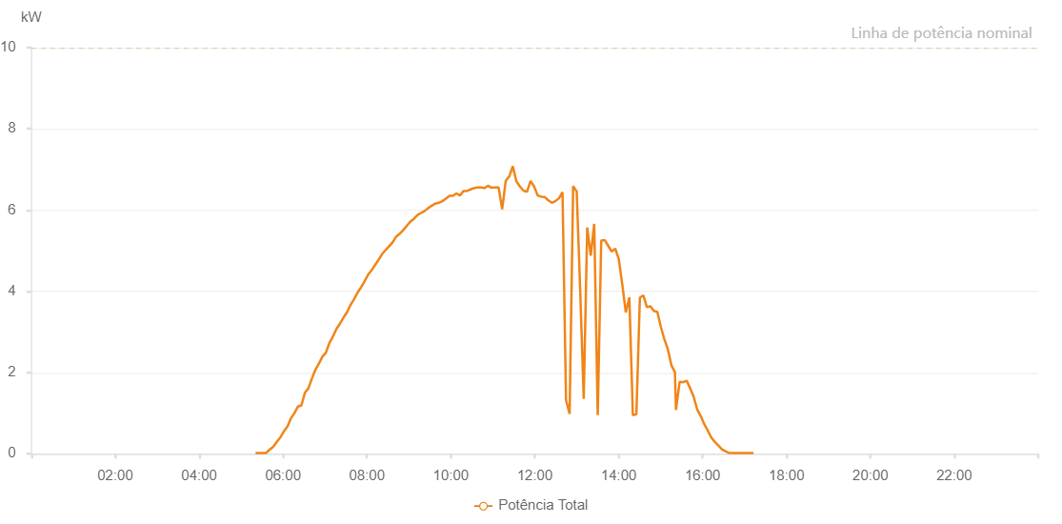

Number | Time | Working State | Alarm Code | Total Inverter Power(W)
1 | 23/04/2023 05:21:36 (UTC-4:00) | Normal |  | 20.000
2 | 23/04/2023 05:26:37 (UTC-4:00) | Normal |  | 20.000
3 | 23/04/2023 05:31:41 (UTC-4:00) | Normal |  | 20.000
4 | 23/04/2023 05:36:41 (UTC-4:00) | Normal |  | 20.000
5 | 23/04/2023 05:41:45 (UTC-4:00) | Normal |  | 120.000
6 | 23/04/2023 05:46:51 (UTC-4:00) | Normal |  | 230.000
7 | 23/04/2023 05:51:57 (UTC-4:00) | Normal |  | 400.000
8 | 23/04/2023 05:57:04 (UTC-4:00) | Normal |  | 580.000
9 | 23/04/2023 06:02:11 (UTC-4:00) | Normal |  | 800.000
10 | 23/04/2023 06:07:15 (UTC-4:00) | Normal |  | 940.000
11 | 23/04/2023 06:12:20 (UTC-4:00) | Normal |  | 1010.000
12 | 23/04/2023 06:17:25 (UTC-4:00) | Normal |  | 1150.000
13 | 23/04/2023 06:22:34 (UTC-4:00) | Normal |  | 1280.000
14 | 23/04/2023 06:27:38 (UTC-4:00) | Normal |  | 1420.000
15 | 23/04/2023 06:32:44 (UTC-4:00) | Normal |  | 1570.000
16 | 23/04/2023 06:37:49 (UTC-4:00) | Normal |  | 1740.000
17 | 23/04/2023 06:42:52 (UTC-4:00) | Normal |  | 1870.000
18 | 23/04/2023 06:47:58 (UTC-4:00) | Normal |  | 1980.000
19 | 23/04/2023 06:53:05 (UTC-4:00) | Normal |  | 2220.000
20 | 23/04/2023 06:58:11 (UTC-4:00) | Normal |  | 2370.000
21 | 23/04/2023 07:03:15 (UTC-4:00) | Normal |  | 2550.000
22 | 23/04/2023 07:08:19 (UTC-4:00) | Normal |  | 2710.000
23 | 23/04/2023 07:13:25 (UTC-4:00) | Normal |  | 2900.000
24 | 23/04/2023 07:18:31 (UTC-4:00) | Normal |  | 3050.000
25 | 23/04/2023 07:23:35 (UTC-4:00) | Normal |  | 3230.000
26 | 23/04/2023 07:28:41 (UTC-4:00) | Normal |  | 3400.000
27 | 23/04/2023 07:33:47 (UTC-4:00) | Normal |  | 3560.000
28 | 23/04/2023 07:38:52 (UTC-4:00) | Normal |  | 3720.000
29 | 23/04/2023 07:43:56 (UTC-4:00) | Normal |  | 3870.000
30 | 23/04/2023 07:49:03 (UTC-4:00) | Normal |  | 4020.000
31 | 23/04/2023 07:54:08 (UTC-4:00) | Normal |  | 4150.000
32 | 23/04/2023 07:59:13 (UTC-4:00) | Normal |  | 4270.000
33 | 23/04/2023 08:04:19 (UTC-4:00) | Normal |  | 4410.000
34 | 23/04/2023 08:09:23 (UTC-4:00) | Normal |  | 4540.000
35 | 23/04/2023 08:14:28 (UTC-4:00) | Normal |  | 4640.000
36 | 23/04/2023 08:19:35 (UTC-4:00) | Normal |  | 4790.000
37 | 23/04/2023 08:24:40 (UTC-4:00) | Normal |  | 4900.000
38 | 23/04/2023 08:29:46 (UTC-4:00) | Normal |  | 5000.000
39 | 23/04/2023 08:34:53 (UTC-4:00) | Normal |  | 5120.000
40 | 23/04/2023 08:39:58 (UTC-4:00) | Normal |  | 5220.000
41 | 23/04/2023 08:45:04 (UTC-4:00) | Normal |  | 5370.000
42 | 23/04/2023 08:50:10 (UTC-4:00) | Normal |  | 5440.000
43 | 23/04/2023 08:55:14 (UTC-4:00) | Normal |  | 5530.000
44 | 23/04/2023 09:00:22 (UTC-4:00) | Normal |  | 5580.000
45 | 23/04/2023 09:05:28 (UTC-4:00) | Normal |  | 5680.000
46 | 23/04/2023 09:10:31 (UTC-4:00) | Normal |  | 5770.000
47 | 23/04/2023 09:15:37 (UTC-4:00) | Normal |  | 5890.000
48 | 23/04/2023 09:20:44 (UTC-4:00) | Normal |  | 5880.000
49 | 23/04/2023 09:25:49 (UTC-4:00) | Normal |  | 5920.000
50 | 23/04/2023 09:30:56 (UTC-4:00) | Normal |  | 5990.000
51 | 23/04/2023 09:36:02 (UTC-4:00) | Normal |  | 6080.000
52 | 23/04/2023 09:41:07 (UTC-4:00) | Normal |  | 6160.000
53 | 23/04/2023 09:46:12 (UTC-4:00) | Normal |  | 6160.000
54 | 23/04/2023 09:51:19 (UTC-4:00) | Normal |  | 6190.000
55 | 23/04/2023 09:56:23 (UTC-4:00) | Normal |  | 6240.000
56 | 23/04/2023 10:01:28 (UTC-4:00) | Normal |  | 6350.000
57 | 23/04/2023 10:06:31 (UTC-4:00) | Normal |  | 6460.000
58 | 23/04/2023 10:11:38 (UTC-4:00) | Normal |  | 6430.000
59 | 23/04/2023 10:16:44 (UTC-4:00) | Normal |  | 6490.000
60 | 23/04/2023 10:21:49 (UTC-4:00) | Normal |  | 6470.000
61 | 23/04/2023 10:26:54 (UTC-4:00) | Normal |  | 6490.000
62 | 23/04/2023 10:32:00 (UTC-4:00) | Normal |  | 6440.000
63 | 23/04/2023 10:37:08 (UTC-4:00) | Normal |  | 6630.000
64 | 23/04/2023 10:42:14 (UTC-4:00) | Normal |  | 6640.000
65 | 23/04/2023 10:47:18 (UTC-4:00) | Normal |  | 6690.000
66 | 23/04/2023 10:52:24 (UTC-4:00) | Normal |  | 1970.000
67 | 23/04/2023 10:57:31 (UTC-4:00) | Normal |  | 1830.000
68 | 23/04/2023 11:02:36 (UTC-4:00) | Normal |  | 6930.000
69 | 23/04/2023 11:07:42 (UTC-4:00) | Normal |  | 6950.000
70 | 23/04/2023 11:12:47 (UTC-4:00) | Normal |  | 6860.000
71 | 23/04/2023 11:17:53 (UTC-4:00) | Normal |  | 7150.000
72 | 23/04/2023 11:22:58 (UTC-4:00) | Normal |  | 6990.000
73 | 23/04/2023 11:28:04 (UTC-4:00) | Normal |  | 6870.000
74 | 23/04/2023 11:33:07 (UTC-4:00) | Normal |  | 6950.000
75 | 23/04/2023 11:38:12 (UTC-4:00) | Normal |  | 6920.000
76 | 23/04/2023 11:43:18 (UTC-4:00) | Normal |  | 5070.000
77 | 23/04/2023 11:48:26 (UTC-4:00) | Normal |  | 7270.000
78 | 23/04/2023 11:53:28 (UTC-4:00) | Normal |  | 6690.000
79 | 23/04/2023 11:58:33 (UTC-4:00) | Normal |  | 6780.000
80 | 23/04/2023 12:03:38 (UTC-4:00) | Normal |  | 1260.000
81 | 23/04/2023 12:08:44 (UTC-4:00) | Normal |  | 1340.000
82 | 23/04/2023 12:13:50 (UTC-4:00) | Normal |  | 1090.000
83 | 23/04/2023 12:18:54 (UTC-4:00) | Normal |  | 1010.000
84 | 23/04/2023 12:24:01 (UTC-4:00) | Normal |  | 1060.000
85 | 23/04/2023 12:29:05 (UTC-4:00) | Normal |  | 6920.000
86 | 23/04/2023 12:34:09 (UTC-4:00) | Normal |  | 6760.000
87 | 23/04/2023 12:39:16 (UTC-4:00) | Normal |  | 6680.000
88 | 23/04/2023 12:44:21 (UTC-4:00) | Normal |  | 6600.000
89 | 23/04/2023 12:49:26 (UTC-4:00) | Normal |  | 6430.000
90 | 23/04/2023 12:54:33 (UTC-4:00) | Normal |  | 920.000
91 | 23/04/2023 12:59:38 (UTC-4:00) | Normal |  | 920.000
92 | 23/04/2023 13:04:43 (UTC-4:00) | Normal |  | 980.000
93 | 23/04/2023 13:09:49 (UTC-4:00) | Normal |  | 960.000
94 | 23/04/2023 13:14:51 (UTC-4:00) | Normal |  | 1100.000
95 | 23/04/2023 13:19:56 (UTC-4:00) | Normal |  | 1290.000
96 | 23/04/2023 13:25:03 (UTC-4:00) | Normal |  | 6670.000
97 | 23/04/2023 13:30:09 (UTC-4:00) | Normal |  | 2090.000
98 | 23/04/2023 13:35:11 (UTC-4:00) | Normal |  | 2270.000
99 | 23/04/2023 13:40:17 (UTC-4:00) | Normal |  | 5430.000
100 | 23/04/2023 13:45:23 (UTC-4:00) | Normal |  | 5030.000
101 | 23/04/2023 13:50:29 (UTC-4:00) | Normal |  | 4690.000
102 | 23/04/2023 13:55:32 (UTC-4:00) | Normal |  | 4470.000
103 | 23/04/2023 14:00:37 (UTC-4:00) | Normal |  | 4390.000
104 | 23/04/2023 14:05:42 (UTC-4:00) | Normal |  | 4400.000
105 | 23/04/2023 14:10:48 (UTC-4:00) | Normal |  | 4440.000
106 | 23/04/2023 14:15:53 (UTC-4:00) | Normal |  | 4810.000
107 | 23/04/2023 14:20:59 (UTC-4:00) | Normal |  | 4750.000
108 | 23/04/2023 14:26:04 (UTC-4:00) | Normal |  | 4280.000
109 | 23/04/2023 14:31:08 (UTC-4:00) | Normal |  | 950.000
110 | 23/04/2023 14:36:13 (UTC-4:00) | Normal |  | 860.000
111 | 23/04/2023 14:41:19 (UTC-4:00) | Normal |  | 1020.000
112 | 23/04/2023 14:46:25 (UTC-4:00) | Normal |  | 910.000
113 | 23/04/2023 14:51:29 (UTC-4:00) | Normal |  | 550.000
114 | 23/04/2023 14:56:34 (UTC-4:00) | Normal |  | 440.000
115 | 23/04/2023 15:01:40 (UTC-4:00) | Normal |  | 480.000
116 | 23/04/2023 15:06:44 (UTC-4:00) | Normal |  | 2450.000
117 | 23/04/2023 15:11:50 (UTC-4:00) | Normal |  | 2230.000
118 | 23/04/2023 15:12:01 (UTC-4:00) | Normal |  | 2230.000
119 | 23/04/2023 15:16:54 (UTC-4:00) | Normal |  | 2010.000
120 | 23/04/2023 15:21:59 (UTC-4:00) | Normal |  | 1800.000
121 | 23/04/2023 15:24:34 (UTC-4:00) | Normal |  | 1710.000
122 | 23/04/2023 15:29:53 (UTC-4:00) | Normal |  | 1510.000
123 | 23/04/2023 15:34:54 (UTC-4:00) | Normal |  | 1360.000
124 | 23/04/2023 15:39:54 (UTC-4:00) | Normal |  | 1220.000
125 | 23/04/2023 15:44:57 (UTC-4:00) | Normal |  | 1080.000
126 | 23/04/2023 15:49:57 (UTC-4:00) | Normal |  | 920.000
127 | 23/04/2023 15:54:57 (UTC-4:00) | Normal |  | 250.000
128 | 23/04/2023 15:59:57 (UTC-4:00) | Normal |  | 190.000
129 | 23/04/2023 16:04:57 (UTC-4:00) | Normal |  | 140.000
130 | 23/04/2023 16:09:59 (UTC-4:00) | Normal |  | 90.000
131 | 23/04/2023 16:14:59 (UTC-4:00) | Normal |  | 70.000
132 | 23/04/2023 16:19:59 (UTC-4:00) | Normal |  | 40.000
133 | 23/04/2023 16:25:00 (UTC-4:00) | Normal |  | 20.000
134 | 23/04/2023 16:30:01 (UTC-4:00) | Normal |  | 20.000
135 | 23/04/2023 16:35:01 (UTC-4:00) | Normal |  | 20.000
136 | 23/04/2023 16:40:01 (UTC-4:00) | Normal |  | 20.000
137 | 23/04/2023 16:45:03 (UTC-4:00) | Normal |  | 20.000
138 | 23/04/2023 16:50:03 (UTC-4:00) | Normal |  | 20.000
139 | 23/04/2023 16:55:03 (UTC-4:00) | Normal |  | 20.000
140 | 23/04/2023 17:00:03 (UTC-4:00) | Normal |  | 20.000
141 | 23/04/2023 17:05:03 (UTC-4:00) | Normal |  | 20.000
142 | 23/04/2023 17:10:03 (UTC-4:00) | Normal |  | 20.000

