Inverter History Report__17-08-
Inverter History Report_29/04/2023_Report

Inverter SN:054B7020C020042 |  | Inverter type:B7
Collector SN:4046045654 |  | Full Load Hours(h):3.80
Rated Power:10000Wp

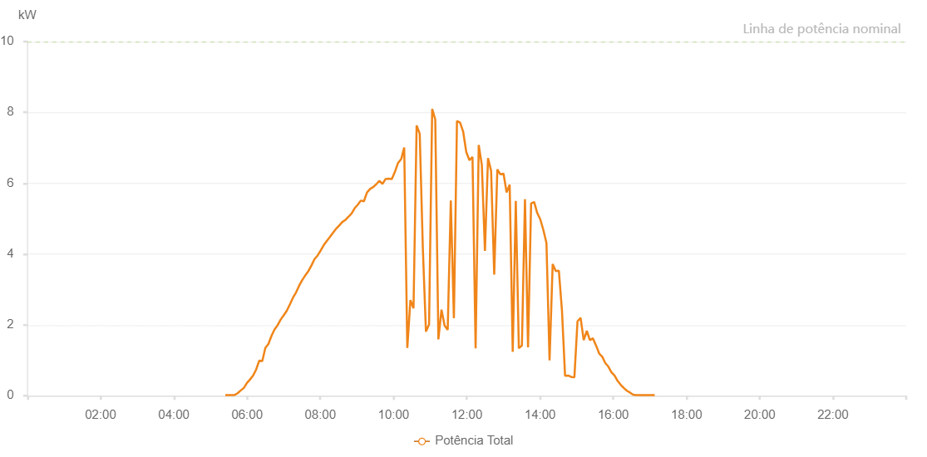

Number | Time | Working State | Alarm Code | Total Inverter Power(W)
1 | 29/04/2023 05:24:21 (UTC-4:00) | Normal |  | 20.000
2 | 29/04/2023 05:29:22 (UTC-4:00) | Normal |  | 20.000
3 | 29/04/2023 05:34:23 (UTC-4:00) | Normal |  | 20.000
4 | 29/04/2023 05:39:25 (UTC-4:00) | Normal |  | 20.000
5 | 29/04/2023 05:44:30 (UTC-4:00) | Normal |  | 70.000
6 | 29/04/2023 05:49:36 (UTC-4:00) | Normal |  | 150.000
7 | 29/04/2023 05:54:42 (UTC-4:00) | Normal |  | 220.000
8 | 29/04/2023 05:59:47 (UTC-4:00) | Normal |  | 360.000
9 | 29/04/2023 06:04:50 (UTC-4:00) | Normal |  | 460.000
10 | 29/04/2023 06:09:51 (UTC-4:00) | Normal |  | 570.000
11 | 29/04/2023 06:14:51 (UTC-4:00) | Normal |  | 740.000
12 | 29/04/2023 06:19:53 (UTC-4:00) | Normal |  | 990.000
13 | 29/04/2023 06:24:54 (UTC-4:00) | Normal |  | 980.000
14 | 29/04/2023 06:29:55 (UTC-4:00) | Normal |  | 1350.000
15 | 29/04/2023 06:34:56 (UTC-4:00) | Normal |  | 1460.000
16 | 29/04/2023 06:39:57 (UTC-4:00) | Normal |  | 1690.000
17 | 29/04/2023 06:44:58 (UTC-4:00) | Normal |  | 1870.000
18 | 29/04/2023 06:49:58 (UTC-4:00) | Normal |  | 1990.000
19 | 29/04/2023 06:54:59 (UTC-4:00) | Normal |  | 2150.000
20 | 29/04/2023 07:00:00 (UTC-4:00) | Normal |  | 2270.000
21 | 29/04/2023 07:05:03 (UTC-4:00) | Normal |  | 2400.000
22 | 29/04/2023 07:10:10 (UTC-4:00) | Normal |  | 2580.000
23 | 29/04/2023 07:15:15 (UTC-4:00) | Normal |  | 2770.000
24 | 29/04/2023 07:20:21 (UTC-4:00) | Normal |  | 2920.000
25 | 29/04/2023 07:25:24 (UTC-4:00) | Normal |  | 3110.000
26 | 29/04/2023 07:30:29 (UTC-4:00) | Normal |  | 3270.000
27 | 29/04/2023 07:35:29 (UTC-4:00) | Normal |  | 3400.000
28 | 29/04/2023 07:40:30 (UTC-4:00) | Normal |  | 3520.000
29 | 29/04/2023 07:45:31 (UTC-4:00) | Normal |  | 3680.000
30 | 29/04/2023 07:50:33 (UTC-4:00) | Normal |  | 3860.000
31 | 29/04/2023 07:55:34 (UTC-4:00) | Normal |  | 3960.000
32 | 29/04/2023 08:00:36 (UTC-4:00) | Normal |  | 4100.000
33 | 29/04/2023 08:05:36 (UTC-4:00) | Normal |  | 4250.000
34 | 29/04/2023 08:10:37 (UTC-4:00) | Normal |  | 4370.000
35 | 29/04/2023 08:15:38 (UTC-4:00) | Normal |  | 4480.000
36 | 29/04/2023 08:20:40 (UTC-4:00) | Normal |  | 4600.000
37 | 29/04/2023 08:25:41 (UTC-4:00) | Normal |  | 4710.000
38 | 29/04/2023 08:30:42 (UTC-4:00) | Normal |  | 4800.000
39 | 29/04/2023 08:35:47 (UTC-4:00) | Normal |  | 4900.000
40 | 29/04/2023 08:40:54 (UTC-4:00) | Normal |  | 4960.000
41 | 29/04/2023 08:45:59 (UTC-4:00) | Normal |  | 5050.000
42 | 29/04/2023 08:51:02 (UTC-4:00) | Normal |  | 5140.000
43 | 29/04/2023 08:56:07 (UTC-4:00) | Normal |  | 5290.000
44 | 29/04/2023 09:01:14 (UTC-4:00) | Normal |  | 5390.000
45 | 29/04/2023 09:06:19 (UTC-4:00) | Normal |  | 5510.000
46 | 29/04/2023 09:11:23 (UTC-4:00) | Normal |  | 5490.000
47 | 29/04/2023 09:16:30 (UTC-4:00) | Normal |  | 5740.000
48 | 29/04/2023 09:21:32 (UTC-4:00) | Normal |  | 5840.000
49 | 29/04/2023 09:26:36 (UTC-4:00) | Normal |  | 5890.000
50 | 29/04/2023 09:31:41 (UTC-4:00) | Normal |  | 5970.000
51 | 29/04/2023 09:36:48 (UTC-4:00) | Normal |  | 6070.000
52 | 29/04/2023 09:41:51 (UTC-4:00) | Normal |  | 5980.000
53 | 29/04/2023 09:46:56 (UTC-4:00) | Normal |  | 6120.000
54 | 29/04/2023 09:52:01 (UTC-4:00) | Normal |  | 6130.000
55 | 29/04/2023 09:57:07 (UTC-4:00) | Normal |  | 6120.000
56 | 29/04/2023 10:02:12 (UTC-4:00) | Normal |  | 6320.000
57 | 29/04/2023 10:07:18 (UTC-4:00) | Normal |  | 6570.000
58 | 29/04/2023 10:12:23 (UTC-4:00) | Normal |  | 6680.000
59 | 29/04/2023 10:12:35 (UTC-4:00) | Normal |  | 6680.000
60 | 29/04/2023 10:17:27 (UTC-4:00) | Normal |  | 7010.000
61 | 29/04/2023 10:22:32 (UTC-4:00) | Normal |  | 1350.000
62 | 29/04/2023 10:27:37 (UTC-4:00) | Normal |  | 2700.000
63 | 29/04/2023 10:32:42 (UTC-4:00) | Normal |  | 2470.000
64 | 29/04/2023 10:37:47 (UTC-4:00) | Normal |  | 7630.000
65 | 29/04/2023 10:42:52 (UTC-4:00) | Normal |  | 7400.000
66 | 29/04/2023 10:47:59 (UTC-4:00) | Normal |  | 4160.000
67 | 29/04/2023 10:53:05 (UTC-4:00) | Normal |  | 1810.000
68 | 29/04/2023 10:58:11 (UTC-4:00) | Normal |  | 2010.000
69 | 29/04/2023 11:03:17 (UTC-4:00) | Normal |  | 8100.000
70 | 29/04/2023 11:08:20 (UTC-4:00) | Normal |  | 7800.000
71 | 29/04/2023 11:13:27 (UTC-4:00) | Normal |  | 1590.000
72 | 29/04/2023 11:18:33 (UTC-4:00) | Normal |  | 2430.000
73 | 29/04/2023 11:23:37 (UTC-4:00) | Normal |  | 1980.000
74 | 29/04/2023 11:28:42 (UTC-4:00) | Normal |  | 1860.000
75 | 29/04/2023 11:33:47 (UTC-4:00) | Normal |  | 5510.000
76 | 29/04/2023 11:38:52 (UTC-4:00) | Normal |  | 2190.000
77 | 29/04/2023 11:43:55 (UTC-4:00) | Normal |  | 7760.000
78 | 29/04/2023 11:49:02 (UTC-4:00) | Normal |  | 7710.000
79 | 29/04/2023 11:54:06 (UTC-4:00) | Normal |  | 7450.000
80 | 29/04/2023 11:59:11 (UTC-4:00) | Normal |  | 6880.000
81 | 29/04/2023 12:04:16 (UTC-4:00) | Normal |  | 6650.000
82 | 29/04/2023 12:09:21 (UTC-4:00) | Normal |  | 6740.000
83 | 29/04/2023 12:14:27 (UTC-4:00) | Normal |  | 1340.000
84 | 29/04/2023 12:19:32 (UTC-4:00) | Normal |  | 7080.000
85 | 29/04/2023 12:24:38 (UTC-4:00) | Normal |  | 6520.000
86 | 29/04/2023 12:29:44 (UTC-4:00) | Normal |  | 4090.000
87 | 29/04/2023 12:34:45 (UTC-4:00) | Normal |  | 6710.000
88 | 29/04/2023 12:39:50 (UTC-4:00) | Normal |  | 6350.000
89 | 29/04/2023 12:44:56 (UTC-4:00) | Normal |  | 3420.000
90 | 29/04/2023 12:50:03 (UTC-4:00) | Normal |  | 6390.000
91 | 29/04/2023 12:55:05 (UTC-4:00) | Normal |  | 6250.000
92 | 29/04/2023 13:00:12 (UTC-4:00) | Normal |  | 6270.000
93 | 29/04/2023 13:05:14 (UTC-4:00) | Normal |  | 5740.000
94 | 29/04/2023 13:10:15 (UTC-4:00) | Normal |  | 5960.000
95 | 29/04/2023 13:15:16 (UTC-4:00) | Normal |  | 1240.000
96 | 29/04/2023 13:20:17 (UTC-4:00) | Normal |  | 5500.000
97 | 29/04/2023 13:25:18 (UTC-4:00) | Normal |  | 1340.000
98 | 29/04/2023 13:30:18 (UTC-4:00) | Normal |  | 1420.000
99 | 29/04/2023 13:35:20 (UTC-4:00) | Normal |  | 5550.000
100 | 29/04/2023 13:40:21 (UTC-4:00) | Normal |  | 1370.000
101 | 29/04/2023 13:45:22 (UTC-4:00) | Normal |  | 5430.000
102 | 29/04/2023 13:50:23 (UTC-4:00) | Normal |  | 5470.000
103 | 29/04/2023 13:55:24 (UTC-4:00) | Normal |  | 5160.000
104 | 29/04/2023 14:00:26 (UTC-4:00) | Normal |  | 4980.000
105 | 29/04/2023 14:05:27 (UTC-4:00) | Normal |  | 4680.000
106 | 29/04/2023 14:10:31 (UTC-4:00) | Normal |  | 4310.000
107 | 29/04/2023 14:15:37 (UTC-4:00) | Normal |  | 1000.000
108 | 29/04/2023 14:20:43 (UTC-4:00) | Normal |  | 3720.000
109 | 29/04/2023 14:25:47 (UTC-4:00) | Normal |  | 3520.000
110 | 29/04/2023 14:30:52 (UTC-4:00) | Normal |  | 3530.000
111 | 29/04/2023 14:35:58 (UTC-4:00) | Normal |  | 2400.000
112 | 29/04/2023 14:41:02 (UTC-4:00) | Normal |  | 560.000
113 | 29/04/2023 14:46:08 (UTC-4:00) | Normal |  | 570.000
114 | 29/04/2023 14:51:14 (UTC-4:00) | Normal |  | 530.000
115 | 29/04/2023 14:56:17 (UTC-4:00) | Normal |  | 520.000
116 | 29/04/2023 15:01:22 (UTC-4:00) | Normal |  | 2100.000
117 | 29/04/2023 15:06:27 (UTC-4:00) | Normal |  | 2200.000
118 | 29/04/2023 15:11:33 (UTC-4:00) | Normal |  | 1570.000
119 | 29/04/2023 15:16:38 (UTC-4:00) | Normal |  | 1830.000
120 | 29/04/2023 15:21:43 (UTC-4:00) | Normal |  | 1570.000
121 | 29/04/2023 15:26:41 (UTC-4:00) | Normal |  | 1620.000
122 | 29/04/2023 15:31:59 (UTC-4:00) | Normal |  | 1410.000
123 | 29/04/2023 15:36:59 (UTC-4:00) | Normal |  | 1190.000
124 | 29/04/2023 15:41:59 (UTC-4:00) | Normal |  | 1100.000
125 | 29/04/2023 15:46:59 (UTC-4:00) | Normal |  | 920.000
126 | 29/04/2023 15:52:01 (UTC-4:00) | Normal |  | 820.000
127 | 29/04/2023 15:57:01 (UTC-4:00) | Normal |  | 660.000
128 | 29/04/2023 16:02:01 (UTC-4:00) | Normal |  | 570.000
129 | 29/04/2023 16:07:03 (UTC-4:00) | Normal |  | 420.000
130 | 29/04/2023 16:12:07 (UTC-4:00) | Normal |  | 310.000
131 | 29/04/2023 16:17:12 (UTC-4:00) | Normal |  | 220.000
132 | 29/04/2023 16:22:18 (UTC-4:00) | Normal |  | 140.000
133 | 29/04/2023 16:27:21 (UTC-4:00) | Normal |  | 90.000
134 | 29/04/2023 16:32:27 (UTC-4:00) | Normal |  | 30.000
135 | 29/04/2023 16:37:31 (UTC-4:00) | Normal |  | 20.000
136 | 29/04/2023 16:42:35 (UTC-4:00) | Normal |  | 20.000
137 | 29/04/2023 16:47:40 (UTC-4:00) | Normal |  | 20.000
138 | 29/04/2023 16:52:44 (UTC-4:00) | Normal |  | 20.000
139 | 29/04/2023 16:57:46 (UTC-4:00) | Normal |  | 20.000
140 | 29/04/2023 17:02:53 (UTC-4:00) | Normal |  | 20.000
141 | 29/04/2023 17:07:54 (UTC-4:00) | Normal |  | 20.000

