Inverter History Report__17-08-
Inverter History Report_30/04/2023_Report

Inverter SN:054B7020C020042 |  | Inverter type:B7
Collector SN:4046045654 |  | Full Load Hours(h):3.90
Rated Power:10000Wp

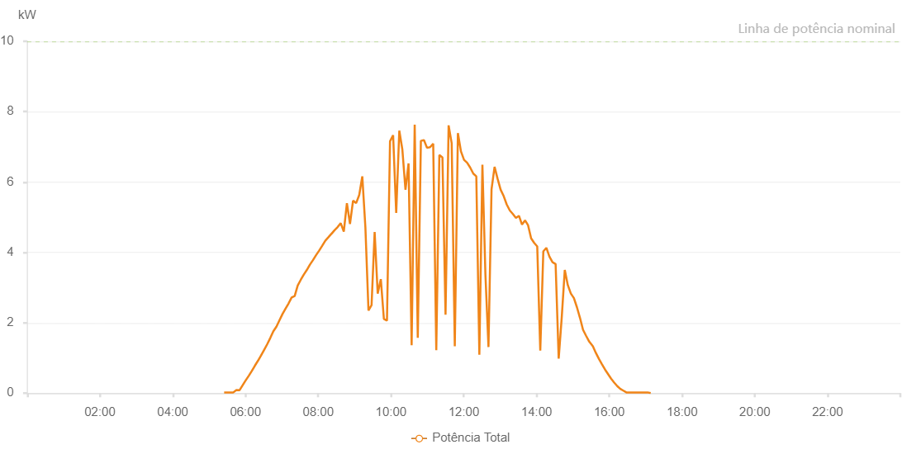

Number | Time | Working State | Alarm Code | Total Inverter Power(W)
1 | 30/04/2023 05:24:48 (UTC-4:00) | Normal |  | 20.000
2 | 30/04/2023 05:29:50 (UTC-4:00) | Normal |  | 20.000
3 | 30/04/2023 05:34:51 (UTC-4:00) | Normal |  | 20.000
4 | 30/04/2023 05:39:57 (UTC-4:00) | Normal |  | 20.000
5 | 30/04/2023 05:44:59 (UTC-4:00) | Normal |  | 90.000
6 | 30/04/2023 05:50:04 (UTC-4:00) | Normal |  | 80.000
7 | 30/04/2023 05:55:09 (UTC-4:00) | Normal |  | 220.000
8 | 30/04/2023 06:00:15 (UTC-4:00) | Normal |  | 360.000
9 | 30/04/2023 06:05:19 (UTC-4:00) | Normal |  | 490.000
10 | 30/04/2023 06:10:27 (UTC-4:00) | Normal |  | 630.000
11 | 30/04/2023 06:15:30 (UTC-4:00) | Normal |  | 780.000
12 | 30/04/2023 06:20:35 (UTC-4:00) | Normal |  | 920.000
13 | 30/04/2023 06:25:39 (UTC-4:00) | Normal |  | 1070.000
14 | 30/04/2023 06:30:46 (UTC-4:00) | Normal |  | 1230.000
15 | 30/04/2023 06:35:49 (UTC-4:00) | Normal |  | 1390.000
16 | 30/04/2023 06:40:57 (UTC-4:00) | Normal |  | 1570.000
17 | 30/04/2023 06:46:00 (UTC-4:00) | Normal |  | 1760.000
18 | 30/04/2023 06:51:01 (UTC-4:00) | Normal |  | 1890.000
19 | 30/04/2023 06:56:02 (UTC-4:00) | Normal |  | 2070.000
20 | 30/04/2023 07:01:03 (UTC-4:00) | Normal |  | 2250.000
21 | 30/04/2023 07:06:04 (UTC-4:00) | Normal |  | 2400.000
22 | 30/04/2023 07:11:05 (UTC-4:00) | Normal |  | 2550.000
23 | 30/04/2023 07:16:06 (UTC-4:00) | Normal |  | 2720.000
24 | 30/04/2023 07:21:07 (UTC-4:00) | Normal |  | 2760.000
25 | 30/04/2023 07:26:08 (UTC-4:00) | Normal |  | 3060.000
26 | 30/04/2023 07:31:09 (UTC-4:00) | Normal |  | 3220.000
27 | 30/04/2023 07:36:10 (UTC-4:00) | Normal |  | 3370.000
28 | 30/04/2023 07:41:11 (UTC-4:00) | Normal |  | 3500.000
29 | 30/04/2023 07:46:13 (UTC-4:00) | Normal |  | 3650.000
30 | 30/04/2023 07:51:17 (UTC-4:00) | Normal |  | 3780.000
31 | 30/04/2023 07:56:22 (UTC-4:00) | Normal |  | 3920.000
32 | 30/04/2023 08:01:28 (UTC-4:00) | Normal |  | 4050.000
33 | 30/04/2023 08:06:36 (UTC-4:00) | Normal |  | 4190.000
34 | 30/04/2023 08:11:38 (UTC-4:00) | Normal |  | 4330.000
35 | 30/04/2023 08:16:45 (UTC-4:00) | Normal |  | 4430.000
36 | 30/04/2023 08:21:48 (UTC-4:00) | Normal |  | 4530.000
37 | 30/04/2023 08:22:00 (UTC-4:00) | Normal |  | 4530.000
38 | 30/04/2023 08:26:54 (UTC-4:00) | Normal |  | 4630.000
39 | 30/04/2023 08:31:58 (UTC-4:00) | Normal |  | 4720.000
40 | 30/04/2023 08:37:04 (UTC-4:00) | Normal |  | 4830.000
41 | 30/04/2023 08:42:08 (UTC-4:00) | Normal |  | 4590.000
42 | 30/04/2023 08:47:15 (UTC-4:00) | Normal |  | 5400.000
43 | 30/04/2023 08:52:21 (UTC-4:00) | Normal |  | 4810.000
44 | 30/04/2023 08:57:23 (UTC-4:00) | Normal |  | 5470.000
45 | 30/04/2023 09:02:28 (UTC-4:00) | Normal |  | 5400.000
46 | 30/04/2023 09:07:34 (UTC-4:00) | Normal |  | 5630.000
47 | 30/04/2023 09:12:38 (UTC-4:00) | Normal |  | 6160.000
48 | 30/04/2023 09:17:45 (UTC-4:00) | Normal |  | 4710.000
49 | 30/04/2023 09:22:51 (UTC-4:00) | Normal |  | 2350.000
50 | 30/04/2023 09:27:55 (UTC-4:00) | Normal |  | 2500.000
51 | 30/04/2023 09:33:00 (UTC-4:00) | Normal |  | 4580.000
52 | 30/04/2023 09:38:03 (UTC-4:00) | Normal |  | 2830.000
53 | 30/04/2023 09:43:11 (UTC-4:00) | Normal |  | 3240.000
54 | 30/04/2023 09:48:15 (UTC-4:00) | Normal |  | 2110.000
55 | 30/04/2023 09:53:20 (UTC-4:00) | Normal |  | 2060.000
56 | 30/04/2023 09:58:23 (UTC-4:00) | Normal |  | 7160.000
57 | 30/04/2023 10:03:28 (UTC-4:00) | Normal |  | 7330.000
58 | 30/04/2023 10:08:34 (UTC-4:00) | Normal |  | 5120.000
59 | 30/04/2023 10:13:39 (UTC-4:00) | Normal |  | 7460.000
60 | 30/04/2023 10:18:44 (UTC-4:00) | Normal |  | 6920.000
61 | 30/04/2023 10:23:51 (UTC-4:00) | Normal |  | 5780.000
62 | 30/04/2023 10:28:55 (UTC-4:00) | Normal |  | 6530.000
63 | 30/04/2023 10:34:01 (UTC-4:00) | Normal |  | 1360.000
64 | 30/04/2023 10:39:04 (UTC-4:00) | Normal |  | 7630.000
65 | 30/04/2023 10:44:09 (UTC-4:00) | Normal |  | 1570.000
66 | 30/04/2023 10:49:16 (UTC-4:00) | Normal |  | 7170.000
67 | 30/04/2023 10:54:21 (UTC-4:00) | Normal |  | 7190.000
68 | 30/04/2023 10:59:24 (UTC-4:00) | Normal |  | 6970.000
69 | 30/04/2023 11:04:31 (UTC-4:00) | Normal |  | 6990.000
70 | 30/04/2023 11:09:35 (UTC-4:00) | Normal |  | 7090.000
71 | 30/04/2023 11:14:39 (UTC-4:00) | Normal |  | 1220.000
72 | 30/04/2023 11:19:44 (UTC-4:00) | Normal |  | 6770.000
73 | 30/04/2023 11:24:49 (UTC-4:00) | Normal |  | 6700.000
74 | 30/04/2023 11:29:55 (UTC-4:00) | Normal |  | 2230.000
75 | 30/04/2023 11:35:00 (UTC-4:00) | Normal |  | 7610.000
76 | 30/04/2023 11:40:04 (UTC-4:00) | Normal |  | 7100.000
77 | 30/04/2023 11:45:11 (UTC-4:00) | Normal |  | 1330.000
78 | 30/04/2023 11:50:18 (UTC-4:00) | Normal |  | 7390.000
79 | 30/04/2023 11:55:21 (UTC-4:00) | Normal |  | 6870.000
80 | 30/04/2023 12:00:24 (UTC-4:00) | Normal |  | 6630.000
81 | 30/04/2023 12:05:31 (UTC-4:00) | Normal |  | 6550.000
82 | 30/04/2023 12:10:35 (UTC-4:00) | Normal |  | 6410.000
83 | 30/04/2023 12:15:40 (UTC-4:00) | Normal |  | 6240.000
84 | 30/04/2023 12:20:41 (UTC-4:00) | Normal |  | 6160.000
85 | 30/04/2023 12:25:42 (UTC-4:00) | Normal |  | 1090.000
86 | 30/04/2023 12:30:43 (UTC-4:00) | Normal |  | 6490.000
87 | 30/04/2023 12:35:44 (UTC-4:00) | Normal |  | 3350.000
88 | 30/04/2023 12:40:45 (UTC-4:00) | Normal |  | 1310.000
89 | 30/04/2023 12:45:46 (UTC-4:00) | Normal |  | 5790.000
90 | 30/04/2023 12:50:47 (UTC-4:00) | Normal |  | 6430.000
91 | 30/04/2023 12:55:48 (UTC-4:00) | Normal |  | 6090.000
92 | 30/04/2023 13:00:49 (UTC-4:00) | Normal |  | 5780.000
93 | 30/04/2023 13:05:50 (UTC-4:00) | Normal |  | 5600.000
94 | 30/04/2023 13:10:51 (UTC-4:00) | Normal |  | 5360.000
95 | 30/04/2023 13:15:57 (UTC-4:00) | Normal |  | 5190.000
96 | 30/04/2023 13:20:59 (UTC-4:00) | Normal |  | 5090.000
97 | 30/04/2023 13:26:00 (UTC-4:00) | Normal |  | 4980.000
98 | 30/04/2023 13:31:01 (UTC-4:00) | Normal |  | 5040.000
99 | 30/04/2023 13:36:02 (UTC-4:00) | Normal |  | 4790.000
100 | 30/04/2023 13:41:03 (UTC-4:00) | Normal |  | 4910.000
101 | 30/04/2023 13:46:04 (UTC-4:00) | Normal |  | 4770.000
102 | 30/04/2023 13:51:06 (UTC-4:00) | Normal |  | 4400.000
103 | 30/04/2023 13:56:08 (UTC-4:00) | Normal |  | 4270.000
104 | 30/04/2023 14:01:09 (UTC-4:00) | Normal |  | 4170.000
105 | 30/04/2023 14:06:10 (UTC-4:00) | Normal |  | 1210.000
106 | 30/04/2023 14:11:11 (UTC-4:00) | Normal |  | 4030.000
107 | 30/04/2023 14:16:12 (UTC-4:00) | Normal |  | 4130.000
108 | 30/04/2023 14:21:15 (UTC-4:00) | Normal |  | 3880.000
109 | 30/04/2023 14:26:20 (UTC-4:00) | Normal |  | 3720.000
110 | 30/04/2023 14:31:27 (UTC-4:00) | Normal |  | 3670.000
111 | 30/04/2023 14:36:32 (UTC-4:00) | Normal |  | 980.000
112 | 30/04/2023 14:41:33 (UTC-4:00) | Normal |  | 2150.000
113 | 30/04/2023 14:46:34 (UTC-4:00) | Normal |  | 3500.000
114 | 30/04/2023 14:51:35 (UTC-4:00) | Normal |  | 3070.000
115 | 30/04/2023 14:56:36 (UTC-4:00) | Normal |  | 2830.000
116 | 30/04/2023 15:01:37 (UTC-4:00) | Normal |  | 2700.000
117 | 30/04/2023 15:06:38 (UTC-4:00) | Normal |  | 2440.000
118 | 30/04/2023 15:11:39 (UTC-4:00) | Normal |  | 2140.000
119 | 30/04/2023 15:16:40 (UTC-4:00) | Normal |  | 1800.000
120 | 30/04/2023 15:21:41 (UTC-4:00) | Normal |  | 1630.000
121 | 30/04/2023 15:26:42 (UTC-4:00) | Normal |  | 1470.000
122 | 30/04/2023 15:27:40 (UTC-4:00) | Normal |  | 1450.000
123 | 30/04/2023 15:32:56 (UTC-4:00) | Normal |  | 1330.000
124 | 30/04/2023 15:37:57 (UTC-4:00) | Normal |  | 1140.000
125 | 30/04/2023 15:42:58 (UTC-4:00) | Normal |  | 970.000
126 | 30/04/2023 15:47:58 (UTC-4:00) | Normal |  | 820.000
127 | 30/04/2023 15:53:00 (UTC-4:00) | Normal |  | 670.000
128 | 30/04/2023 15:58:00 (UTC-4:00) | Normal |  | 540.000
129 | 30/04/2023 16:03:00 (UTC-4:00) | Normal |  | 410.000
130 | 30/04/2023 16:08:05 (UTC-4:00) | Normal |  | 300.000
131 | 30/04/2023 16:13:07 (UTC-4:00) | Normal |  | 200.000
132 | 30/04/2023 16:18:12 (UTC-4:00) | Normal |  | 120.000
133 | 30/04/2023 16:23:12 (UTC-4:00) | Normal |  | 70.000
134 | 30/04/2023 16:28:12 (UTC-4:00) | Normal |  | 20.000
135 | 30/04/2023 16:33:14 (UTC-4:00) | Normal |  | 20.000
136 | 30/04/2023 16:38:14 (UTC-4:00) | Normal |  | 20.000
137 | 30/04/2023 16:43:14 (UTC-4:00) | Normal |  | 20.000
138 | 30/04/2023 16:48:16 (UTC-4:00) | Normal |  | 20.000
139 | 30/04/2023 16:53:16 (UTC-4:00) | Normal |  | 20.000
140 | 30/04/2023 16:58:16 (UTC-4:00) | Normal |  | 20.000
141 | 30/04/2023 17:03:16 (UTC-4:00) | Normal |  | 20.000
142 | 30/04/2023 17:08:16 (UTC-4:00) | Normal |  | 0.000

