Inverter History Report__17-08-
Inverter History Report_01/05/2023_Report

Inverter SN:054B7020C020042 |  | Inverter type:B7
Collector SN:4046045654 |  | Full Load Hours(h):3.60
Rated Power:10000Wp

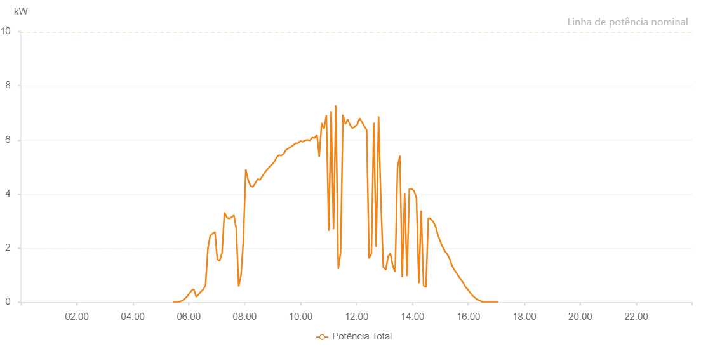

Number | Time | Working State | Alarm Code | Total Inverter Power(W)
1 | 01/05/2023 05:25:40 (UTC-4:00) | Normal |  | 20.000
2 | 01/05/2023 05:30:41 (UTC-4:00) | Normal |  | 20.000
3 | 01/05/2023 05:35:42 (UTC-4:00) | Normal |  | 20.000
4 | 01/05/2023 05:40:49 (UTC-4:00) | Normal |  | 20.000
5 | 01/05/2023 05:45:50 (UTC-4:00) | Normal |  | 60.000
6 | 01/05/2023 05:50:51 (UTC-4:00) | Normal |  | 120.000
7 | 01/05/2023 05:55:53 (UTC-4:00) | Normal |  | 200.000
8 | 01/05/2023 06:00:58 (UTC-4:00) | Normal |  | 310.000
9 | 01/05/2023 06:05:57 (UTC-4:00) | Normal |  | 430.000
10 | 01/05/2023 06:10:58 (UTC-4:00) | Normal |  | 480.000
11 | 01/05/2023 06:16:01 (UTC-4:00) | Normal |  | 200.000
12 | 01/05/2023 06:21:02 (UTC-4:00) | Normal |  | 280.000
13 | 01/05/2023 06:26:03 (UTC-4:00) | Normal |  | 390.000
14 | 01/05/2023 06:31:12 (UTC-4:00) | Normal |  | 470.000
15 | 01/05/2023 06:36:05 (UTC-4:00) | Normal |  | 620.000
16 | 01/05/2023 06:41:07 (UTC-4:00) | Normal |  | 1980.000
17 | 01/05/2023 06:46:08 (UTC-4:00) | Normal |  | 2470.000
18 | 01/05/2023 06:51:14 (UTC-4:00) | Normal |  | 2540.000
19 | 01/05/2023 06:56:17 (UTC-4:00) | Normal |  | 2600.000
20 | 01/05/2023 07:01:21 (UTC-4:00) | Normal |  | 1590.000
21 | 01/05/2023 07:06:27 (UTC-4:00) | Normal |  | 1530.000
22 | 01/05/2023 07:11:32 (UTC-4:00) | Normal |  | 1830.000
23 | 01/05/2023 07:16:37 (UTC-4:00) | Normal |  | 3320.000
24 | 01/05/2023 07:21:41 (UTC-4:00) | Normal |  | 3130.000
25 | 01/05/2023 07:26:55 (UTC-4:00) | Normal |  | 3090.000
26 | 01/05/2023 07:31:53 (UTC-4:00) | Normal |  | 3140.000
27 | 01/05/2023 07:36:56 (UTC-4:00) | Normal |  | 3210.000
28 | 01/05/2023 07:42:02 (UTC-4:00) | Normal |  | 2720.000
29 | 01/05/2023 07:47:08 (UTC-4:00) | Normal |  | 580.000
30 | 01/05/2023 07:52:15 (UTC-4:00) | Normal |  | 990.000
31 | 01/05/2023 07:57:17 (UTC-4:00) | Normal |  | 2300.000
32 | 01/05/2023 08:02:23 (UTC-4:00) | Normal |  | 4900.000
33 | 01/05/2023 08:07:28 (UTC-4:00) | Normal |  | 4520.000
34 | 01/05/2023 08:12:34 (UTC-4:00) | Normal |  | 4300.000
35 | 01/05/2023 08:17:40 (UTC-4:00) | Normal |  | 4260.000
36 | 01/05/2023 08:22:45 (UTC-4:00) | Normal |  | 4400.000
37 | 01/05/2023 08:27:51 (UTC-4:00) | Normal |  | 4550.000
38 | 01/05/2023 08:32:54 (UTC-4:00) | Normal |  | 4520.000
39 | 01/05/2023 08:37:59 (UTC-4:00) | Normal |  | 4660.000
40 | 01/05/2023 08:43:05 (UTC-4:00) | Normal |  | 4790.000
41 | 01/05/2023 08:43:16 (UTC-4:00) | Normal |  | 4790.000
42 | 01/05/2023 08:48:11 (UTC-4:00) | Normal |  | 4900.000
43 | 01/05/2023 08:53:18 (UTC-4:00) | Normal |  | 5010.000
44 | 01/05/2023 08:58:23 (UTC-4:00) | Normal |  | 5090.000
45 | 01/05/2023 09:03:26 (UTC-4:00) | Normal |  | 5180.000
46 | 01/05/2023 09:08:33 (UTC-4:00) | Normal |  | 5350.000
47 | 01/05/2023 09:13:39 (UTC-4:00) | Normal |  | 5440.000
48 | 01/05/2023 09:18:43 (UTC-4:00) | Normal |  | 5420.000
49 | 01/05/2023 09:23:48 (UTC-4:00) | Normal |  | 5490.000
50 | 01/05/2023 09:28:54 (UTC-4:00) | Normal |  | 5630.000
51 | 01/05/2023 09:33:57 (UTC-4:00) | Normal |  | 5690.000
52 | 01/05/2023 09:39:03 (UTC-4:00) | Normal |  | 5740.000
53 | 01/05/2023 09:44:07 (UTC-4:00) | Normal |  | 5800.000
54 | 01/05/2023 09:49:14 (UTC-4:00) | Normal |  | 5870.000
55 | 01/05/2023 09:54:17 (UTC-4:00) | Normal |  | 5880.000
56 | 01/05/2023 09:59:22 (UTC-4:00) | Normal |  | 5960.000
57 | 01/05/2023 10:04:29 (UTC-4:00) | Normal |  | 5930.000
58 | 01/05/2023 10:04:40 (UTC-4:00) | Normal |  | 5930.000
59 | 01/05/2023 10:09:40 (UTC-4:00) | Normal |  | 5990.000
60 | 01/05/2023 10:14:40 (UTC-4:00) | Normal |  | 6000.000
61 | 01/05/2023 10:19:45 (UTC-4:00) | Normal |  | 5980.000
62 | 01/05/2023 10:24:52 (UTC-4:00) | Normal |  | 6090.000
63 | 01/05/2023 10:29:56 (UTC-4:00) | Normal |  | 6070.000
64 | 01/05/2023 10:35:01 (UTC-4:00) | Normal |  | 6190.000
65 | 01/05/2023 10:40:06 (UTC-4:00) | Normal |  | 5380.000
66 | 01/05/2023 10:45:12 (UTC-4:00) | Normal |  | 6620.000
67 | 01/05/2023 10:50:18 (UTC-4:00) | Normal |  | 6410.000
68 | 01/05/2023 10:55:21 (UTC-4:00) | Normal |  | 6910.000
69 | 01/05/2023 11:00:28 (UTC-4:00) | Normal |  | 2640.000
70 | 01/05/2023 11:05:34 (UTC-4:00) | Normal |  | 7060.000
71 | 01/05/2023 11:10:38 (UTC-4:00) | Normal |  | 2700.000
72 | 01/05/2023 11:15:42 (UTC-4:00) | Normal |  | 7270.000
73 | 01/05/2023 11:20:48 (UTC-4:00) | Normal |  | 1230.000
74 | 01/05/2023 11:25:53 (UTC-4:00) | Normal |  | 1840.000
75 | 01/05/2023 11:30:58 (UTC-4:00) | Normal |  | 6930.000
76 | 01/05/2023 11:36:04 (UTC-4:00) | Normal |  | 6580.000
77 | 01/05/2023 11:41:10 (UTC-4:00) | Normal |  | 6760.000
78 | 01/05/2023 11:46:13 (UTC-4:00) | Normal |  | 6550.000
79 | 01/05/2023 11:51:20 (UTC-4:00) | Normal |  | 6430.000
80 | 01/05/2023 11:56:23 (UTC-4:00) | Normal |  | 6500.000
81 | 01/05/2023 12:01:28 (UTC-4:00) | Normal |  | 6560.000
82 | 01/05/2023 12:06:36 (UTC-4:00) | Normal |  | 6800.000
83 | 01/05/2023 12:11:40 (UTC-4:00) | Normal |  | 6660.000
84 | 01/05/2023 12:16:47 (UTC-4:00) | Normal |  | 6500.000
85 | 01/05/2023 12:21:51 (UTC-4:00) | Normal |  | 6360.000
86 | 01/05/2023 12:26:55 (UTC-4:00) | Normal |  | 1620.000
87 | 01/05/2023 12:32:00 (UTC-4:00) | Normal |  | 1800.000
88 | 01/05/2023 12:37:05 (UTC-4:00) | Normal |  | 6630.000
89 | 01/05/2023 12:42:10 (UTC-4:00) | Normal |  | 2040.000
90 | 01/05/2023 12:47:17 (UTC-4:00) | Normal |  | 6870.000
91 | 01/05/2023 12:52:23 (UTC-4:00) | Normal |  | 3710.000
92 | 01/05/2023 12:57:26 (UTC-4:00) | Normal |  | 1300.000
93 | 01/05/2023 13:02:32 (UTC-4:00) | Normal |  | 1210.000
94 | 01/05/2023 13:02:57 (UTC-4:00) | Normal |  | 1210.000
95 | 01/05/2023 13:07:39 (UTC-4:00) | Normal |  | 1690.000
96 | 01/05/2023 13:12:42 (UTC-4:00) | Normal |  | 1810.000
97 | 01/05/2023 13:17:48 (UTC-4:00) | Normal |  | 1340.000
98 | 01/05/2023 13:22:53 (UTC-4:00) | Normal |  | 1120.000
99 | 01/05/2023 13:27:59 (UTC-4:00) | Normal |  | 4980.000
100 | 01/05/2023 13:33:02 (UTC-4:00) | Normal |  | 5420.000
101 | 01/05/2023 13:38:08 (UTC-4:00) | Normal |  | 920.000
102 | 01/05/2023 13:43:12 (UTC-4:00) | Normal |  | 4040.000
103 | 01/05/2023 13:48:19 (UTC-4:00) | Normal |  | 960.000
104 | 01/05/2023 13:53:23 (UTC-4:00) | Normal |  | 4190.000
105 | 01/05/2023 13:58:34 (UTC-4:00) | Normal |  | 4190.000
106 | 01/05/2023 14:03:34 (UTC-4:00) | Normal |  | 4110.000
107 | 01/05/2023 14:08:38 (UTC-4:00) | Normal |  | 3840.000
108 | 01/05/2023 14:13:42 (UTC-4:00) | Normal |  | 700.000
109 | 01/05/2023 14:18:47 (UTC-4:00) | Normal |  | 3390.000
110 | 01/05/2023 14:23:52 (UTC-4:00) | Normal |  | 610.000
111 | 01/05/2023 14:29:00 (UTC-4:00) | Normal |  | 560.000
112 | 01/05/2023 14:34:04 (UTC-4:00) | Normal |  | 3110.000
113 | 01/05/2023 14:39:07 (UTC-4:00) | Normal |  | 3080.000
114 | 01/05/2023 14:44:13 (UTC-4:00) | Normal |  | 2980.000
115 | 01/05/2023 14:49:19 (UTC-4:00) | Normal |  | 2820.000
116 | 01/05/2023 14:54:23 (UTC-4:00) | Normal |  | 2500.000
117 | 01/05/2023 14:59:27 (UTC-4:00) | Normal |  | 2260.000
118 | 01/05/2023 15:04:33 (UTC-4:00) | Normal |  | 2050.000
119 | 01/05/2023 15:09:34 (UTC-4:00) | Normal |  | 1890.000
120 | 01/05/2023 15:14:35 (UTC-4:00) | Normal |  | 1780.000
121 | 01/05/2023 15:19:36 (UTC-4:00) | Normal |  | 1610.000
122 | 01/05/2023 15:24:37 (UTC-4:00) | Normal |  | 1370.000
123 | 01/05/2023 15:28:29 (UTC-4:00) | Normal |  | 1230.000
124 | 01/05/2023 15:33:51 (UTC-4:00) | Normal |  | 1100.000
125 | 01/05/2023 15:38:52 (UTC-4:00) | Normal |  | 960.000
126 | 01/05/2023 15:43:54 (UTC-4:00) | Normal |  | 840.000
127 | 01/05/2023 15:48:54 (UTC-4:00) | Normal |  | 720.000
128 | 01/05/2023 15:53:56 (UTC-4:00) | Normal |  | 560.000
129 | 01/05/2023 15:58:54 (UTC-4:00) | Normal |  | 470.000
130 | 01/05/2023 16:03:54 (UTC-4:00) | Normal |  | 350.000
131 | 01/05/2023 16:08:56 (UTC-4:00) | Normal |  | 250.000
132 | 01/05/2023 16:13:57 (UTC-4:00) | Normal |  | 170.000
133 | 01/05/2023 16:18:57 (UTC-4:00) | Normal |  | 100.000
134 | 01/05/2023 16:24:23 (UTC-4:00) | Normal |  | 60.000
135 | 01/05/2023 16:29:05 (UTC-4:00) | Normal |  | 20.000
136 | 01/05/2023 16:34:10 (UTC-4:00) | Normal |  | 20.000
137 | 01/05/2023 16:39:16 (UTC-4:00) | Normal |  | 20.000
138 | 01/05/2023 16:44:19 (UTC-4:00) | Normal |  | 20.000
139 | 01/05/2023 16:49:21 (UTC-4:00) | Normal |  | 20.000
140 | 01/05/2023 16:54:23 (UTC-4:00) | Normal |  | 20.000
141 | 01/05/2023 16:59:27 (UTC-4:00) | Normal |  | 20.000
142 | 01/05/2023 17:04:33 (UTC-4:00) | Normal |  | 20.000

