Inverter History Report__17-08-
Inverter History Report_03/05/2023_Report

Inverter SN:054B7020C020042 |  | Inverter type:B7
Collector SN:4046045654 |  | Full Load Hours(h):3.90
Rated Power:10000Wp

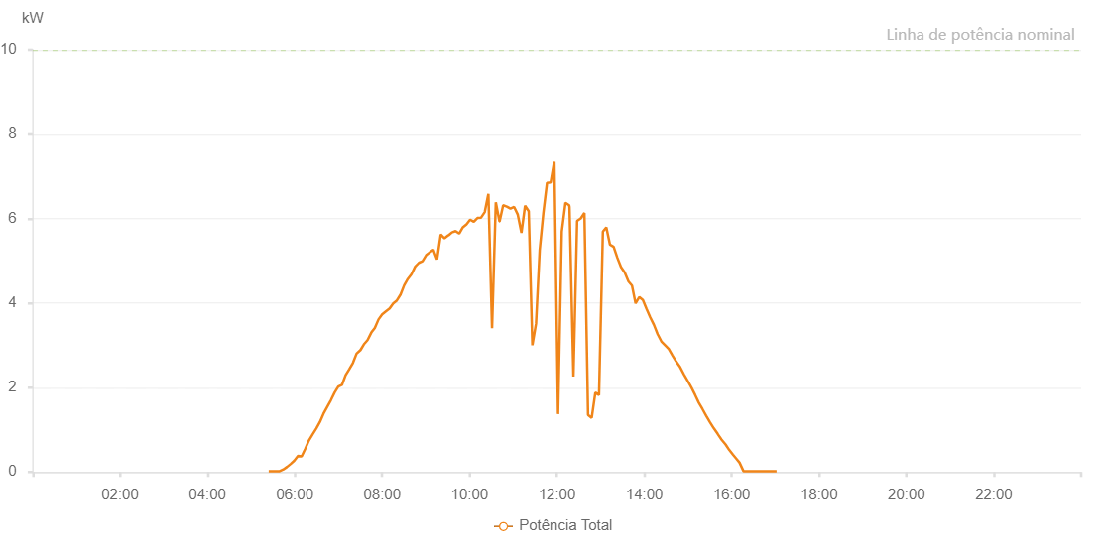

Number | Time | Working State | Alarm Code | Total Inverter Power(W)
1 | 03/05/2023 05:24:11 (UTC-4:00) | Normal |  | 20.000
2 | 03/05/2023 05:29:12 (UTC-4:00) | Normal |  | 20.000
3 | 03/05/2023 05:34:12 (UTC-4:00) | Normal |  | 20.000
4 | 03/05/2023 05:39:14 (UTC-4:00) | Normal |  | 20.000
5 | 03/05/2023 05:44:18 (UTC-4:00) | Normal |  | 60.000
6 | 03/05/2023 05:49:19 (UTC-4:00) | Normal |  | 120.000
7 | 03/05/2023 05:54:21 (UTC-4:00) | Normal |  | 190.000
8 | 03/05/2023 05:59:21 (UTC-4:00) | Normal |  | 270.000
9 | 03/05/2023 06:04:22 (UTC-4:00) | Normal |  | 380.000
10 | 03/05/2023 06:09:23 (UTC-4:00) | Normal |  | 370.000
11 | 03/05/2023 06:14:25 (UTC-4:00) | Normal |  | 550.000
12 | 03/05/2023 06:19:31 (UTC-4:00) | Normal |  | 750.000
13 | 03/05/2023 06:24:26 (UTC-4:00) | Normal |  | 890.000
14 | 03/05/2023 06:29:33 (UTC-4:00) | Normal |  | 1030.000
15 | 03/05/2023 06:34:27 (UTC-4:00) | Normal |  | 1180.000
16 | 03/05/2023 06:39:28 (UTC-4:00) | Normal |  | 1380.000
17 | 03/05/2023 06:44:32 (UTC-4:00) | Normal |  | 1540.000
18 | 03/05/2023 06:49:38 (UTC-4:00) | Normal |  | 1700.000
19 | 03/05/2023 06:54:43 (UTC-4:00) | Normal |  | 1880.000
20 | 03/05/2023 06:59:45 (UTC-4:00) | Normal |  | 2020.000
21 | 03/05/2023 07:04:46 (UTC-4:00) | Normal |  | 2060.000
22 | 03/05/2023 07:09:46 (UTC-4:00) | Normal |  | 2290.000
23 | 03/05/2023 07:14:47 (UTC-4:00) | Normal |  | 2430.000
24 | 03/05/2023 07:19:48 (UTC-4:00) | Normal |  | 2580.000
25 | 03/05/2023 07:24:49 (UTC-4:00) | Normal |  | 2800.000
26 | 03/05/2023 07:29:50 (UTC-4:00) | Normal |  | 2880.000
27 | 03/05/2023 07:30:01 (UTC-4:00) | Normal |  | 2880.000
28 | 03/05/2023 07:34:50 (UTC-4:00) | Normal |  | 3020.000
29 | 03/05/2023 07:39:52 (UTC-4:00) | Normal |  | 3120.000
30 | 03/05/2023 07:45:06 (UTC-4:00) | Normal |  | 3300.000
31 | 03/05/2023 07:49:53 (UTC-4:00) | Normal |  | 3410.000
32 | 03/05/2023 07:54:56 (UTC-4:00) | Normal |  | 3610.000
33 | 03/05/2023 07:59:57 (UTC-4:00) | Normal |  | 3730.000
34 | 03/05/2023 08:05:00 (UTC-4:00) | Normal |  | 3800.000
35 | 03/05/2023 08:10:15 (UTC-4:00) | Normal |  | 3870.000
36 | 03/05/2023 08:15:09 (UTC-4:00) | Normal |  | 3990.000
37 | 03/05/2023 08:20:10 (UTC-4:00) | Normal |  | 4060.000
38 | 03/05/2023 08:25:12 (UTC-4:00) | Normal |  | 4200.000
39 | 03/05/2023 08:30:13 (UTC-4:00) | Normal |  | 4420.000
40 | 03/05/2023 08:35:14 (UTC-4:00) | Normal |  | 4570.000
41 | 03/05/2023 08:40:13 (UTC-4:00) | Normal |  | 4680.000
42 | 03/05/2023 08:45:13 (UTC-4:00) | Normal |  | 4860.000
43 | 03/05/2023 08:50:16 (UTC-4:00) | Normal |  | 4950.000
44 | 03/05/2023 08:55:19 (UTC-4:00) | Normal |  | 4990.000
45 | 03/05/2023 09:00:19 (UTC-4:00) | Normal |  | 5130.000
46 | 03/05/2023 09:05:18 (UTC-4:00) | Normal |  | 5200.000
47 | 03/05/2023 09:10:19 (UTC-4:00) | Normal |  | 5260.000
48 | 03/05/2023 09:15:21 (UTC-4:00) | Normal |  | 5030.000
49 | 03/05/2023 09:20:26 (UTC-4:00) | Normal |  | 5620.000
50 | 03/05/2023 09:25:34 (UTC-4:00) | Normal |  | 5530.000
51 | 03/05/2023 09:30:41 (UTC-4:00) | Normal |  | 5600.000
52 | 03/05/2023 09:31:08 (UTC-4:00) | Normal |  | 5600.000
53 | 03/05/2023 09:35:44 (UTC-4:00) | Normal |  | 5670.000
54 | 03/05/2023 09:40:44 (UTC-4:00) | Normal |  | 5700.000
55 | 03/05/2023 09:45:45 (UTC-4:00) | Normal |  | 5640.000
56 | 03/05/2023 09:50:46 (UTC-4:00) | Normal |  | 5790.000
57 | 03/05/2023 09:55:46 (UTC-4:00) | Normal |  | 5860.000
58 | 03/05/2023 10:00:47 (UTC-4:00) | Normal |  | 5970.000
59 | 03/05/2023 10:05:48 (UTC-4:00) | Normal |  | 5920.000
60 | 03/05/2023 10:10:49 (UTC-4:00) | Normal |  | 6010.000
61 | 03/05/2023 10:15:50 (UTC-4:00) | Normal |  | 6020.000
62 | 03/05/2023 10:20:51 (UTC-4:00) | Normal |  | 6150.000
63 | 03/05/2023 10:25:51 (UTC-4:00) | Normal |  | 6580.000
64 | 03/05/2023 10:30:53 (UTC-4:00) | Normal |  | 3400.000
65 | 03/05/2023 10:36:01 (UTC-4:00) | Normal |  | 6380.000
66 | 03/05/2023 10:41:04 (UTC-4:00) | Normal |  | 5930.000
67 | 03/05/2023 10:41:16 (UTC-4:00) | Normal |  | 5930.000
68 | 03/05/2023 10:46:08 (UTC-4:00) | Normal |  | 6310.000
69 | 03/05/2023 10:51:10 (UTC-4:00) | Normal |  | 6280.000
70 | 03/05/2023 10:56:11 (UTC-4:00) | Normal |  | 6230.000
71 | 03/05/2023 11:01:11 (UTC-4:00) | Normal |  | 6270.000
72 | 03/05/2023 11:06:12 (UTC-4:00) | Normal |  | 6090.000
73 | 03/05/2023 11:11:15 (UTC-4:00) | Normal |  | 5660.000
74 | 03/05/2023 11:16:14 (UTC-4:00) | Normal |  | 6300.000
75 | 03/05/2023 11:21:14 (UTC-4:00) | Normal |  | 6170.000
76 | 03/05/2023 11:26:15 (UTC-4:00) | Normal |  | 3000.000
77 | 03/05/2023 11:31:17 (UTC-4:00) | Normal |  | 3510.000
78 | 03/05/2023 11:36:18 (UTC-4:00) | Normal |  | 5250.000
79 | 03/05/2023 11:41:18 (UTC-4:00) | Normal |  | 6120.000
80 | 03/05/2023 11:46:21 (UTC-4:00) | Normal |  | 6840.000
81 | 03/05/2023 11:51:24 (UTC-4:00) | Normal |  | 6850.000
82 | 03/05/2023 11:56:28 (UTC-4:00) | Normal |  | 7360.000
83 | 03/05/2023 12:01:34 (UTC-4:00) | Normal |  | 1370.000
84 | 03/05/2023 12:06:40 (UTC-4:00) | Normal |  | 5690.000
85 | 03/05/2023 12:11:44 (UTC-4:00) | Normal |  | 6370.000
86 | 03/05/2023 12:16:49 (UTC-4:00) | Normal |  | 6310.000
87 | 03/05/2023 12:17:16 (UTC-4:00) | Normal |  | 6270.000
88 | 03/05/2023 12:22:40 (UTC-4:00) | Normal |  | 2260.000
89 | 03/05/2023 12:27:43 (UTC-4:00) | Normal |  | 5940.000
90 | 03/05/2023 12:32:44 (UTC-4:00) | Normal |  | 6000.000
91 | 03/05/2023 12:37:45 (UTC-4:00) | Normal |  | 6130.000
92 | 03/05/2023 12:42:46 (UTC-4:00) | Normal |  | 1350.000
93 | 03/05/2023 12:47:47 (UTC-4:00) | Normal |  | 1280.000
94 | 03/05/2023 12:52:47 (UTC-4:00) | Normal |  | 1880.000
95 | 03/05/2023 12:57:48 (UTC-4:00) | Normal |  | 1820.000
96 | 03/05/2023 13:03:06 (UTC-4:00) | Normal |  | 5690.000
97 | 03/05/2023 13:07:50 (UTC-4:00) | Normal |  | 5790.000
98 | 03/05/2023 13:12:51 (UTC-4:00) | Normal |  | 5380.000
99 | 03/05/2023 13:17:54 (UTC-4:00) | Normal |  | 5330.000
100 | 03/05/2023 13:22:57 (UTC-4:00) | Normal |  | 5070.000
101 | 03/05/2023 13:27:57 (UTC-4:00) | Normal |  | 4850.000
102 | 03/05/2023 13:33:05 (UTC-4:00) | Normal |  | 4720.000
103 | 03/05/2023 13:38:12 (UTC-4:00) | Normal |  | 4510.000
104 | 03/05/2023 13:43:05 (UTC-4:00) | Normal |  | 4410.000
105 | 03/05/2023 13:48:00 (UTC-4:00) | Normal |  | 3990.000
106 | 03/05/2023 13:53:01 (UTC-4:00) | Normal |  | 4140.000
107 | 03/05/2023 13:58:03 (UTC-4:00) | Normal |  | 4070.000
108 | 03/05/2023 14:03:04 (UTC-4:00) | Normal |  | 3860.000
109 | 03/05/2023 14:08:07 (UTC-4:00) | Normal |  | 3660.000
110 | 03/05/2023 14:13:14 (UTC-4:00) | Normal |  | 3480.000
111 | 03/05/2023 14:18:17 (UTC-4:00) | Normal |  | 3260.000
112 | 03/05/2023 14:23:24 (UTC-4:00) | Normal |  | 3090.000
113 | 03/05/2023 14:28:29 (UTC-4:00) | Normal |  | 3000.000
114 | 03/05/2023 14:33:31 (UTC-4:00) | Normal |  | 2910.000
115 | 03/05/2023 14:38:33 (UTC-4:00) | Normal |  | 2760.000
116 | 03/05/2023 14:43:33 (UTC-4:00) | Normal |  | 2620.000
117 | 03/05/2023 14:48:34 (UTC-4:00) | Normal |  | 2500.000
118 | 03/05/2023 14:54:28 (UTC-4:00) | Normal |  | 2310.000
119 | 03/05/2023 14:59:49 (UTC-4:00) | Normal |  | 2150.000
120 | 03/05/2023 15:04:58 (UTC-4:00) | Normal |  | 1990.000
121 | 03/05/2023 15:09:55 (UTC-4:00) | Normal |  | 1820.000
122 | 03/05/2023 15:14:50 (UTC-4:00) | Normal |  | 1640.000
123 | 03/05/2023 15:19:52 (UTC-4:00) | Normal |  | 1490.000
124 | 03/05/2023 15:25:02 (UTC-4:00) | Normal |  | 1330.000
125 | 03/05/2023 15:30:02 (UTC-4:00) | Normal |  | 1180.000
126 | 03/05/2023 15:35:08 (UTC-4:00) | Normal |  | 1040.000
127 | 03/05/2023 15:35:20 (UTC-4:00) | Normal |  | 1040.000
128 | 03/05/2023 15:40:34 (UTC-4:00) | Normal |  | 910.000
129 | 03/05/2023 15:40:45 (UTC-4:00) | Normal |  | 900.000
130 | 03/05/2023 15:45:58 (UTC-4:00) | Normal |  | 770.000
131 | 03/05/2023 15:51:37 (UTC-4:00) | Normal |  | 650.000
132 | 03/05/2023 15:56:41 (UTC-4:00) | Normal |  | 520.000
133 | 03/05/2023 16:01:44 (UTC-4:00) | Normal |  | 410.000
134 | 03/05/2023 16:07:05 (UTC-4:00) | Normal |  | 300.000
135 | 03/05/2023 16:10:50 (UTC-4:00) | Normal |  | 220.000
136 | 03/05/2023 16:16:11 (UTC-4:00) | Normal |  | 20.000
137 | 03/05/2023 16:21:12 (UTC-4:00) | Normal |  | 20.000
138 | 03/05/2023 16:26:15 (UTC-4:00) | Normal |  | 20.000
139 | 03/05/2023 16:31:15 (UTC-4:00) | Normal |  | 20.000
140 | 03/05/2023 16:36:18 (UTC-4:00) | Normal |  | 20.000
141 | 03/05/2023 16:41:17 (UTC-4:00) | Normal |  | 20.000
142 | 03/05/2023 16:46:24 (UTC-4:00) | Normal |  | 20.000
143 | 03/05/2023 16:51:18 (UTC-4:00) | Normal |  | 20.000
144 | 03/05/2023 16:56:22 (UTC-4:00) | Normal |  | 20.000
145 | 03/05/2023 17:01:37 (UTC-4:00) | Normal |  | 20.000

