Inverter History Report__17-08-
Inverter History Report_06/05/2023_Report

Inverter SN:054B7020C020042 |  | Inverter type:B7
Collector SN:4046045654 |  | Full Load Hours(h):3.70
Rated Power:10000Wp

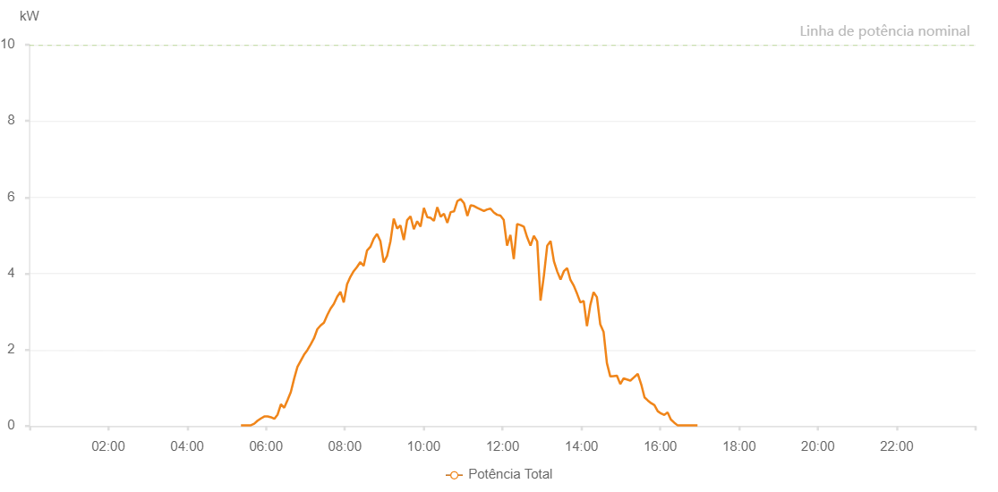

Number | Time | Working State | Alarm Code | Total Inverter Power(W)
1 | 06/05/2023 05:21:52 (UTC-4:00) | Normal |  | 20.000
2 | 06/05/2023 05:26:54 (UTC-4:00) | Normal |  | 20.000
3 | 06/05/2023 05:31:55 (UTC-4:00) | Normal |  | 20.000
4 | 06/05/2023 05:36:59 (UTC-4:00) | Normal |  | 20.000
5 | 06/05/2023 05:42:06 (UTC-4:00) | Normal |  | 60.000
6 | 06/05/2023 05:47:13 (UTC-4:00) | Normal |  | 140.000
7 | 06/05/2023 05:52:18 (UTC-4:00) | Normal |  | 200.000
8 | 06/05/2023 05:57:23 (UTC-4:00) | Normal |  | 250.000
9 | 06/05/2023 06:02:28 (UTC-4:00) | Normal |  | 250.000
10 | 06/05/2023 06:07:37 (UTC-4:00) | Normal |  | 230.000
11 | 06/05/2023 06:12:39 (UTC-4:00) | Normal |  | 190.000
12 | 06/05/2023 06:17:40 (UTC-4:00) | Normal |  | 300.000
13 | 06/05/2023 06:22:42 (UTC-4:00) | Normal |  | 570.000
14 | 06/05/2023 06:27:43 (UTC-4:00) | Normal |  | 480.000
15 | 06/05/2023 06:32:45 (UTC-4:00) | Normal |  | 680.000
16 | 06/05/2023 06:37:46 (UTC-4:00) | Normal |  | 890.000
17 | 06/05/2023 06:42:47 (UTC-4:00) | Normal |  | 1240.000
18 | 06/05/2023 06:47:49 (UTC-4:00) | Normal |  | 1550.000
19 | 06/05/2023 06:52:50 (UTC-4:00) | Normal |  | 1710.000
20 | 06/05/2023 06:57:51 (UTC-4:00) | Normal |  | 1870.000
21 | 06/05/2023 07:02:53 (UTC-4:00) | Normal |  | 1990.000
22 | 06/05/2023 07:07:54 (UTC-4:00) | Normal |  | 2140.000
23 | 06/05/2023 07:13:00 (UTC-4:00) | Normal |  | 2300.000
24 | 06/05/2023 07:18:07 (UTC-4:00) | Normal |  | 2540.000
25 | 06/05/2023 07:23:10 (UTC-4:00) | Normal |  | 2640.000
26 | 06/05/2023 07:28:11 (UTC-4:00) | Normal |  | 2710.000
27 | 06/05/2023 07:33:13 (UTC-4:00) | Normal |  | 2910.000
28 | 06/05/2023 07:38:14 (UTC-4:00) | Normal |  | 3080.000
29 | 06/05/2023 07:43:15 (UTC-4:00) | Normal |  | 3200.000
30 | 06/05/2023 07:48:17 (UTC-4:00) | Normal |  | 3390.000
31 | 06/05/2023 07:53:18 (UTC-4:00) | Normal |  | 3520.000
32 | 06/05/2023 07:58:19 (UTC-4:00) | Normal |  | 3240.000
33 | 06/05/2023 08:03:21 (UTC-4:00) | Normal |  | 3720.000
34 | 06/05/2023 08:08:22 (UTC-4:00) | Normal |  | 3910.000
35 | 06/05/2023 08:13:23 (UTC-4:00) | Normal |  | 4060.000
36 | 06/05/2023 08:18:29 (UTC-4:00) | Normal |  | 4170.000
37 | 06/05/2023 08:23:30 (UTC-4:00) | Normal |  | 4300.000
38 | 06/05/2023 08:28:36 (UTC-4:00) | Normal |  | 4200.000
39 | 06/05/2023 08:33:41 (UTC-4:00) | Normal |  | 4600.000
40 | 06/05/2023 08:38:49 (UTC-4:00) | Normal |  | 4700.000
41 | 06/05/2023 08:43:53 (UTC-4:00) | Normal |  | 4910.000
42 | 06/05/2023 08:48:59 (UTC-4:00) | Normal |  | 5040.000
43 | 06/05/2023 08:54:04 (UTC-4:00) | Normal |  | 4850.000
44 | 06/05/2023 08:59:10 (UTC-4:00) | Normal |  | 4290.000
45 | 06/05/2023 09:04:15 (UTC-4:00) | Normal |  | 4460.000
46 | 06/05/2023 09:09:20 (UTC-4:00) | Normal |  | 4840.000
47 | 06/05/2023 09:14:25 (UTC-4:00) | Normal |  | 5440.000
48 | 06/05/2023 09:19:31 (UTC-4:00) | Normal |  | 5180.000
49 | 06/05/2023 09:24:36 (UTC-4:00) | Normal |  | 5260.000
50 | 06/05/2023 09:29:41 (UTC-4:00) | Normal |  | 4880.000
51 | 06/05/2023 09:34:49 (UTC-4:00) | Normal |  | 5400.000
52 | 06/05/2023 09:39:55 (UTC-4:00) | Normal |  | 5500.000
53 | 06/05/2023 09:45:00 (UTC-4:00) | Normal |  | 5160.000
54 | 06/05/2023 09:50:07 (UTC-4:00) | Normal |  | 5370.000
55 | 06/05/2023 09:55:12 (UTC-4:00) | Normal |  | 5230.000
56 | 06/05/2023 10:00:18 (UTC-4:00) | Normal |  | 5720.000
57 | 06/05/2023 10:05:23 (UTC-4:00) | Normal |  | 5480.000
58 | 06/05/2023 10:10:26 (UTC-4:00) | Normal |  | 5460.000
59 | 06/05/2023 10:15:33 (UTC-4:00) | Normal |  | 5380.000
60 | 06/05/2023 10:20:40 (UTC-4:00) | Normal |  | 5740.000
61 | 06/05/2023 10:25:45 (UTC-4:00) | Normal |  | 5490.000
62 | 06/05/2023 10:30:50 (UTC-4:00) | Normal |  | 5570.000
63 | 06/05/2023 10:35:57 (UTC-4:00) | Normal |  | 5330.000
64 | 06/05/2023 10:41:03 (UTC-4:00) | Normal |  | 5610.000
65 | 06/05/2023 10:46:08 (UTC-4:00) | Normal |  | 5630.000
66 | 06/05/2023 10:51:13 (UTC-4:00) | Normal |  | 5900.000
67 | 06/05/2023 10:56:21 (UTC-4:00) | Normal |  | 5950.000
68 | 06/05/2023 11:01:27 (UTC-4:00) | Normal |  | 5840.000
69 | 06/05/2023 11:06:30 (UTC-4:00) | Normal |  | 5510.000
70 | 06/05/2023 11:11:32 (UTC-4:00) | Normal |  | 5790.000
71 | 06/05/2023 11:16:33 (UTC-4:00) | Normal |  | 5770.000
72 | 06/05/2023 11:21:34 (UTC-4:00) | Normal |  | 5720.000
73 | 06/05/2023 11:26:36 (UTC-4:00) | Normal |  | 5680.000
74 | 06/05/2023 11:31:37 (UTC-4:00) | Normal |  | 5640.000
75 | 06/05/2023 11:36:38 (UTC-4:00) | Normal |  | 5680.000
76 | 06/05/2023 11:41:40 (UTC-4:00) | Normal |  | 5700.000
77 | 06/05/2023 11:46:42 (UTC-4:00) | Normal |  | 5600.000
78 | 06/05/2023 11:51:43 (UTC-4:00) | Normal |  | 5540.000
79 | 06/05/2023 11:56:44 (UTC-4:00) | Normal |  | 5520.000
80 | 06/05/2023 12:01:45 (UTC-4:00) | Normal |  | 5410.000
81 | 06/05/2023 12:06:52 (UTC-4:00) | Normal |  | 4730.000
82 | 06/05/2023 12:11:58 (UTC-4:00) | Normal |  | 5010.000
83 | 06/05/2023 12:17:05 (UTC-4:00) | Normal |  | 4380.000
84 | 06/05/2023 12:22:11 (UTC-4:00) | Normal |  | 5300.000
85 | 06/05/2023 12:27:17 (UTC-4:00) | Normal |  | 5270.000
86 | 06/05/2023 12:32:23 (UTC-4:00) | Normal |  | 5230.000
87 | 06/05/2023 12:37:28 (UTC-4:00) | Normal |  | 4950.000
88 | 06/05/2023 12:42:33 (UTC-4:00) | Normal |  | 4730.000
89 | 06/05/2023 12:47:39 (UTC-4:00) | Normal |  | 4990.000
90 | 06/05/2023 12:52:46 (UTC-4:00) | Normal |  | 4840.000
91 | 06/05/2023 12:57:48 (UTC-4:00) | Normal |  | 3290.000
92 | 06/05/2023 13:02:54 (UTC-4:00) | Normal |  | 3940.000
93 | 06/05/2023 13:07:59 (UTC-4:00) | Normal |  | 4730.000
94 | 06/05/2023 13:13:06 (UTC-4:00) | Normal |  | 4850.000
95 | 06/05/2023 13:18:13 (UTC-4:00) | Normal |  | 4320.000
96 | 06/05/2023 13:23:17 (UTC-4:00) | Normal |  | 4050.000
97 | 06/05/2023 13:28:18 (UTC-4:00) | Normal |  | 3840.000
98 | 06/05/2023 13:33:19 (UTC-4:00) | Normal |  | 4060.000
99 | 06/05/2023 13:38:22 (UTC-4:00) | Normal |  | 4140.000
100 | 06/05/2023 13:43:23 (UTC-4:00) | Normal |  | 3830.000
101 | 06/05/2023 13:48:25 (UTC-4:00) | Normal |  | 3680.000
102 | 06/05/2023 13:53:26 (UTC-4:00) | Normal |  | 3470.000
103 | 06/05/2023 13:58:27 (UTC-4:00) | Normal |  | 3240.000
104 | 06/05/2023 14:03:29 (UTC-4:00) | Normal |  | 3280.000
105 | 06/05/2023 14:08:30 (UTC-4:00) | Normal |  | 2620.000
106 | 06/05/2023 14:13:32 (UTC-4:00) | Normal |  | 3170.000
107 | 06/05/2023 14:18:33 (UTC-4:00) | Normal |  | 3510.000
108 | 06/05/2023 14:23:34 (UTC-4:00) | Normal |  | 3380.000
109 | 06/05/2023 14:28:40 (UTC-4:00) | Normal |  | 2670.000
110 | 06/05/2023 14:33:45 (UTC-4:00) | Normal |  | 2470.000
111 | 06/05/2023 14:38:50 (UTC-4:00) | Normal |  | 1650.000
112 | 06/05/2023 14:43:57 (UTC-4:00) | Normal |  | 1300.000
113 | 06/05/2023 14:49:01 (UTC-4:00) | Normal |  | 1310.000
114 | 06/05/2023 14:54:06 (UTC-4:00) | Normal |  | 1320.000
115 | 06/05/2023 14:59:13 (UTC-4:00) | Normal |  | 1100.000
116 | 06/05/2023 15:04:18 (UTC-4:00) | Normal |  | 1250.000
117 | 06/05/2023 15:09:25 (UTC-4:00) | Normal |  | 1220.000
118 | 06/05/2023 15:14:29 (UTC-4:00) | Normal |  | 1190.000
119 | 06/05/2023 15:19:34 (UTC-4:00) | Normal |  | 1270.000
120 | 06/05/2023 15:24:39 (UTC-4:00) | Normal |  | 1350.000
121 | 06/05/2023 15:25:47 (UTC-4:00) | Normal |  | 1370.000
122 | 06/05/2023 15:31:05 (UTC-4:00) | Normal |  | 1090.000
123 | 06/05/2023 15:36:07 (UTC-4:00) | Normal |  | 750.000
124 | 06/05/2023 15:41:07 (UTC-4:00) | Normal |  | 670.000
125 | 06/05/2023 15:46:08 (UTC-4:00) | Normal |  | 600.000
126 | 06/05/2023 15:51:08 (UTC-4:00) | Normal |  | 550.000
127 | 06/05/2023 15:56:10 (UTC-4:00) | Normal |  | 390.000
128 | 06/05/2023 16:01:10 (UTC-4:00) | Normal |  | 330.000
129 | 06/05/2023 16:06:11 (UTC-4:00) | Normal |  | 290.000
130 | 06/05/2023 16:11:11 (UTC-4:00) | Normal |  | 360.000
131 | 06/05/2023 16:16:12 (UTC-4:00) | Normal |  | 170.000
132 | 06/05/2023 16:21:13 (UTC-4:00) | Normal |  | 90.000
133 | 06/05/2023 16:26:15 (UTC-4:00) | Normal |  | 20.000
134 | 06/05/2023 16:31:20 (UTC-4:00) | Normal |  | 20.000
135 | 06/05/2023 16:36:25 (UTC-4:00) | Normal |  | 20.000
136 | 06/05/2023 16:41:27 (UTC-4:00) | Normal |  | 20.000
137 | 06/05/2023 16:46:32 (UTC-4:00) | Normal |  | 20.000
138 | 06/05/2023 16:51:36 (UTC-4:00) | Normal |  | 20.000
139 | 06/05/2023 16:56:43 (UTC-4:00) | Normal |  | 20.000

