Inverter History Report__17-08-
Inverter History Report_07/05/2023_Report

Inverter SN:054B7020C020042 |  | Inverter type:B7
Collector SN:4046045654 |  | Full Load Hours(h):3.70
Rated Power:10000Wp

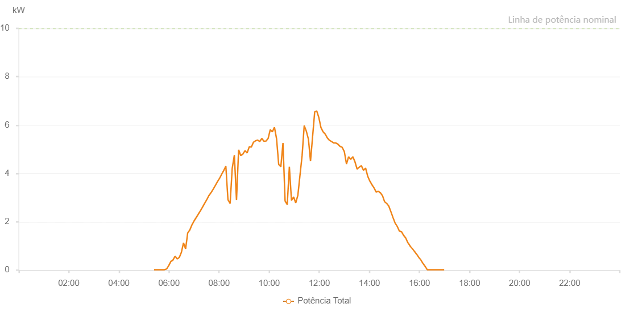

Number | Time | Working State | Alarm Code | Total Inverter Power(W)
1 | 07/05/2023 05:24:21 (UTC-4:00) | Normal |  | 20.000
2 | 07/05/2023 05:29:00 (UTC-4:00) | Normal |  | 20.000
3 | 07/05/2023 05:34:01 (UTC-4:00) | Normal |  | 20.000
4 | 07/05/2023 05:39:03 (UTC-4:00) | Normal |  | 20.000
5 | 07/05/2023 05:44:09 (UTC-4:00) | Normal |  | 20.000
6 | 07/05/2023 05:49:14 (UTC-4:00) | Normal |  | 20.000
7 | 07/05/2023 05:54:22 (UTC-4:00) | Normal |  | 50.000
8 | 07/05/2023 05:59:29 (UTC-4:00) | Normal |  | 190.000
9 | 07/05/2023 06:04:32 (UTC-4:00) | Normal |  | 360.000
10 | 07/05/2023 06:09:38 (UTC-4:00) | Normal |  | 420.000
11 | 07/05/2023 06:14:39 (UTC-4:00) | Normal |  | 580.000
12 | 07/05/2023 06:19:41 (UTC-4:00) | Normal |  | 460.000
13 | 07/05/2023 06:24:43 (UTC-4:00) | Normal |  | 530.000
14 | 07/05/2023 06:29:45 (UTC-4:00) | Normal |  | 740.000
15 | 07/05/2023 06:34:46 (UTC-4:00) | Normal |  | 1130.000
16 | 07/05/2023 06:39:48 (UTC-4:00) | Normal |  | 880.000
17 | 07/05/2023 06:44:49 (UTC-4:00) | Normal |  | 1540.000
18 | 07/05/2023 06:49:51 (UTC-4:00) | Normal |  | 1660.000
19 | 07/05/2023 06:54:53 (UTC-4:00) | Normal |  | 1870.000
20 | 07/05/2023 06:59:54 (UTC-4:00) | Normal |  | 2030.000
21 | 07/05/2023 07:04:58 (UTC-4:00) | Normal |  | 2170.000
22 | 07/05/2023 07:09:59 (UTC-4:00) | Normal |  | 2310.000
23 | 07/05/2023 07:15:05 (UTC-4:00) | Normal |  | 2450.000
24 | 07/05/2023 07:20:11 (UTC-4:00) | Normal |  | 2600.000
25 | 07/05/2023 07:25:17 (UTC-4:00) | Normal |  | 2760.000
26 | 07/05/2023 07:30:23 (UTC-4:00) | Normal |  | 2910.000
27 | 07/05/2023 07:35:27 (UTC-4:00) | Normal |  | 3080.000
28 | 07/05/2023 07:40:32 (UTC-4:00) | Normal |  | 3200.000
29 | 07/05/2023 07:45:38 (UTC-4:00) | Normal |  | 3340.000
30 | 07/05/2023 07:50:44 (UTC-4:00) | Normal |  | 3490.000
31 | 07/05/2023 07:55:49 (UTC-4:00) | Normal |  | 3650.000
32 | 07/05/2023 08:00:55 (UTC-4:00) | Normal |  | 3790.000
33 | 07/05/2023 08:06:00 (UTC-4:00) | Normal |  | 3960.000
34 | 07/05/2023 08:11:09 (UTC-4:00) | Normal |  | 4120.000
35 | 07/05/2023 08:16:12 (UTC-4:00) | Normal |  | 4300.000
36 | 07/05/2023 08:21:18 (UTC-4:00) | Normal |  | 2910.000
37 | 07/05/2023 08:26:27 (UTC-4:00) | Normal |  | 2760.000
38 | 07/05/2023 08:31:29 (UTC-4:00) | Normal |  | 4210.000
39 | 07/05/2023 08:36:36 (UTC-4:00) | Normal |  | 4760.000
40 | 07/05/2023 08:41:44 (UTC-4:00) | Normal |  | 2890.000
41 | 07/05/2023 08:46:48 (UTC-4:00) | Normal |  | 4980.000
42 | 07/05/2023 08:51:55 (UTC-4:00) | Normal |  | 4740.000
43 | 07/05/2023 08:57:01 (UTC-4:00) | Normal |  | 4800.000
44 | 07/05/2023 09:02:09 (UTC-4:00) | Normal |  | 4940.000
45 | 07/05/2023 09:07:14 (UTC-4:00) | Normal |  | 4850.000
46 | 07/05/2023 09:12:17 (UTC-4:00) | Normal |  | 5100.000
47 | 07/05/2023 09:17:19 (UTC-4:00) | Normal |  | 5090.000
48 | 07/05/2023 09:22:21 (UTC-4:00) | Normal |  | 5290.000
49 | 07/05/2023 09:27:22 (UTC-4:00) | Normal |  | 5350.000
50 | 07/05/2023 09:32:24 (UTC-4:00) | Normal |  | 5380.000
51 | 07/05/2023 09:37:26 (UTC-4:00) | Normal |  | 5320.000
52 | 07/05/2023 09:42:27 (UTC-4:00) | Normal |  | 5450.000
53 | 07/05/2023 09:47:29 (UTC-4:00) | Normal |  | 5330.000
54 | 07/05/2023 09:52:30 (UTC-4:00) | Normal |  | 5340.000
55 | 07/05/2023 09:57:34 (UTC-4:00) | Normal |  | 5450.000
56 | 07/05/2023 10:02:36 (UTC-4:00) | Normal |  | 5810.000
57 | 07/05/2023 10:07:37 (UTC-4:00) | Normal |  | 5720.000
58 | 07/05/2023 10:12:39 (UTC-4:00) | Normal |  | 5910.000
59 | 07/05/2023 10:17:45 (UTC-4:00) | Normal |  | 5430.000
60 | 07/05/2023 10:22:51 (UTC-4:00) | Normal |  | 4370.000
61 | 07/05/2023 10:27:58 (UTC-4:00) | Normal |  | 4280.000
62 | 07/05/2023 10:33:05 (UTC-4:00) | Normal |  | 5260.000
63 | 07/05/2023 10:38:10 (UTC-4:00) | Normal |  | 2860.000
64 | 07/05/2023 10:43:17 (UTC-4:00) | Normal |  | 2710.000
65 | 07/05/2023 10:48:23 (UTC-4:00) | Normal |  | 4280.000
66 | 07/05/2023 10:53:29 (UTC-4:00) | Normal |  | 2880.000
67 | 07/05/2023 10:58:35 (UTC-4:00) | Normal |  | 3030.000
68 | 07/05/2023 11:03:40 (UTC-4:00) | Normal |  | 2780.000
69 | 07/05/2023 11:08:46 (UTC-4:00) | Normal |  | 3100.000
70 | 07/05/2023 11:13:53 (UTC-4:00) | Normal |  | 3930.000
71 | 07/05/2023 11:18:56 (UTC-4:00) | Normal |  | 4740.000
72 | 07/05/2023 11:23:58 (UTC-4:00) | Normal |  | 5980.000
73 | 07/05/2023 11:28:59 (UTC-4:00) | Normal |  | 5750.000
74 | 07/05/2023 11:34:01 (UTC-4:00) | Normal |  | 5420.000
75 | 07/05/2023 11:39:03 (UTC-4:00) | Normal |  | 4510.000
76 | 07/05/2023 11:44:04 (UTC-4:00) | Normal |  | 5530.000
77 | 07/05/2023 11:49:06 (UTC-4:00) | Normal |  | 6550.000
78 | 07/05/2023 11:54:07 (UTC-4:00) | Normal |  | 6580.000
79 | 07/05/2023 11:59:09 (UTC-4:00) | Normal |  | 6300.000
80 | 07/05/2023 12:04:11 (UTC-4:00) | Normal |  | 5890.000
81 | 07/05/2023 12:09:12 (UTC-4:00) | Normal |  | 5720.000
82 | 07/05/2023 12:14:14 (UTC-4:00) | Normal |  | 5630.000
83 | 07/05/2023 12:19:21 (UTC-4:00) | Normal |  | 5470.000
84 | 07/05/2023 12:24:25 (UTC-4:00) | Normal |  | 5370.000
85 | 07/05/2023 12:29:32 (UTC-4:00) | Normal |  | 5320.000
86 | 07/05/2023 12:34:38 (UTC-4:00) | Normal |  | 5260.000
87 | 07/05/2023 12:39:45 (UTC-4:00) | Normal |  | 5260.000
88 | 07/05/2023 12:44:47 (UTC-4:00) | Normal |  | 5210.000
89 | 07/05/2023 12:49:53 (UTC-4:00) | Normal |  | 5120.000
90 | 07/05/2023 12:54:59 (UTC-4:00) | Normal |  | 5080.000
91 | 07/05/2023 13:00:06 (UTC-4:00) | Normal |  | 4900.000
92 | 07/05/2023 13:05:12 (UTC-4:00) | Normal |  | 4390.000
93 | 07/05/2023 13:10:18 (UTC-4:00) | Normal |  | 4690.000
94 | 07/05/2023 13:15:23 (UTC-4:00) | Normal |  | 4580.000
95 | 07/05/2023 13:20:28 (UTC-4:00) | Normal |  | 4690.000
96 | 07/05/2023 13:25:34 (UTC-4:00) | Normal |  | 4480.000
97 | 07/05/2023 13:30:41 (UTC-4:00) | Normal |  | 4180.000
98 | 07/05/2023 13:35:47 (UTC-4:00) | Normal |  | 4260.000
99 | 07/05/2023 13:40:55 (UTC-4:00) | Normal |  | 4320.000
100 | 07/05/2023 13:46:00 (UTC-4:00) | Normal |  | 4130.000
101 | 07/05/2023 13:51:04 (UTC-4:00) | Normal |  | 4220.000
102 | 07/05/2023 13:56:10 (UTC-4:00) | Normal |  | 3880.000
103 | 07/05/2023 14:01:18 (UTC-4:00) | Normal |  | 3680.000
104 | 07/05/2023 14:01:30 (UTC-4:00) | Normal |  | 3680.000
105 | 07/05/2023 14:06:21 (UTC-4:00) | Normal |  | 3530.000
106 | 07/05/2023 14:11:23 (UTC-4:00) | Normal |  | 3400.000
107 | 07/05/2023 14:16:24 (UTC-4:00) | Normal |  | 3230.000
108 | 07/05/2023 14:21:26 (UTC-4:00) | Normal |  | 3260.000
109 | 07/05/2023 14:26:28 (UTC-4:00) | Normal |  | 3200.000
110 | 07/05/2023 14:31:30 (UTC-4:00) | Normal |  | 3080.000
111 | 07/05/2023 14:36:32 (UTC-4:00) | Normal |  | 2830.000
112 | 07/05/2023 14:41:34 (UTC-4:00) | Normal |  | 2760.000
113 | 07/05/2023 14:46:35 (UTC-4:00) | Normal |  | 2650.000
114 | 07/05/2023 14:51:37 (UTC-4:00) | Normal |  | 2420.000
115 | 07/05/2023 14:56:39 (UTC-4:00) | Normal |  | 2180.000
116 | 07/05/2023 15:01:41 (UTC-4:00) | Normal |  | 1950.000
117 | 07/05/2023 15:06:48 (UTC-4:00) | Normal |  | 1810.000
118 | 07/05/2023 15:11:53 (UTC-4:00) | Normal |  | 1620.000
119 | 07/05/2023 15:16:59 (UTC-4:00) | Normal |  | 1590.000
120 | 07/05/2023 15:22:06 (UTC-4:00) | Normal |  | 1440.000
121 | 07/05/2023 15:27:12 (UTC-4:00) | Normal |  | 1330.000
122 | 07/05/2023 15:32:16 (UTC-4:00) | Normal |  | 1130.000
123 | 07/05/2023 15:33:07 (UTC-4:00) | Normal |  | 1120.000
124 | 07/05/2023 15:38:25 (UTC-4:00) | Normal |  | 980.000
125 | 07/05/2023 15:43:25 (UTC-4:00) | Normal |  | 880.000
126 | 07/05/2023 15:48:26 (UTC-4:00) | Normal |  | 770.000
127 | 07/05/2023 15:53:27 (UTC-4:00) | Normal |  | 650.000
128 | 07/05/2023 15:53:39 (UTC-4:00) | Normal |  | 650.000
129 | 07/05/2023 15:58:27 (UTC-4:00) | Normal |  | 530.000
130 | 07/05/2023 16:03:29 (UTC-4:00) | Normal |  | 420.000
131 | 07/05/2023 16:08:29 (UTC-4:00) | Normal |  | 280.000
132 | 07/05/2023 16:13:33 (UTC-4:00) | Normal |  | 160.000
133 | 07/05/2023 16:18:39 (UTC-4:00) | Normal |  | 20.000
134 | 07/05/2023 16:23:45 (UTC-4:00) | Normal |  | 20.000
135 | 07/05/2023 16:28:50 (UTC-4:00) | Normal |  | 20.000
136 | 07/05/2023 16:33:55 (UTC-4:00) | Normal |  | 20.000
137 | 07/05/2023 16:39:00 (UTC-4:00) | Normal |  | 20.000
138 | 07/05/2023 16:44:10 (UTC-4:00) | Normal |  | 20.000
139 | 07/05/2023 16:49:11 (UTC-4:00) | Normal |  | 20.000
140 | 07/05/2023 16:54:14 (UTC-4:00) | Normal |  | 20.000
141 | 07/05/2023 16:59:18 (UTC-4:00) | Normal |  | 20.000

