Inverter History Report__17-08-
Inverter History Report_10/05/2023_Report

Inverter SN:054B7020C020042 |  | Inverter type:B7
Collector SN:4046045654 |  | Full Load Hours(h):2.30
Rated Power:10000Wp

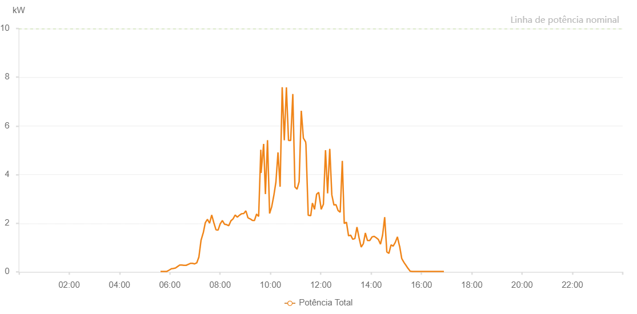

Number | Time | Working State | Alarm Code | Total Inverter Power(W)
1 | 10/05/2023 05:37:53 (UTC-4:00) | Normal |  | 20.000
2 | 10/05/2023 05:42:54 (UTC-4:00) | Normal |  | 20.000
3 | 10/05/2023 05:47:56 (UTC-4:00) | Normal |  | 20.000
4 | 10/05/2023 05:53:02 (UTC-4:00) | Normal |  | 20.000
5 | 10/05/2023 05:58:09 (UTC-4:00) | Normal |  | 70.000
6 | 10/05/2023 06:03:50 (UTC-4:00) | Normal |  | 130.000
7 | 10/05/2023 06:08:30 (UTC-4:00) | Normal |  | 140.000
8 | 10/05/2023 06:13:23 (UTC-4:00) | Normal |  | 160.000
9 | 10/05/2023 06:18:31 (UTC-4:00) | Normal |  | 220.000
10 | 10/05/2023 06:23:37 (UTC-4:00) | Normal |  | 280.000
11 | 10/05/2023 06:28:43 (UTC-4:00) | Normal |  | 280.000
12 | 10/05/2023 06:33:45 (UTC-4:00) | Normal |  | 270.000
13 | 10/05/2023 06:38:52 (UTC-4:00) | Normal |  | 270.000
14 | 10/05/2023 06:43:56 (UTC-4:00) | Normal |  | 310.000
15 | 10/05/2023 06:49:01 (UTC-4:00) | Normal |  | 350.000
16 | 10/05/2023 06:54:07 (UTC-4:00) | Normal |  | 350.000
17 | 10/05/2023 06:59:14 (UTC-4:00) | Normal |  | 330.000
18 | 10/05/2023 07:04:17 (UTC-4:00) | Normal |  | 370.000
19 | 10/05/2023 07:09:23 (UTC-4:00) | Normal |  | 610.000
20 | 10/05/2023 07:14:31 (UTC-4:00) | Normal |  | 1300.000
21 | 10/05/2023 07:19:36 (UTC-4:00) | Normal |  | 1600.000
22 | 10/05/2023 07:19:48 (UTC-4:00) | Normal |  | 1600.000
23 | 10/05/2023 07:24:39 (UTC-4:00) | Normal |  | 2020.000
24 | 10/05/2023 07:29:45 (UTC-4:00) | Normal |  | 2160.000
25 | 10/05/2023 07:34:52 (UTC-4:00) | Normal |  | 2000.000
26 | 10/05/2023 07:39:57 (UTC-4:00) | Normal |  | 2340.000
27 | 10/05/2023 07:45:02 (UTC-4:00) | Normal |  | 2020.000
28 | 10/05/2023 07:50:10 (UTC-4:00) | Normal |  | 1730.000
29 | 10/05/2023 07:55:15 (UTC-4:00) | Normal |  | 1720.000
30 | 10/05/2023 08:00:19 (UTC-4:00) | Normal |  | 1980.000
31 | 10/05/2023 08:05:27 (UTC-4:00) | Normal |  | 2110.000
32 | 10/05/2023 08:10:30 (UTC-4:00) | Normal |  | 1960.000
33 | 10/05/2023 08:15:36 (UTC-4:00) | Normal |  | 1940.000
34 | 10/05/2023 08:20:40 (UTC-4:00) | Normal |  | 1900.000
35 | 10/05/2023 08:25:46 (UTC-4:00) | Normal |  | 2100.000
36 | 10/05/2023 08:30:52 (UTC-4:00) | Normal |  | 2180.000
37 | 10/05/2023 08:36:00 (UTC-4:00) | Normal |  | 2340.000
38 | 10/05/2023 08:41:03 (UTC-4:00) | Normal |  | 2250.000
39 | 10/05/2023 08:46:11 (UTC-4:00) | Normal |  | 2330.000
40 | 10/05/2023 08:51:14 (UTC-4:00) | Normal |  | 2390.000
41 | 10/05/2023 08:56:21 (UTC-4:00) | Normal |  | 2400.000
42 | 10/05/2023 09:01:23 (UTC-4:00) | Normal |  | 2510.000
43 | 10/05/2023 09:06:29 (UTC-4:00) | Normal |  | 2220.000
44 | 10/05/2023 09:06:41 (UTC-4:00) | Normal |  | 2220.000
45 | 10/05/2023 09:11:33 (UTC-4:00) | Normal |  | 2180.000
46 | 10/05/2023 09:16:42 (UTC-4:00) | Normal |  | 2120.000
47 | 10/05/2023 09:21:45 (UTC-4:00) | Normal |  | 2110.000
48 | 10/05/2023 09:26:51 (UTC-4:00) | Normal |  | 2370.000
49 | 10/05/2023 09:27:03 (UTC-4:00) | Normal |  | 2370.000
50 | 10/05/2023 09:31:54 (UTC-4:00) | Normal |  | 2280.000
51 | 10/05/2023 09:37:01 (UTC-4:00) | Normal |  | 5020.000
52 | 10/05/2023 09:37:40 (UTC-4:00) | Normal |  | 4070.000
53 | 10/05/2023 09:43:49 (UTC-4:00) | Normal |  | 5260.000
54 | 10/05/2023 09:48:01 (UTC-4:00) | Normal |  | 3200.000
55 | 10/05/2023 09:53:01 (UTC-4:00) | Normal |  | 5410.000
56 | 10/05/2023 09:58:01 (UTC-4:00) | Normal |  | 2400.000
57 | 10/05/2023 10:03:01 (UTC-4:00) | Normal |  | 2680.000
58 | 10/05/2023 10:08:01 (UTC-4:00) | Normal |  | 3130.000
59 | 10/05/2023 10:13:02 (UTC-4:00) | Normal |  | 3690.000
60 | 10/05/2023 10:18:02 (UTC-4:00) | Normal |  | 4910.000
61 | 10/05/2023 10:23:02 (UTC-4:00) | Normal |  | 3500.000
62 | 10/05/2023 10:28:02 (UTC-4:00) | Normal |  | 7590.000
63 | 10/05/2023 10:33:02 (UTC-4:00) | Normal |  | 5410.000
64 | 10/05/2023 10:38:03 (UTC-4:00) | Normal |  | 7580.000
65 | 10/05/2023 10:43:06 (UTC-4:00) | Normal |  | 5400.000
66 | 10/05/2023 10:48:12 (UTC-4:00) | Normal |  | 5400.000
67 | 10/05/2023 10:53:21 (UTC-4:00) | Normal |  | 7310.000
68 | 10/05/2023 10:58:24 (UTC-4:00) | Normal |  | 3490.000
69 | 10/05/2023 11:03:25 (UTC-4:00) | Normal |  | 3400.000
70 | 10/05/2023 11:08:26 (UTC-4:00) | Normal |  | 3710.000
71 | 10/05/2023 11:13:32 (UTC-4:00) | Normal |  | 6620.000
72 | 10/05/2023 11:18:34 (UTC-4:00) | Normal |  | 5500.000
73 | 10/05/2023 11:23:56 (UTC-4:00) | Normal |  | 5340.000
74 | 10/05/2023 11:24:40 (UTC-4:00) | Normal |  | 5230.000
75 | 10/05/2023 11:30:04 (UTC-4:00) | Normal |  | 2330.000
76 | 10/05/2023 11:36:01 (UTC-4:00) | Normal |  | 2310.000
77 | 10/05/2023 11:40:06 (UTC-4:00) | Normal |  | 2830.000
78 | 10/05/2023 11:45:08 (UTC-4:00) | Normal |  | 2570.000
79 | 10/05/2023 11:50:07 (UTC-4:00) | Normal |  | 3190.000
80 | 10/05/2023 11:55:05 (UTC-4:00) | Normal |  | 3270.000
81 | 10/05/2023 11:59:59 (UTC-4:00) | Normal |  | 2710.000
82 | 10/05/2023 12:00:56 (UTC-4:00) | Normal |  | 2570.000
83 | 10/05/2023 12:06:19 (UTC-4:00) | Normal |  | 2780.000
84 | 10/05/2023 12:11:19 (UTC-4:00) | Normal |  | 5000.000
85 | 10/05/2023 12:16:19 (UTC-4:00) | Normal |  | 3230.000
86 | 10/05/2023 12:21:21 (UTC-4:00) | Normal |  | 5040.000
87 | 10/05/2023 12:21:32 (UTC-4:00) | Normal |  | 5040.000
88 | 10/05/2023 12:26:21 (UTC-4:00) | Normal |  | 3170.000
89 | 10/05/2023 12:31:21 (UTC-4:00) | Normal |  | 2750.000
90 | 10/05/2023 12:31:32 (UTC-4:00) | Normal |  | 2750.000
91 | 10/05/2023 12:36:21 (UTC-4:00) | Normal |  | 2760.000
92 | 10/05/2023 12:41:21 (UTC-4:00) | Normal |  | 2520.000
93 | 10/05/2023 12:46:22 (UTC-4:00) | Normal |  | 2450.000
94 | 10/05/2023 12:51:22 (UTC-4:00) | Normal |  | 4560.000
95 | 10/05/2023 12:55:59 (UTC-4:00) | Normal |  | 1990.000
96 | 10/05/2023 13:01:16 (UTC-4:00) | Normal |  | 2040.000
97 | 10/05/2023 13:06:17 (UTC-4:00) | Normal |  | 1480.000
98 | 10/05/2023 13:11:18 (UTC-4:00) | Normal |  | 1510.000
99 | 10/05/2023 13:16:18 (UTC-4:00) | Normal |  | 1340.000
100 | 10/05/2023 13:21:19 (UTC-4:00) | Normal |  | 1370.000
101 | 10/05/2023 13:26:19 (UTC-4:00) | Normal |  | 1840.000
102 | 10/05/2023 13:31:20 (UTC-4:00) | Normal |  | 1400.000
103 | 10/05/2023 13:36:19 (UTC-4:00) | Normal |  | 1020.000
104 | 10/05/2023 13:41:32 (UTC-4:00) | Normal |  | 1160.000
105 | 10/05/2023 13:46:20 (UTC-4:00) | Normal |  | 1600.000
106 | 10/05/2023 13:51:20 (UTC-4:00) | Normal |  | 1290.000
107 | 10/05/2023 13:56:53 (UTC-4:00) | Normal |  | 1290.000
108 | 10/05/2023 14:02:25 (UTC-4:00) | Normal |  | 1440.000
109 | 10/05/2023 14:07:20 (UTC-4:00) | Normal |  | 1460.000
110 | 10/05/2023 14:12:23 (UTC-4:00) | Normal |  | 1400.000
111 | 10/05/2023 14:17:23 (UTC-4:00) | Normal |  | 1330.000
112 | 10/05/2023 14:22:23 (UTC-4:00) | Normal |  | 1140.000
113 | 10/05/2023 14:27:24 (UTC-4:00) | Normal |  | 1510.000
114 | 10/05/2023 14:32:24 (UTC-4:00) | Normal |  | 2250.000
115 | 10/05/2023 14:37:33 (UTC-4:00) | Normal |  | 820.000
116 | 10/05/2023 14:42:25 (UTC-4:00) | Normal |  | 760.000
117 | 10/05/2023 14:47:31 (UTC-4:00) | Normal |  | 1110.000
118 | 10/05/2023 14:52:34 (UTC-4:00) | Normal |  | 1060.000
119 | 10/05/2023 14:57:38 (UTC-4:00) | Normal |  | 1210.000
120 | 10/05/2023 15:02:43 (UTC-4:00) | Normal |  | 1440.000
121 | 10/05/2023 15:07:48 (UTC-4:00) | Normal |  | 1060.000
122 | 10/05/2023 15:08:00 (UTC-4:00) | Normal |  | 1060.000
123 | 10/05/2023 15:13:05 (UTC-4:00) | Normal |  | 550.000
124 | 10/05/2023 15:13:06 (UTC-4:00) | Normal |  | 550.000
125 | 10/05/2023 15:18:22 (UTC-4:00) | Normal |  | 390.000
126 | 10/05/2023 15:23:09 (UTC-4:00) | Normal |  | 270.000
127 | 10/05/2023 15:28:07 (UTC-4:00) | Normal |  | 140.000
128 | 10/05/2023 15:28:19 (UTC-4:00) | Normal |  | 140.000
129 | 10/05/2023 15:33:10 (UTC-4:00) | Normal |  | 30.000
130 | 10/05/2023 15:38:10 (UTC-4:00) | Normal |  | 20.000
131 | 10/05/2023 15:43:10 (UTC-4:00) | Normal |  | 20.000
132 | 10/05/2023 15:48:12 (UTC-4:00) | Normal |  | 20.000
133 | 10/05/2023 15:53:11 (UTC-4:00) | Normal |  | 20.000
134 | 10/05/2023 15:58:13 (UTC-4:00) | Normal |  | 20.000
135 | 10/05/2023 16:03:11 (UTC-4:00) | Normal |  | 20.000
136 | 10/05/2023 16:08:23 (UTC-4:00) | Normal |  | 20.000
137 | 10/05/2023 16:13:27 (UTC-4:00) | Normal |  | 20.000
138 | 10/05/2023 16:18:15 (UTC-4:00) | Normal |  | 20.000
139 | 10/05/2023 16:23:16 (UTC-4:00) | Normal |  | 20.000
140 | 10/05/2023 16:28:13 (UTC-4:00) | Normal |  | 20.000
141 | 10/05/2023 16:33:19 (UTC-4:00) | Normal |  | 20.000
142 | 10/05/2023 16:38:43 (UTC-4:00) | Normal |  | 20.000
143 | 10/05/2023 16:38:59 (UTC-4:00) | Normal |  | 20.000
144 | 10/05/2023 16:43:24 (UTC-4:00) | Normal |  | 20.000
145 | 10/05/2023 16:48:29 (UTC-4:00) | Normal |  | 20.000
146 | 10/05/2023 16:53:35 (UTC-4:00) | Normal |  | 20.000

