Inverter History Report__17-08-
Inverter History Report_13/05/2023_Report

Inverter SN:054B7020C020042 |  | Inverter type:B7
Collector SN:4046045654 |  | Full Load Hours(h):3.80
Rated Power:10000Wp

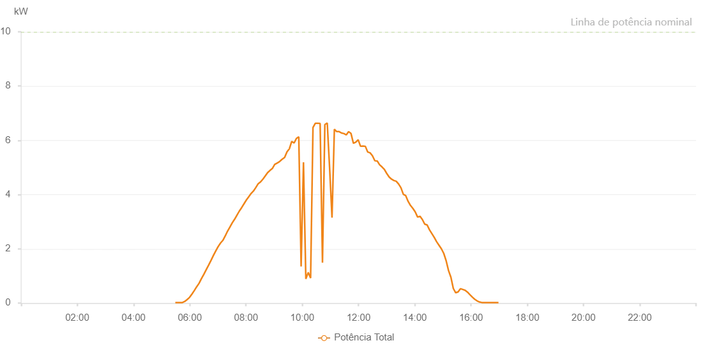

Number | Time | Working State | Alarm Code | Total Inverter Power(W)
1 | 13/05/2023 05:29:07 (UTC-4:00) | Normal |  | 20.000
2 | 13/05/2023 05:34:14 (UTC-4:00) | Normal |  | 20.000
3 | 13/05/2023 05:39:09 (UTC-4:00) | Normal |  | 20.000
4 | 13/05/2023 05:44:11 (UTC-4:00) | Normal |  | 20.000
5 | 13/05/2023 05:49:18 (UTC-4:00) | Normal |  | 60.000
6 | 13/05/2023 05:54:22 (UTC-4:00) | Normal |  | 130.000
7 | 13/05/2023 05:59:27 (UTC-4:00) | Normal |  | 210.000
8 | 13/05/2023 06:04:32 (UTC-4:00) | Normal |  | 330.000
9 | 13/05/2023 06:09:38 (UTC-4:00) | Normal |  | 460.000
10 | 13/05/2023 06:14:41 (UTC-4:00) | Normal |  | 600.000
11 | 13/05/2023 06:19:51 (UTC-4:00) | Normal |  | 730.000
12 | 13/05/2023 06:24:51 (UTC-4:00) | Normal |  | 900.000
13 | 13/05/2023 06:29:57 (UTC-4:00) | Normal |  | 1060.000
14 | 13/05/2023 06:35:01 (UTC-4:00) | Normal |  | 1230.000
15 | 13/05/2023 06:40:11 (UTC-4:00) | Normal |  | 1400.000
16 | 13/05/2023 06:45:11 (UTC-4:00) | Normal |  | 1570.000
17 | 13/05/2023 06:50:16 (UTC-4:00) | Normal |  | 1750.000
18 | 13/05/2023 06:55:24 (UTC-4:00) | Normal |  | 1920.000
19 | 13/05/2023 07:00:26 (UTC-4:00) | Normal |  | 2080.000
20 | 13/05/2023 07:05:30 (UTC-4:00) | Normal |  | 2210.000
21 | 13/05/2023 07:10:31 (UTC-4:00) | Normal |  | 2310.000
22 | 13/05/2023 07:15:31 (UTC-4:00) | Normal |  | 2470.000
23 | 13/05/2023 07:20:32 (UTC-4:00) | Normal |  | 2650.000
24 | 13/05/2023 07:25:34 (UTC-4:00) | Normal |  | 2800.000
25 | 13/05/2023 07:30:38 (UTC-4:00) | Normal |  | 2960.000
26 | 13/05/2023 07:35:38 (UTC-4:00) | Normal |  | 3090.000
27 | 13/05/2023 07:40:39 (UTC-4:00) | Normal |  | 3240.000
28 | 13/05/2023 07:45:39 (UTC-4:00) | Normal |  | 3390.000
29 | 13/05/2023 07:50:43 (UTC-4:00) | Normal |  | 3520.000
30 | 13/05/2023 07:55:42 (UTC-4:00) | Normal |  | 3660.000
31 | 13/05/2023 08:00:45 (UTC-4:00) | Normal |  | 3800.000
32 | 13/05/2023 08:05:44 (UTC-4:00) | Normal |  | 3920.000
33 | 13/05/2023 08:10:46 (UTC-4:00) | Normal |  | 4040.000
34 | 13/05/2023 08:15:53 (UTC-4:00) | Normal |  | 4130.000
35 | 13/05/2023 08:20:56 (UTC-4:00) | Normal |  | 4260.000
36 | 13/05/2023 08:25:59 (UTC-4:00) | Normal |  | 4400.000
37 | 13/05/2023 08:31:06 (UTC-4:00) | Normal |  | 4470.000
38 | 13/05/2023 08:36:05 (UTC-4:00) | Normal |  | 4570.000
39 | 13/05/2023 08:41:13 (UTC-4:00) | Normal |  | 4690.000
40 | 13/05/2023 08:46:07 (UTC-4:00) | Normal |  | 4810.000
41 | 13/05/2023 08:51:07 (UTC-4:00) | Normal |  | 4890.000
42 | 13/05/2023 08:56:08 (UTC-4:00) | Normal |  | 4960.000
43 | 13/05/2023 09:01:11 (UTC-4:00) | Normal |  | 5110.000
44 | 13/05/2023 09:06:10 (UTC-4:00) | Normal |  | 5160.000
45 | 13/05/2023 09:11:11 (UTC-4:00) | Normal |  | 5210.000
46 | 13/05/2023 09:16:12 (UTC-4:00) | Normal |  | 5290.000
47 | 13/05/2023 09:21:41 (UTC-4:00) | Normal |  | 5360.000
48 | 13/05/2023 09:22:07 (UTC-4:00) | Normal |  | 5360.000
49 | 13/05/2023 09:27:28 (UTC-4:00) | Normal |  | 5580.000
50 | 13/05/2023 09:32:30 (UTC-4:00) | Normal |  | 5690.000
51 | 13/05/2023 09:37:30 (UTC-4:00) | Normal |  | 5960.000
52 | 13/05/2023 09:42:30 (UTC-4:00) | Normal |  | 5900.000
53 | 13/05/2023 09:47:30 (UTC-4:00) | Normal |  | 6070.000
54 | 13/05/2023 09:52:31 (UTC-4:00) | Normal |  | 6130.000
55 | 13/05/2023 09:57:32 (UTC-4:00) | Normal |  | 1350.000
56 | 13/05/2023 10:02:33 (UTC-4:00) | Normal |  | 5190.000
57 | 13/05/2023 10:07:35 (UTC-4:00) | Normal |  | 890.000
58 | 13/05/2023 10:12:39 (UTC-4:00) | Normal |  | 1130.000
59 | 13/05/2023 10:17:45 (UTC-4:00) | Normal |  | 920.000
60 | 13/05/2023 10:22:50 (UTC-4:00) | Normal |  | 6470.000
61 | 13/05/2023 10:27:54 (UTC-4:00) | Normal |  | 6630.000
62 | 13/05/2023 10:32:56 (UTC-4:00) | Normal |  | 6630.000
63 | 13/05/2023 10:38:03 (UTC-4:00) | Normal |  | 6620.000
64 | 13/05/2023 10:43:05 (UTC-4:00) | Normal |  | 1490.000
65 | 13/05/2023 10:48:10 (UTC-4:00) | Normal |  | 6580.000
66 | 13/05/2023 10:53:15 (UTC-4:00) | Normal |  | 6640.000
67 | 13/05/2023 10:58:20 (UTC-4:00) | Normal |  | 4970.000
68 | 13/05/2023 11:03:26 (UTC-4:00) | Normal |  | 3150.000
69 | 13/05/2023 11:08:28 (UTC-4:00) | Normal |  | 6410.000
70 | 13/05/2023 11:13:32 (UTC-4:00) | Normal |  | 6320.000
71 | 13/05/2023 11:18:39 (UTC-4:00) | Normal |  | 6320.000
72 | 13/05/2023 11:23:41 (UTC-4:00) | Normal |  | 6270.000
73 | 13/05/2023 11:28:45 (UTC-4:00) | Normal |  | 6250.000
74 | 13/05/2023 11:33:50 (UTC-4:00) | Normal |  | 6200.000
75 | 13/05/2023 11:38:57 (UTC-4:00) | Normal |  | 6320.000
76 | 13/05/2023 11:43:58 (UTC-4:00) | Normal |  | 6250.000
77 | 13/05/2023 11:49:06 (UTC-4:00) | Normal |  | 5890.000
78 | 13/05/2023 11:54:07 (UTC-4:00) | Normal |  | 5930.000
79 | 13/05/2023 11:59:12 (UTC-4:00) | Normal |  | 6020.000
80 | 13/05/2023 12:04:16 (UTC-4:00) | Normal |  | 5780.000
81 | 13/05/2023 12:09:22 (UTC-4:00) | Normal |  | 5790.000
82 | 13/05/2023 12:14:30 (UTC-4:00) | Normal |  | 5780.000
83 | 13/05/2023 12:19:31 (UTC-4:00) | Normal |  | 5570.000
84 | 13/05/2023 12:24:35 (UTC-4:00) | Normal |  | 5540.000
85 | 13/05/2023 12:29:40 (UTC-4:00) | Normal |  | 5430.000
86 | 13/05/2023 12:34:45 (UTC-4:00) | Normal |  | 5250.000
87 | 13/05/2023 12:39:50 (UTC-4:00) | Normal |  | 5240.000
88 | 13/05/2023 12:44:53 (UTC-4:00) | Normal |  | 5100.000
89 | 13/05/2023 12:50:01 (UTC-4:00) | Normal |  | 5020.000
90 | 13/05/2023 12:55:02 (UTC-4:00) | Normal |  | 4930.000
91 | 13/05/2023 13:00:06 (UTC-4:00) | Normal |  | 4780.000
92 | 13/05/2023 13:05:09 (UTC-4:00) | Normal |  | 4650.000
93 | 13/05/2023 13:10:14 (UTC-4:00) | Normal |  | 4570.000
94 | 13/05/2023 13:15:20 (UTC-4:00) | Normal |  | 4520.000
95 | 13/05/2023 13:20:25 (UTC-4:00) | Normal |  | 4490.000
96 | 13/05/2023 13:25:27 (UTC-4:00) | Normal |  | 4390.000
97 | 13/05/2023 13:30:31 (UTC-4:00) | Normal |  | 4250.000
98 | 13/05/2023 13:35:37 (UTC-4:00) | Normal |  | 4010.000
99 | 13/05/2023 13:40:41 (UTC-4:00) | Normal |  | 3960.000
100 | 13/05/2023 13:45:46 (UTC-4:00) | Normal |  | 3750.000
101 | 13/05/2023 13:50:49 (UTC-4:00) | Normal |  | 3600.000
102 | 13/05/2023 13:55:55 (UTC-4:00) | Normal |  | 3490.000
103 | 13/05/2023 14:00:57 (UTC-4:00) | Normal |  | 3360.000
104 | 13/05/2023 14:06:03 (UTC-4:00) | Normal |  | 3170.000
105 | 13/05/2023 14:11:06 (UTC-4:00) | Normal |  | 3200.000
106 | 13/05/2023 14:16:12 (UTC-4:00) | Normal |  | 3080.000
107 | 13/05/2023 14:21:14 (UTC-4:00) | Normal |  | 2910.000
108 | 13/05/2023 14:26:20 (UTC-4:00) | Normal |  | 2880.000
109 | 13/05/2023 14:31:23 (UTC-4:00) | Normal |  | 2700.000
110 | 13/05/2023 14:36:29 (UTC-4:00) | Normal |  | 2560.000
111 | 13/05/2023 14:41:34 (UTC-4:00) | Normal |  | 2420.000
112 | 13/05/2023 14:46:36 (UTC-4:00) | Normal |  | 2260.000
113 | 13/05/2023 14:51:43 (UTC-4:00) | Normal |  | 2130.000
114 | 13/05/2023 14:56:48 (UTC-4:00) | Normal |  | 2000.000
115 | 13/05/2023 15:01:50 (UTC-4:00) | Normal |  | 1830.000
116 | 13/05/2023 15:06:54 (UTC-4:00) | Normal |  | 1560.000
117 | 13/05/2023 15:12:00 (UTC-4:00) | Normal |  | 1200.000
118 | 13/05/2023 15:17:06 (UTC-4:00) | Normal |  | 950.000
119 | 13/05/2023 15:22:10 (UTC-4:00) | Normal |  | 540.000
120 | 13/05/2023 15:27:17 (UTC-4:00) | Normal |  | 380.000
121 | 13/05/2023 15:32:18 (UTC-4:00) | Normal |  | 410.000
122 | 13/05/2023 15:37:24 (UTC-4:00) | Normal |  | 530.000
123 | 13/05/2023 15:42:30 (UTC-4:00) | Normal |  | 500.000
124 | 13/05/2023 15:47:33 (UTC-4:00) | Normal |  | 470.000
125 | 13/05/2023 15:52:38 (UTC-4:00) | Normal |  | 400.000
126 | 13/05/2023 15:57:40 (UTC-4:00) | Normal |  | 310.000
127 | 13/05/2023 16:02:47 (UTC-4:00) | Normal |  | 220.000
128 | 13/05/2023 16:07:50 (UTC-4:00) | Normal |  | 140.000
129 | 13/05/2023 16:12:54 (UTC-4:00) | Normal |  | 80.000
130 | 13/05/2023 16:18:00 (UTC-4:00) | Normal |  | 40.000
131 | 13/05/2023 16:23:02 (UTC-4:00) | Normal |  | 20.000
132 | 13/05/2023 16:28:10 (UTC-4:00) | Normal |  | 20.000
133 | 13/05/2023 16:33:11 (UTC-4:00) | Normal |  | 20.000
134 | 13/05/2023 16:38:15 (UTC-4:00) | Normal |  | 20.000
135 | 13/05/2023 16:43:20 (UTC-4:00) | Normal |  | 20.000
136 | 13/05/2023 16:48:24 (UTC-4:00) | Normal |  | 20.000
137 | 13/05/2023 16:53:27 (UTC-4:00) | Normal |  | 20.000
138 | 13/05/2023 16:58:31 (UTC-4:00) | Normal |  | 20.000

