Inverter History Report__17-08-
Inverter History Report_14/05/2023_Report

Inverter SN:054B7020C020042 |  | Inverter type:B7
Collector SN:4046045654 |  | Full Load Hours(h):3.70
Rated Power:10000Wp

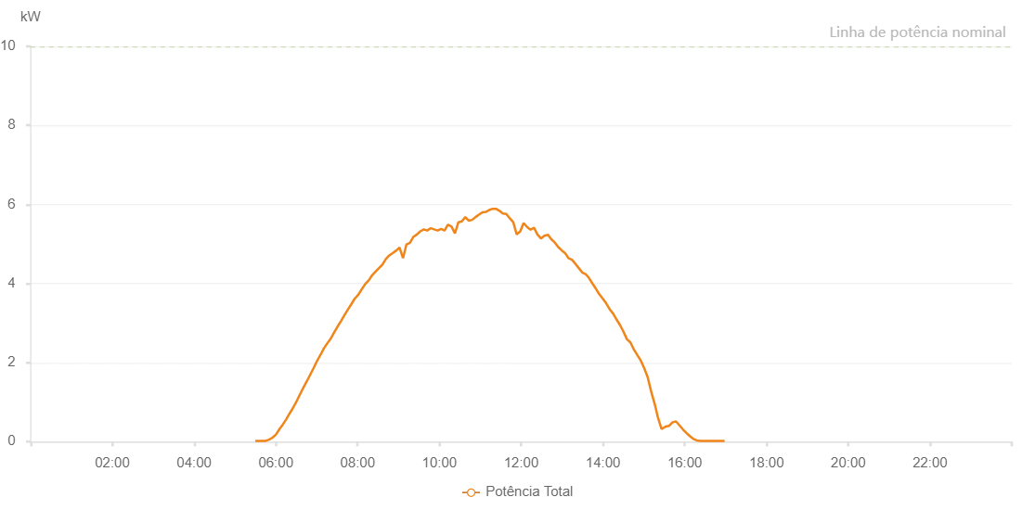

Number | Time | Working State | Alarm Code | Total Inverter Power(W)
1 | 14/05/2023 05:29:51 (UTC-4:00) | Normal |  | 20.000
2 | 14/05/2023 05:34:52 (UTC-4:00) | Normal |  | 20.000
3 | 14/05/2023 05:39:52 (UTC-4:00) | Normal |  | 20.000
4 | 14/05/2023 05:44:58 (UTC-4:00) | Normal |  | 20.000
5 | 14/05/2023 05:49:59 (UTC-4:00) | Normal |  | 50.000
6 | 14/05/2023 05:55:00 (UTC-4:00) | Normal |  | 100.000
7 | 14/05/2023 06:00:09 (UTC-4:00) | Normal |  | 180.000
8 | 14/05/2023 06:05:02 (UTC-4:00) | Normal |  | 310.000
9 | 14/05/2023 06:10:04 (UTC-4:00) | Normal |  | 430.000
10 | 14/05/2023 06:15:05 (UTC-4:00) | Normal |  | 560.000
11 | 14/05/2023 06:20:05 (UTC-4:00) | Normal |  | 710.000
12 | 14/05/2023 06:25:06 (UTC-4:00) | Normal |  | 850.000
13 | 14/05/2023 06:30:07 (UTC-4:00) | Normal |  | 1010.000
14 | 14/05/2023 06:35:10 (UTC-4:00) | Normal |  | 1190.000
15 | 14/05/2023 06:35:19 (UTC-4:00) | Normal |  | 1190.000
16 | 14/05/2023 06:40:09 (UTC-4:00) | Normal |  | 1360.000
17 | 14/05/2023 06:45:11 (UTC-4:00) | Normal |  | 1520.000
18 | 14/05/2023 06:50:16 (UTC-4:00) | Normal |  | 1690.000
19 | 14/05/2023 06:55:20 (UTC-4:00) | Normal |  | 1860.000
20 | 14/05/2023 07:00:25 (UTC-4:00) | Normal |  | 2040.000
21 | 14/05/2023 07:05:29 (UTC-4:00) | Normal |  | 2200.000
22 | 14/05/2023 07:05:41 (UTC-4:00) | Normal |  | 2200.000
23 | 14/05/2023 07:10:32 (UTC-4:00) | Normal |  | 2360.000
24 | 14/05/2023 07:15:37 (UTC-4:00) | Normal |  | 2490.000
25 | 14/05/2023 07:20:41 (UTC-4:00) | Normal |  | 2610.000
26 | 14/05/2023 07:25:48 (UTC-4:00) | Normal |  | 2770.000
27 | 14/05/2023 07:30:50 (UTC-4:00) | Normal |  | 2920.000
28 | 14/05/2023 07:35:55 (UTC-4:00) | Normal |  | 3060.000
29 | 14/05/2023 07:41:02 (UTC-4:00) | Normal |  | 3210.000
30 | 14/05/2023 07:46:06 (UTC-4:00) | Normal |  | 3350.000
31 | 14/05/2023 07:51:12 (UTC-4:00) | Normal |  | 3490.000
32 | 14/05/2023 07:56:15 (UTC-4:00) | Normal |  | 3630.000
33 | 14/05/2023 07:56:31 (UTC-4:00) | Normal |  | 3630.000
34 | 14/05/2023 08:01:15 (UTC-4:00) | Normal |  | 3720.000
35 | 14/05/2023 08:06:16 (UTC-4:00) | Normal |  | 3860.000
36 | 14/05/2023 08:11:18 (UTC-4:00) | Normal |  | 3990.000
37 | 14/05/2023 08:16:19 (UTC-4:00) | Normal |  | 4080.000
38 | 14/05/2023 08:21:20 (UTC-4:00) | Normal |  | 4210.000
39 | 14/05/2023 08:26:20 (UTC-4:00) | Normal |  | 4300.000
40 | 14/05/2023 08:31:21 (UTC-4:00) | Normal |  | 4390.000
41 | 14/05/2023 08:36:21 (UTC-4:00) | Normal |  | 4480.000
42 | 14/05/2023 08:41:22 (UTC-4:00) | Normal |  | 4620.000
43 | 14/05/2023 08:46:22 (UTC-4:00) | Normal |  | 4710.000
44 | 14/05/2023 08:51:25 (UTC-4:00) | Normal |  | 4770.000
45 | 14/05/2023 08:56:25 (UTC-4:00) | Normal |  | 4830.000
46 | 14/05/2023 09:01:29 (UTC-4:00) | Normal |  | 4910.000
47 | 14/05/2023 09:06:35 (UTC-4:00) | Normal |  | 4640.000
48 | 14/05/2023 09:11:40 (UTC-4:00) | Normal |  | 4990.000
49 | 14/05/2023 09:16:45 (UTC-4:00) | Normal |  | 5030.000
50 | 14/05/2023 09:21:51 (UTC-4:00) | Normal |  | 5180.000
51 | 14/05/2023 09:26:54 (UTC-4:00) | Normal |  | 5240.000
52 | 14/05/2023 09:31:58 (UTC-4:00) | Normal |  | 5320.000
53 | 14/05/2023 09:37:03 (UTC-4:00) | Normal |  | 5370.000
54 | 14/05/2023 09:42:08 (UTC-4:00) | Normal |  | 5340.000
55 | 14/05/2023 09:47:14 (UTC-4:00) | Normal |  | 5400.000
56 | 14/05/2023 09:52:17 (UTC-4:00) | Normal |  | 5370.000
57 | 14/05/2023 09:57:22 (UTC-4:00) | Normal |  | 5340.000
58 | 14/05/2023 10:02:29 (UTC-4:00) | Normal |  | 5380.000
59 | 14/05/2023 10:07:33 (UTC-4:00) | Normal |  | 5340.000
60 | 14/05/2023 10:12:38 (UTC-4:00) | Normal |  | 5490.000
61 | 14/05/2023 10:17:45 (UTC-4:00) | Normal |  | 5440.000
62 | 14/05/2023 10:22:50 (UTC-4:00) | Normal |  | 5270.000
63 | 14/05/2023 10:27:54 (UTC-4:00) | Normal |  | 5550.000
64 | 14/05/2023 10:32:58 (UTC-4:00) | Normal |  | 5570.000
65 | 14/05/2023 10:37:59 (UTC-4:00) | Normal |  | 5680.000
66 | 14/05/2023 10:42:59 (UTC-4:00) | Normal |  | 5590.000
67 | 14/05/2023 10:48:00 (UTC-4:00) | Normal |  | 5610.000
68 | 14/05/2023 10:53:01 (UTC-4:00) | Normal |  | 5680.000
69 | 14/05/2023 10:58:01 (UTC-4:00) | Normal |  | 5740.000
70 | 14/05/2023 11:03:04 (UTC-4:00) | Normal |  | 5800.000
71 | 14/05/2023 11:08:03 (UTC-4:00) | Normal |  | 5810.000
72 | 14/05/2023 11:13:04 (UTC-4:00) | Normal |  | 5860.000
73 | 14/05/2023 11:18:05 (UTC-4:00) | Normal |  | 5890.000
74 | 14/05/2023 11:23:05 (UTC-4:00) | Normal |  | 5890.000
75 | 14/05/2023 11:28:06 (UTC-4:00) | Normal |  | 5840.000
76 | 14/05/2023 11:33:08 (UTC-4:00) | Normal |  | 5770.000
77 | 14/05/2023 11:38:14 (UTC-4:00) | Normal |  | 5760.000
78 | 14/05/2023 11:43:17 (UTC-4:00) | Normal |  | 5650.000
79 | 14/05/2023 11:48:23 (UTC-4:00) | Normal |  | 5550.000
80 | 14/05/2023 11:53:27 (UTC-4:00) | Normal |  | 5240.000
81 | 14/05/2023 11:58:36 (UTC-4:00) | Normal |  | 5320.000
82 | 14/05/2023 12:03:36 (UTC-4:00) | Normal |  | 5530.000
83 | 14/05/2023 12:08:41 (UTC-4:00) | Normal |  | 5430.000
84 | 14/05/2023 12:13:46 (UTC-4:00) | Normal |  | 5360.000
85 | 14/05/2023 12:18:49 (UTC-4:00) | Normal |  | 5410.000
86 | 14/05/2023 12:23:54 (UTC-4:00) | Normal |  | 5240.000
87 | 14/05/2023 12:29:00 (UTC-4:00) | Normal |  | 5140.000
88 | 14/05/2023 12:34:03 (UTC-4:00) | Normal |  | 5210.000
89 | 14/05/2023 12:39:23 (UTC-4:00) | Normal |  | 5230.000
90 | 14/05/2023 12:39:24 (UTC-4:00) | Normal |  | 5230.000
91 | 14/05/2023 12:44:12 (UTC-4:00) | Normal |  | 5120.000
92 | 14/05/2023 12:49:17 (UTC-4:00) | Normal |  | 5040.000
93 | 14/05/2023 12:54:24 (UTC-4:00) | Normal |  | 4920.000
94 | 14/05/2023 12:59:26 (UTC-4:00) | Normal |  | 4840.000
95 | 14/05/2023 13:04:26 (UTC-4:00) | Normal |  | 4770.000
96 | 14/05/2023 13:09:29 (UTC-4:00) | Normal |  | 4640.000
97 | 14/05/2023 13:14:30 (UTC-4:00) | Normal |  | 4600.000
98 | 14/05/2023 13:19:30 (UTC-4:00) | Normal |  | 4500.000
99 | 14/05/2023 13:24:33 (UTC-4:00) | Normal |  | 4390.000
100 | 14/05/2023 13:29:34 (UTC-4:00) | Normal |  | 4280.000
101 | 14/05/2023 13:34:34 (UTC-4:00) | Normal |  | 4240.000
102 | 14/05/2023 13:39:34 (UTC-4:00) | Normal |  | 4140.000
103 | 14/05/2023 13:44:35 (UTC-4:00) | Normal |  | 4000.000
104 | 14/05/2023 13:49:35 (UTC-4:00) | Normal |  | 3870.000
105 | 14/05/2023 13:54:36 (UTC-4:00) | Normal |  | 3730.000
106 | 14/05/2023 13:59:38 (UTC-4:00) | Normal |  | 3620.000
107 | 14/05/2023 14:04:43 (UTC-4:00) | Normal |  | 3500.000
108 | 14/05/2023 14:09:50 (UTC-4:00) | Normal |  | 3350.000
109 | 14/05/2023 14:14:52 (UTC-4:00) | Normal |  | 3240.000
110 | 14/05/2023 14:19:57 (UTC-4:00) | Normal |  | 3090.000
111 | 14/05/2023 14:25:03 (UTC-4:00) | Normal |  | 2950.000
112 | 14/05/2023 14:30:09 (UTC-4:00) | Normal |  | 2780.000
113 | 14/05/2023 14:35:15 (UTC-4:00) | Normal |  | 2590.000
114 | 14/05/2023 14:40:18 (UTC-4:00) | Normal |  | 2510.000
115 | 14/05/2023 14:45:23 (UTC-4:00) | Normal |  | 2330.000
116 | 14/05/2023 14:50:27 (UTC-4:00) | Normal |  | 2190.000
117 | 14/05/2023 14:55:31 (UTC-4:00) | Normal |  | 2050.000
118 | 14/05/2023 15:00:34 (UTC-4:00) | Normal |  | 1860.000
119 | 14/05/2023 15:05:39 (UTC-4:00) | Normal |  | 1630.000
120 | 14/05/2023 15:10:43 (UTC-4:00) | Normal |  | 1270.000
121 | 14/05/2023 15:15:49 (UTC-4:00) | Normal |  | 960.000
122 | 14/05/2023 15:20:52 (UTC-4:00) | Normal |  | 600.000
123 | 14/05/2023 15:25:57 (UTC-4:00) | Normal |  | 320.000
124 | 14/05/2023 15:31:03 (UTC-4:00) | Normal |  | 370.000
125 | 14/05/2023 15:31:52 (UTC-4:00) | Normal |  | 380.000
126 | 14/05/2023 15:37:12 (UTC-4:00) | Normal |  | 400.000
127 | 14/05/2023 15:42:14 (UTC-4:00) | Normal |  | 490.000
128 | 14/05/2023 15:47:16 (UTC-4:00) | Normal |  | 510.000
129 | 14/05/2023 15:52:18 (UTC-4:00) | Normal |  | 410.000
130 | 14/05/2023 15:57:20 (UTC-4:00) | Normal |  | 310.000
131 | 14/05/2023 16:02:24 (UTC-4:00) | Normal |  | 220.000
132 | 14/05/2023 16:07:30 (UTC-4:00) | Normal |  | 140.000
133 | 14/05/2023 16:12:37 (UTC-4:00) | Normal |  | 70.000
134 | 14/05/2023 16:17:42 (UTC-4:00) | Normal |  | 30.000
135 | 14/05/2023 16:22:49 (UTC-4:00) | Normal |  | 20.000
136 | 14/05/2023 16:27:53 (UTC-4:00) | Normal |  | 20.000
137 | 14/05/2023 16:33:00 (UTC-4:00) | Normal |  | 20.000
138 | 14/05/2023 16:38:07 (UTC-4:00) | Normal |  | 20.000
139 | 14/05/2023 16:43:15 (UTC-4:00) | Normal |  | 20.000
140 | 14/05/2023 16:48:21 (UTC-4:00) | Normal |  | 20.000
141 | 14/05/2023 16:53:27 (UTC-4:00) | Normal |  | 20.000
142 | 14/05/2023 16:58:34 (UTC-4:00) | Normal |  | 20.000

