Inverter History Report__17-08-
Inverter History Report_20/05/2023_Report

Inverter SN:054B7020C020042 |  | Inverter type:B7
Collector SN:4046045654 |  | Full Load Hours(h):3.50
Rated Power:10000Wp

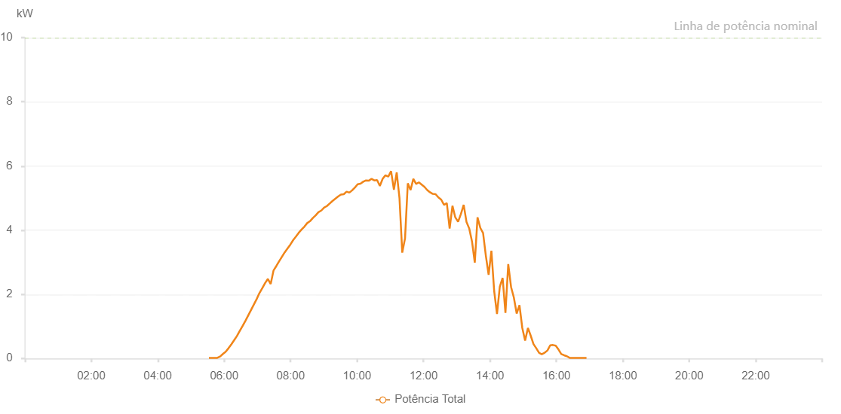

Number | Time | Working State | Alarm Code | Total Inverter Power(W)
1 | 20/05/2023 05:32:27 (UTC-4:00) | Normal |  | 20.000
2 | 20/05/2023 05:37:27 (UTC-4:00) | Normal |  | 20.000
3 | 20/05/2023 05:42:27 (UTC-4:00) | Normal |  | 20.000
4 | 20/05/2023 05:47:32 (UTC-4:00) | Normal |  | 20.000
5 | 20/05/2023 05:52:37 (UTC-4:00) | Normal |  | 60.000
6 | 20/05/2023 05:57:43 (UTC-4:00) | Normal |  | 140.000
7 | 20/05/2023 06:02:46 (UTC-4:00) | Normal |  | 210.000
8 | 20/05/2023 06:07:52 (UTC-4:00) | Normal |  | 320.000
9 | 20/05/2023 06:12:56 (UTC-4:00) | Normal |  | 440.000
10 | 20/05/2023 06:17:59 (UTC-4:00) | Normal |  | 570.000
11 | 20/05/2023 06:23:05 (UTC-4:00) | Normal |  | 700.000
12 | 20/05/2023 06:28:08 (UTC-4:00) | Normal |  | 860.000
13 | 20/05/2023 06:33:13 (UTC-4:00) | Normal |  | 1010.000
14 | 20/05/2023 06:38:18 (UTC-4:00) | Normal |  | 1170.000
15 | 20/05/2023 06:43:24 (UTC-4:00) | Normal |  | 1340.000
16 | 20/05/2023 06:48:30 (UTC-4:00) | Normal |  | 1510.000
17 | 20/05/2023 06:53:35 (UTC-4:00) | Normal |  | 1680.000
18 | 20/05/2023 06:58:40 (UTC-4:00) | Normal |  | 1850.000
19 | 20/05/2023 07:03:43 (UTC-4:00) | Normal |  | 2040.000
20 | 20/05/2023 07:08:48 (UTC-4:00) | Normal |  | 2190.000
21 | 20/05/2023 07:13:52 (UTC-4:00) | Normal |  | 2350.000
22 | 20/05/2023 07:18:57 (UTC-4:00) | Normal |  | 2480.000
23 | 20/05/2023 07:24:01 (UTC-4:00) | Normal |  | 2320.000
24 | 20/05/2023 07:29:07 (UTC-4:00) | Normal |  | 2740.000
25 | 20/05/2023 07:34:10 (UTC-4:00) | Normal |  | 2880.000
26 | 20/05/2023 07:39:15 (UTC-4:00) | Normal |  | 3030.000
27 | 20/05/2023 07:44:19 (UTC-4:00) | Normal |  | 3170.000
28 | 20/05/2023 07:49:24 (UTC-4:00) | Normal |  | 3310.000
29 | 20/05/2023 07:54:31 (UTC-4:00) | Normal |  | 3430.000
30 | 20/05/2023 07:59:32 (UTC-4:00) | Normal |  | 3550.000
31 | 20/05/2023 08:04:37 (UTC-4:00) | Normal |  | 3690.000
32 | 20/05/2023 08:09:40 (UTC-4:00) | Normal |  | 3800.000
33 | 20/05/2023 08:14:46 (UTC-4:00) | Normal |  | 3920.000
34 | 20/05/2023 08:19:51 (UTC-4:00) | Normal |  | 4020.000
35 | 20/05/2023 08:24:56 (UTC-4:00) | Normal |  | 4110.000
36 | 20/05/2023 08:30:00 (UTC-4:00) | Normal |  | 4220.000
37 | 20/05/2023 08:35:05 (UTC-4:00) | Normal |  | 4280.000
38 | 20/05/2023 08:40:10 (UTC-4:00) | Normal |  | 4380.000
39 | 20/05/2023 08:45:12 (UTC-4:00) | Normal |  | 4460.000
40 | 20/05/2023 08:50:17 (UTC-4:00) | Normal |  | 4560.000
41 | 20/05/2023 08:55:21 (UTC-4:00) | Normal |  | 4610.000
42 | 20/05/2023 09:00:25 (UTC-4:00) | Normal |  | 4700.000
43 | 20/05/2023 09:05:31 (UTC-4:00) | Normal |  | 4750.000
44 | 20/05/2023 09:10:36 (UTC-4:00) | Normal |  | 4830.000
45 | 20/05/2023 09:15:41 (UTC-4:00) | Normal |  | 4910.000
46 | 20/05/2023 09:20:45 (UTC-4:00) | Normal |  | 4980.000
47 | 20/05/2023 09:25:50 (UTC-4:00) | Normal |  | 5050.000
48 | 20/05/2023 09:30:55 (UTC-4:00) | Normal |  | 5110.000
49 | 20/05/2023 09:36:01 (UTC-4:00) | Normal |  | 5120.000
50 | 20/05/2023 09:41:05 (UTC-4:00) | Normal |  | 5200.000
51 | 20/05/2023 09:46:08 (UTC-4:00) | Normal |  | 5170.000
52 | 20/05/2023 09:51:08 (UTC-4:00) | Normal |  | 5240.000
53 | 20/05/2023 09:56:08 (UTC-4:00) | Normal |  | 5330.000
54 | 20/05/2023 10:01:11 (UTC-4:00) | Normal |  | 5430.000
55 | 20/05/2023 10:06:11 (UTC-4:00) | Normal |  | 5450.000
56 | 20/05/2023 10:11:11 (UTC-4:00) | Normal |  | 5510.000
57 | 20/05/2023 10:16:11 (UTC-4:00) | Normal |  | 5550.000
58 | 20/05/2023 10:21:11 (UTC-4:00) | Normal |  | 5540.000
59 | 20/05/2023 10:26:12 (UTC-4:00) | Normal |  | 5600.000
60 | 20/05/2023 10:31:12 (UTC-4:00) | Normal |  | 5550.000
61 | 20/05/2023 10:36:13 (UTC-4:00) | Normal |  | 5560.000
62 | 20/05/2023 10:41:12 (UTC-4:00) | Normal |  | 5380.000
63 | 20/05/2023 10:46:16 (UTC-4:00) | Normal |  | 5600.000
64 | 20/05/2023 10:51:19 (UTC-4:00) | Normal |  | 5710.000
65 | 20/05/2023 10:56:25 (UTC-4:00) | Normal |  | 5670.000
66 | 20/05/2023 11:01:29 (UTC-4:00) | Normal |  | 5840.000
67 | 20/05/2023 11:06:35 (UTC-4:00) | Normal |  | 5260.000
68 | 20/05/2023 11:11:38 (UTC-4:00) | Normal |  | 5800.000
69 | 20/05/2023 11:16:38 (UTC-4:00) | Normal |  | 5000.000
70 | 20/05/2023 11:21:38 (UTC-4:00) | Normal |  | 3300.000
71 | 20/05/2023 11:26:39 (UTC-4:00) | Normal |  | 3740.000
72 | 20/05/2023 11:31:40 (UTC-4:00) | Normal |  | 5460.000
73 | 20/05/2023 11:36:40 (UTC-4:00) | Normal |  | 5250.000
74 | 20/05/2023 11:41:40 (UTC-4:00) | Normal |  | 5600.000
75 | 20/05/2023 11:46:40 (UTC-4:00) | Normal |  | 5440.000
76 | 20/05/2023 11:51:41 (UTC-4:00) | Normal |  | 5490.000
77 | 20/05/2023 11:56:41 (UTC-4:00) | Normal |  | 5420.000
78 | 20/05/2023 12:01:43 (UTC-4:00) | Normal |  | 5350.000
79 | 20/05/2023 12:06:44 (UTC-4:00) | Normal |  | 5250.000
80 | 20/05/2023 12:11:44 (UTC-4:00) | Normal |  | 5180.000
81 | 20/05/2023 12:16:47 (UTC-4:00) | Normal |  | 5130.000
82 | 20/05/2023 12:21:51 (UTC-4:00) | Normal |  | 5120.000
83 | 20/05/2023 12:26:56 (UTC-4:00) | Normal |  | 5020.000
84 | 20/05/2023 12:32:02 (UTC-4:00) | Normal |  | 4950.000
85 | 20/05/2023 12:37:04 (UTC-4:00) | Normal |  | 4790.000
86 | 20/05/2023 12:42:09 (UTC-4:00) | Normal |  | 4840.000
87 | 20/05/2023 12:47:14 (UTC-4:00) | Normal |  | 4050.000
88 | 20/05/2023 12:52:20 (UTC-4:00) | Normal |  | 4760.000
89 | 20/05/2023 12:57:23 (UTC-4:00) | Normal |  | 4400.000
90 | 20/05/2023 13:02:28 (UTC-4:00) | Normal |  | 4260.000
91 | 20/05/2023 13:07:33 (UTC-4:00) | Normal |  | 4500.000
92 | 20/05/2023 13:12:36 (UTC-4:00) | Normal |  | 4790.000
93 | 20/05/2023 13:17:36 (UTC-4:00) | Normal |  | 4260.000
94 | 20/05/2023 13:22:37 (UTC-4:00) | Normal |  | 4050.000
95 | 20/05/2023 13:27:37 (UTC-4:00) | Normal |  | 3650.000
96 | 20/05/2023 13:32:38 (UTC-4:00) | Normal |  | 2990.000
97 | 20/05/2023 13:37:38 (UTC-4:00) | Normal |  | 4400.000
98 | 20/05/2023 13:42:38 (UTC-4:00) | Normal |  | 4070.000
99 | 20/05/2023 13:47:38 (UTC-4:00) | Normal |  | 3910.000
100 | 20/05/2023 13:52:38 (UTC-4:00) | Normal |  | 3200.000
101 | 20/05/2023 13:57:39 (UTC-4:00) | Normal |  | 2610.000
102 | 20/05/2023 14:02:39 (UTC-4:00) | Normal |  | 3360.000
103 | 20/05/2023 14:07:41 (UTC-4:00) | Normal |  | 2100.000
104 | 20/05/2023 14:12:45 (UTC-4:00) | Normal |  | 1390.000
105 | 20/05/2023 14:17:50 (UTC-4:00) | Normal |  | 2240.000
106 | 20/05/2023 14:22:56 (UTC-4:00) | Normal |  | 2510.000
107 | 20/05/2023 14:28:00 (UTC-4:00) | Normal |  | 1420.000
108 | 20/05/2023 14:33:04 (UTC-4:00) | Normal |  | 2940.000
109 | 20/05/2023 14:38:09 (UTC-4:00) | Normal |  | 2230.000
110 | 20/05/2023 14:43:11 (UTC-4:00) | Normal |  | 1900.000
111 | 20/05/2023 14:48:18 (UTC-4:00) | Normal |  | 1400.000
112 | 20/05/2023 14:53:21 (UTC-4:00) | Normal |  | 1660.000
113 | 20/05/2023 14:58:27 (UTC-4:00) | Normal |  | 950.000
114 | 20/05/2023 15:03:32 (UTC-4:00) | Normal |  | 560.000
115 | 20/05/2023 15:08:38 (UTC-4:00) | Normal |  | 950.000
116 | 20/05/2023 15:13:40 (UTC-4:00) | Normal |  | 710.000
117 | 20/05/2023 15:18:40 (UTC-4:00) | Normal |  | 450.000
118 | 20/05/2023 15:23:40 (UTC-4:00) | Normal |  | 320.000
119 | 20/05/2023 15:28:40 (UTC-4:00) | Normal |  | 180.000
120 | 20/05/2023 15:33:36 (UTC-4:00) | Normal |  | 130.000
121 | 20/05/2023 15:38:53 (UTC-4:00) | Normal |  | 180.000
122 | 20/05/2023 15:43:52 (UTC-4:00) | Normal |  | 250.000
123 | 20/05/2023 15:48:51 (UTC-4:00) | Normal |  | 410.000
124 | 20/05/2023 15:53:51 (UTC-4:00) | Normal |  | 420.000
125 | 20/05/2023 15:58:50 (UTC-4:00) | Normal |  | 400.000
126 | 20/05/2023 16:03:51 (UTC-4:00) | Normal |  | 280.000
127 | 20/05/2023 16:08:51 (UTC-4:00) | Normal |  | 140.000
128 | 20/05/2023 16:13:54 (UTC-4:00) | Normal |  | 100.000
129 | 20/05/2023 16:18:56 (UTC-4:00) | Normal |  | 70.000
130 | 20/05/2023 16:24:00 (UTC-4:00) | Normal |  | 20.000
131 | 20/05/2023 16:29:04 (UTC-4:00) | Normal |  | 20.000
132 | 20/05/2023 16:34:08 (UTC-4:00) | Normal |  | 20.000
133 | 20/05/2023 16:39:12 (UTC-4:00) | Normal |  | 20.000
134 | 20/05/2023 16:44:15 (UTC-4:00) | Normal |  | 20.000
135 | 20/05/2023 16:49:21 (UTC-4:00) | Normal |  | 20.000
136 | 20/05/2023 16:54:24 (UTC-4:00) | Normal |  | 20.000

