Inverter History Report__17-08-
Inverter History Report_21/05/2023_Report

Inverter SN:054B7020C020042 |  | Inverter type:B7
Collector SN:4046045654 |  | Full Load Hours(h):3.30
Rated Power:10000Wp

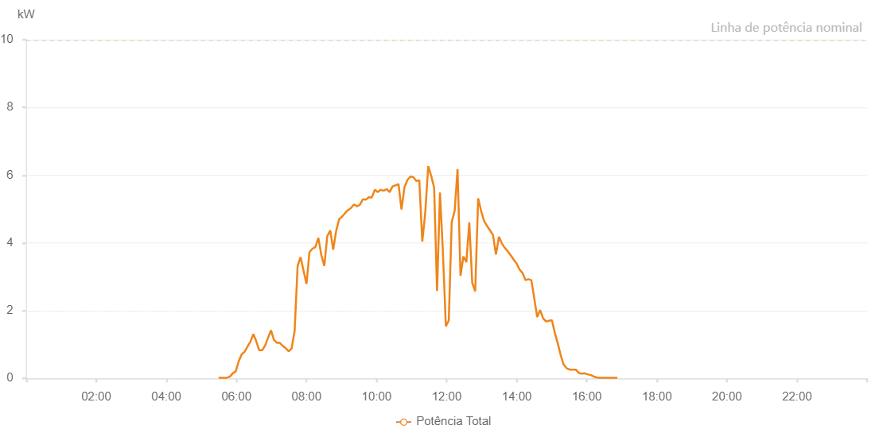

Number | Time | Working State | Alarm Code | Total Inverter Power(W)
1 | 21/05/2023 05:29:38 (UTC-4:00) | Normal |  | 20.000
2 | 21/05/2023 05:33:36 (UTC-4:00) | Normal |  | 20.000
3 | 21/05/2023 05:38:37 (UTC-4:00) | Normal |  | 20.000
4 | 21/05/2023 05:43:38 (UTC-4:00) | Normal |  | 20.000
5 | 21/05/2023 05:48:42 (UTC-4:00) | Normal |  | 50.000
6 | 21/05/2023 05:53:47 (UTC-4:00) | Normal |  | 150.000
7 | 21/05/2023 05:58:54 (UTC-4:00) | Normal |  | 210.000
8 | 21/05/2023 06:03:58 (UTC-4:00) | Normal |  | 510.000
9 | 21/05/2023 06:09:01 (UTC-4:00) | Normal |  | 710.000
10 | 21/05/2023 06:14:01 (UTC-4:00) | Normal |  | 790.000
11 | 21/05/2023 06:19:02 (UTC-4:00) | Normal |  | 940.000
12 | 21/05/2023 06:24:03 (UTC-4:00) | Normal |  | 1090.000
13 | 21/05/2023 06:29:04 (UTC-4:00) | Normal |  | 1310.000
14 | 21/05/2023 06:34:06 (UTC-4:00) | Normal |  | 1090.000
15 | 21/05/2023 06:39:06 (UTC-4:00) | Normal |  | 830.000
16 | 21/05/2023 06:44:07 (UTC-4:00) | Normal |  | 830.000
17 | 21/05/2023 06:49:08 (UTC-4:00) | Normal |  | 970.000
18 | 21/05/2023 06:54:09 (UTC-4:00) | Normal |  | 1200.000
19 | 21/05/2023 06:59:12 (UTC-4:00) | Normal |  | 1420.000
20 | 21/05/2023 07:04:12 (UTC-4:00) | Normal |  | 1140.000
21 | 21/05/2023 07:09:13 (UTC-4:00) | Normal |  | 1050.000
22 | 21/05/2023 07:14:20 (UTC-4:00) | Normal |  | 1050.000
23 | 21/05/2023 07:19:22 (UTC-4:00) | Normal |  | 960.000
24 | 21/05/2023 07:24:26 (UTC-4:00) | Normal |  | 890.000
25 | 21/05/2023 07:29:31 (UTC-4:00) | Normal |  | 800.000
26 | 21/05/2023 07:34:38 (UTC-4:00) | Normal |  | 890.000
27 | 21/05/2023 07:39:40 (UTC-4:00) | Normal |  | 1400.000
28 | 21/05/2023 07:44:46 (UTC-4:00) | Normal |  | 3320.000
29 | 21/05/2023 07:49:52 (UTC-4:00) | Normal |  | 3580.000
30 | 21/05/2023 07:54:56 (UTC-4:00) | Normal |  | 3180.000
31 | 21/05/2023 07:59:59 (UTC-4:00) | Normal |  | 2790.000
32 | 21/05/2023 08:05:04 (UTC-4:00) | Normal |  | 3730.000
33 | 21/05/2023 08:10:10 (UTC-4:00) | Normal |  | 3830.000
34 | 21/05/2023 08:15:14 (UTC-4:00) | Normal |  | 3880.000
35 | 21/05/2023 08:20:18 (UTC-4:00) | Normal |  | 4150.000
36 | 21/05/2023 08:25:24 (UTC-4:00) | Normal |  | 3640.000
37 | 21/05/2023 08:30:31 (UTC-4:00) | Normal |  | 3320.000
38 | 21/05/2023 08:35:33 (UTC-4:00) | Normal |  | 4200.000
39 | 21/05/2023 08:40:38 (UTC-4:00) | Normal |  | 4370.000
40 | 21/05/2023 08:45:44 (UTC-4:00) | Normal |  | 3800.000
41 | 21/05/2023 08:50:51 (UTC-4:00) | Normal |  | 4360.000
42 | 21/05/2023 08:55:55 (UTC-4:00) | Normal |  | 4700.000
43 | 21/05/2023 09:01:01 (UTC-4:00) | Normal |  | 4780.000
44 | 21/05/2023 09:06:05 (UTC-4:00) | Normal |  | 4880.000
45 | 21/05/2023 09:11:12 (UTC-4:00) | Normal |  | 4970.000
46 | 21/05/2023 09:16:14 (UTC-4:00) | Normal |  | 5030.000
47 | 21/05/2023 09:21:18 (UTC-4:00) | Normal |  | 5140.000
48 | 21/05/2023 09:26:23 (UTC-4:00) | Normal |  | 5080.000
49 | 21/05/2023 09:31:28 (UTC-4:00) | Normal |  | 5130.000
50 | 21/05/2023 09:36:33 (UTC-4:00) | Normal |  | 5290.000
51 | 21/05/2023 09:41:39 (UTC-4:00) | Normal |  | 5280.000
52 | 21/05/2023 09:46:44 (UTC-4:00) | Normal |  | 5350.000
53 | 21/05/2023 09:51:50 (UTC-4:00) | Normal |  | 5340.000
54 | 21/05/2023 09:56:55 (UTC-4:00) | Normal |  | 5570.000
55 | 21/05/2023 10:02:01 (UTC-4:00) | Normal |  | 5500.000
56 | 21/05/2023 10:07:06 (UTC-4:00) | Normal |  | 5570.000
57 | 21/05/2023 10:12:12 (UTC-4:00) | Normal |  | 5540.000
58 | 21/05/2023 10:17:15 (UTC-4:00) | Normal |  | 5590.000
59 | 21/05/2023 10:22:19 (UTC-4:00) | Normal |  | 5500.000
60 | 21/05/2023 10:27:24 (UTC-4:00) | Normal |  | 5670.000
61 | 21/05/2023 10:32:31 (UTC-4:00) | Normal |  | 5700.000
62 | 21/05/2023 10:37:33 (UTC-4:00) | Normal |  | 5740.000
63 | 21/05/2023 10:42:38 (UTC-4:00) | Normal |  | 4990.000
64 | 21/05/2023 10:47:43 (UTC-4:00) | Normal |  | 5640.000
65 | 21/05/2023 10:52:50 (UTC-4:00) | Normal |  | 5860.000
66 | 21/05/2023 10:57:53 (UTC-4:00) | Normal |  | 5960.000
67 | 21/05/2023 11:03:00 (UTC-4:00) | Normal |  | 5940.000
68 | 21/05/2023 11:08:05 (UTC-4:00) | Normal |  | 5830.000
69 | 21/05/2023 11:13:09 (UTC-4:00) | Normal |  | 5850.000
70 | 21/05/2023 11:18:16 (UTC-4:00) | Normal |  | 4040.000
71 | 21/05/2023 11:23:20 (UTC-4:00) | Normal |  | 4890.000
72 | 21/05/2023 11:28:26 (UTC-4:00) | Normal |  | 6270.000
73 | 21/05/2023 11:33:31 (UTC-4:00) | Normal |  | 5980.000
74 | 21/05/2023 11:38:34 (UTC-4:00) | Normal |  | 5630.000
75 | 21/05/2023 11:43:35 (UTC-4:00) | Normal |  | 2580.000
76 | 21/05/2023 11:48:35 (UTC-4:00) | Normal |  | 5490.000
77 | 21/05/2023 11:53:36 (UTC-4:00) | Normal |  | 3720.000
78 | 21/05/2023 11:58:38 (UTC-4:00) | Normal |  | 1540.000
79 | 21/05/2023 12:03:38 (UTC-4:00) | Normal |  | 1710.000
80 | 21/05/2023 12:08:39 (UTC-4:00) | Normal |  | 4620.000
81 | 21/05/2023 12:13:39 (UTC-4:00) | Normal |  | 4940.000
82 | 21/05/2023 12:18:40 (UTC-4:00) | Normal |  | 6180.000
83 | 21/05/2023 12:23:43 (UTC-4:00) | Normal |  | 3030.000
84 | 21/05/2023 12:28:43 (UTC-4:00) | Normal |  | 3600.000
85 | 21/05/2023 12:33:44 (UTC-4:00) | Normal |  | 3430.000
86 | 21/05/2023 12:38:45 (UTC-4:00) | Normal |  | 4610.000
87 | 21/05/2023 12:43:49 (UTC-4:00) | Normal |  | 2820.000
88 | 21/05/2023 12:48:52 (UTC-4:00) | Normal |  | 2570.000
89 | 21/05/2023 12:53:57 (UTC-4:00) | Normal |  | 5320.000
90 | 21/05/2023 12:59:02 (UTC-4:00) | Normal |  | 4940.000
91 | 21/05/2023 13:04:06 (UTC-4:00) | Normal |  | 4650.000
92 | 21/05/2023 13:09:12 (UTC-4:00) | Normal |  | 4500.000
93 | 21/05/2023 13:14:18 (UTC-4:00) | Normal |  | 4370.000
94 | 21/05/2023 13:19:21 (UTC-4:00) | Normal |  | 4230.000
95 | 21/05/2023 13:24:26 (UTC-4:00) | Normal |  | 3660.000
96 | 21/05/2023 13:29:31 (UTC-4:00) | Normal |  | 4180.000
97 | 21/05/2023 13:34:37 (UTC-4:00) | Normal |  | 3980.000
98 | 21/05/2023 13:39:44 (UTC-4:00) | Normal |  | 3850.000
99 | 21/05/2023 13:44:49 (UTC-4:00) | Normal |  | 3750.000
100 | 21/05/2023 13:49:55 (UTC-4:00) | Normal |  | 3630.000
101 | 21/05/2023 13:54:57 (UTC-4:00) | Normal |  | 3500.000
102 | 21/05/2023 13:59:58 (UTC-4:00) | Normal |  | 3390.000
103 | 21/05/2023 14:04:59 (UTC-4:00) | Normal |  | 3210.000
104 | 21/05/2023 14:09:59 (UTC-4:00) | Normal |  | 3110.000
105 | 21/05/2023 14:15:00 (UTC-4:00) | Normal |  | 2900.000
106 | 21/05/2023 14:20:01 (UTC-4:00) | Normal |  | 2930.000
107 | 21/05/2023 14:25:02 (UTC-4:00) | Normal |  | 2900.000
108 | 21/05/2023 14:30:03 (UTC-4:00) | Normal |  | 2360.000
109 | 21/05/2023 14:35:03 (UTC-4:00) | Normal |  | 1810.000
110 | 21/05/2023 14:40:04 (UTC-4:00) | Normal |  | 2020.000
111 | 21/05/2023 14:45:05 (UTC-4:00) | Normal |  | 1780.000
112 | 21/05/2023 14:50:05 (UTC-4:00) | Normal |  | 1680.000
113 | 21/05/2023 14:55:09 (UTC-4:00) | Normal |  | 1700.000
114 | 21/05/2023 15:00:14 (UTC-4:00) | Normal |  | 1720.000
115 | 21/05/2023 15:05:19 (UTC-4:00) | Normal |  | 1340.000
116 | 21/05/2023 15:10:22 (UTC-4:00) | Normal |  | 1030.000
117 | 21/05/2023 15:15:23 (UTC-4:00) | Normal |  | 680.000
118 | 21/05/2023 15:20:25 (UTC-4:00) | Normal |  | 410.000
119 | 21/05/2023 15:25:26 (UTC-4:00) | Normal |  | 300.000
120 | 21/05/2023 15:30:27 (UTC-4:00) | Normal |  | 260.000
121 | 21/05/2023 15:35:28 (UTC-4:00) | Normal |  | 260.000
122 | 21/05/2023 15:35:55 (UTC-4:00) | Normal |  | 260.000
123 | 21/05/2023 15:41:14 (UTC-4:00) | Normal |  | 260.000
124 | 21/05/2023 15:46:16 (UTC-4:00) | Normal |  | 160.000
125 | 21/05/2023 15:51:18 (UTC-4:00) | Normal |  | 140.000
126 | 21/05/2023 15:56:20 (UTC-4:00) | Normal |  | 150.000
127 | 21/05/2023 16:01:22 (UTC-4:00) | Normal |  | 120.000
128 | 21/05/2023 16:06:24 (UTC-4:00) | Normal |  | 100.000
129 | 21/05/2023 16:11:27 (UTC-4:00) | Normal |  | 60.000
130 | 21/05/2023 16:16:33 (UTC-4:00) | Normal |  | 30.000
131 | 21/05/2023 16:21:39 (UTC-4:00) | Normal |  | 20.000
132 | 21/05/2023 16:26:45 (UTC-4:00) | Normal |  | 20.000
133 | 21/05/2023 16:31:52 (UTC-4:00) | Normal |  | 20.000
134 | 21/05/2023 16:36:58 (UTC-4:00) | Normal |  | 20.000
135 | 21/05/2023 16:42:03 (UTC-4:00) | Normal |  | 20.000
136 | 21/05/2023 16:47:10 (UTC-4:00) | Normal |  | 20.000
137 | 21/05/2023 16:52:18 (UTC-4:00) | Normal |  | 20.000

