Inverter History Report__17-08-
Inverter History Report_27/05/2023_Report

Inverter SN:054B7020C020042 |  | Inverter type:B7
Collector SN:4046045654 |  | Full Load Hours(h):3.10
Rated Power:10000Wp

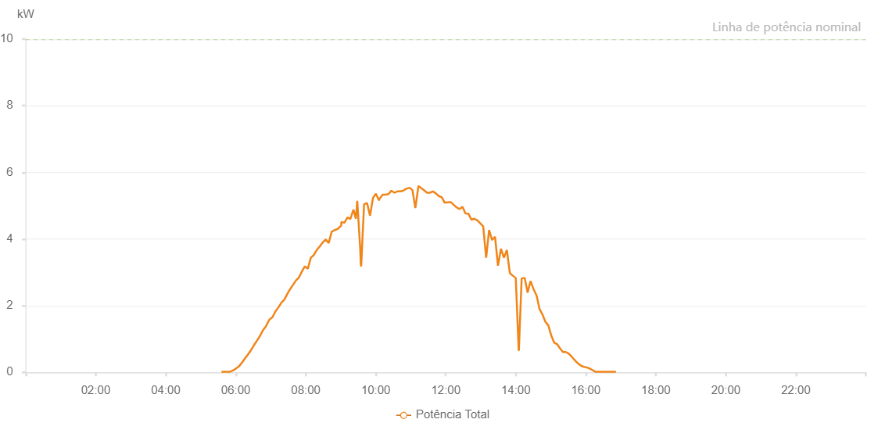

Number | Time | Working State | Alarm Code | Total Inverter Power(W)
1 | 27/05/2023 05:33:40 (UTC-4:00) | Normal |  | 20.000
2 | 27/05/2023 05:38:10 (UTC-4:00) | Normal |  | 20.000
3 | 27/05/2023 05:43:12 (UTC-4:00) | Normal |  | 20.000
4 | 27/05/2023 05:48:14 (UTC-4:00) | Normal |  | 20.000
5 | 27/05/2023 05:53:18 (UTC-4:00) | Normal |  | 20.000
6 | 27/05/2023 05:58:23 (UTC-4:00) | Normal |  | 20.000
7 | 27/05/2023 06:03:30 (UTC-4:00) | Normal |  | 40.000
8 | 27/05/2023 06:08:34 (UTC-4:00) | Normal |  | 60.000
9 | 27/05/2023 06:13:40 (UTC-4:00) | Normal |  | 100.000
10 | 27/05/2023 06:18:47 (UTC-4:00) | Normal |  | 300.000
11 | 27/05/2023 06:23:53 (UTC-4:00) | Normal |  | 410.000
12 | 27/05/2023 06:28:58 (UTC-4:00) | Normal |  | 750.000
13 | 27/05/2023 06:34:06 (UTC-4:00) | Normal |  | 890.000
14 | 27/05/2023 06:39:08 (UTC-4:00) | Normal |  | 1030.000
15 | 27/05/2023 06:44:09 (UTC-4:00) | Normal |  | 1160.000
16 | 27/05/2023 06:49:11 (UTC-4:00) | Normal |  | 1340.000
17 | 27/05/2023 06:54:13 (UTC-4:00) | Normal |  | 1450.000
18 | 27/05/2023 06:59:15 (UTC-4:00) | Normal |  | 1580.000
19 | 27/05/2023 07:04:16 (UTC-4:00) | Normal |  | 1680.000
20 | 27/05/2023 07:09:18 (UTC-4:00) | Normal |  | 1790.000
21 | 27/05/2023 07:14:19 (UTC-4:00) | Normal |  | 1920.000
22 | 27/05/2023 07:19:21 (UTC-4:00) | Normal |  | 2030.000
23 | 27/05/2023 07:24:22 (UTC-4:00) | Normal |  | 2160.000
24 | 27/05/2023 07:29:25 (UTC-4:00) | Normal |  | 2280.000
25 | 27/05/2023 07:34:25 (UTC-4:00) | Normal |  | 2420.000
26 | 27/05/2023 07:39:28 (UTC-4:00) | Normal |  | 2570.000
27 | 27/05/2023 07:44:33 (UTC-4:00) | Normal |  | 2670.000
28 | 27/05/2023 07:49:41 (UTC-4:00) | Normal |  | 2820.000
29 | 27/05/2023 07:54:44 (UTC-4:00) | Normal |  | 2920.000
30 | 27/05/2023 07:59:45 (UTC-4:00) | Normal |  | 2840.000
31 | 27/05/2023 08:04:46 (UTC-4:00) | Normal |  | 3120.000
32 | 27/05/2023 08:09:49 (UTC-4:00) | Normal |  | 3260.000
33 | 27/05/2023 08:14:50 (UTC-4:00) | Normal |  | 3360.000
34 | 27/05/2023 08:19:52 (UTC-4:00) | Normal |  | 3460.000
35 | 27/05/2023 08:24:53 (UTC-4:00) | Normal |  | 3580.000
36 | 27/05/2023 08:29:55 (UTC-4:00) | Normal |  | 3680.000
37 | 27/05/2023 08:34:56 (UTC-4:00) | Normal |  | 3780.000
38 | 27/05/2023 08:39:58 (UTC-4:00) | Normal |  | 3890.000
39 | 27/05/2023 08:44:59 (UTC-4:00) | Normal |  | 4000.000
40 | 27/05/2023 08:50:01 (UTC-4:00) | Normal |  | 4090.000
41 | 27/05/2023 08:55:02 (UTC-4:00) | Normal |  | 4190.000
42 | 27/05/2023 09:00:03 (UTC-4:00) | Normal |  | 4300.000
43 | 27/05/2023 09:05:05 (UTC-4:00) | Normal |  | 4370.000
44 | 27/05/2023 09:10:06 (UTC-4:00) | Normal |  | 4470.000
45 | 27/05/2023 09:15:08 (UTC-4:00) | Normal |  | 4530.000
46 | 27/05/2023 09:20:09 (UTC-4:00) | Normal |  | 4660.000
47 | 27/05/2023 09:25:11 (UTC-4:00) | Normal |  | 4730.000
48 | 27/05/2023 09:30:12 (UTC-4:00) | Normal |  | 4790.000
49 | 27/05/2023 09:35:14 (UTC-4:00) | Normal |  | 4840.000
50 | 27/05/2023 09:40:15 (UTC-4:00) | Normal |  | 4910.000
51 | 27/05/2023 09:45:17 (UTC-4:00) | Normal |  | 4930.000
52 | 27/05/2023 09:50:22 (UTC-4:00) | Normal |  | 4990.000
53 | 27/05/2023 09:55:27 (UTC-4:00) | Normal |  | 5020.000
54 | 27/05/2023 10:00:35 (UTC-4:00) | Normal |  | 5100.000
55 | 27/05/2023 10:05:41 (UTC-4:00) | Normal |  | 5100.000
56 | 27/05/2023 10:10:45 (UTC-4:00) | Normal |  | 5120.000
57 | 27/05/2023 10:15:46 (UTC-4:00) | Normal |  | 5150.000
58 | 27/05/2023 10:20:48 (UTC-4:00) | Normal |  | 5170.000
59 | 27/05/2023 10:25:49 (UTC-4:00) | Normal |  | 5200.000
60 | 27/05/2023 10:30:51 (UTC-4:00) | Normal |  | 5220.000
61 | 27/05/2023 10:35:53 (UTC-4:00) | Normal |  | 5210.000
62 | 27/05/2023 10:40:54 (UTC-4:00) | Normal |  | 5300.000
63 | 27/05/2023 10:45:56 (UTC-4:00) | Normal |  | 5250.000
64 | 27/05/2023 10:50:57 (UTC-4:00) | Normal |  | 5280.000
65 | 27/05/2023 10:55:59 (UTC-4:00) | Normal |  | 5300.000
66 | 27/05/2023 11:01:00 (UTC-4:00) | Normal |  | 5290.000
67 | 27/05/2023 11:06:06 (UTC-4:00) | Normal |  | 5300.000
68 | 27/05/2023 11:11:12 (UTC-4:00) | Normal |  | 5390.000
69 | 27/05/2023 11:16:18 (UTC-4:00) | Normal |  | 5420.000
70 | 27/05/2023 11:21:24 (UTC-4:00) | Normal |  | 5230.000
71 | 27/05/2023 11:26:30 (UTC-4:00) | Normal |  | 2090.000
72 | 27/05/2023 11:31:35 (UTC-4:00) | Normal |  | 6000.000
73 | 27/05/2023 11:36:41 (UTC-4:00) | Normal |  | 5890.000
74 | 27/05/2023 11:41:48 (UTC-4:00) | Normal |  | 1390.000
75 | 27/05/2023 11:46:54 (UTC-4:00) | Normal |  | 6140.000
76 | 27/05/2023 11:52:27 (UTC-4:00) | Normal |  | 6380.000
77 | 27/05/2023 11:52:38 (UTC-4:00) | Normal |  | 6380.000
78 | 27/05/2023 11:57:05 (UTC-4:00) | Normal |  | 1150.000
79 | 27/05/2023 12:02:04 (UTC-4:00) | Normal |  | 1510.000
80 | 27/05/2023 12:07:05 (UTC-4:00) | Normal |  | 1760.000
81 | 27/05/2023 12:12:09 (UTC-4:00) | Normal |  | 6040.000
82 | 27/05/2023 12:17:10 (UTC-4:00) | Normal |  | 5820.000
83 | 27/05/2023 12:22:12 (UTC-4:00) | Normal |  | 840.000
84 | 27/05/2023 12:27:14 (UTC-4:00) | Normal |  | 5400.000
85 | 27/05/2023 12:27:25 (UTC-4:00) | Normal |  | 5400.000
86 | 27/05/2023 12:32:16 (UTC-4:00) | Normal |  | 5210.000
87 | 27/05/2023 12:37:16 (UTC-4:00) | Normal |  | 4870.000
88 | 27/05/2023 12:42:18 (UTC-4:00) | Normal |  | 4860.000
89 | 27/05/2023 12:47:21 (UTC-4:00) | Normal |  | 4750.000
90 | 27/05/2023 12:52:25 (UTC-4:00) | Normal |  | 4480.000
91 | 27/05/2023 12:57:31 (UTC-4:00) | Normal |  | 4370.000
92 | 27/05/2023 12:57:43 (UTC-4:00) | Normal |  | 4370.000
93 | 27/05/2023 13:02:03 (UTC-4:00) | Normal |  | 4350.000
94 | 27/05/2023 13:03:29 (UTC-4:00) | Normal |  | 4350.000
95 | 27/05/2023 13:08:53 (UTC-4:00) | Normal |  | 600.000
96 | 27/05/2023 13:13:54 (UTC-4:00) | Normal |  | 1210.000
97 | 27/05/2023 13:18:53 (UTC-4:00) | Normal |  | 4370.000
98 | 27/05/2023 13:23:53 (UTC-4:00) | Normal |  | 4030.000
99 | 27/05/2023 13:28:57 (UTC-4:00) | Normal |  | 3810.000
100 | 27/05/2023 13:33:56 (UTC-4:00) | Normal |  | 3770.000
101 | 27/05/2023 13:38:54 (UTC-4:00) | Normal |  | 3660.000
102 | 27/05/2023 13:43:54 (UTC-4:00) | Normal |  | 3530.000
103 | 27/05/2023 13:48:56 (UTC-4:00) | Normal |  | 3420.000
104 | 27/05/2023 13:53:56 (UTC-4:00) | Normal |  | 3360.000
105 | 27/05/2023 13:58:56 (UTC-4:00) | Normal |  | 510.000
106 | 27/05/2023 14:03:56 (UTC-4:00) | Normal |  | 470.000
107 | 27/05/2023 14:09:03 (UTC-4:00) | Normal |  | 2990.000
108 | 27/05/2023 14:14:07 (UTC-4:00) | Normal |  | 3030.000
109 | 27/05/2023 14:19:12 (UTC-4:00) | Normal |  | 880.000
110 | 27/05/2023 14:24:14 (UTC-4:00) | Normal |  | 2800.000
111 | 27/05/2023 14:29:14 (UTC-4:00) | Normal |  | 2620.000
112 | 27/05/2023 14:34:14 (UTC-4:00) | Normal |  | 2520.000
113 | 27/05/2023 14:39:15 (UTC-4:00) | Normal |  | 2420.000
114 | 27/05/2023 14:44:20 (UTC-4:00) | Normal |  | 2170.000
115 | 27/05/2023 14:49:17 (UTC-4:00) | Normal |  | 1930.000
116 | 27/05/2023 14:54:20 (UTC-4:00) | Normal |  | 1750.000
117 | 27/05/2023 14:59:17 (UTC-4:00) | Normal |  | 1540.000
118 | 27/05/2023 15:04:17 (UTC-4:00) | Normal |  | 1370.000
119 | 27/05/2023 15:09:19 (UTC-4:00) | Normal |  | 580.000
120 | 27/05/2023 15:14:18 (UTC-4:00) | Normal |  | 820.000
121 | 27/05/2023 15:19:22 (UTC-4:00) | Normal |  | 470.000
122 | 27/05/2023 15:24:23 (UTC-4:00) | Normal |  | 390.000
123 | 27/05/2023 15:29:21 (UTC-4:00) | Normal |  | 380.000
124 | 27/05/2023 15:34:26 (UTC-4:00) | Normal |  | 340.000
125 | 27/05/2023 15:39:30 (UTC-4:00) | Normal |  | 320.000
126 | 27/05/2023 15:44:33 (UTC-4:00) | Normal |  | 260.000
127 | 27/05/2023 15:49:43 (UTC-4:00) | Normal |  | 200.000
128 | 27/05/2023 15:54:44 (UTC-4:00) | Normal |  | 180.000
129 | 27/05/2023 15:59:50 (UTC-4:00) | Normal |  | 140.000
130 | 27/05/2023 16:04:51 (UTC-4:00) | Normal |  | 80.000
131 | 27/05/2023 16:09:51 (UTC-4:00) | Normal |  | 20.000
132 | 27/05/2023 16:14:51 (UTC-4:00) | Normal |  | 20.000
133 | 27/05/2023 16:19:52 (UTC-4:00) | Normal |  | 20.000
134 | 27/05/2023 16:24:52 (UTC-4:00) | Normal |  | 20.000
135 | 27/05/2023 16:29:52 (UTC-4:00) | Normal |  | 20.000
136 | 27/05/2023 16:34:52 (UTC-4:00) | Normal |  | 20.000
137 | 27/05/2023 16:39:54 (UTC-4:00) | Normal |  | 20.000
138 | 27/05/2023 16:44:54 (UTC-4:00) | Normal |  | 20.000
139 | 27/05/2023 16:49:55 (UTC-4:00) | Normal |  | 20.000
140 | 27/05/2023 16:54:54 (UTC-4:00) | Normal |  | 0.000

