Inverter History Report__17-08-
Inverter History Report_28/05/2023_Report

Inverter SN:054B7020C020042 |  | Inverter type:B7
Collector SN:4046045654 |  | Full Load Hours(h):1.30
Rated Power:10000Wp

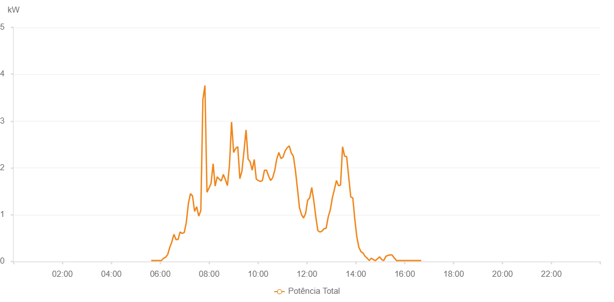

Number | Time | Working State | Alarm Code | Total Inverter Power(W)
1 | 28/05/2023 05:37:50 (UTC-4:00) | Normal |  | 20.000
2 | 28/05/2023 05:42:50 (UTC-4:00) | Normal |  | 20.000
3 | 28/05/2023 05:47:51 (UTC-4:00) | Normal |  | 20.000
4 | 28/05/2023 05:52:53 (UTC-4:00) | Normal |  | 20.000
5 | 28/05/2023 05:57:58 (UTC-4:00) | Normal |  | 20.000
6 | 28/05/2023 06:03:04 (UTC-4:00) | Normal |  | 20.000
7 | 28/05/2023 06:08:10 (UTC-4:00) | Normal |  | 70.000
8 | 28/05/2023 06:13:14 (UTC-4:00) | Normal |  | 90.000
9 | 28/05/2023 06:18:21 (UTC-4:00) | Normal |  | 150.000
10 | 28/05/2023 06:23:23 (UTC-4:00) | Normal |  | 300.000
11 | 28/05/2023 06:28:27 (UTC-4:00) | Normal |  | 420.000
12 | 28/05/2023 06:33:33 (UTC-4:00) | Normal |  | 580.000
13 | 28/05/2023 06:38:39 (UTC-4:00) | Normal |  | 470.000
14 | 28/05/2023 06:43:42 (UTC-4:00) | Normal |  | 470.000
15 | 28/05/2023 06:48:46 (UTC-4:00) | Normal |  | 630.000
16 | 28/05/2023 06:53:51 (UTC-4:00) | Normal |  | 600.000
17 | 28/05/2023 06:58:57 (UTC-4:00) | Normal |  | 620.000
18 | 28/05/2023 07:04:04 (UTC-4:00) | Normal |  | 840.000
19 | 28/05/2023 07:09:06 (UTC-4:00) | Normal |  | 1240.000
20 | 28/05/2023 07:14:10 (UTC-4:00) | Normal |  | 1450.000
21 | 28/05/2023 07:19:16 (UTC-4:00) | Normal |  | 1400.000
22 | 28/05/2023 07:24:22 (UTC-4:00) | Normal |  | 1070.000
23 | 28/05/2023 07:29:28 (UTC-4:00) | Normal |  | 1170.000
24 | 28/05/2023 07:34:33 (UTC-4:00) | Normal |  | 970.000
25 | 28/05/2023 07:39:38 (UTC-4:00) | Normal |  | 1090.000
26 | 28/05/2023 07:44:40 (UTC-4:00) | Normal |  | 3460.000
27 | 28/05/2023 07:49:41 (UTC-4:00) | Normal |  | 3760.000
28 | 28/05/2023 07:54:41 (UTC-4:00) | Normal |  | 1480.000
29 | 28/05/2023 07:59:43 (UTC-4:00) | Normal |  | 1570.000
30 | 28/05/2023 08:04:44 (UTC-4:00) | Normal |  | 1670.000
31 | 28/05/2023 08:09:45 (UTC-4:00) | Normal |  | 2090.000
32 | 28/05/2023 08:14:46 (UTC-4:00) | Normal |  | 1610.000
33 | 28/05/2023 08:19:46 (UTC-4:00) | Normal |  | 1810.000
34 | 28/05/2023 08:24:47 (UTC-4:00) | Normal |  | 1760.000
35 | 28/05/2023 08:29:48 (UTC-4:00) | Normal |  | 1720.000
36 | 28/05/2023 08:34:48 (UTC-4:00) | Normal |  | 1860.000
37 | 28/05/2023 08:39:49 (UTC-4:00) | Normal |  | 1750.000
38 | 28/05/2023 08:44:52 (UTC-4:00) | Normal |  | 1620.000
39 | 28/05/2023 08:49:59 (UTC-4:00) | Normal |  | 2070.000
40 | 28/05/2023 08:55:03 (UTC-4:00) | Normal |  | 2980.000
41 | 28/05/2023 09:00:09 (UTC-4:00) | Normal |  | 2330.000
42 | 28/05/2023 09:05:13 (UTC-4:00) | Normal |  | 2420.000
43 | 28/05/2023 09:10:19 (UTC-4:00) | Normal |  | 2450.000
44 | 28/05/2023 09:15:24 (UTC-4:00) | Normal |  | 1770.000
45 | 28/05/2023 09:20:27 (UTC-4:00) | Normal |  | 1930.000
46 | 28/05/2023 09:25:32 (UTC-4:00) | Normal |  | 2360.000
47 | 28/05/2023 09:30:37 (UTC-4:00) | Normal |  | 2810.000
48 | 28/05/2023 09:35:40 (UTC-4:00) | Normal |  | 2190.000
49 | 28/05/2023 09:40:40 (UTC-4:00) | Normal |  | 2130.000
50 | 28/05/2023 09:45:42 (UTC-4:00) | Normal |  | 1950.000
51 | 28/05/2023 09:50:42 (UTC-4:00) | Normal |  | 2180.000
52 | 28/05/2023 09:55:42 (UTC-4:00) | Normal |  | 1760.000
53 | 28/05/2023 10:00:43 (UTC-4:00) | Normal |  | 1730.000
54 | 28/05/2023 10:05:43 (UTC-4:00) | Normal |  | 1710.000
55 | 28/05/2023 10:10:45 (UTC-4:00) | Normal |  | 1730.000
56 | 28/05/2023 10:15:46 (UTC-4:00) | Normal |  | 1950.000
57 | 28/05/2023 10:20:47 (UTC-4:00) | Normal |  | 1950.000
58 | 28/05/2023 10:25:48 (UTC-4:00) | Normal |  | 1830.000
59 | 28/05/2023 10:30:48 (UTC-4:00) | Normal |  | 1730.000
60 | 28/05/2023 10:35:52 (UTC-4:00) | Normal |  | 1790.000
61 | 28/05/2023 10:40:55 (UTC-4:00) | Normal |  | 1940.000
62 | 28/05/2023 10:46:00 (UTC-4:00) | Normal |  | 2190.000
63 | 28/05/2023 10:51:04 (UTC-4:00) | Normal |  | 2330.000
64 | 28/05/2023 10:56:08 (UTC-4:00) | Normal |  | 2200.000
65 | 28/05/2023 11:01:13 (UTC-4:00) | Normal |  | 2230.000
66 | 28/05/2023 11:06:19 (UTC-4:00) | Normal |  | 2360.000
67 | 28/05/2023 11:11:25 (UTC-4:00) | Normal |  | 2430.000
68 | 28/05/2023 11:16:29 (UTC-4:00) | Normal |  | 2470.000
69 | 28/05/2023 11:21:35 (UTC-4:00) | Normal |  | 2320.000
70 | 28/05/2023 11:26:40 (UTC-4:00) | Normal |  | 2250.000
71 | 28/05/2023 11:31:42 (UTC-4:00) | Normal |  | 1950.000
72 | 28/05/2023 11:36:43 (UTC-4:00) | Normal |  | 1560.000
73 | 28/05/2023 11:41:43 (UTC-4:00) | Normal |  | 1150.000
74 | 28/05/2023 11:46:44 (UTC-4:00) | Normal |  | 1000.000
75 | 28/05/2023 11:51:47 (UTC-4:00) | Normal |  | 930.000
76 | 28/05/2023 11:56:47 (UTC-4:00) | Normal |  | 1030.000
77 | 28/05/2023 12:01:48 (UTC-4:00) | Normal |  | 1310.000
78 | 28/05/2023 12:06:48 (UTC-4:00) | Normal |  | 1360.000
79 | 28/05/2023 12:11:49 (UTC-4:00) | Normal |  | 1580.000
80 | 28/05/2023 12:16:49 (UTC-4:00) | Normal |  | 1300.000
81 | 28/05/2023 12:21:50 (UTC-4:00) | Normal |  | 950.000
82 | 28/05/2023 12:26:51 (UTC-4:00) | Normal |  | 660.000
83 | 28/05/2023 12:31:52 (UTC-4:00) | Normal |  | 630.000
84 | 28/05/2023 12:36:56 (UTC-4:00) | Normal |  | 650.000
85 | 28/05/2023 12:42:01 (UTC-4:00) | Normal |  | 700.000
86 | 28/05/2023 12:47:07 (UTC-4:00) | Normal |  | 710.000
87 | 28/05/2023 12:52:11 (UTC-4:00) | Normal |  | 950.000
88 | 28/05/2023 12:57:15 (UTC-4:00) | Normal |  | 1100.000
89 | 28/05/2023 13:02:22 (UTC-4:00) | Normal |  | 1360.000
90 | 28/05/2023 13:07:25 (UTC-4:00) | Normal |  | 1540.000
91 | 28/05/2023 13:12:25 (UTC-4:00) | Normal |  | 1730.000
92 | 28/05/2023 13:17:26 (UTC-4:00) | Normal |  | 1620.000
93 | 28/05/2023 13:22:27 (UTC-4:00) | Normal |  | 1630.000
94 | 28/05/2023 13:27:28 (UTC-4:00) | Normal |  | 2450.000
95 | 28/05/2023 13:32:29 (UTC-4:00) | Normal |  | 2250.000
96 | 28/05/2023 13:37:32 (UTC-4:00) | Normal |  | 2240.000
97 | 28/05/2023 13:42:33 (UTC-4:00) | Normal |  | 1800.000
98 | 28/05/2023 13:47:33 (UTC-4:00) | Normal |  | 1380.000
99 | 28/05/2023 13:52:35 (UTC-4:00) | Normal |  | 1360.000
100 | 28/05/2023 13:57:35 (UTC-4:00) | Normal |  | 890.000
101 | 28/05/2023 14:02:36 (UTC-4:00) | Normal |  | 520.000
102 | 28/05/2023 14:07:37 (UTC-4:00) | Normal |  | 300.000
103 | 28/05/2023 14:12:40 (UTC-4:00) | Normal |  | 210.000
104 | 28/05/2023 14:17:46 (UTC-4:00) | Normal |  | 180.000
105 | 28/05/2023 14:22:47 (UTC-4:00) | Normal |  | 110.000
106 | 28/05/2023 14:27:52 (UTC-4:00) | Normal |  | 70.000
107 | 28/05/2023 14:32:57 (UTC-4:00) | Normal |  | 20.000
108 | 28/05/2023 14:38:02 (UTC-4:00) | Normal |  | 70.000
109 | 28/05/2023 14:43:06 (UTC-4:00) | Normal |  | 40.000
110 | 28/05/2023 14:48:11 (UTC-4:00) | Normal |  | 20.000
111 | 28/05/2023 14:53:18 (UTC-4:00) | Normal |  | 60.000
112 | 28/05/2023 14:58:24 (UTC-4:00) | Normal |  | 100.000
113 | 28/05/2023 15:03:30 (UTC-4:00) | Normal |  | 40.000
114 | 28/05/2023 15:08:35 (UTC-4:00) | Normal |  | 20.000
115 | 28/05/2023 15:13:40 (UTC-4:00) | Normal |  | 110.000
116 | 28/05/2023 15:18:44 (UTC-4:00) | Normal |  | 130.000
117 | 28/05/2023 15:23:46 (UTC-4:00) | Normal |  | 140.000
118 | 28/05/2023 15:28:47 (UTC-4:00) | Normal |  | 140.000
119 | 28/05/2023 15:33:48 (UTC-4:00) | Normal |  | 80.000
120 | 28/05/2023 15:38:48 (UTC-4:00) | Normal |  | 30.000
121 | 28/05/2023 15:39:42 (UTC-4:00) | Normal |  | 20.000
122 | 28/05/2023 15:44:59 (UTC-4:00) | Normal |  | 20.000
123 | 28/05/2023 15:50:00 (UTC-4:00) | Normal |  | 20.000
124 | 28/05/2023 15:55:00 (UTC-4:00) | Normal |  | 20.000
125 | 28/05/2023 16:00:01 (UTC-4:00) | Normal |  | 20.000
126 | 28/05/2023 16:05:01 (UTC-4:00) | Normal |  | 20.000
127 | 28/05/2023 16:10:02 (UTC-4:00) | Normal |  | 20.000
128 | 28/05/2023 16:15:04 (UTC-4:00) | Normal |  | 20.000
129 | 28/05/2023 16:20:10 (UTC-4:00) | Normal |  | 20.000
130 | 28/05/2023 16:25:13 (UTC-4:00) | Normal |  | 20.000
131 | 28/05/2023 16:30:17 (UTC-4:00) | Normal |  | 20.000
132 | 28/05/2023 16:35:24 (UTC-4:00) | Normal |  | 20.000
133 | 28/05/2023 16:40:28 (UTC-4:00) | Normal |  | 20.000

