Inverter History Report__17-08-
Inverter History Report_31/05/2023_Report

Inverter SN:054B7020C020042 |  | Inverter type:B7
Collector SN:4046045654 |  | Full Load Hours(h):0.60
Rated Power:10000Wp

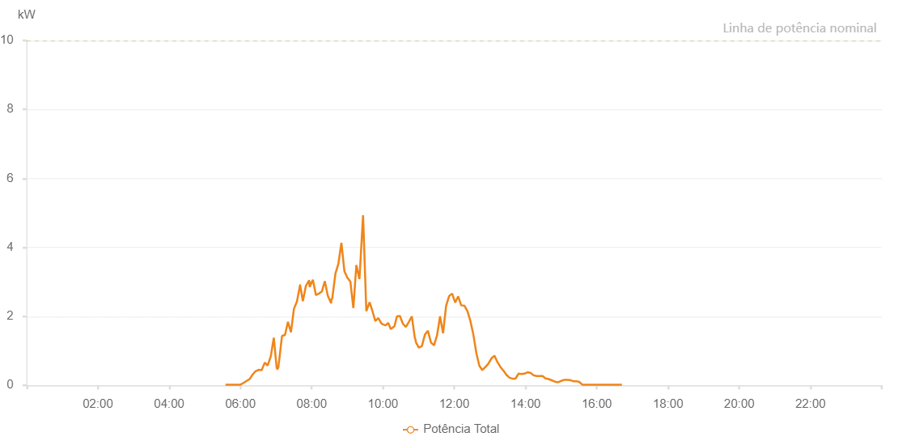

Number | Time | Working State | Alarm Code | Total Inverter Power(W)
1 | 31/05/2023 05:57:34 (UTC-4:00) | Normal |  | 20.000
2 | 31/05/2023 05:59:01 (UTC-4:00) | Normal |  | 20.000
3 | 31/05/2023 05:59:37 (UTC-4:00) | Normal |  | 20.000
4 | 31/05/2023 05:59:49 (UTC-4:00) | Normal |  | 20.000
5 | 31/05/2023 06:04:42 (UTC-4:00) | Normal |  | 20.000
6 | 31/05/2023 06:10:40 (UTC-4:00) | Normal |  | 20.000
7 | 31/05/2023 06:16:08 (UTC-4:00) | Normal |  | 20.000
8 | 31/05/2023 06:21:18 (UTC-4:00) | Normal |  | 20.000
9 | 31/05/2023 06:21:28 (UTC-4:00) | Normal |  | 20.000
10 | 31/05/2023 06:26:08 (UTC-4:00) | Normal |  | 20.000
11 | 31/05/2023 06:32:32 (UTC-4:00) | Normal |  | 20.000
12 | 31/05/2023 06:33:05 (UTC-4:00) | Normal |  | 20.000
13 | 31/05/2023 06:38:04 (UTC-4:00) | Normal |  | 20.000
14 | 31/05/2023 06:43:10 (UTC-4:00) | Normal |  | 20.000
15 | 31/05/2023 06:48:16 (UTC-4:00) | Normal |  | 20.000
16 | 31/05/2023 06:53:23 (UTC-4:00) | Normal |  | 20.000
17 | 31/05/2023 06:58:30 (UTC-4:00) | Normal |  | 20.000
18 | 31/05/2023 07:03:38 (UTC-4:00) | Normal |  | 20.000
19 | 31/05/2023 07:08:40 (UTC-4:00) | Normal |  | 30.000
20 | 31/05/2023 07:13:46 (UTC-4:00) | Normal |  | 80.000
21 | 31/05/2023 07:18:53 (UTC-4:00) | Normal |  | 260.000
22 | 31/05/2023 07:23:58 (UTC-4:00) | Normal |  | 310.000
23 | 31/05/2023 07:29:13 (UTC-4:00) | Normal |  | 260.000
24 | 31/05/2023 07:34:08 (UTC-4:00) | Normal |  | 170.000
25 | 31/05/2023 07:39:10 (UTC-4:00) | Normal |  | 220.000
26 | 31/05/2023 07:44:11 (UTC-4:00) | Normal |  | 300.000
27 | 31/05/2023 07:49:13 (UTC-4:00) | Normal |  | 360.000
28 | 31/05/2023 07:54:12 (UTC-4:00) | Normal |  | 340.000
29 | 31/05/2023 07:59:19 (UTC-4:00) | Normal |  | 350.000
30 | 31/05/2023 08:04:20 (UTC-4:00) | Normal |  | 250.000
31 | 31/05/2023 08:09:20 (UTC-4:00) | Normal |  | 260.000
32 | 31/05/2023 08:14:22 (UTC-4:00) | Normal |  | 230.000
33 | 31/05/2023 08:19:24 (UTC-4:00) | Normal |  | 370.000
34 | 31/05/2023 08:24:26 (UTC-4:00) | Normal |  | 320.000
35 | 31/05/2023 08:30:09 (UTC-4:00) | Normal |  | 450.000
36 | 31/05/2023 08:35:16 (UTC-4:00) | Normal |  | 310.000
37 | 31/05/2023 08:39:39 (UTC-4:00) | Normal |  | 400.000
38 | 31/05/2023 08:44:55 (UTC-4:00) | Normal |  | 250.000
39 | 31/05/2023 08:50:18 (UTC-4:00) | Normal |  | 140.000
40 | 31/05/2023 08:54:55 (UTC-4:00) | Normal |  | 120.000
41 | 31/05/2023 09:00:01 (UTC-4:00) | Normal |  | 20.000
42 | 31/05/2023 09:05:08 (UTC-4:00) | Normal |  | 50.000
43 | 31/05/2023 09:10:12 (UTC-4:00) | Normal |  | 50.000
44 | 31/05/2023 09:15:18 (UTC-4:00) | Normal |  | 160.000
45 | 31/05/2023 09:20:51 (UTC-4:00) | Normal |  | 190.000
46 | 31/05/2023 09:20:52 (UTC-4:00) | Normal |  | 190.000
47 | 31/05/2023 09:20:56 (UTC-4:00) | Normal |  | 190.000
48 | 31/05/2023 09:21:46 (UTC-4:00) | Normal |  | 150.000
49 | 31/05/2023 09:22:24 (UTC-4:00) | Normal |  | 160.000
50 | 31/05/2023 09:27:31 (UTC-4:00) | Normal |  | 160.000
51 | 31/05/2023 09:32:33 (UTC-4:00) | Normal |  | 460.000
52 | 31/05/2023 09:37:50 (UTC-4:00) | Normal |  | 620.000
53 | 31/05/2023 09:42:48 (UTC-4:00) | Normal |  | 500.000
54 | 31/05/2023 09:42:49 (UTC-4:00) | Normal |  | 500.000
55 | 31/05/2023 09:43:01 (UTC-4:00) | Normal |  | 500.000
56 | 31/05/2023 09:47:38 (UTC-4:00) | Normal |  | 330.000
57 | 31/05/2023 09:52:40 (UTC-4:00) | Normal |  | 380.000
58 | 31/05/2023 09:57:43 (UTC-4:00) | Normal |  | 330.000
59 | 31/05/2023 10:02:45 (UTC-4:00) | Normal |  | 330.000
60 | 31/05/2023 10:07:48 (UTC-4:00) | Normal |  | 590.000
61 | 31/05/2023 10:12:52 (UTC-4:00) | Normal |  | 320.000
62 | 31/05/2023 10:17:54 (UTC-4:00) | Normal |  | 490.000
63 | 31/05/2023 10:23:16 (UTC-4:00) | Normal |  | 500.000
64 | 31/05/2023 10:28:00 (UTC-4:00) | Normal |  | 950.000
65 | 31/05/2023 10:33:03 (UTC-4:00) | Normal |  | 1160.000
66 | 31/05/2023 10:38:04 (UTC-4:00) | Normal |  | 850.000
67 | 31/05/2023 10:43:08 (UTC-4:00) | Normal |  | 1110.000
68 | 31/05/2023 10:48:08 (UTC-4:00) | Normal |  | 1390.000
69 | 31/05/2023 10:53:11 (UTC-4:00) | Normal |  | 1250.000
70 | 31/05/2023 10:58:17 (UTC-4:00) | Normal |  | 740.000
71 | 31/05/2023 11:03:19 (UTC-4:00) | Normal |  | 810.000
72 | 31/05/2023 11:08:21 (UTC-4:00) | Normal |  | 1100.000
73 | 31/05/2023 11:13:23 (UTC-4:00) | Normal |  | 740.000
74 | 31/05/2023 11:18:25 (UTC-4:00) | Normal |  | 780.000
75 | 31/05/2023 11:23:26 (UTC-4:00) | Normal |  | 810.000
76 | 31/05/2023 11:28:28 (UTC-4:00) | Normal |  | 920.000
77 | 31/05/2023 11:33:30 (UTC-4:00) | Normal |  | 810.000
78 | 31/05/2023 11:38:32 (UTC-4:00) | Normal |  | 710.000
79 | 31/05/2023 11:43:47 (UTC-4:00) | Normal |  | 520.000
80 | 31/05/2023 11:48:36 (UTC-4:00) | Normal |  | 360.000
81 | 31/05/2023 11:53:39 (UTC-4:00) | Normal |  | 410.000
82 | 31/05/2023 11:58:41 (UTC-4:00) | Normal |  | 430.000
83 | 31/05/2023 11:58:53 (UTC-4:00) | Normal |  | 430.000
84 | 31/05/2023 12:03:47 (UTC-4:00) | Normal |  | 560.000
85 | 31/05/2023 12:08:53 (UTC-4:00) | Normal |  | 1060.000
86 | 31/05/2023 12:13:59 (UTC-4:00) | Normal |  | 930.000
87 | 31/05/2023 12:19:01 (UTC-4:00) | Normal |  | 610.000
88 | 31/05/2023 12:24:02 (UTC-4:00) | Normal |  | 710.000
89 | 31/05/2023 12:29:04 (UTC-4:00) | Normal |  | 1370.000
90 | 31/05/2023 12:34:06 (UTC-4:00) | Normal |  | 1950.000
91 | 31/05/2023 12:39:08 (UTC-4:00) | Normal |  | 1280.000
92 | 31/05/2023 12:44:10 (UTC-4:00) | Normal |  | 860.000
93 | 31/05/2023 12:49:12 (UTC-4:00) | Normal |  | 1170.000
94 | 31/05/2023 12:54:16 (UTC-4:00) | Normal |  | 1150.000
95 | 31/05/2023 12:59:17 (UTC-4:00) | Normal |  | 950.000
96 | 31/05/2023 13:04:19 (UTC-4:00) | Normal |  | 780.000
97 | 31/05/2023 13:09:22 (UTC-4:00) | Normal |  | 600.000
98 | 31/05/2023 13:14:26 (UTC-4:00) | Normal |  | 920.000
99 | 31/05/2023 13:19:27 (UTC-4:00) | Normal |  | 1650.000
100 | 31/05/2023 13:24:29 (UTC-4:00) | Normal |  | 2260.000
101 | 31/05/2023 13:29:32 (UTC-4:00) | Normal |  | 1980.000
102 | 31/05/2023 13:34:34 (UTC-4:00) | Normal |  | 1960.000
103 | 31/05/2023 13:39:36 (UTC-4:00) | Normal |  | 1910.000
104 | 31/05/2023 13:44:38 (UTC-4:00) | Normal |  | 1480.000
105 | 31/05/2023 13:49:40 (UTC-4:00) | Normal |  | 1040.000
106 | 31/05/2023 13:54:42 (UTC-4:00) | Normal |  | 770.000
107 | 31/05/2023 13:59:44 (UTC-4:00) | Normal |  | 900.000
108 | 31/05/2023 14:04:46 (UTC-4:00) | Normal |  | 1190.000
109 | 31/05/2023 14:09:48 (UTC-4:00) | Normal |  | 1750.000
110 | 31/05/2023 14:14:50 (UTC-4:00) | Normal |  | 670.000
111 | 31/05/2023 14:19:54 (UTC-4:00) | Normal |  | 270.000
112 | 31/05/2023 14:25:00 (UTC-4:00) | Normal |  | 320.000
113 | 31/05/2023 14:30:06 (UTC-4:00) | Normal |  | 340.000
114 | 31/05/2023 14:30:18 (UTC-4:00) | Normal |  | 340.000
115 | 31/05/2023 14:35:08 (UTC-4:00) | Normal |  | 330.000
116 | 31/05/2023 14:40:12 (UTC-4:00) | Normal |  | 190.000
117 | 31/05/2023 14:45:12 (UTC-4:00) | Normal |  | 630.000
118 | 31/05/2023 14:50:13 (UTC-4:00) | Normal |  | 920.000
119 | 31/05/2023 14:50:25 (UTC-4:00) | Normal |  | 920.000
120 | 31/05/2023 14:55:15 (UTC-4:00) | Normal |  | 1490.000
121 | 31/05/2023 15:00:17 (UTC-4:00) | Normal |  | 1330.000
122 | 31/05/2023 15:05:20 (UTC-4:00) | Normal |  | 1100.000
123 | 31/05/2023 15:10:22 (UTC-4:00) | Normal |  | 1170.000
124 | 31/05/2023 15:15:25 (UTC-4:00) | Normal |  | 830.000
125 | 31/05/2023 15:20:26 (UTC-4:00) | Normal |  | 420.000
126 | 31/05/2023 15:25:30 (UTC-4:00) | Normal |  | 570.000
127 | 31/05/2023 15:30:32 (UTC-4:00) | Normal |  | 610.000
128 | 31/05/2023 15:35:36 (UTC-4:00) | Normal |  | 440.000
129 | 31/05/2023 15:40:44 (UTC-4:00) | Normal |  | 180.000
130 | 31/05/2023 15:45:49 (UTC-4:00) | Normal |  | 140.000
131 | 31/05/2023 15:50:55 (UTC-4:00) | Normal |  | 80.000
132 | 31/05/2023 15:56:01 (UTC-4:00) | Normal |  | 20.000
133 | 31/05/2023 16:01:08 (UTC-4:00) | Normal |  | 80.000
134 | 31/05/2023 16:06:15 (UTC-4:00) | Normal |  | 50.000
135 | 31/05/2023 16:11:22 (UTC-4:00) | Normal |  | 20.000
136 | 31/05/2023 16:16:27 (UTC-4:00) | Normal |  | 20.000
137 | 31/05/2023 16:21:32 (UTC-4:00) | Normal |  | 20.000
138 | 31/05/2023 16:26:40 (UTC-4:00) | Normal |  | 20.000
139 | 31/05/2023 16:31:46 (UTC-4:00) | Normal |  | 20.000
140 | 31/05/2023 16:36:53 (UTC-4:00) | Normal |  | 20.000
141 | 31/05/2023 16:41:58 (UTC-4:00) | Normal |  | 20.000
142 | 31/05/2023 16:47:08 (UTC-4:00) | Normal |  | 20.000
143 | 31/05/2023 16:52:11 (UTC-4:00) | Normal |  | 20.000

