Inverter History Report__17-08-
Inverter History Report_03/06/2023_Report

Inverter SN:054B7020C020042 |  | Inverter type:B7
Collector SN:4046045654 |  | Full Load Hours(h):3.40
Rated Power:10000Wp

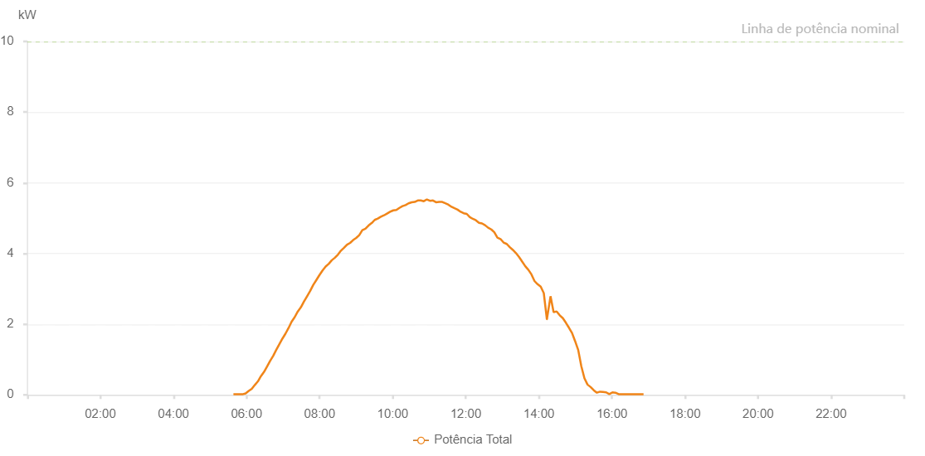

Number | Time | Working State | Alarm Code | Total Inverter Power(W)
1 | 03/06/2023 05:38:26 (UTC-4:00) | Normal |  | 20.000
2 | 03/06/2023 05:43:27 (UTC-4:00) | Normal |  | 20.000
3 | 03/06/2023 05:48:27 (UTC-4:00) | Normal |  | 20.000
4 | 03/06/2023 05:53:53 (UTC-4:00) | Normal |  | 20.000
5 | 03/06/2023 05:53:54 (UTC-4:00) | Normal |  | 20.000
6 | 03/06/2023 05:54:20 (UTC-4:00) | Normal |  | 20.000
7 | 03/06/2023 05:58:32 (UTC-4:00) | Normal |  | 40.000
8 | 03/06/2023 06:03:33 (UTC-4:00) | Normal |  | 110.000
9 | 03/06/2023 06:08:33 (UTC-4:00) | Normal |  | 170.000
10 | 03/06/2023 06:13:35 (UTC-4:00) | Normal |  | 280.000
11 | 03/06/2023 06:18:35 (UTC-4:00) | Normal |  | 380.000
12 | 03/06/2023 06:23:36 (UTC-4:00) | Normal |  | 530.000
13 | 03/06/2023 06:28:42 (UTC-4:00) | Normal |  | 650.000
14 | 03/06/2023 06:33:38 (UTC-4:00) | Normal |  | 800.000
15 | 03/06/2023 06:38:38 (UTC-4:00) | Normal |  | 960.000
16 | 03/06/2023 06:43:38 (UTC-4:00) | Normal |  | 1100.000
17 | 03/06/2023 06:48:39 (UTC-4:00) | Normal |  | 1270.000
18 | 03/06/2023 06:53:41 (UTC-4:00) | Normal |  | 1430.000
19 | 03/06/2023 06:58:51 (UTC-4:00) | Normal |  | 1590.000
20 | 03/06/2023 07:03:52 (UTC-4:00) | Normal |  | 1730.000
21 | 03/06/2023 07:08:55 (UTC-4:00) | Normal |  | 1890.000
22 | 03/06/2023 07:14:00 (UTC-4:00) | Normal |  | 2070.000
23 | 03/06/2023 07:19:04 (UTC-4:00) | Normal |  | 2200.000
24 | 03/06/2023 07:24:09 (UTC-4:00) | Normal |  | 2360.000
25 | 03/06/2023 07:29:16 (UTC-4:00) | Normal |  | 2480.000
26 | 03/06/2023 07:34:18 (UTC-4:00) | Normal |  | 2640.000
27 | 03/06/2023 07:39:23 (UTC-4:00) | Normal |  | 2790.000
28 | 03/06/2023 07:44:29 (UTC-4:00) | Normal |  | 2940.000
29 | 03/06/2023 07:49:32 (UTC-4:00) | Normal |  | 3110.000
30 | 03/06/2023 07:54:38 (UTC-4:00) | Normal |  | 3250.000
31 | 03/06/2023 07:59:42 (UTC-4:00) | Normal |  | 3390.000
32 | 03/06/2023 08:04:46 (UTC-4:00) | Normal |  | 3520.000
33 | 03/06/2023 08:09:52 (UTC-4:00) | Normal |  | 3630.000
34 | 03/06/2023 08:15:02 (UTC-4:00) | Normal |  | 3710.000
35 | 03/06/2023 08:19:59 (UTC-4:00) | Normal |  | 3810.000
36 | 03/06/2023 08:24:59 (UTC-4:00) | Normal |  | 3880.000
37 | 03/06/2023 08:30:07 (UTC-4:00) | Normal |  | 3970.000
38 | 03/06/2023 08:35:00 (UTC-4:00) | Normal |  | 4080.000
39 | 03/06/2023 08:40:00 (UTC-4:00) | Normal |  | 4160.000
40 | 03/06/2023 08:45:01 (UTC-4:00) | Normal |  | 4250.000
41 | 03/06/2023 08:50:03 (UTC-4:00) | Normal |  | 4300.000
42 | 03/06/2023 08:55:01 (UTC-4:00) | Normal |  | 4380.000
43 | 03/06/2023 09:00:02 (UTC-4:00) | Normal |  | 4440.000
44 | 03/06/2023 09:05:03 (UTC-4:00) | Normal |  | 4520.000
45 | 03/06/2023 09:10:05 (UTC-4:00) | Normal |  | 4660.000
46 | 03/06/2023 09:15:10 (UTC-4:00) | Normal |  | 4700.000
47 | 03/06/2023 09:20:15 (UTC-4:00) | Normal |  | 4790.000
48 | 03/06/2023 09:25:20 (UTC-4:00) | Normal |  | 4860.000
49 | 03/06/2023 09:25:32 (UTC-4:00) | Normal |  | 4860.000
50 | 03/06/2023 09:30:24 (UTC-4:00) | Normal |  | 4950.000
51 | 03/06/2023 09:35:29 (UTC-4:00) | Normal |  | 4990.000
52 | 03/06/2023 09:40:35 (UTC-4:00) | Normal |  | 5040.000
53 | 03/06/2023 09:45:40 (UTC-4:00) | Normal |  | 5080.000
54 | 03/06/2023 09:50:42 (UTC-4:00) | Normal |  | 5130.000
55 | 03/06/2023 09:55:47 (UTC-4:00) | Normal |  | 5180.000
56 | 03/06/2023 10:00:56 (UTC-4:00) | Normal |  | 5220.000
57 | 03/06/2023 10:06:00 (UTC-4:00) | Normal |  | 5230.000
58 | 03/06/2023 10:11:01 (UTC-4:00) | Normal |  | 5290.000
59 | 03/06/2023 10:16:01 (UTC-4:00) | Normal |  | 5340.000
60 | 03/06/2023 10:21:02 (UTC-4:00) | Normal |  | 5370.000
61 | 03/06/2023 10:26:02 (UTC-4:00) | Normal |  | 5420.000
62 | 03/06/2023 10:31:04 (UTC-4:00) | Normal |  | 5450.000
63 | 03/06/2023 10:36:06 (UTC-4:00) | Normal |  | 5460.000
64 | 03/06/2023 10:41:05 (UTC-4:00) | Normal |  | 5500.000
65 | 03/06/2023 10:46:07 (UTC-4:00) | Normal |  | 5500.000
66 | 03/06/2023 10:51:06 (UTC-4:00) | Normal |  | 5480.000
67 | 03/06/2023 10:56:06 (UTC-4:00) | Normal |  | 5530.000
68 | 03/06/2023 11:01:06 (UTC-4:00) | Normal |  | 5490.000
69 | 03/06/2023 11:06:08 (UTC-4:00) | Normal |  | 5500.000
70 | 03/06/2023 11:11:10 (UTC-4:00) | Normal |  | 5450.000
71 | 03/06/2023 11:16:14 (UTC-4:00) | Normal |  | 5460.000
72 | 03/06/2023 11:21:19 (UTC-4:00) | Normal |  | 5460.000
73 | 03/06/2023 11:26:25 (UTC-4:00) | Normal |  | 5420.000
74 | 03/06/2023 11:31:34 (UTC-4:00) | Normal |  | 5380.000
75 | 03/06/2023 11:36:33 (UTC-4:00) | Normal |  | 5320.000
76 | 03/06/2023 11:41:33 (UTC-4:00) | Normal |  | 5280.000
77 | 03/06/2023 11:46:34 (UTC-4:00) | Normal |  | 5240.000
78 | 03/06/2023 11:51:34 (UTC-4:00) | Normal |  | 5180.000
79 | 03/06/2023 11:56:35 (UTC-4:00) | Normal |  | 5140.000
80 | 03/06/2023 12:01:36 (UTC-4:00) | Normal |  | 5120.000
81 | 03/06/2023 12:06:36 (UTC-4:00) | Normal |  | 5030.000
82 | 03/06/2023 12:11:36 (UTC-4:00) | Normal |  | 4980.000
83 | 03/06/2023 12:16:37 (UTC-4:00) | Normal |  | 4940.000
84 | 03/06/2023 12:21:38 (UTC-4:00) | Normal |  | 4870.000
85 | 03/06/2023 12:26:39 (UTC-4:00) | Normal |  | 4850.000
86 | 03/06/2023 12:31:39 (UTC-4:00) | Normal |  | 4800.000
87 | 03/06/2023 12:36:41 (UTC-4:00) | Normal |  | 4730.000
88 | 03/06/2023 12:41:52 (UTC-4:00) | Normal |  | 4680.000
89 | 03/06/2023 12:46:51 (UTC-4:00) | Normal |  | 4600.000
90 | 03/06/2023 12:51:56 (UTC-4:00) | Normal |  | 4450.000
91 | 03/06/2023 12:57:00 (UTC-4:00) | Normal |  | 4410.000
92 | 03/06/2023 13:02:04 (UTC-4:00) | Normal |  | 4310.000
93 | 03/06/2023 13:07:17 (UTC-4:00) | Normal |  | 4270.000
94 | 03/06/2023 13:12:15 (UTC-4:00) | Normal |  | 4180.000
95 | 03/06/2023 13:17:20 (UTC-4:00) | Normal |  | 4100.000
96 | 03/06/2023 13:22:27 (UTC-4:00) | Normal |  | 4010.000
97 | 03/06/2023 13:27:29 (UTC-4:00) | Normal |  | 3900.000
98 | 03/06/2023 13:32:33 (UTC-4:00) | Normal |  | 3770.000
99 | 03/06/2023 13:37:41 (UTC-4:00) | Normal |  | 3640.000
100 | 03/06/2023 13:42:42 (UTC-4:00) | Normal |  | 3540.000
101 | 03/06/2023 13:47:46 (UTC-4:00) | Normal |  | 3410.000
102 | 03/06/2023 13:52:51 (UTC-4:00) | Normal |  | 3220.000
103 | 03/06/2023 13:57:56 (UTC-4:00) | Normal |  | 3130.000
104 | 03/06/2023 14:03:03 (UTC-4:00) | Normal |  | 3060.000
105 | 03/06/2023 14:08:04 (UTC-4:00) | Normal |  | 2880.000
106 | 03/06/2023 14:13:09 (UTC-4:00) | Normal |  | 2140.000
107 | 03/06/2023 14:13:20 (UTC-4:00) | Normal |  | 2140.000
108 | 03/06/2023 14:13:44 (UTC-4:00) | Normal |  | 2200.000
109 | 03/06/2023 14:19:10 (UTC-4:00) | Normal |  | 2790.000
110 | 03/06/2023 14:24:12 (UTC-4:00) | Normal |  | 2340.000
111 | 03/06/2023 14:29:15 (UTC-4:00) | Normal |  | 2360.000
112 | 03/06/2023 14:34:17 (UTC-4:00) | Normal |  | 2250.000
113 | 03/06/2023 14:39:21 (UTC-4:00) | Normal |  | 2170.000
114 | 03/06/2023 14:44:23 (UTC-4:00) | Normal |  | 2040.000
115 | 03/06/2023 14:49:25 (UTC-4:00) | Normal |  | 1900.000
116 | 03/06/2023 14:54:27 (UTC-4:00) | Normal |  | 1750.000
117 | 03/06/2023 14:59:30 (UTC-4:00) | Normal |  | 1520.000
118 | 03/06/2023 15:04:36 (UTC-4:00) | Normal |  | 1270.000
119 | 03/06/2023 15:09:43 (UTC-4:00) | Normal |  | 810.000
120 | 03/06/2023 15:14:50 (UTC-4:00) | Normal |  | 470.000
121 | 03/06/2023 15:19:56 (UTC-4:00) | Normal |  | 290.000
122 | 03/06/2023 15:25:03 (UTC-4:00) | Normal |  | 220.000
123 | 03/06/2023 15:30:10 (UTC-4:00) | Normal |  | 130.000
124 | 03/06/2023 15:35:17 (UTC-4:00) | Normal |  | 60.000
125 | 03/06/2023 15:40:21 (UTC-4:00) | Normal |  | 90.000
126 | 03/06/2023 15:45:29 (UTC-4:00) | Normal |  | 80.000
127 | 03/06/2023 15:50:35 (UTC-4:00) | Normal |  | 70.000
128 | 03/06/2023 15:55:41 (UTC-4:00) | Normal |  | 20.000
129 | 03/06/2023 16:00:47 (UTC-4:00) | Normal |  | 70.000
130 | 03/06/2023 16:05:53 (UTC-4:00) | Normal |  | 60.000
131 | 03/06/2023 16:10:59 (UTC-4:00) | Normal |  | 20.000
132 | 03/06/2023 16:16:07 (UTC-4:00) | Normal |  | 20.000
133 | 03/06/2023 16:21:12 (UTC-4:00) | Normal |  | 20.000
134 | 03/06/2023 16:26:17 (UTC-4:00) | Normal |  | 20.000
135 | 03/06/2023 16:31:24 (UTC-4:00) | Normal |  | 20.000
136 | 03/06/2023 16:36:32 (UTC-4:00) | Normal |  | 20.000
137 | 03/06/2023 16:41:38 (UTC-4:00) | Normal |  | 20.000
138 | 03/06/2023 16:46:46 (UTC-4:00) | Normal |  | 20.000
139 | 03/06/2023 16:51:53 (UTC-4:00) | Normal |  | 20.000

