Inverter History Report__17-08-
Inverter History Report_04/06/2023_Report

Inverter SN:054B7020C020042 |  | Inverter type:B7
Collector SN:4046045654 |  | Full Load Hours(h):3.40
Rated Power:10000Wp

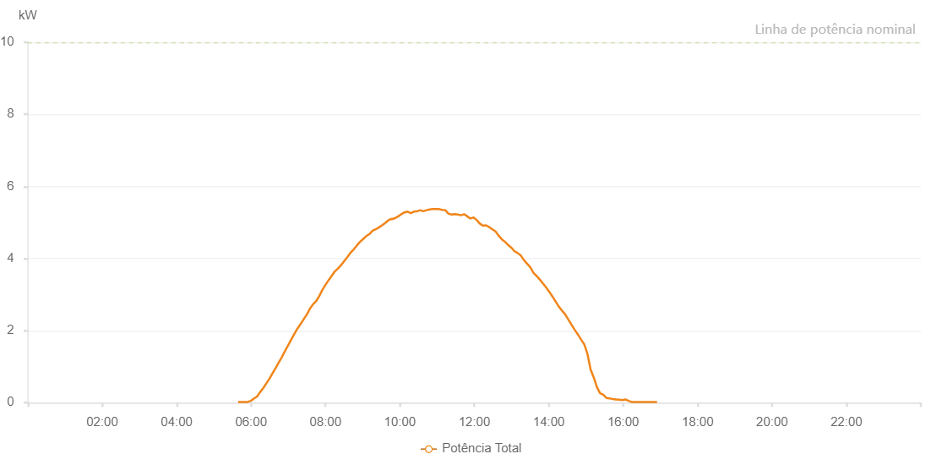

Number | Time | Working State | Alarm Code | Total Inverter Power(W)
1 | 04/06/2023 05:39:14 (UTC-4:00) | Normal |  | 20.000
2 | 04/06/2023 05:44:17 (UTC-4:00) | Normal |  | 20.000
3 | 04/06/2023 05:49:15 (UTC-4:00) | Normal |  | 20.000
4 | 04/06/2023 05:54:20 (UTC-4:00) | Normal |  | 20.000
5 | 04/06/2023 05:59:34 (UTC-4:00) | Normal |  | 50.000
6 | 04/06/2023 06:04:25 (UTC-4:00) | Normal |  | 110.000
7 | 04/06/2023 06:09:33 (UTC-4:00) | Normal |  | 170.000
8 | 04/06/2023 06:09:37 (UTC-4:00) | Normal |  | 170.000
9 | 04/06/2023 06:14:26 (UTC-4:00) | Normal |  | 290.000
10 | 04/06/2023 06:19:27 (UTC-4:00) | Normal |  | 400.000
11 | 04/06/2023 06:24:27 (UTC-4:00) | Normal |  | 530.000
12 | 04/06/2023 06:29:27 (UTC-4:00) | Normal |  | 660.000
13 | 04/06/2023 06:34:28 (UTC-4:00) | Normal |  | 810.000
14 | 04/06/2023 06:39:32 (UTC-4:00) | Normal |  | 960.000
15 | 04/06/2023 06:44:28 (UTC-4:00) | Normal |  | 1110.000
16 | 04/06/2023 06:49:30 (UTC-4:00) | Normal |  | 1260.000
17 | 04/06/2023 06:54:35 (UTC-4:00) | Normal |  | 1430.000
18 | 04/06/2023 06:59:40 (UTC-4:00) | Normal |  | 1590.000
19 | 04/06/2023 07:04:45 (UTC-4:00) | Normal |  | 1750.000
20 | 04/06/2023 07:09:51 (UTC-4:00) | Normal |  | 1910.000
21 | 04/06/2023 07:14:54 (UTC-4:00) | Normal |  | 2060.000
22 | 04/06/2023 07:19:54 (UTC-4:00) | Normal |  | 2180.000
23 | 04/06/2023 07:24:58 (UTC-4:00) | Normal |  | 2320.000
24 | 04/06/2023 07:29:57 (UTC-4:00) | Normal |  | 2450.000
25 | 04/06/2023 07:34:55 (UTC-4:00) | Normal |  | 2610.000
26 | 04/06/2023 07:39:55 (UTC-4:00) | Normal |  | 2730.000
27 | 04/06/2023 07:45:00 (UTC-4:00) | Normal |  | 2820.000
28 | 04/06/2023 07:49:56 (UTC-4:00) | Normal |  | 2960.000
29 | 04/06/2023 07:54:56 (UTC-4:00) | Normal |  | 3130.000
30 | 04/06/2023 08:00:00 (UTC-4:00) | Normal |  | 3270.000
31 | 04/06/2023 08:05:25 (UTC-4:00) | Normal |  | 3410.000
32 | 04/06/2023 08:10:00 (UTC-4:00) | Normal |  | 3520.000
33 | 04/06/2023 08:14:59 (UTC-4:00) | Normal |  | 3640.000
34 | 04/06/2023 08:20:03 (UTC-4:00) | Normal |  | 3720.000
35 | 04/06/2023 08:25:18 (UTC-4:00) | Normal |  | 3820.000
36 | 04/06/2023 08:30:12 (UTC-4:00) | Normal |  | 3930.000
37 | 04/06/2023 08:35:16 (UTC-4:00) | Normal |  | 4040.000
38 | 04/06/2023 08:40:20 (UTC-4:00) | Normal |  | 4160.000
39 | 04/06/2023 08:45:25 (UTC-4:00) | Normal |  | 4250.000
40 | 04/06/2023 08:50:31 (UTC-4:00) | Normal |  | 4360.000
41 | 04/06/2023 08:55:34 (UTC-4:00) | Normal |  | 4460.000
42 | 04/06/2023 09:00:38 (UTC-4:00) | Normal |  | 4540.000
43 | 04/06/2023 09:05:43 (UTC-4:00) | Normal |  | 4620.000
44 | 04/06/2023 09:10:53 (UTC-4:00) | Normal |  | 4680.000
45 | 04/06/2023 09:15:53 (UTC-4:00) | Normal |  | 4770.000
46 | 04/06/2023 09:16:04 (UTC-4:00) | Normal |  | 4770.000
47 | 04/06/2023 09:20:53 (UTC-4:00) | Normal |  | 4810.000
48 | 04/06/2023 09:25:53 (UTC-4:00) | Normal |  | 4860.000
49 | 04/06/2023 09:31:02 (UTC-4:00) | Normal |  | 4920.000
50 | 04/06/2023 09:35:54 (UTC-4:00) | Normal |  | 4980.000
51 | 04/06/2023 09:41:21 (UTC-4:00) | Normal |  | 5060.000
52 | 04/06/2023 09:45:56 (UTC-4:00) | Normal |  | 5100.000
53 | 04/06/2023 09:46:48 (UTC-4:00) | Normal |  | 5090.000
54 | 04/06/2023 09:52:15 (UTC-4:00) | Normal |  | 5120.000
55 | 04/06/2023 09:57:17 (UTC-4:00) | Normal |  | 5170.000
56 | 04/06/2023 10:02:19 (UTC-4:00) | Normal |  | 5230.000
57 | 04/06/2023 10:07:21 (UTC-4:00) | Normal |  | 5280.000
58 | 04/06/2023 10:07:39 (UTC-4:00) | Normal |  | 5280.000
59 | 04/06/2023 10:12:23 (UTC-4:00) | Normal |  | 5300.000
60 | 04/06/2023 10:17:26 (UTC-4:00) | Normal |  | 5260.000
61 | 04/06/2023 10:17:38 (UTC-4:00) | Normal |  | 5260.000
62 | 04/06/2023 10:22:28 (UTC-4:00) | Normal |  | 5300.000
63 | 04/06/2023 10:27:30 (UTC-4:00) | Normal |  | 5310.000
64 | 04/06/2023 10:32:33 (UTC-4:00) | Normal |  | 5340.000
65 | 04/06/2023 10:37:39 (UTC-4:00) | Normal |  | 5310.000
66 | 04/06/2023 10:42:45 (UTC-4:00) | Normal |  | 5340.000
67 | 04/06/2023 10:47:55 (UTC-4:00) | Normal |  | 5360.000
68 | 04/06/2023 10:53:01 (UTC-4:00) | Normal |  | 5370.000
69 | 04/06/2023 10:58:06 (UTC-4:00) | Normal |  | 5370.000
70 | 04/06/2023 11:03:13 (UTC-4:00) | Normal |  | 5370.000
71 | 04/06/2023 11:08:17 (UTC-4:00) | Normal |  | 5350.000
72 | 04/06/2023 11:13:19 (UTC-4:00) | Normal |  | 5340.000
73 | 04/06/2023 11:18:21 (UTC-4:00) | Normal |  | 5240.000
74 | 04/06/2023 11:23:23 (UTC-4:00) | Normal |  | 5220.000
75 | 04/06/2023 11:28:25 (UTC-4:00) | Normal |  | 5230.000
76 | 04/06/2023 11:33:27 (UTC-4:00) | Normal |  | 5220.000
77 | 04/06/2023 11:38:29 (UTC-4:00) | Normal |  | 5200.000
78 | 04/06/2023 11:43:31 (UTC-4:00) | Normal |  | 5230.000
79 | 04/06/2023 11:48:33 (UTC-4:00) | Normal |  | 5170.000
80 | 04/06/2023 11:53:35 (UTC-4:00) | Normal |  | 5110.000
81 | 04/06/2023 11:58:37 (UTC-4:00) | Normal |  | 5140.000
82 | 04/06/2023 12:03:39 (UTC-4:00) | Normal |  | 5070.000
83 | 04/06/2023 12:08:44 (UTC-4:00) | Normal |  | 4970.000
84 | 04/06/2023 12:13:50 (UTC-4:00) | Normal |  | 4910.000
85 | 04/06/2023 12:18:56 (UTC-4:00) | Normal |  | 4920.000
86 | 04/06/2023 12:24:03 (UTC-4:00) | Normal |  | 4870.000
87 | 04/06/2023 12:29:09 (UTC-4:00) | Normal |  | 4810.000
88 | 04/06/2023 12:34:15 (UTC-4:00) | Normal |  | 4750.000
89 | 04/06/2023 12:39:21 (UTC-4:00) | Normal |  | 4630.000
90 | 04/06/2023 12:44:27 (UTC-4:00) | Normal |  | 4530.000
91 | 04/06/2023 12:49:36 (UTC-4:00) | Normal |  | 4460.000
92 | 04/06/2023 12:54:42 (UTC-4:00) | Normal |  | 4370.000
93 | 04/06/2023 12:59:48 (UTC-4:00) | Normal |  | 4300.000
94 | 04/06/2023 13:04:56 (UTC-4:00) | Normal |  | 4200.000
95 | 04/06/2023 13:10:00 (UTC-4:00) | Normal |  | 4150.000
96 | 04/06/2023 13:15:06 (UTC-4:00) | Normal |  | 4080.000
97 | 04/06/2023 13:20:12 (UTC-4:00) | Normal |  | 3950.000
98 | 04/06/2023 13:25:19 (UTC-4:00) | Normal |  | 3850.000
99 | 04/06/2023 13:30:26 (UTC-4:00) | Normal |  | 3750.000
100 | 04/06/2023 13:35:33 (UTC-4:00) | Normal |  | 3600.000
101 | 04/06/2023 13:40:41 (UTC-4:00) | Normal |  | 3510.000
102 | 04/06/2023 13:45:47 (UTC-4:00) | Normal |  | 3410.000
103 | 04/06/2023 13:50:52 (UTC-4:00) | Normal |  | 3300.000
104 | 04/06/2023 13:56:00 (UTC-4:00) | Normal |  | 3190.000
105 | 04/06/2023 14:01:06 (UTC-4:00) | Normal |  | 3070.000
106 | 04/06/2023 14:06:10 (UTC-4:00) | Normal |  | 2940.000
107 | 04/06/2023 14:11:16 (UTC-4:00) | Normal |  | 2800.000
108 | 04/06/2023 14:16:24 (UTC-4:00) | Normal |  | 2660.000
109 | 04/06/2023 14:21:28 (UTC-4:00) | Normal |  | 2550.000
110 | 04/06/2023 14:26:34 (UTC-4:00) | Normal |  | 2450.000
111 | 04/06/2023 14:31:42 (UTC-4:00) | Normal |  | 2300.000
112 | 04/06/2023 14:36:46 (UTC-4:00) | Normal |  | 2160.000
113 | 04/06/2023 14:41:52 (UTC-4:00) | Normal |  | 2020.000
114 | 04/06/2023 14:46:58 (UTC-4:00) | Normal |  | 1890.000
115 | 04/06/2023 14:52:04 (UTC-4:00) | Normal |  | 1750.000
116 | 04/06/2023 14:57:10 (UTC-4:00) | Normal |  | 1620.000
117 | 04/06/2023 15:02:17 (UTC-4:00) | Normal |  | 1360.000
118 | 04/06/2023 15:07:25 (UTC-4:00) | Normal |  | 920.000
119 | 04/06/2023 15:12:32 (UTC-4:00) | Normal |  | 700.000
120 | 04/06/2023 15:17:38 (UTC-4:00) | Normal |  | 430.000
121 | 04/06/2023 15:22:44 (UTC-4:00) | Normal |  | 260.000
122 | 04/06/2023 15:27:49 (UTC-4:00) | Normal |  | 220.000
123 | 04/06/2023 15:32:56 (UTC-4:00) | Normal |  | 130.000
124 | 04/06/2023 15:38:03 (UTC-4:00) | Normal |  | 120.000
125 | 04/06/2023 15:43:07 (UTC-4:00) | Normal |  | 100.000
126 | 04/06/2023 15:48:14 (UTC-4:00) | Normal |  | 90.000
127 | 04/06/2023 15:53:20 (UTC-4:00) | Normal |  | 80.000
128 | 04/06/2023 15:58:26 (UTC-4:00) | Normal |  | 70.000
129 | 04/06/2023 16:03:34 (UTC-4:00) | Normal |  | 90.000
130 | 04/06/2023 16:08:40 (UTC-4:00) | Normal |  | 50.000
131 | 04/06/2023 16:13:44 (UTC-4:00) | Normal |  | 20.000
132 | 04/06/2023 16:18:51 (UTC-4:00) | Normal |  | 20.000
133 | 04/06/2023 16:23:57 (UTC-4:00) | Normal |  | 20.000
134 | 04/06/2023 16:29:03 (UTC-4:00) | Normal |  | 20.000
135 | 04/06/2023 16:34:09 (UTC-4:00) | Normal |  | 20.000
136 | 04/06/2023 16:39:16 (UTC-4:00) | Normal |  | 20.000
137 | 04/06/2023 16:44:20 (UTC-4:00) | Normal |  | 20.000
138 | 04/06/2023 16:49:28 (UTC-4:00) | Normal |  | 20.000
139 | 04/06/2023 16:54:32 (UTC-4:00) | Normal |  | 20.000

