Inverter History Report__17-08-
Inverter History Report_08/06/2023_Report

Inverter SN:054B7020C020042 |  | Inverter type:B7
Collector SN:4046045654 |  | Full Load Hours(h):3.13
Rated Power:10000Wp

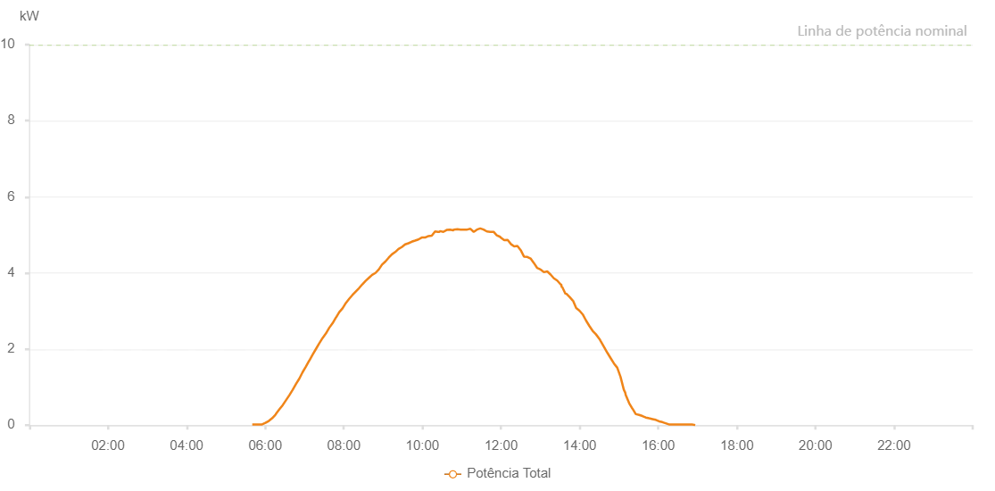

Number | Time | Working State | Alarm Code | Total Inverter Power(W)
1 | 08/06/2023 05:41:06 (UTC-4:00) | Normal |  | 20.000
2 | 08/06/2023 05:46:07 (UTC-4:00) | Normal |  | 20.000
3 | 08/06/2023 05:51:07 (UTC-4:00) | Normal |  | 20.000
4 | 08/06/2023 05:56:11 (UTC-4:00) | Normal |  | 20.000
5 | 08/06/2023 06:01:17 (UTC-4:00) | Normal |  | 60.000
6 | 08/06/2023 06:06:19 (UTC-4:00) | Normal |  | 110.000
7 | 08/06/2023 06:11:26 (UTC-4:00) | Normal |  | 180.000
8 | 08/06/2023 06:16:30 (UTC-4:00) | Normal |  | 280.000
9 | 08/06/2023 06:21:33 (UTC-4:00) | Normal |  | 400.000
10 | 08/06/2023 06:26:34 (UTC-4:00) | Normal |  | 480.000
11 | 08/06/2023 06:31:34 (UTC-4:00) | Normal |  | 610.000
12 | 08/06/2023 06:36:35 (UTC-4:00) | Normal |  | 740.000
13 | 08/06/2023 06:41:36 (UTC-4:00) | Normal |  | 860.000
14 | 08/06/2023 06:46:38 (UTC-4:00) | Normal |  | 990.000
15 | 08/06/2023 06:51:39 (UTC-4:00) | Normal |  | 1150.000
16 | 08/06/2023 06:56:39 (UTC-4:00) | Normal |  | 1260.000
17 | 08/06/2023 07:01:40 (UTC-4:00) | Normal |  | 1470.000
18 | 08/06/2023 07:06:40 (UTC-4:00) | Normal |  | 1600.000
19 | 08/06/2023 07:11:41 (UTC-4:00) | Normal |  | 1770.000
20 | 08/06/2023 07:16:41 (UTC-4:00) | Normal |  | 1920.000
21 | 08/06/2023 07:21:45 (UTC-4:00) | Normal |  | 2060.000
22 | 08/06/2023 07:26:50 (UTC-4:00) | Normal |  | 2190.000
23 | 08/06/2023 07:31:56 (UTC-4:00) | Normal |  | 2310.000
24 | 08/06/2023 07:36:59 (UTC-4:00) | Normal |  | 2480.000
25 | 08/06/2023 07:42:03 (UTC-4:00) | Normal |  | 2600.000
26 | 08/06/2023 07:47:10 (UTC-4:00) | Normal |  | 2720.000
27 | 08/06/2023 07:52:16 (UTC-4:00) | Normal |  | 2850.000
28 | 08/06/2023 07:57:21 (UTC-4:00) | Normal |  | 2970.000
29 | 08/06/2023 08:02:26 (UTC-4:00) | Normal |  | 3090.000
30 | 08/06/2023 08:07:29 (UTC-4:00) | Normal |  | 3180.000
31 | 08/06/2023 08:12:34 (UTC-4:00) | Normal |  | 3270.000
32 | 08/06/2023 08:17:39 (UTC-4:00) | Normal |  | 3390.000
33 | 08/06/2023 08:22:43 (UTC-4:00) | Normal |  | 3500.000
34 | 08/06/2023 08:27:50 (UTC-4:00) | Normal |  | 3580.000
35 | 08/06/2023 08:32:52 (UTC-4:00) | Normal |  | 3660.000
36 | 08/06/2023 08:37:53 (UTC-4:00) | Normal |  | 3750.000
37 | 08/06/2023 08:42:54 (UTC-4:00) | Normal |  | 3880.000
38 | 08/06/2023 08:47:54 (UTC-4:00) | Normal |  | 3870.000
39 | 08/06/2023 08:52:55 (UTC-4:00) | Normal |  | 3990.000
40 | 08/06/2023 08:57:55 (UTC-4:00) | Normal |  | 4090.000
41 | 08/06/2023 09:02:56 (UTC-4:00) | Normal |  | 4160.000
42 | 08/06/2023 09:07:57 (UTC-4:00) | Normal |  | 4210.000
43 | 08/06/2023 09:12:57 (UTC-4:00) | Normal |  | 4270.000
44 | 08/06/2023 09:17:58 (UTC-4:00) | Normal |  | 4410.000
45 | 08/06/2023 09:22:58 (UTC-4:00) | Normal |  | 4460.000
46 | 08/06/2023 09:28:00 (UTC-4:00) | Normal |  | 4500.000
47 | 08/06/2023 09:33:01 (UTC-4:00) | Normal |  | 4550.000
48 | 08/06/2023 09:38:07 (UTC-4:00) | Normal |  | 4580.000
49 | 08/06/2023 09:43:12 (UTC-4:00) | Normal |  | 4640.000
50 | 08/06/2023 09:48:14 (UTC-4:00) | Normal |  | 4640.000
51 | 08/06/2023 09:53:19 (UTC-4:00) | Normal |  | 4710.000
52 | 08/06/2023 09:58:16 (UTC-4:00) | Normal |  | 4720.000
53 | 08/06/2023 10:03:16 (UTC-4:00) | Normal |  | 4750.000
54 | 08/06/2023 10:08:17 (UTC-4:00) | Normal |  | 4790.000
55 | 08/06/2023 10:13:18 (UTC-4:00) | Normal |  | 4810.000
56 | 08/06/2023 10:18:18 (UTC-4:00) | Normal |  | 4850.000
57 | 08/06/2023 10:23:19 (UTC-4:00) | Normal |  | 4890.000
58 | 08/06/2023 10:28:19 (UTC-4:00) | Normal |  | 4930.000
59 | 08/06/2023 10:33:20 (UTC-4:00) | Normal |  | 4980.000
60 | 08/06/2023 10:38:23 (UTC-4:00) | Normal |  | 5050.000
61 | 08/06/2023 10:43:24 (UTC-4:00) | Normal |  | 5080.000
62 | 08/06/2023 10:48:26 (UTC-4:00) | Normal |  | 5180.000
63 | 08/06/2023 10:53:30 (UTC-4:00) | Normal |  | 5130.000
64 | 08/06/2023 10:58:36 (UTC-4:00) | Normal |  | 5320.000
65 | 08/06/2023 11:03:41 (UTC-4:00) | Normal |  | 5500.000
66 | 08/06/2023 11:08:48 (UTC-4:00) | Normal |  | 1320.000
67 | 08/06/2023 11:13:51 (UTC-4:00) | Normal |  | 5460.000
68 | 08/06/2023 11:18:56 (UTC-4:00) | Normal |  | 5110.000
69 | 08/06/2023 11:24:01 (UTC-4:00) | Normal |  | 5110.000
70 | 08/06/2023 11:29:04 (UTC-4:00) | Normal |  | 5130.000
71 | 08/06/2023 11:34:11 (UTC-4:00) | Normal |  | 5090.000
72 | 08/06/2023 11:39:13 (UTC-4:00) | Normal |  | 5080.000
73 | 08/06/2023 11:44:18 (UTC-4:00) | Normal |  | 4930.000
74 | 08/06/2023 11:49:23 (UTC-4:00) | Normal |  | 4990.000
75 | 08/06/2023 11:54:27 (UTC-4:00) | Normal |  | 4870.000
76 | 08/06/2023 11:59:33 (UTC-4:00) | Normal |  | 4870.000
77 | 08/06/2023 12:04:37 (UTC-4:00) | Normal |  | 4840.000
78 | 08/06/2023 12:09:43 (UTC-4:00) | Normal |  | 4750.000
79 | 08/06/2023 12:14:48 (UTC-4:00) | Normal |  | 4750.000
80 | 08/06/2023 12:19:51 (UTC-4:00) | Normal |  | 4600.000
81 | 08/06/2023 12:24:56 (UTC-4:00) | Normal |  | 4570.000
82 | 08/06/2023 12:29:57 (UTC-4:00) | Normal |  | 4530.000
83 | 08/06/2023 12:34:57 (UTC-4:00) | Normal |  | 4500.000
84 | 08/06/2023 12:39:58 (UTC-4:00) | Normal |  | 4430.000
85 | 08/06/2023 12:44:58 (UTC-4:00) | Normal |  | 4370.000
86 | 08/06/2023 12:49:59 (UTC-4:00) | Normal |  | 4270.000
87 | 08/06/2023 12:55:00 (UTC-4:00) | Normal |  | 4250.000
88 | 08/06/2023 13:00:00 (UTC-4:00) | Normal |  | 4110.000
89 | 08/06/2023 13:05:01 (UTC-4:00) | Normal |  | 3930.000
90 | 08/06/2023 13:10:01 (UTC-4:00) | Normal |  | 3860.000
91 | 08/06/2023 13:15:04 (UTC-4:00) | Normal |  | 3820.000
92 | 08/06/2023 13:20:08 (UTC-4:00) | Normal |  | 3610.000
93 | 08/06/2023 13:25:08 (UTC-4:00) | Normal |  | 3640.000
94 | 08/06/2023 13:30:12 (UTC-4:00) | Normal |  | 3540.000
95 | 08/06/2023 13:35:16 (UTC-4:00) | Normal |  | 3430.000
96 | 08/06/2023 13:40:22 (UTC-4:00) | Normal |  | 3330.000
97 | 08/06/2023 13:45:27 (UTC-4:00) | Normal |  | 3250.000
98 | 08/06/2023 13:50:32 (UTC-4:00) | Normal |  | 3130.000
99 | 08/06/2023 13:55:36 (UTC-4:00) | Normal |  | 3000.000
100 | 08/06/2023 14:00:41 (UTC-4:00) | Normal |  | 2910.000
101 | 08/06/2023 14:05:47 (UTC-4:00) | Normal |  | 2800.000
102 | 08/06/2023 14:10:52 (UTC-4:00) | Normal |  | 2710.000
103 | 08/06/2023 14:15:58 (UTC-4:00) | Normal |  | 2550.000
104 | 08/06/2023 14:21:03 (UTC-4:00) | Normal |  | 2390.000
105 | 08/06/2023 14:26:08 (UTC-4:00) | Normal |  | 2260.000
106 | 08/06/2023 14:31:13 (UTC-4:00) | Normal |  | 2110.000
107 | 08/06/2023 14:36:19 (UTC-4:00) | Normal |  | 2020.000
108 | 08/06/2023 14:41:25 (UTC-4:00) | Normal |  | 1940.000
109 | 08/06/2023 14:46:29 (UTC-4:00) | Normal |  | 1800.000
110 | 08/06/2023 14:51:35 (UTC-4:00) | Normal |  | 1620.000
111 | 08/06/2023 14:56:38 (UTC-4:00) | Normal |  | 1530.000
112 | 08/06/2023 15:01:42 (UTC-4:00) | Normal |  | 1300.000
113 | 08/06/2023 15:06:47 (UTC-4:00) | Normal |  | 970.000
114 | 08/06/2023 15:11:51 (UTC-4:00) | Normal |  | 760.000
115 | 08/06/2023 15:16:56 (UTC-4:00) | Normal |  | 520.000
116 | 08/06/2023 15:22:00 (UTC-4:00) | Normal |  | 400.000
117 | 08/06/2023 15:27:05 (UTC-4:00) | Normal |  | 270.000
118 | 08/06/2023 15:32:12 (UTC-4:00) | Normal |  | 260.000
119 | 08/06/2023 15:37:14 (UTC-4:00) | Normal |  | 230.000
120 | 08/06/2023 15:42:15 (UTC-4:00) | Normal |  | 200.000
121 | 08/06/2023 15:43:06 (UTC-4:00) | Normal |  | 190.000
122 | 08/06/2023 15:48:25 (UTC-4:00) | Normal |  | 160.000
123 | 08/06/2023 15:53:27 (UTC-4:00) | Normal |  | 130.000
124 | 08/06/2023 15:58:28 (UTC-4:00) | Normal |  | 110.000
125 | 08/06/2023 16:03:30 (UTC-4:00) | Normal |  | 90.000
126 | 08/06/2023 16:08:31 (UTC-4:00) | Normal |  | 50.000
127 | 08/06/2023 16:13:35 (UTC-4:00) | Normal |  | 20.000
128 | 08/06/2023 16:18:36 (UTC-4:00) | Normal |  | 20.000
129 | 08/06/2023 16:23:38 (UTC-4:00) | Normal |  | 20.000
130 | 08/06/2023 16:28:40 (UTC-4:00) | Normal |  | 20.000
131 | 08/06/2023 16:33:41 (UTC-4:00) | Normal |  | 20.000
132 | 08/06/2023 16:38:43 (UTC-4:00) | Normal |  | 20.000
133 | 08/06/2023 16:43:45 (UTC-4:00) | Normal |  | 20.000
134 | 08/06/2023 16:48:47 (UTC-4:00) | Normal |  | 20.000
135 | 08/06/2023 16:53:48 (UTC-4:00) | Normal |  | 20.000

