Inverter History Report__17-08-
Inverter History Report_09/06/2023_Report

Inverter SN:054B7020C020042 |  | Inverter type:B7
Collector SN:4046045654 |  | Full Load Hours(h):3.22
Rated Power:10000Wp

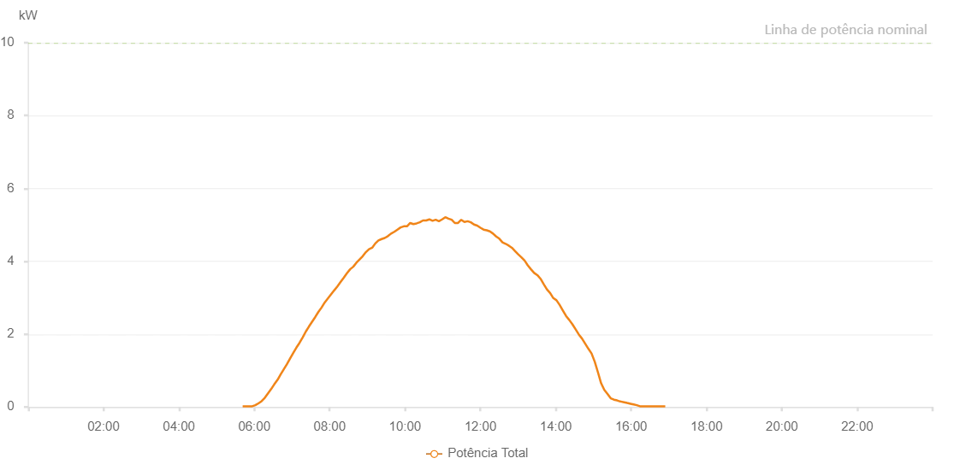

Number | Time | Working State | Alarm Code | Total Inverter Power(W)
1 | 09/06/2023 05:41:29 (UTC-4:00) | Normal |  | 20.000
2 | 09/06/2023 05:46:30 (UTC-4:00) | Normal |  | 20.000
3 | 09/06/2023 05:51:31 (UTC-4:00) | Normal |  | 20.000
4 | 09/06/2023 05:56:48 (UTC-4:00) | Normal |  | 20.000
5 | 09/06/2023 06:01:38 (UTC-4:00) | Normal |  | 50.000
6 | 09/06/2023 06:06:38 (UTC-4:00) | Normal |  | 100.000
7 | 09/06/2023 06:11:42 (UTC-4:00) | Normal |  | 160.000
8 | 09/06/2023 06:16:42 (UTC-4:00) | Normal |  | 250.000
9 | 09/06/2023 06:21:41 (UTC-4:00) | Normal |  | 370.000
10 | 09/06/2023 06:26:49 (UTC-4:00) | Normal |  | 490.000
11 | 09/06/2023 06:31:45 (UTC-4:00) | Normal |  | 620.000
12 | 09/06/2023 06:37:12 (UTC-4:00) | Normal |  | 750.000
13 | 09/06/2023 06:41:46 (UTC-4:00) | Normal |  | 890.000
14 | 09/06/2023 06:46:46 (UTC-4:00) | Normal |  | 1030.000
15 | 09/06/2023 06:51:48 (UTC-4:00) | Normal |  | 1170.000
16 | 09/06/2023 06:56:55 (UTC-4:00) | Normal |  | 1330.000
17 | 09/06/2023 07:01:58 (UTC-4:00) | Normal |  | 1480.000
18 | 09/06/2023 07:07:02 (UTC-4:00) | Normal |  | 1630.000
19 | 09/06/2023 07:12:02 (UTC-4:00) | Normal |  | 1760.000
20 | 09/06/2023 07:17:03 (UTC-4:00) | Normal |  | 1910.000
21 | 09/06/2023 07:22:03 (UTC-4:00) | Normal |  | 2070.000
22 | 09/06/2023 07:27:04 (UTC-4:00) | Normal |  | 2210.000
23 | 09/06/2023 07:32:04 (UTC-4:00) | Normal |  | 2340.000
24 | 09/06/2023 07:37:05 (UTC-4:00) | Normal |  | 2470.000
25 | 09/06/2023 07:42:05 (UTC-4:00) | Normal |  | 2610.000
26 | 09/06/2023 07:47:08 (UTC-4:00) | Normal |  | 2730.000
27 | 09/06/2023 07:52:09 (UTC-4:00) | Normal |  | 2870.000
28 | 09/06/2023 07:57:09 (UTC-4:00) | Normal |  | 2980.000
29 | 09/06/2023 08:02:10 (UTC-4:00) | Normal |  | 3090.000
30 | 09/06/2023 08:07:11 (UTC-4:00) | Normal |  | 3200.000
31 | 09/06/2023 08:12:15 (UTC-4:00) | Normal |  | 3310.000
32 | 09/06/2023 08:17:21 (UTC-4:00) | Normal |  | 3430.000
33 | 09/06/2023 08:22:27 (UTC-4:00) | Normal |  | 3550.000
34 | 09/06/2023 08:27:30 (UTC-4:00) | Normal |  | 3670.000
35 | 09/06/2023 08:32:34 (UTC-4:00) | Normal |  | 3780.000
36 | 09/06/2023 08:37:34 (UTC-4:00) | Normal |  | 3850.000
37 | 09/06/2023 08:42:35 (UTC-4:00) | Normal |  | 3960.000
38 | 09/06/2023 08:47:37 (UTC-4:00) | Normal |  | 4050.000
39 | 09/06/2023 08:52:37 (UTC-4:00) | Normal |  | 4140.000
40 | 09/06/2023 08:57:38 (UTC-4:00) | Normal |  | 4250.000
41 | 09/06/2023 09:02:38 (UTC-4:00) | Normal |  | 4330.000
42 | 09/06/2023 09:07:39 (UTC-4:00) | Normal |  | 4370.000
43 | 09/06/2023 09:12:40 (UTC-4:00) | Normal |  | 4490.000
44 | 09/06/2023 09:17:40 (UTC-4:00) | Normal |  | 4570.000
45 | 09/06/2023 09:22:41 (UTC-4:00) | Normal |  | 4610.000
46 | 09/06/2023 09:27:41 (UTC-4:00) | Normal |  | 4640.000
47 | 09/06/2023 09:32:44 (UTC-4:00) | Normal |  | 4690.000
48 | 09/06/2023 09:37:47 (UTC-4:00) | Normal |  | 4760.000
49 | 09/06/2023 09:42:55 (UTC-4:00) | Normal |  | 4810.000
50 | 09/06/2023 09:47:55 (UTC-4:00) | Normal |  | 4870.000
51 | 09/06/2023 09:53:00 (UTC-4:00) | Normal |  | 4930.000
52 | 09/06/2023 09:58:06 (UTC-4:00) | Normal |  | 4960.000
53 | 09/06/2023 10:03:09 (UTC-4:00) | Normal |  | 4960.000
54 | 09/06/2023 10:08:14 (UTC-4:00) | Normal |  | 5050.000
55 | 09/06/2023 10:13:19 (UTC-4:00) | Normal |  | 5020.000
56 | 09/06/2023 10:18:24 (UTC-4:00) | Normal |  | 5040.000
57 | 09/06/2023 10:23:29 (UTC-4:00) | Normal |  | 5070.000
58 | 09/06/2023 10:28:34 (UTC-4:00) | Normal |  | 5120.000
59 | 09/06/2023 10:33:40 (UTC-4:00) | Normal |  | 5120.000
60 | 09/06/2023 10:38:46 (UTC-4:00) | Normal |  | 5150.000
61 | 09/06/2023 10:43:49 (UTC-4:00) | Normal |  | 5110.000
62 | 09/06/2023 10:48:53 (UTC-4:00) | Normal |  | 5140.000
63 | 09/06/2023 10:53:57 (UTC-4:00) | Normal |  | 5100.000
64 | 09/06/2023 10:59:02 (UTC-4:00) | Normal |  | 5150.000
65 | 09/06/2023 11:04:06 (UTC-4:00) | Normal |  | 5210.000
66 | 09/06/2023 11:09:11 (UTC-4:00) | Normal |  | 5170.000
67 | 09/06/2023 11:14:17 (UTC-4:00) | Normal |  | 5140.000
68 | 09/06/2023 11:19:19 (UTC-4:00) | Normal |  | 5050.000
69 | 09/06/2023 11:24:24 (UTC-4:00) | Normal |  | 5050.000
70 | 09/06/2023 11:29:29 (UTC-4:00) | Normal |  | 5140.000
71 | 09/06/2023 11:34:34 (UTC-4:00) | Normal |  | 5080.000
72 | 09/06/2023 11:39:41 (UTC-4:00) | Normal |  | 5100.000
73 | 09/06/2023 11:44:46 (UTC-4:00) | Normal |  | 5070.000
74 | 09/06/2023 11:49:49 (UTC-4:00) | Normal |  | 5010.000
75 | 09/06/2023 11:54:54 (UTC-4:00) | Normal |  | 4980.000
76 | 09/06/2023 12:00:00 (UTC-4:00) | Normal |  | 4920.000
77 | 09/06/2023 12:05:04 (UTC-4:00) | Normal |  | 4870.000
78 | 09/06/2023 12:10:07 (UTC-4:00) | Normal |  | 4850.000
79 | 09/06/2023 12:15:07 (UTC-4:00) | Normal |  | 4820.000
80 | 09/06/2023 12:20:08 (UTC-4:00) | Normal |  | 4760.000
81 | 09/06/2023 12:25:08 (UTC-4:00) | Normal |  | 4680.000
82 | 09/06/2023 12:30:09 (UTC-4:00) | Normal |  | 4620.000
83 | 09/06/2023 12:35:10 (UTC-4:00) | Normal |  | 4520.000
84 | 09/06/2023 12:40:10 (UTC-4:00) | Normal |  | 4480.000
85 | 09/06/2023 12:45:11 (UTC-4:00) | Normal |  | 4430.000
86 | 09/06/2023 12:50:11 (UTC-4:00) | Normal |  | 4370.000
87 | 09/06/2023 12:55:12 (UTC-4:00) | Normal |  | 4280.000
88 | 09/06/2023 13:00:13 (UTC-4:00) | Normal |  | 4190.000
89 | 09/06/2023 13:05:17 (UTC-4:00) | Normal |  | 4110.000
90 | 09/06/2023 13:10:21 (UTC-4:00) | Normal |  | 4020.000
91 | 09/06/2023 13:15:26 (UTC-4:00) | Normal |  | 3890.000
92 | 09/06/2023 13:20:30 (UTC-4:00) | Normal |  | 3780.000
93 | 09/06/2023 13:25:36 (UTC-4:00) | Normal |  | 3680.000
94 | 09/06/2023 13:30:41 (UTC-4:00) | Normal |  | 3620.000
95 | 09/06/2023 13:35:46 (UTC-4:00) | Normal |  | 3520.000
96 | 09/06/2023 13:40:53 (UTC-4:00) | Normal |  | 3370.000
97 | 09/06/2023 13:45:55 (UTC-4:00) | Normal |  | 3230.000
98 | 09/06/2023 13:51:00 (UTC-4:00) | Normal |  | 3130.000
99 | 09/06/2023 13:56:05 (UTC-4:00) | Normal |  | 2990.000
100 | 09/06/2023 14:01:09 (UTC-4:00) | Normal |  | 2930.000
101 | 09/06/2023 14:06:14 (UTC-4:00) | Normal |  | 2800.000
102 | 09/06/2023 14:11:17 (UTC-4:00) | Normal |  | 2650.000
103 | 09/06/2023 14:16:21 (UTC-4:00) | Normal |  | 2500.000
104 | 09/06/2023 14:21:27 (UTC-4:00) | Normal |  | 2390.000
105 | 09/06/2023 14:26:31 (UTC-4:00) | Normal |  | 2270.000
106 | 09/06/2023 14:31:37 (UTC-4:00) | Normal |  | 2130.000
107 | 09/06/2023 14:36:41 (UTC-4:00) | Normal |  | 1990.000
108 | 09/06/2023 14:41:44 (UTC-4:00) | Normal |  | 1880.000
109 | 09/06/2023 14:46:49 (UTC-4:00) | Normal |  | 1740.000
110 | 09/06/2023 14:51:53 (UTC-4:00) | Normal |  | 1600.000
111 | 09/06/2023 14:56:59 (UTC-4:00) | Normal |  | 1470.000
112 | 09/06/2023 15:02:06 (UTC-4:00) | Normal |  | 1240.000
113 | 09/06/2023 15:07:11 (UTC-4:00) | Normal |  | 950.000
114 | 09/06/2023 15:12:14 (UTC-4:00) | Normal |  | 650.000
115 | 09/06/2023 15:17:18 (UTC-4:00) | Normal |  | 470.000
116 | 09/06/2023 15:22:24 (UTC-4:00) | Normal |  | 360.000
117 | 09/06/2023 15:27:29 (UTC-4:00) | Normal |  | 240.000
118 | 09/06/2023 15:32:36 (UTC-4:00) | Normal |  | 200.000
119 | 09/06/2023 15:37:38 (UTC-4:00) | Normal |  | 180.000
120 | 09/06/2023 15:42:46 (UTC-4:00) | Normal |  | 150.000
121 | 09/06/2023 15:43:28 (UTC-4:00) | Normal |  | 150.000
122 | 09/06/2023 15:48:47 (UTC-4:00) | Normal |  | 130.000
123 | 09/06/2023 15:53:48 (UTC-4:00) | Normal |  | 110.000
124 | 09/06/2023 15:58:51 (UTC-4:00) | Normal |  | 90.000
125 | 09/06/2023 16:03:54 (UTC-4:00) | Normal |  | 70.000
126 | 09/06/2023 16:08:56 (UTC-4:00) | Normal |  | 50.000
127 | 09/06/2023 16:14:00 (UTC-4:00) | Normal |  | 20.000
128 | 09/06/2023 16:19:02 (UTC-4:00) | Normal |  | 20.000
129 | 09/06/2023 16:24:05 (UTC-4:00) | Normal |  | 20.000
130 | 09/06/2023 16:29:11 (UTC-4:00) | Normal |  | 20.000
131 | 09/06/2023 16:34:13 (UTC-4:00) | Normal |  | 20.000
132 | 09/06/2023 16:39:15 (UTC-4:00) | Normal |  | 20.000
133 | 09/06/2023 16:44:17 (UTC-4:00) | Normal |  | 20.000
134 | 09/06/2023 16:49:19 (UTC-4:00) | Normal |  | 20.000
135 | 09/06/2023 16:54:21 (UTC-4:00) | Normal |  | 20.000

