Inverter History Report__17-08-
Inverter History Report_10/06/2023_Report

Inverter SN:054B7020C020042 |  | Inverter type:B7
Collector SN:4046045654 |  | Full Load Hours(h):3.19
Rated Power:10000Wp

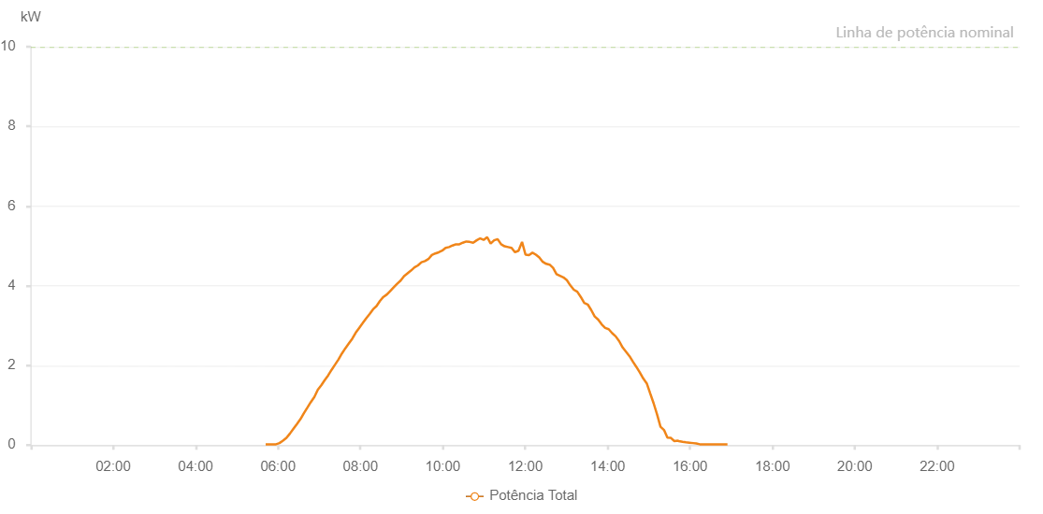

Number | Time | Working State | Alarm Code | Total Inverter Power(W)
1 | 10/06/2023 05:41:59 (UTC-4:00) | Normal |  | 20.000
2 | 10/06/2023 05:47:00 (UTC-4:00) | Normal |  | 20.000
3 | 10/06/2023 05:52:01 (UTC-4:00) | Normal |  | 20.000
4 | 10/06/2023 05:57:04 (UTC-4:00) | Normal |  | 20.000
5 | 10/06/2023 06:02:08 (UTC-4:00) | Normal |  | 50.000
6 | 10/06/2023 06:07:16 (UTC-4:00) | Normal |  | 110.000
7 | 10/06/2023 06:12:19 (UTC-4:00) | Normal |  | 180.000
8 | 10/06/2023 06:17:26 (UTC-4:00) | Normal |  | 290.000
9 | 10/06/2023 06:22:29 (UTC-4:00) | Normal |  | 410.000
10 | 10/06/2023 06:27:34 (UTC-4:00) | Normal |  | 530.000
11 | 10/06/2023 06:32:37 (UTC-4:00) | Normal |  | 650.000
12 | 10/06/2023 06:37:42 (UTC-4:00) | Normal |  | 800.000
13 | 10/06/2023 06:42:48 (UTC-4:00) | Normal |  | 940.000
14 | 10/06/2023 06:47:51 (UTC-4:00) | Normal |  | 1080.000
15 | 10/06/2023 06:52:58 (UTC-4:00) | Normal |  | 1210.000
16 | 10/06/2023 06:58:00 (UTC-4:00) | Normal |  | 1390.000
17 | 10/06/2023 07:03:01 (UTC-4:00) | Normal |  | 1500.000
18 | 10/06/2023 07:08:02 (UTC-4:00) | Normal |  | 1630.000
19 | 10/06/2023 07:13:03 (UTC-4:00) | Normal |  | 1750.000
20 | 10/06/2023 07:18:04 (UTC-4:00) | Normal |  | 1890.000
21 | 10/06/2023 07:23:05 (UTC-4:00) | Normal |  | 2020.000
22 | 10/06/2023 07:28:05 (UTC-4:00) | Normal |  | 2150.000
23 | 10/06/2023 07:33:06 (UTC-4:00) | Normal |  | 2300.000
24 | 10/06/2023 07:38:06 (UTC-4:00) | Normal |  | 2430.000
25 | 10/06/2023 07:43:07 (UTC-4:00) | Normal |  | 2550.000
26 | 10/06/2023 07:48:08 (UTC-4:00) | Normal |  | 2670.000
27 | 10/06/2023 07:53:08 (UTC-4:00) | Normal |  | 2820.000
28 | 10/06/2023 07:58:12 (UTC-4:00) | Normal |  | 2940.000
29 | 10/06/2023 08:03:16 (UTC-4:00) | Normal |  | 3060.000
30 | 10/06/2023 08:08:19 (UTC-4:00) | Normal |  | 3180.000
31 | 10/06/2023 08:13:26 (UTC-4:00) | Normal |  | 3290.000
32 | 10/06/2023 08:18:28 (UTC-4:00) | Normal |  | 3410.000
33 | 10/06/2023 08:23:28 (UTC-4:00) | Normal |  | 3490.000
34 | 10/06/2023 08:28:29 (UTC-4:00) | Normal |  | 3620.000
35 | 10/06/2023 08:33:30 (UTC-4:00) | Normal |  | 3720.000
36 | 10/06/2023 08:38:30 (UTC-4:00) | Normal |  | 3780.000
37 | 10/06/2023 08:43:31 (UTC-4:00) | Normal |  | 3870.000
38 | 10/06/2023 08:48:32 (UTC-4:00) | Normal |  | 3960.000
39 | 10/06/2023 08:53:33 (UTC-4:00) | Normal |  | 4050.000
40 | 10/06/2023 08:58:34 (UTC-4:00) | Normal |  | 4130.000
41 | 10/06/2023 09:03:34 (UTC-4:00) | Normal |  | 4240.000
42 | 10/06/2023 09:08:35 (UTC-4:00) | Normal |  | 4310.000
43 | 10/06/2023 09:13:36 (UTC-4:00) | Normal |  | 4380.000
44 | 10/06/2023 09:18:42 (UTC-4:00) | Normal |  | 4460.000
45 | 10/06/2023 09:23:47 (UTC-4:00) | Normal |  | 4510.000
46 | 10/06/2023 09:28:54 (UTC-4:00) | Normal |  | 4590.000
47 | 10/06/2023 09:33:58 (UTC-4:00) | Normal |  | 4620.000
48 | 10/06/2023 09:39:01 (UTC-4:00) | Normal |  | 4670.000
49 | 10/06/2023 09:44:01 (UTC-4:00) | Normal |  | 4770.000
50 | 10/06/2023 09:49:02 (UTC-4:00) | Normal |  | 4810.000
51 | 10/06/2023 09:54:04 (UTC-4:00) | Normal |  | 4840.000
52 | 10/06/2023 09:59:03 (UTC-4:00) | Normal |  | 4880.000
53 | 10/06/2023 10:04:03 (UTC-4:00) | Normal |  | 4950.000
54 | 10/06/2023 10:09:04 (UTC-4:00) | Normal |  | 4970.000
55 | 10/06/2023 10:14:05 (UTC-4:00) | Normal |  | 5010.000
56 | 10/06/2023 10:19:05 (UTC-4:00) | Normal |  | 5040.000
57 | 10/06/2023 10:24:06 (UTC-4:00) | Normal |  | 5040.000
58 | 10/06/2023 10:29:06 (UTC-4:00) | Normal |  | 5080.000
59 | 10/06/2023 10:34:09 (UTC-4:00) | Normal |  | 5110.000
60 | 10/06/2023 10:39:10 (UTC-4:00) | Normal |  | 5100.000
61 | 10/06/2023 10:44:13 (UTC-4:00) | Normal |  | 5080.000
62 | 10/06/2023 10:49:20 (UTC-4:00) | Normal |  | 5140.000
63 | 10/06/2023 10:54:24 (UTC-4:00) | Normal |  | 5190.000
64 | 10/06/2023 10:59:31 (UTC-4:00) | Normal |  | 5150.000
65 | 10/06/2023 11:04:37 (UTC-4:00) | Normal |  | 5220.000
66 | 10/06/2023 11:09:40 (UTC-4:00) | Normal |  | 5060.000
67 | 10/06/2023 11:14:45 (UTC-4:00) | Normal |  | 5140.000
68 | 10/06/2023 11:19:51 (UTC-4:00) | Normal |  | 5170.000
69 | 10/06/2023 11:24:55 (UTC-4:00) | Normal |  | 5040.000
70 | 10/06/2023 11:30:00 (UTC-4:00) | Normal |  | 4990.000
71 | 10/06/2023 11:35:02 (UTC-4:00) | Normal |  | 4970.000
72 | 10/06/2023 11:40:07 (UTC-4:00) | Normal |  | 4950.000
73 | 10/06/2023 11:45:11 (UTC-4:00) | Normal |  | 4840.000
74 | 10/06/2023 11:50:17 (UTC-4:00) | Normal |  | 4880.000
75 | 10/06/2023 11:55:24 (UTC-4:00) | Normal |  | 5100.000
76 | 10/06/2023 12:00:27 (UTC-4:00) | Normal |  | 4780.000
77 | 10/06/2023 12:05:31 (UTC-4:00) | Normal |  | 4770.000
78 | 10/06/2023 12:10:31 (UTC-4:00) | Normal |  | 4830.000
79 | 10/06/2023 12:15:32 (UTC-4:00) | Normal |  | 4780.000
80 | 10/06/2023 12:20:32 (UTC-4:00) | Normal |  | 4710.000
81 | 10/06/2023 12:25:33 (UTC-4:00) | Normal |  | 4600.000
82 | 10/06/2023 12:30:33 (UTC-4:00) | Normal |  | 4550.000
83 | 10/06/2023 12:35:35 (UTC-4:00) | Normal |  | 4530.000
84 | 10/06/2023 12:40:36 (UTC-4:00) | Normal |  | 4450.000
85 | 10/06/2023 12:45:36 (UTC-4:00) | Normal |  | 4290.000
86 | 10/06/2023 12:50:37 (UTC-4:00) | Normal |  | 4250.000
87 | 10/06/2023 12:55:37 (UTC-4:00) | Normal |  | 4210.000
88 | 10/06/2023 13:00:38 (UTC-4:00) | Normal |  | 4140.000
89 | 10/06/2023 13:05:39 (UTC-4:00) | Normal |  | 4010.000
90 | 10/06/2023 13:10:46 (UTC-4:00) | Normal |  | 3900.000
91 | 10/06/2023 13:15:48 (UTC-4:00) | Normal |  | 3850.000
92 | 10/06/2023 13:20:53 (UTC-4:00) | Normal |  | 3720.000
93 | 10/06/2023 13:25:58 (UTC-4:00) | Normal |  | 3570.000
94 | 10/06/2023 13:31:03 (UTC-4:00) | Normal |  | 3530.000
95 | 10/06/2023 13:36:07 (UTC-4:00) | Normal |  | 3390.000
96 | 10/06/2023 13:41:11 (UTC-4:00) | Normal |  | 3230.000
97 | 10/06/2023 13:46:17 (UTC-4:00) | Normal |  | 3150.000
98 | 10/06/2023 13:51:21 (UTC-4:00) | Normal |  | 3030.000
99 | 10/06/2023 13:56:26 (UTC-4:00) | Normal |  | 2940.000
100 | 10/06/2023 14:01:33 (UTC-4:00) | Normal |  | 2910.000
101 | 10/06/2023 14:06:38 (UTC-4:00) | Normal |  | 2810.000
102 | 10/06/2023 14:11:43 (UTC-4:00) | Normal |  | 2730.000
103 | 10/06/2023 14:16:48 (UTC-4:00) | Normal |  | 2610.000
104 | 10/06/2023 14:21:53 (UTC-4:00) | Normal |  | 2450.000
105 | 10/06/2023 14:26:56 (UTC-4:00) | Normal |  | 2340.000
106 | 10/06/2023 14:31:58 (UTC-4:00) | Normal |  | 2230.000
107 | 10/06/2023 14:36:57 (UTC-4:00) | Normal |  | 2090.000
108 | 10/06/2023 14:41:57 (UTC-4:00) | Normal |  | 1960.000
109 | 10/06/2023 14:46:58 (UTC-4:00) | Normal |  | 1820.000
110 | 10/06/2023 14:51:58 (UTC-4:00) | Normal |  | 1670.000
111 | 10/06/2023 14:56:59 (UTC-4:00) | Normal |  | 1550.000
112 | 10/06/2023 15:01:59 (UTC-4:00) | Normal |  | 1300.000
113 | 10/06/2023 15:07:00 (UTC-4:00) | Normal |  | 1050.000
114 | 10/06/2023 15:12:01 (UTC-4:00) | Normal |  | 770.000
115 | 10/06/2023 15:17:01 (UTC-4:00) | Normal |  | 460.000
116 | 10/06/2023 15:22:07 (UTC-4:00) | Normal |  | 380.000
117 | 10/06/2023 15:27:05 (UTC-4:00) | Normal |  | 190.000
118 | 10/06/2023 15:32:10 (UTC-4:00) | Normal |  | 180.000
119 | 10/06/2023 15:37:14 (UTC-4:00) | Normal |  | 100.000
120 | 10/06/2023 15:42:18 (UTC-4:00) | Normal |  | 110.000
121 | 10/06/2023 15:43:48 (UTC-4:00) | Normal |  | 100.000
122 | 10/06/2023 15:49:06 (UTC-4:00) | Normal |  | 80.000
123 | 10/06/2023 15:54:05 (UTC-4:00) | Normal |  | 70.000
124 | 10/06/2023 15:59:07 (UTC-4:00) | Normal |  | 60.000
125 | 10/06/2023 16:04:07 (UTC-4:00) | Normal |  | 50.000
126 | 10/06/2023 16:04:19 (UTC-4:00) | Normal |  | 50.000
127 | 10/06/2023 16:09:07 (UTC-4:00) | Normal |  | 40.000
128 | 10/06/2023 16:14:07 (UTC-4:00) | Normal |  | 20.000
129 | 10/06/2023 16:19:07 (UTC-4:00) | Normal |  | 20.000
130 | 10/06/2023 16:24:08 (UTC-4:00) | Normal |  | 20.000
131 | 10/06/2023 16:29:13 (UTC-4:00) | Normal |  | 20.000
132 | 10/06/2023 16:34:19 (UTC-4:00) | Normal |  | 20.000
133 | 10/06/2023 16:39:21 (UTC-4:00) | Normal |  | 20.000
134 | 10/06/2023 16:44:27 (UTC-4:00) | Normal |  | 20.000
135 | 10/06/2023 16:49:29 (UTC-4:00) | Normal |  | 20.000
136 | 10/06/2023 16:54:34 (UTC-4:00) | Normal |  | 20.000

