Inverter History Report__17-08-
Inverter History Report_11/06/2023_Report

Inverter SN:054B7020C020042 |  | Inverter type:B7
Collector SN:4046045654 |  | Full Load Hours(h):2.87
Rated Power:10000Wp

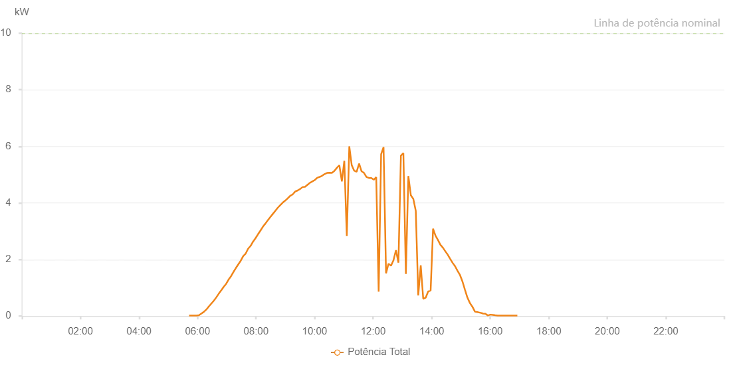

Number | Time | Working State | Alarm Code | Total Inverter Power(W)
1 | 11/06/2023 05:42:44 (UTC-4:00) | Normal |  | 20.000
2 | 11/06/2023 05:47:45 (UTC-4:00) | Normal |  | 20.000
3 | 11/06/2023 05:52:45 (UTC-4:00) | Normal |  | 20.000
4 | 11/06/2023 05:57:50 (UTC-4:00) | Normal |  | 20.000
5 | 11/06/2023 06:02:53 (UTC-4:00) | Normal |  | 30.000
6 | 11/06/2023 06:07:57 (UTC-4:00) | Normal |  | 90.000
7 | 11/06/2023 06:13:04 (UTC-4:00) | Normal |  | 150.000
8 | 11/06/2023 06:18:10 (UTC-4:00) | Normal |  | 230.000
9 | 11/06/2023 06:23:13 (UTC-4:00) | Normal |  | 340.000
10 | 11/06/2023 06:28:17 (UTC-4:00) | Normal |  | 440.000
11 | 11/06/2023 06:33:21 (UTC-4:00) | Normal |  | 540.000
12 | 11/06/2023 06:38:27 (UTC-4:00) | Normal |  | 660.000
13 | 11/06/2023 06:43:31 (UTC-4:00) | Normal |  | 790.000
14 | 11/06/2023 06:48:37 (UTC-4:00) | Normal |  | 910.000
15 | 11/06/2023 06:53:40 (UTC-4:00) | Normal |  | 1030.000
16 | 11/06/2023 06:58:40 (UTC-4:00) | Normal |  | 1140.000
17 | 11/06/2023 07:03:41 (UTC-4:00) | Normal |  | 1290.000
18 | 11/06/2023 07:08:41 (UTC-4:00) | Normal |  | 1410.000
19 | 11/06/2023 07:13:42 (UTC-4:00) | Normal |  | 1560.000
20 | 11/06/2023 07:18:42 (UTC-4:00) | Normal |  | 1700.000
21 | 11/06/2023 07:23:43 (UTC-4:00) | Normal |  | 1830.000
22 | 11/06/2023 07:28:44 (UTC-4:00) | Normal |  | 1960.000
23 | 11/06/2023 07:33:44 (UTC-4:00) | Normal |  | 2120.000
24 | 11/06/2023 07:38:46 (UTC-4:00) | Normal |  | 2210.000
25 | 11/06/2023 07:43:46 (UTC-4:00) | Normal |  | 2380.000
26 | 11/06/2023 07:48:47 (UTC-4:00) | Normal |  | 2480.000
27 | 11/06/2023 07:53:47 (UTC-4:00) | Normal |  | 2630.000
28 | 11/06/2023 07:58:51 (UTC-4:00) | Normal |  | 2750.000
29 | 11/06/2023 08:03:58 (UTC-4:00) | Normal |  | 2890.000
30 | 11/06/2023 08:09:00 (UTC-4:00) | Normal |  | 3020.000
31 | 11/06/2023 08:14:05 (UTC-4:00) | Normal |  | 3160.000
32 | 11/06/2023 08:19:09 (UTC-4:00) | Normal |  | 3270.000
33 | 11/06/2023 08:24:16 (UTC-4:00) | Normal |  | 3390.000
34 | 11/06/2023 08:29:18 (UTC-4:00) | Normal |  | 3500.000
35 | 11/06/2023 08:34:23 (UTC-4:00) | Normal |  | 3610.000
36 | 11/06/2023 08:39:28 (UTC-4:00) | Normal |  | 3720.000
37 | 11/06/2023 08:44:32 (UTC-4:00) | Normal |  | 3830.000
38 | 11/06/2023 08:49:36 (UTC-4:00) | Normal |  | 3920.000
39 | 11/06/2023 08:54:41 (UTC-4:00) | Normal |  | 4010.000
40 | 11/06/2023 08:59:45 (UTC-4:00) | Normal |  | 4080.000
41 | 11/06/2023 09:04:52 (UTC-4:00) | Normal |  | 4160.000
42 | 11/06/2023 09:09:56 (UTC-4:00) | Normal |  | 4250.000
43 | 11/06/2023 09:15:01 (UTC-4:00) | Normal |  | 4300.000
44 | 11/06/2023 09:20:13 (UTC-4:00) | Normal |  | 4400.000
45 | 11/06/2023 09:25:10 (UTC-4:00) | Normal |  | 4440.000
46 | 11/06/2023 09:30:14 (UTC-4:00) | Normal |  | 4490.000
47 | 11/06/2023 09:35:20 (UTC-4:00) | Normal |  | 4560.000
48 | 11/06/2023 09:40:23 (UTC-4:00) | Normal |  | 4570.000
49 | 11/06/2023 09:45:24 (UTC-4:00) | Normal |  | 4640.000
50 | 11/06/2023 09:50:24 (UTC-4:00) | Normal |  | 4710.000
51 | 11/06/2023 09:55:24 (UTC-4:00) | Normal |  | 4760.000
52 | 11/06/2023 10:00:25 (UTC-4:00) | Normal |  | 4810.000
53 | 11/06/2023 10:05:27 (UTC-4:00) | Normal |  | 4890.000
54 | 11/06/2023 10:10:28 (UTC-4:00) | Normal |  | 4920.000
55 | 11/06/2023 10:15:30 (UTC-4:00) | Normal |  | 4960.000
56 | 11/06/2023 10:20:30 (UTC-4:00) | Normal |  | 5020.000
57 | 11/06/2023 10:25:31 (UTC-4:00) | Normal |  | 5060.000
58 | 11/06/2023 10:30:31 (UTC-4:00) | Normal |  | 5070.000
59 | 11/06/2023 10:35:32 (UTC-4:00) | Normal |  | 5060.000
60 | 11/06/2023 10:40:36 (UTC-4:00) | Normal |  | 5130.000
61 | 11/06/2023 10:45:42 (UTC-4:00) | Normal |  | 5240.000
62 | 11/06/2023 10:50:45 (UTC-4:00) | Normal |  | 5330.000
63 | 11/06/2023 10:55:53 (UTC-4:00) | Normal |  | 4760.000
64 | 11/06/2023 11:00:56 (UTC-4:00) | Normal |  | 5490.000
65 | 11/06/2023 11:06:01 (UTC-4:00) | Normal |  | 2830.000
66 | 11/06/2023 11:11:07 (UTC-4:00) | Normal |  | 6000.000
67 | 11/06/2023 11:16:09 (UTC-4:00) | Normal |  | 5330.000
68 | 11/06/2023 11:21:10 (UTC-4:00) | Normal |  | 5140.000
69 | 11/06/2023 11:26:10 (UTC-4:00) | Normal |  | 5100.000
70 | 11/06/2023 11:31:13 (UTC-4:00) | Normal |  | 5390.000
71 | 11/06/2023 11:36:14 (UTC-4:00) | Normal |  | 5120.000
72 | 11/06/2023 11:41:14 (UTC-4:00) | Normal |  | 5060.000
73 | 11/06/2023 11:46:17 (UTC-4:00) | Normal |  | 4920.000
74 | 11/06/2023 11:51:18 (UTC-4:00) | Normal |  | 4880.000
75 | 11/06/2023 11:56:18 (UTC-4:00) | Normal |  | 4880.000
76 | 11/06/2023 12:01:20 (UTC-4:00) | Normal |  | 4820.000
77 | 11/06/2023 12:06:20 (UTC-4:00) | Normal |  | 4910.000
78 | 11/06/2023 12:11:21 (UTC-4:00) | Normal |  | 860.000
79 | 11/06/2023 12:16:22 (UTC-4:00) | Normal |  | 5720.000
80 | 11/06/2023 12:21:22 (UTC-4:00) | Normal |  | 5970.000
81 | 11/06/2023 12:26:26 (UTC-4:00) | Normal |  | 1510.000
82 | 11/06/2023 12:31:30 (UTC-4:00) | Normal |  | 1850.000
83 | 11/06/2023 12:36:36 (UTC-4:00) | Normal |  | 1780.000
84 | 11/06/2023 12:41:40 (UTC-4:00) | Normal |  | 1970.000
85 | 11/06/2023 12:46:47 (UTC-4:00) | Normal |  | 2330.000
86 | 11/06/2023 12:51:52 (UTC-4:00) | Normal |  | 1890.000
87 | 11/06/2023 12:56:55 (UTC-4:00) | Normal |  | 5670.000
88 | 11/06/2023 13:02:00 (UTC-4:00) | Normal |  | 5760.000
89 | 11/06/2023 13:07:06 (UTC-4:00) | Normal |  | 1490.000
90 | 11/06/2023 13:12:12 (UTC-4:00) | Normal |  | 4950.000
91 | 11/06/2023 13:17:18 (UTC-4:00) | Normal |  | 4270.000
92 | 11/06/2023 13:22:23 (UTC-4:00) | Normal |  | 4140.000
93 | 11/06/2023 13:27:25 (UTC-4:00) | Normal |  | 3720.000
94 | 11/06/2023 13:32:30 (UTC-4:00) | Normal |  | 730.000
95 | 11/06/2023 13:37:35 (UTC-4:00) | Normal |  | 1790.000
96 | 11/06/2023 13:42:41 (UTC-4:00) | Normal |  | 610.000
97 | 11/06/2023 13:47:45 (UTC-4:00) | Normal |  | 650.000
98 | 11/06/2023 13:52:49 (UTC-4:00) | Normal |  | 870.000
99 | 11/06/2023 13:57:50 (UTC-4:00) | Normal |  | 900.000
100 | 11/06/2023 14:02:50 (UTC-4:00) | Normal |  | 3090.000
101 | 11/06/2023 14:07:51 (UTC-4:00) | Normal |  | 2840.000
102 | 11/06/2023 14:12:53 (UTC-4:00) | Normal |  | 2690.000
103 | 11/06/2023 14:17:54 (UTC-4:00) | Normal |  | 2520.000
104 | 11/06/2023 14:22:54 (UTC-4:00) | Normal |  | 2420.000
105 | 11/06/2023 14:27:55 (UTC-4:00) | Normal |  | 2290.000
106 | 11/06/2023 14:32:55 (UTC-4:00) | Normal |  | 2170.000
107 | 11/06/2023 14:37:58 (UTC-4:00) | Normal |  | 2020.000
108 | 11/06/2023 14:42:59 (UTC-4:00) | Normal |  | 1880.000
109 | 11/06/2023 14:48:01 (UTC-4:00) | Normal |  | 1760.000
110 | 11/06/2023 14:53:02 (UTC-4:00) | Normal |  | 1600.000
111 | 11/06/2023 14:58:04 (UTC-4:00) | Normal |  | 1450.000
112 | 11/06/2023 15:03:09 (UTC-4:00) | Normal |  | 1220.000
113 | 11/06/2023 15:08:14 (UTC-4:00) | Normal |  | 930.000
114 | 11/06/2023 15:13:19 (UTC-4:00) | Normal |  | 650.000
115 | 11/06/2023 15:18:24 (UTC-4:00) | Normal |  | 460.000
116 | 11/06/2023 15:23:28 (UTC-4:00) | Normal |  | 330.000
117 | 11/06/2023 15:28:33 (UTC-4:00) | Normal |  | 160.000
118 | 11/06/2023 15:33:37 (UTC-4:00) | Normal |  | 140.000
119 | 11/06/2023 15:38:43 (UTC-4:00) | Normal |  | 120.000
120 | 11/06/2023 15:43:49 (UTC-4:00) | Normal |  | 100.000
121 | 11/06/2023 15:44:41 (UTC-4:00) | Normal |  | 90.000
122 | 11/06/2023 15:50:04 (UTC-4:00) | Normal |  | 80.000
123 | 11/06/2023 15:55:07 (UTC-4:00) | Normal |  | 20.000
124 | 11/06/2023 16:00:09 (UTC-4:00) | Normal |  | 50.000
125 | 11/06/2023 16:05:14 (UTC-4:00) | Normal |  | 40.000
126 | 11/06/2023 16:10:16 (UTC-4:00) | Normal |  | 30.000
127 | 11/06/2023 16:15:19 (UTC-4:00) | Normal |  | 20.000
128 | 11/06/2023 16:20:21 (UTC-4:00) | Normal |  | 20.000
129 | 11/06/2023 16:25:24 (UTC-4:00) | Normal |  | 20.000
130 | 11/06/2023 16:30:27 (UTC-4:00) | Normal |  | 20.000
131 | 11/06/2023 16:35:29 (UTC-4:00) | Normal |  | 20.000
132 | 11/06/2023 16:40:31 (UTC-4:00) | Normal |  | 20.000
133 | 11/06/2023 16:45:34 (UTC-4:00) | Normal |  | 20.000
134 | 11/06/2023 16:50:36 (UTC-4:00) | Normal |  | 20.000
135 | 11/06/2023 16:55:38 (UTC-4:00) | Normal |  | 20.000

