Inverter History Report__17-08-
Inverter History Report_12/06/2023_Report

Inverter SN:054B7020C020042 |  | Inverter type:B7
Collector SN:4046045654 |  | Full Load Hours(h):3.04
Rated Power:10000Wp

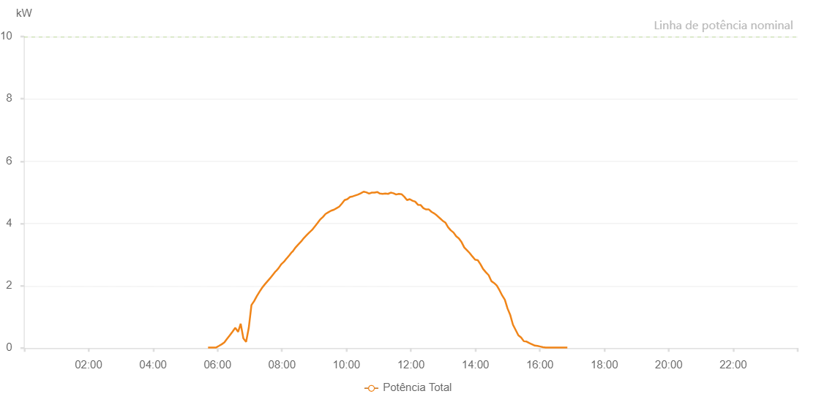

Number | Time | Working State | Alarm Code | Total Inverter Power(W)
1 | 12/06/2023 05:42:26 (UTC-4:00) | Normal |  | 20.000
2 | 12/06/2023 05:47:26 (UTC-4:00) | Normal |  | 20.000
3 | 12/06/2023 05:52:26 (UTC-4:00) | Normal |  | 20.000
4 | 12/06/2023 05:57:30 (UTC-4:00) | Normal |  | 20.000
5 | 12/06/2023 06:02:35 (UTC-4:00) | Normal |  | 70.000
6 | 12/06/2023 06:07:38 (UTC-4:00) | Normal |  | 120.000
7 | 12/06/2023 06:12:43 (UTC-4:00) | Normal |  | 180.000
8 | 12/06/2023 06:17:48 (UTC-4:00) | Normal |  | 300.000
9 | 12/06/2023 06:22:53 (UTC-4:00) | Normal |  | 410.000
10 | 12/06/2023 06:28:00 (UTC-4:00) | Normal |  | 530.000
11 | 12/06/2023 06:33:03 (UTC-4:00) | Normal |  | 650.000
12 | 12/06/2023 06:38:20 (UTC-4:00) | Normal |  | 520.000
13 | 12/06/2023 06:43:10 (UTC-4:00) | Normal |  | 780.000
14 | 12/06/2023 06:48:11 (UTC-4:00) | Normal |  | 310.000
15 | 12/06/2023 06:53:14 (UTC-4:00) | Normal |  | 200.000
16 | 12/06/2023 06:58:12 (UTC-4:00) | Normal |  | 650.000
17 | 12/06/2023 07:03:12 (UTC-4:00) | Normal |  | 1380.000
18 | 12/06/2023 07:08:15 (UTC-4:00) | Normal |  | 1510.000
19 | 12/06/2023 07:13:13 (UTC-4:00) | Normal |  | 1670.000
20 | 12/06/2023 07:18:13 (UTC-4:00) | Normal |  | 1810.000
21 | 12/06/2023 07:23:15 (UTC-4:00) | Normal |  | 1940.000
22 | 12/06/2023 07:28:14 (UTC-4:00) | Normal |  | 2050.000
23 | 12/06/2023 07:33:14 (UTC-4:00) | Normal |  | 2150.000
24 | 12/06/2023 07:38:14 (UTC-4:00) | Normal |  | 2250.000
25 | 12/06/2023 07:38:25 (UTC-4:00) | Normal |  | 2250.000
26 | 12/06/2023 07:43:17 (UTC-4:00) | Normal |  | 2360.000
27 | 12/06/2023 07:48:22 (UTC-4:00) | Normal |  | 2470.000
28 | 12/06/2023 07:48:49 (UTC-4:00) | Normal |  | 2470.000
29 | 12/06/2023 07:53:25 (UTC-4:00) | Normal |  | 2560.000
30 | 12/06/2023 07:58:34 (UTC-4:00) | Normal |  | 2690.000
31 | 12/06/2023 08:03:36 (UTC-4:00) | Normal |  | 2770.000
32 | 12/06/2023 08:08:40 (UTC-4:00) | Normal |  | 2880.000
33 | 12/06/2023 08:08:52 (UTC-4:00) | Normal |  | 2880.000
34 | 12/06/2023 08:13:42 (UTC-4:00) | Normal |  | 2980.000
35 | 12/06/2023 08:18:47 (UTC-4:00) | Normal |  | 3090.000
36 | 12/06/2023 08:19:16 (UTC-4:00) | Normal |  | 3090.000
37 | 12/06/2023 08:19:40 (UTC-4:00) | Normal |  | 3090.000
38 | 12/06/2023 08:20:13 (UTC-4:00) | Normal |  | 3110.000
39 | 12/06/2023 08:25:18 (UTC-4:00) | Normal |  | 3230.000
40 | 12/06/2023 08:30:29 (UTC-4:00) | Normal |  | 3330.000
41 | 12/06/2023 08:35:36 (UTC-4:00) | Normal |  | 3420.000
42 | 12/06/2023 08:40:38 (UTC-4:00) | Normal |  | 3530.000
43 | 12/06/2023 08:45:43 (UTC-4:00) | Normal |  | 3620.000
44 | 12/06/2023 08:50:48 (UTC-4:00) | Normal |  | 3710.000
45 | 12/06/2023 08:55:53 (UTC-4:00) | Normal |  | 3790.000
46 | 12/06/2023 09:01:00 (UTC-4:00) | Normal |  | 3900.000
47 | 12/06/2023 09:06:04 (UTC-4:00) | Normal |  | 4010.000
48 | 12/06/2023 09:11:09 (UTC-4:00) | Normal |  | 4130.000
49 | 12/06/2023 09:11:21 (UTC-4:00) | Normal |  | 4130.000
50 | 12/06/2023 09:16:14 (UTC-4:00) | Normal |  | 4210.000
51 | 12/06/2023 09:21:21 (UTC-4:00) | Normal |  | 4310.000
52 | 12/06/2023 09:21:33 (UTC-4:00) | Normal |  | 4310.000
53 | 12/06/2023 09:26:25 (UTC-4:00) | Normal |  | 4360.000
54 | 12/06/2023 09:31:27 (UTC-4:00) | Normal |  | 4410.000
55 | 12/06/2023 09:36:29 (UTC-4:00) | Normal |  | 4440.000
56 | 12/06/2023 09:41:33 (UTC-4:00) | Normal |  | 4490.000
57 | 12/06/2023 09:46:32 (UTC-4:00) | Normal |  | 4540.000
58 | 12/06/2023 09:51:33 (UTC-4:00) | Normal |  | 4640.000
59 | 12/06/2023 09:56:35 (UTC-4:00) | Normal |  | 4750.000
60 | 12/06/2023 10:01:37 (UTC-4:00) | Normal |  | 4780.000
61 | 12/06/2023 10:06:40 (UTC-4:00) | Normal |  | 4850.000
62 | 12/06/2023 10:11:42 (UTC-4:00) | Normal |  | 4870.000
63 | 12/06/2023 10:16:44 (UTC-4:00) | Normal |  | 4900.000
64 | 12/06/2023 10:21:47 (UTC-4:00) | Normal |  | 4930.000
65 | 12/06/2023 10:26:53 (UTC-4:00) | Normal |  | 4970.000
66 | 12/06/2023 10:32:01 (UTC-4:00) | Normal |  | 5020.000
67 | 12/06/2023 10:37:04 (UTC-4:00) | Normal |  | 5000.000
68 | 12/06/2023 10:42:11 (UTC-4:00) | Normal |  | 4960.000
69 | 12/06/2023 10:47:15 (UTC-4:00) | Normal |  | 4990.000
70 | 12/06/2023 10:52:17 (UTC-4:00) | Normal |  | 4990.000
71 | 12/06/2023 10:57:18 (UTC-4:00) | Normal |  | 5010.000
72 | 12/06/2023 11:02:20 (UTC-4:00) | Normal |  | 4960.000
73 | 12/06/2023 11:07:23 (UTC-4:00) | Normal |  | 4950.000
74 | 12/06/2023 11:12:26 (UTC-4:00) | Normal |  | 4960.000
75 | 12/06/2023 11:17:24 (UTC-4:00) | Normal |  | 4950.000
76 | 12/06/2023 11:22:26 (UTC-4:00) | Normal |  | 4990.000
77 | 12/06/2023 11:27:28 (UTC-4:00) | Normal |  | 4970.000
78 | 12/06/2023 11:32:29 (UTC-4:00) | Normal |  | 4930.000
79 | 12/06/2023 11:37:33 (UTC-4:00) | Normal |  | 4950.000
80 | 12/06/2023 11:42:35 (UTC-4:00) | Normal |  | 4940.000
81 | 12/06/2023 11:47:38 (UTC-4:00) | Normal |  | 4860.000
82 | 12/06/2023 11:52:46 (UTC-4:00) | Normal |  | 4750.000
83 | 12/06/2023 11:57:51 (UTC-4:00) | Normal |  | 4780.000
84 | 12/06/2023 12:02:55 (UTC-4:00) | Normal |  | 4730.000
85 | 12/06/2023 12:08:02 (UTC-4:00) | Normal |  | 4700.000
86 | 12/06/2023 12:13:08 (UTC-4:00) | Normal |  | 4600.000
87 | 12/06/2023 12:18:14 (UTC-4:00) | Normal |  | 4590.000
88 | 12/06/2023 12:23:19 (UTC-4:00) | Normal |  | 4490.000
89 | 12/06/2023 12:28:26 (UTC-4:00) | Normal |  | 4450.000
90 | 12/06/2023 12:33:29 (UTC-4:00) | Normal |  | 4450.000
91 | 12/06/2023 12:38:36 (UTC-4:00) | Normal |  | 4370.000
92 | 12/06/2023 12:43:43 (UTC-4:00) | Normal |  | 4320.000
93 | 12/06/2023 12:48:46 (UTC-4:00) | Normal |  | 4250.000
94 | 12/06/2023 12:53:52 (UTC-4:00) | Normal |  | 4170.000
95 | 12/06/2023 12:58:59 (UTC-4:00) | Normal |  | 4090.000
96 | 12/06/2023 13:04:06 (UTC-4:00) | Normal |  | 4030.000
97 | 12/06/2023 13:09:12 (UTC-4:00) | Normal |  | 3880.000
98 | 12/06/2023 13:14:15 (UTC-4:00) | Normal |  | 3780.000
99 | 12/06/2023 13:19:19 (UTC-4:00) | Normal |  | 3710.000
100 | 12/06/2023 13:24:19 (UTC-4:00) | Normal |  | 3590.000
101 | 12/06/2023 13:29:20 (UTC-4:00) | Normal |  | 3520.000
102 | 12/06/2023 13:34:21 (UTC-4:00) | Normal |  | 3400.000
103 | 12/06/2023 13:39:23 (UTC-4:00) | Normal |  | 3230.000
104 | 12/06/2023 13:44:24 (UTC-4:00) | Normal |  | 3140.000
105 | 12/06/2023 13:49:26 (UTC-4:00) | Normal |  | 3050.000
106 | 12/06/2023 13:54:29 (UTC-4:00) | Normal |  | 2940.000
107 | 12/06/2023 13:59:30 (UTC-4:00) | Normal |  | 2840.000
108 | 12/06/2023 14:04:31 (UTC-4:00) | Normal |  | 2820.000
109 | 12/06/2023 14:09:34 (UTC-4:00) | Normal |  | 2690.000
110 | 12/06/2023 14:14:40 (UTC-4:00) | Normal |  | 2530.000
111 | 12/06/2023 14:14:51 (UTC-4:00) | Normal |  | 2530.000
112 | 12/06/2023 14:19:43 (UTC-4:00) | Normal |  | 2430.000
113 | 12/06/2023 14:24:45 (UTC-4:00) | Normal |  | 2340.000
114 | 12/06/2023 14:29:46 (UTC-4:00) | Normal |  | 2150.000
115 | 12/06/2023 14:34:48 (UTC-4:00) | Normal |  | 2090.000
116 | 12/06/2023 14:39:50 (UTC-4:00) | Normal |  | 2010.000
117 | 12/06/2023 14:44:51 (UTC-4:00) | Normal |  | 1860.000
118 | 12/06/2023 14:49:52 (UTC-4:00) | Normal |  | 1690.000
119 | 12/06/2023 14:54:54 (UTC-4:00) | Normal |  | 1550.000
120 | 12/06/2023 14:59:55 (UTC-4:00) | Normal |  | 1270.000
121 | 12/06/2023 15:04:57 (UTC-4:00) | Normal |  | 1060.000
122 | 12/06/2023 15:09:58 (UTC-4:00) | Normal |  | 750.000
123 | 12/06/2023 15:15:01 (UTC-4:00) | Normal |  | 580.000
124 | 12/06/2023 15:20:02 (UTC-4:00) | Normal |  | 410.000
125 | 12/06/2023 15:25:08 (UTC-4:00) | Normal |  | 340.000
126 | 12/06/2023 15:30:14 (UTC-4:00) | Normal |  | 220.000
127 | 12/06/2023 15:35:19 (UTC-4:00) | Normal |  | 210.000
128 | 12/06/2023 15:40:25 (UTC-4:00) | Normal |  | 160.000
129 | 12/06/2023 15:45:31 (UTC-4:00) | Normal |  | 120.000
130 | 12/06/2023 15:45:43 (UTC-4:00) | Normal |  | 120.000
131 | 12/06/2023 15:50:35 (UTC-4:00) | Normal |  | 80.000
132 | 12/06/2023 15:55:43 (UTC-4:00) | Normal |  | 70.000
133 | 12/06/2023 16:00:46 (UTC-4:00) | Normal |  | 50.000
134 | 12/06/2023 16:05:52 (UTC-4:00) | Normal |  | 30.000
135 | 12/06/2023 16:10:57 (UTC-4:00) | Normal |  | 20.000
136 | 12/06/2023 16:16:02 (UTC-4:00) | Normal |  | 20.000
137 | 12/06/2023 16:16:19 (UTC-4:00) | Normal |  | 20.000
138 | 12/06/2023 16:21:04 (UTC-4:00) | Normal |  | 20.000
139 | 12/06/2023 16:26:05 (UTC-4:00) | Normal |  | 20.000
140 | 12/06/2023 16:31:07 (UTC-4:00) | Normal |  | 20.000
141 | 12/06/2023 16:36:10 (UTC-4:00) | Normal |  | 20.000
142 | 12/06/2023 16:41:10 (UTC-4:00) | Normal |  | 20.000
143 | 12/06/2023 16:46:11 (UTC-4:00) | Normal |  | 20.000
144 | 12/06/2023 16:51:13 (UTC-4:00) | Normal |  | 20.000

