Inverter History Report__17-08-
Inverter History Report_14/06/2023_Report

Inverter SN:054B7020C020042 |  | Inverter type:B7
Collector SN:4046045654 |  | Full Load Hours(h):0.53
Rated Power:10000Wp

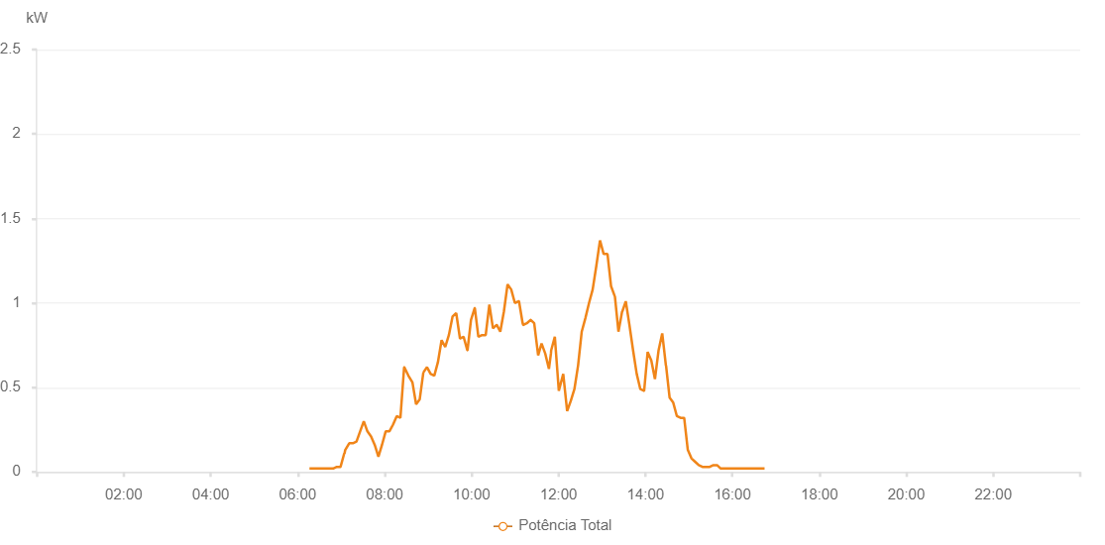

Number | Time | Working State | Alarm Code | Total Inverter Power(W)
1 | 14/06/2023 06:16:20 (UTC-4:00) | Normal |  | 20.000
2 | 14/06/2023 06:21:12 (UTC-4:00) | Normal |  | 20.000
3 | 14/06/2023 06:21:22 (UTC-4:00) | Normal |  | 20.000
4 | 14/06/2023 06:21:24 (UTC-4:00) | Normal |  | 20.000
5 | 14/06/2023 06:22:40 (UTC-4:00) | Normal |  | 20.000
6 | 14/06/2023 06:23:38 (UTC-4:00) | Normal |  | 20.000
7 | 14/06/2023 06:28:39 (UTC-4:00) | Normal |  | 20.000
8 | 14/06/2023 06:33:45 (UTC-4:00) | Normal |  | 20.000
9 | 14/06/2023 06:38:52 (UTC-4:00) | Normal |  | 20.000
10 | 14/06/2023 06:43:59 (UTC-4:00) | Normal |  | 20.000
11 | 14/06/2023 06:49:01 (UTC-4:00) | Normal |  | 20.000
12 | 14/06/2023 06:54:07 (UTC-4:00) | Normal |  | 30.000
13 | 14/06/2023 06:54:20 (UTC-4:00) | Normal |  | 30.000
14 | 14/06/2023 06:59:13 (UTC-4:00) | Normal |  | 30.000
15 | 14/06/2023 07:04:21 (UTC-4:00) | Normal |  | 110.000
16 | 14/06/2023 07:04:47 (UTC-4:00) | Normal |  | 110.000
17 | 14/06/2023 07:05:40 (UTC-4:00) | Normal |  | 130.000
18 | 14/06/2023 07:11:13 (UTC-4:00) | Normal |  | 170.000
19 | 14/06/2023 07:16:12 (UTC-4:00) | Normal |  | 170.000
20 | 14/06/2023 07:21:14 (UTC-4:00) | Normal |  | 180.000
21 | 14/06/2023 07:26:15 (UTC-4:00) | Normal |  | 240.000
22 | 14/06/2023 07:31:17 (UTC-4:00) | Normal |  | 300.000
23 | 14/06/2023 07:36:19 (UTC-4:00) | Normal |  | 240.000
24 | 14/06/2023 07:41:21 (UTC-4:00) | Normal |  | 210.000
25 | 14/06/2023 07:46:23 (UTC-4:00) | Normal |  | 160.000
26 | 14/06/2023 07:51:29 (UTC-4:00) | Normal |  | 90.000
27 | 14/06/2023 07:56:26 (UTC-4:00) | Normal |  | 160.000
28 | 14/06/2023 08:01:30 (UTC-4:00) | Normal |  | 240.000
29 | 14/06/2023 08:06:35 (UTC-4:00) | Normal |  | 240.000
30 | 14/06/2023 08:11:40 (UTC-4:00) | Normal |  | 280.000
31 | 14/06/2023 08:16:46 (UTC-4:00) | Normal |  | 330.000
32 | 14/06/2023 08:21:50 (UTC-4:00) | Normal |  | 320.000
33 | 14/06/2023 08:26:58 (UTC-4:00) | Normal |  | 620.000
34 | 14/06/2023 08:27:10 (UTC-4:00) | Normal |  | 620.000
35 | 14/06/2023 08:32:50 (UTC-4:00) | Normal |  | 570.000
36 | 14/06/2023 08:38:26 (UTC-4:00) | Normal |  | 530.000
37 | 14/06/2023 08:43:29 (UTC-4:00) | Normal |  | 400.000
38 | 14/06/2023 08:48:30 (UTC-4:00) | Normal |  | 430.000
39 | 14/06/2023 08:53:32 (UTC-4:00) | Normal |  | 590.000
40 | 14/06/2023 08:53:44 (UTC-4:00) | Normal |  | 590.000
41 | 14/06/2023 08:58:33 (UTC-4:00) | Normal |  | 620.000
42 | 14/06/2023 09:03:35 (UTC-4:00) | Normal |  | 580.000
43 | 14/06/2023 09:08:36 (UTC-4:00) | Normal |  | 570.000
44 | 14/06/2023 09:13:37 (UTC-4:00) | Normal |  | 650.000
45 | 14/06/2023 09:18:39 (UTC-4:00) | Normal |  | 780.000
46 | 14/06/2023 09:23:41 (UTC-4:00) | Normal |  | 740.000
47 | 14/06/2023 09:28:42 (UTC-4:00) | Normal |  | 810.000
48 | 14/06/2023 09:33:47 (UTC-4:00) | Normal |  | 920.000
49 | 14/06/2023 09:38:52 (UTC-4:00) | Normal |  | 940.000
50 | 14/06/2023 09:44:00 (UTC-4:00) | Normal |  | 790.000
51 | 14/06/2023 09:44:12 (UTC-4:00) | Normal |  | 790.000
52 | 14/06/2023 09:49:04 (UTC-4:00) | Normal |  | 800.000
53 | 14/06/2023 09:54:09 (UTC-4:00) | Normal |  | 720.000
54 | 14/06/2023 09:54:26 (UTC-4:00) | Normal |  | 720.000
55 | 14/06/2023 09:59:15 (UTC-4:00) | Normal |  | 900.000
56 | 14/06/2023 10:04:21 (UTC-4:00) | Normal |  | 970.000
57 | 14/06/2023 10:04:32 (UTC-4:00) | Normal |  | 970.000
58 | 14/06/2023 10:09:26 (UTC-4:00) | Normal |  | 800.000
59 | 14/06/2023 10:14:32 (UTC-4:00) | Normal |  | 810.000
60 | 14/06/2023 10:19:33 (UTC-4:00) | Normal |  | 810.000
61 | 14/06/2023 10:24:35 (UTC-4:00) | Normal |  | 990.000
62 | 14/06/2023 10:29:36 (UTC-4:00) | Normal |  | 850.000
63 | 14/06/2023 10:34:37 (UTC-4:00) | Normal |  | 870.000
64 | 14/06/2023 10:34:49 (UTC-4:00) | Normal |  | 870.000
65 | 14/06/2023 10:39:39 (UTC-4:00) | Normal |  | 830.000
66 | 14/06/2023 10:44:41 (UTC-4:00) | Normal |  | 950.000
67 | 14/06/2023 10:49:43 (UTC-4:00) | Normal |  | 1110.000
68 | 14/06/2023 10:54:44 (UTC-4:00) | Normal |  | 1080.000
69 | 14/06/2023 10:59:47 (UTC-4:00) | Normal |  | 1000.000
70 | 14/06/2023 11:04:48 (UTC-4:00) | Normal |  | 1010.000
71 | 14/06/2023 11:04:57 (UTC-4:00) | Normal |  | 1010.000
72 | 14/06/2023 11:05:31 (UTC-4:00) | Normal |  | 1010.000
73 | 14/06/2023 11:05:53 (UTC-4:00) | Normal |  | 1000.000
74 | 14/06/2023 11:10:32 (UTC-4:00) | Normal |  | 880.000
75 | 14/06/2023 11:11:16 (UTC-4:00) | Normal |  | 870.000
76 | 14/06/2023 11:11:30 (UTC-4:00) | Normal |  | 870.000
77 | 14/06/2023 11:16:20 (UTC-4:00) | Normal |  | 880.000
78 | 14/06/2023 11:21:26 (UTC-4:00) | Normal |  | 900.000
79 | 14/06/2023 11:21:38 (UTC-4:00) | Normal |  | 900.000
80 | 14/06/2023 11:26:28 (UTC-4:00) | Normal |  | 880.000
81 | 14/06/2023 11:31:55 (UTC-4:00) | Normal |  | 690.000
82 | 14/06/2023 11:36:38 (UTC-4:00) | Normal |  | 760.000
83 | 14/06/2023 11:41:43 (UTC-4:00) | Normal |  | 700.000
84 | 14/06/2023 11:46:49 (UTC-4:00) | Normal |  | 610.000
85 | 14/06/2023 11:49:32 (UTC-4:00) | Normal |  | 700.000
86 | 14/06/2023 11:49:55 (UTC-4:00) | Normal |  | 720.000
87 | 14/06/2023 11:54:56 (UTC-4:00) | Normal |  | 800.000
88 | 14/06/2023 12:00:27 (UTC-4:00) | Normal |  | 480.000
89 | 14/06/2023 12:06:33 (UTC-4:00) | Normal |  | 580.000
90 | 14/06/2023 12:11:56 (UTC-4:00) | Normal |  | 360.000
91 | 14/06/2023 12:16:56 (UTC-4:00) | Normal |  | 420.000
92 | 14/06/2023 12:21:58 (UTC-4:00) | Normal |  | 490.000
93 | 14/06/2023 12:27:02 (UTC-4:00) | Normal |  | 630.000
94 | 14/06/2023 12:32:04 (UTC-4:00) | Normal |  | 830.000
95 | 14/06/2023 12:37:06 (UTC-4:00) | Normal |  | 910.000
96 | 14/06/2023 12:42:09 (UTC-4:00) | Normal |  | 1000.000
97 | 14/06/2023 12:47:11 (UTC-4:00) | Normal |  | 1080.000
98 | 14/06/2023 12:52:13 (UTC-4:00) | Normal |  | 1220.000
99 | 14/06/2023 12:57:17 (UTC-4:00) | Normal |  | 1370.000
100 | 14/06/2023 13:02:20 (UTC-4:00) | Normal |  | 1290.000
101 | 14/06/2023 13:07:26 (UTC-4:00) | Normal |  | 1290.000
102 | 14/06/2023 13:07:38 (UTC-4:00) | Normal |  | 1290.000
103 | 14/06/2023 13:12:31 (UTC-4:00) | Normal |  | 1100.000
104 | 14/06/2023 13:17:37 (UTC-4:00) | Normal |  | 1040.000
105 | 14/06/2023 13:17:49 (UTC-4:00) | Normal |  | 1040.000
106 | 14/06/2023 13:22:44 (UTC-4:00) | Normal |  | 830.000
107 | 14/06/2023 13:27:49 (UTC-4:00) | Normal |  | 950.000
108 | 14/06/2023 13:28:07 (UTC-4:00) | Normal |  | 950.000
109 | 14/06/2023 13:32:51 (UTC-4:00) | Normal |  | 1010.000
110 | 14/06/2023 13:37:53 (UTC-4:00) | Normal |  | 870.000
111 | 14/06/2023 13:42:55 (UTC-4:00) | Normal |  | 720.000
112 | 14/06/2023 13:47:57 (UTC-4:00) | Normal |  | 580.000
113 | 14/06/2023 13:52:58 (UTC-4:00) | Normal |  | 490.000
114 | 14/06/2023 13:58:00 (UTC-4:00) | Normal |  | 480.000
115 | 14/06/2023 13:58:12 (UTC-4:00) | Normal |  | 480.000
116 | 14/06/2023 14:03:02 (UTC-4:00) | Normal |  | 710.000
117 | 14/06/2023 14:08:04 (UTC-4:00) | Normal |  | 660.000
118 | 14/06/2023 14:13:06 (UTC-4:00) | Normal |  | 550.000
119 | 14/06/2023 14:18:08 (UTC-4:00) | Normal |  | 720.000
120 | 14/06/2023 14:23:09 (UTC-4:00) | Normal |  | 820.000
121 | 14/06/2023 14:28:13 (UTC-4:00) | Normal |  | 630.000
122 | 14/06/2023 14:28:25 (UTC-4:00) | Normal |  | 630.000
123 | 14/06/2023 14:33:19 (UTC-4:00) | Normal |  | 440.000
124 | 14/06/2023 14:38:21 (UTC-4:00) | Normal |  | 410.000
125 | 14/06/2023 14:43:23 (UTC-4:00) | Normal |  | 330.000
126 | 14/06/2023 14:48:25 (UTC-4:00) | Normal |  | 320.000
127 | 14/06/2023 14:53:27 (UTC-4:00) | Normal |  | 320.000
128 | 14/06/2023 14:58:28 (UTC-4:00) | Normal |  | 130.000
129 | 14/06/2023 15:03:30 (UTC-4:00) | Normal |  | 80.000
130 | 14/06/2023 15:08:32 (UTC-4:00) | Normal |  | 60.000
131 | 14/06/2023 15:13:34 (UTC-4:00) | Normal |  | 40.000
132 | 14/06/2023 15:18:36 (UTC-4:00) | Normal |  | 30.000
133 | 14/06/2023 15:23:38 (UTC-4:00) | Normal |  | 30.000
134 | 14/06/2023 15:28:40 (UTC-4:00) | Normal |  | 30.000
135 | 14/06/2023 15:33:47 (UTC-4:00) | Normal |  | 40.000
136 | 14/06/2023 15:38:50 (UTC-4:00) | Normal |  | 40.000
137 | 14/06/2023 15:43:52 (UTC-4:00) | Normal |  | 20.000
138 | 14/06/2023 15:48:54 (UTC-4:00) | Normal |  | 20.000
139 | 14/06/2023 15:53:56 (UTC-4:00) | Normal |  | 20.000
140 | 14/06/2023 15:58:58 (UTC-4:00) | Normal |  | 20.000
141 | 14/06/2023 16:04:00 (UTC-4:00) | Normal |  | 20.000
142 | 14/06/2023 16:09:02 (UTC-4:00) | Normal |  | 20.000
143 | 14/06/2023 16:14:04 (UTC-4:00) | Normal |  | 20.000
144 | 14/06/2023 16:19:06 (UTC-4:00) | Normal |  | 20.000
145 | 14/06/2023 16:24:09 (UTC-4:00) | Normal |  | 20.000
146 | 14/06/2023 16:29:11 (UTC-4:00) | Normal |  | 20.000
147 | 14/06/2023 16:34:14 (UTC-4:00) | Normal |  | 20.000
148 | 14/06/2023 16:39:16 (UTC-4:00) | Normal |  | 20.000
149 | 14/06/2023 16:44:23 (UTC-4:00) | Normal |  | 20.000

