Inverter History Report__17-08-
Inverter History Report_16/06/2023_Report

Inverter SN:054B7020C020042 |  | Inverter type:B7
Collector SN:4046045654 |  | Full Load Hours(h):1.39
Rated Power:10000Wp

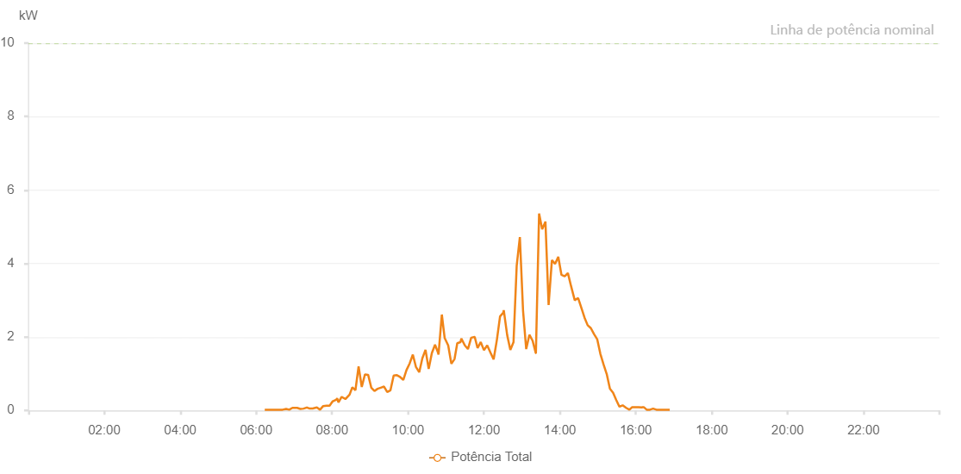

Number | Time | Working State | Alarm Code | Total Inverter Power(W)
1 | 16/06/2023 06:13:36 (UTC-4:00) | Normal |  | 20.000
2 | 16/06/2023 06:17:46 (UTC-4:00) | Normal |  | 20.000
3 | 16/06/2023 06:19:55 (UTC-4:00) | Normal |  | 20.000
4 | 16/06/2023 06:25:16 (UTC-4:00) | Normal |  | 20.000
5 | 16/06/2023 06:30:18 (UTC-4:00) | Normal |  | 20.000
6 | 16/06/2023 06:35:50 (UTC-4:00) | Normal |  | 20.000
7 | 16/06/2023 06:36:16 (UTC-4:00) | Normal |  | 20.000
8 | 16/06/2023 06:37:25 (UTC-4:00) | Normal |  | 20.000
9 | 16/06/2023 06:37:38 (UTC-4:00) | Normal |  | 20.000
10 | 16/06/2023 06:41:49 (UTC-4:00) | Normal |  | 20.000
11 | 16/06/2023 06:47:23 (UTC-4:00) | Normal |  | 40.000
12 | 16/06/2023 06:52:15 (UTC-4:00) | Normal |  | 20.000
13 | 16/06/2023 06:57:21 (UTC-4:00) | Normal |  | 70.000
14 | 16/06/2023 06:57:22 (UTC-4:00) | Normal |  | 70.000
15 | 16/06/2023 06:59:29 (UTC-4:00) | Normal |  | 70.000
16 | 16/06/2023 07:04:48 (UTC-4:00) | Normal |  | 70.000
17 | 16/06/2023 07:09:48 (UTC-4:00) | Normal |  | 40.000
18 | 16/06/2023 07:14:50 (UTC-4:00) | Normal |  | 50.000
19 | 16/06/2023 07:20:08 (UTC-4:00) | Normal |  | 80.000
20 | 16/06/2023 07:20:12 (UTC-4:00) | Normal |  | 80.000
21 | 16/06/2023 07:24:51 (UTC-4:00) | Normal |  | 50.000
22 | 16/06/2023 07:29:52 (UTC-4:00) | Normal |  | 50.000
23 | 16/06/2023 07:30:33 (UTC-4:00) | Normal |  | 60.000
24 | 16/06/2023 07:35:57 (UTC-4:00) | Normal |  | 80.000
25 | 16/06/2023 07:40:58 (UTC-4:00) | Normal |  | 20.000
26 | 16/06/2023 07:45:59 (UTC-4:00) | Normal |  | 120.000
27 | 16/06/2023 07:51:06 (UTC-4:00) | Normal |  | 130.000
28 | 16/06/2023 07:56:04 (UTC-4:00) | Normal |  | 130.000
29 | 16/06/2023 08:01:05 (UTC-4:00) | Normal |  | 250.000
30 | 16/06/2023 08:01:17 (UTC-4:00) | Normal |  | 250.000
31 | 16/06/2023 08:06:21 (UTC-4:00) | Normal |  | 290.000
32 | 16/06/2023 08:08:04 (UTC-4:00) | Normal |  | 330.000
33 | 16/06/2023 08:09:40 (UTC-4:00) | Normal |  | 240.000
34 | 16/06/2023 08:10:08 (UTC-4:00) | Normal |  | 220.000
35 | 16/06/2023 08:15:12 (UTC-4:00) | Normal |  | 370.000
36 | 16/06/2023 08:21:02 (UTC-4:00) | Normal |  | 310.000
37 | 16/06/2023 08:27:41 (UTC-4:00) | Normal |  | 430.000
38 | 16/06/2023 08:32:00 (UTC-4:00) | Normal |  | 630.000
39 | 16/06/2023 08:36:54 (UTC-4:00) | Normal |  | 550.000
40 | 16/06/2023 08:41:55 (UTC-4:00) | Normal |  | 1200.000
41 | 16/06/2023 08:46:56 (UTC-4:00) | Normal |  | 640.000
42 | 16/06/2023 08:51:56 (UTC-4:00) | Normal |  | 980.000
43 | 16/06/2023 08:56:59 (UTC-4:00) | Normal |  | 970.000
44 | 16/06/2023 09:01:58 (UTC-4:00) | Normal |  | 620.000
45 | 16/06/2023 09:06:58 (UTC-4:00) | Normal |  | 530.000
46 | 16/06/2023 09:11:58 (UTC-4:00) | Normal |  | 590.000
47 | 16/06/2023 09:17:01 (UTC-4:00) | Normal |  | 620.000
48 | 16/06/2023 09:22:06 (UTC-4:00) | Normal |  | 650.000
49 | 16/06/2023 09:27:12 (UTC-4:00) | Normal |  | 500.000
50 | 16/06/2023 09:32:17 (UTC-4:00) | Normal |  | 550.000
51 | 16/06/2023 09:37:22 (UTC-4:00) | Normal |  | 950.000
52 | 16/06/2023 09:42:26 (UTC-4:00) | Normal |  | 960.000
53 | 16/06/2023 09:47:32 (UTC-4:00) | Normal |  | 910.000
54 | 16/06/2023 09:52:34 (UTC-4:00) | Normal |  | 830.000
55 | 16/06/2023 09:57:38 (UTC-4:00) | Normal |  | 1100.000
56 | 16/06/2023 10:02:39 (UTC-4:00) | Normal |  | 1280.000
57 | 16/06/2023 10:07:39 (UTC-4:00) | Normal |  | 1520.000
58 | 16/06/2023 10:12:40 (UTC-4:00) | Normal |  | 1180.000
59 | 16/06/2023 10:17:45 (UTC-4:00) | Normal |  | 1040.000
60 | 16/06/2023 10:22:41 (UTC-4:00) | Normal |  | 1420.000
61 | 16/06/2023 10:27:41 (UTC-4:00) | Normal |  | 1650.000
62 | 16/06/2023 10:32:42 (UTC-4:00) | Normal |  | 1130.000
63 | 16/06/2023 10:37:42 (UTC-4:00) | Normal |  | 1560.000
64 | 16/06/2023 10:42:44 (UTC-4:00) | Normal |  | 1790.000
65 | 16/06/2023 10:47:09 (UTC-4:00) | Normal |  | 1590.000
66 | 16/06/2023 10:48:14 (UTC-4:00) | Normal |  | 1520.000
67 | 16/06/2023 10:53:29 (UTC-4:00) | Normal |  | 2610.000
68 | 16/06/2023 10:57:59 (UTC-4:00) | Normal |  | 1970.000
69 | 16/06/2023 11:03:32 (UTC-4:00) | Normal |  | 1770.000
70 | 16/06/2023 11:08:33 (UTC-4:00) | Normal |  | 1270.000
71 | 16/06/2023 11:13:34 (UTC-4:00) | Normal |  | 1400.000
72 | 16/06/2023 11:17:53 (UTC-4:00) | Normal |  | 1830.000
73 | 16/06/2023 11:22:58 (UTC-4:00) | Normal |  | 1860.000
74 | 16/06/2023 11:24:18 (UTC-4:00) | Normal |  | 1960.000
75 | 16/06/2023 11:29:49 (UTC-4:00) | Normal |  | 1770.000
76 | 16/06/2023 11:34:44 (UTC-4:00) | Normal |  | 1670.000
77 | 16/06/2023 11:39:52 (UTC-4:00) | Normal |  | 1980.000
78 | 16/06/2023 11:45:11 (UTC-4:00) | Normal |  | 2000.000
79 | 16/06/2023 11:45:12 (UTC-4:00) | Normal |  | 2000.000
80 | 16/06/2023 11:45:28 (UTC-4:00) | Normal |  | 2000.000
81 | 16/06/2023 11:49:57 (UTC-4:00) | Normal |  | 1700.000
82 | 16/06/2023 11:54:59 (UTC-4:00) | Normal |  | 1860.000
83 | 16/06/2023 12:00:05 (UTC-4:00) | Normal |  | 1640.000
84 | 16/06/2023 12:05:12 (UTC-4:00) | Normal |  | 1770.000
85 | 16/06/2023 12:10:24 (UTC-4:00) | Normal |  | 1570.000
86 | 16/06/2023 12:15:20 (UTC-4:00) | Normal |  | 1390.000
87 | 16/06/2023 12:20:24 (UTC-4:00) | Normal |  | 1910.000
88 | 16/06/2023 12:25:30 (UTC-4:00) | Normal |  | 2560.000
89 | 16/06/2023 12:30:35 (UTC-4:00) | Normal |  | 2660.000
90 | 16/06/2023 12:31:21 (UTC-4:00) | Normal |  | 2730.000
91 | 16/06/2023 12:36:47 (UTC-4:00) | Normal |  | 2050.000
92 | 16/06/2023 12:41:46 (UTC-4:00) | Normal |  | 1650.000
93 | 16/06/2023 12:46:47 (UTC-4:00) | Normal |  | 1860.000
94 | 16/06/2023 12:51:48 (UTC-4:00) | Normal |  | 3940.000
95 | 16/06/2023 12:56:49 (UTC-4:00) | Normal |  | 4720.000
96 | 16/06/2023 13:01:50 (UTC-4:00) | Normal |  | 2720.000
97 | 16/06/2023 13:06:51 (UTC-4:00) | Normal |  | 1670.000
98 | 16/06/2023 13:11:53 (UTC-4:00) | Normal |  | 2060.000
99 | 16/06/2023 13:16:54 (UTC-4:00) | Normal |  | 1900.000
100 | 16/06/2023 13:21:57 (UTC-4:00) | Normal |  | 1560.000
101 | 16/06/2023 13:22:10 (UTC-4:00) | Normal |  | 1560.000
102 | 16/06/2023 13:27:12 (UTC-4:00) | Normal |  | 5360.000
103 | 16/06/2023 13:32:05 (UTC-4:00) | Normal |  | 4930.000
104 | 16/06/2023 13:37:14 (UTC-4:00) | Normal |  | 5140.000
105 | 16/06/2023 13:42:15 (UTC-4:00) | Normal |  | 2870.000
106 | 16/06/2023 13:47:27 (UTC-4:00) | Normal |  | 4090.000
107 | 16/06/2023 13:52:26 (UTC-4:00) | Normal |  | 3990.000
108 | 16/06/2023 13:57:31 (UTC-4:00) | Normal |  | 4180.000
109 | 16/06/2023 14:02:34 (UTC-4:00) | Normal |  | 3690.000
110 | 16/06/2023 14:07:39 (UTC-4:00) | Normal |  | 3650.000
111 | 16/06/2023 14:12:44 (UTC-4:00) | Normal |  | 3740.000
112 | 16/06/2023 14:17:49 (UTC-4:00) | Normal |  | 3380.000
113 | 16/06/2023 14:23:33 (UTC-4:00) | Normal |  | 3000.000
114 | 16/06/2023 14:28:55 (UTC-4:00) | Normal |  | 3060.000
115 | 16/06/2023 14:34:53 (UTC-4:00) | Normal |  | 2750.000
116 | 16/06/2023 14:38:57 (UTC-4:00) | Normal |  | 2530.000
117 | 16/06/2023 14:43:58 (UTC-4:00) | Normal |  | 2320.000
118 | 16/06/2023 14:49:00 (UTC-4:00) | Normal |  | 2240.000
119 | 16/06/2023 14:54:01 (UTC-4:00) | Normal |  | 2080.000
120 | 16/06/2023 14:59:02 (UTC-4:00) | Normal |  | 1940.000
121 | 16/06/2023 15:04:03 (UTC-4:00) | Normal |  | 1540.000
122 | 16/06/2023 15:09:06 (UTC-4:00) | Normal |  | 1250.000
123 | 16/06/2023 15:14:07 (UTC-4:00) | Normal |  | 990.000
124 | 16/06/2023 15:19:09 (UTC-4:00) | Normal |  | 590.000
125 | 16/06/2023 15:24:11 (UTC-4:00) | Normal |  | 480.000
126 | 16/06/2023 15:29:12 (UTC-4:00) | Normal |  | 280.000
127 | 16/06/2023 15:34:13 (UTC-4:00) | Normal |  | 100.000
128 | 16/06/2023 15:39:16 (UTC-4:00) | Normal |  | 140.000
129 | 16/06/2023 15:44:48 (UTC-4:00) | Normal |  | 70.000
130 | 16/06/2023 15:49:57 (UTC-4:00) | Normal |  | 20.000
131 | 16/06/2023 15:54:22 (UTC-4:00) | Normal |  | 90.000
132 | 16/06/2023 15:59:18 (UTC-4:00) | Normal |  | 90.000
133 | 16/06/2023 16:04:18 (UTC-4:00) | Normal |  | 90.000
134 | 16/06/2023 16:09:33 (UTC-4:00) | Normal |  | 80.000
135 | 16/06/2023 16:10:44 (UTC-4:00) | Normal |  | 90.000
136 | 16/06/2023 16:11:26 (UTC-4:00) | Normal |  | 90.000
137 | 16/06/2023 16:12:25 (UTC-4:00) | Normal |  | 90.000
138 | 16/06/2023 16:12:36 (UTC-4:00) | Normal |  | 90.000
139 | 16/06/2023 16:17:18 (UTC-4:00) | Normal |  | 20.000
140 | 16/06/2023 16:22:24 (UTC-4:00) | Normal |  | 20.000
141 | 16/06/2023 16:27:28 (UTC-4:00) | Normal |  | 50.000
142 | 16/06/2023 16:32:36 (UTC-4:00) | Normal |  | 20.000
143 | 16/06/2023 16:37:39 (UTC-4:00) | Normal |  | 20.000
144 | 16/06/2023 16:42:45 (UTC-4:00) | Normal |  | 20.000
145 | 16/06/2023 16:47:50 (UTC-4:00) | Normal |  | 20.000
146 | 16/06/2023 16:53:05 (UTC-4:00) | Normal |  | 20.000
147 | 16/06/2023 16:53:06 (UTC-4:00) | Normal |  | 20.000
148 | 16/06/2023 16:53:41 (UTC-4:00) | Normal |  | 20.000

