Inverter History Report__17-08-
Inverter History Report_17/06/2023_Report

Inverter SN:054B7020C020042 |  | Inverter type:B7
Collector SN:4046045654 |  | Full Load Hours(h):2.81
Rated Power:10000Wp

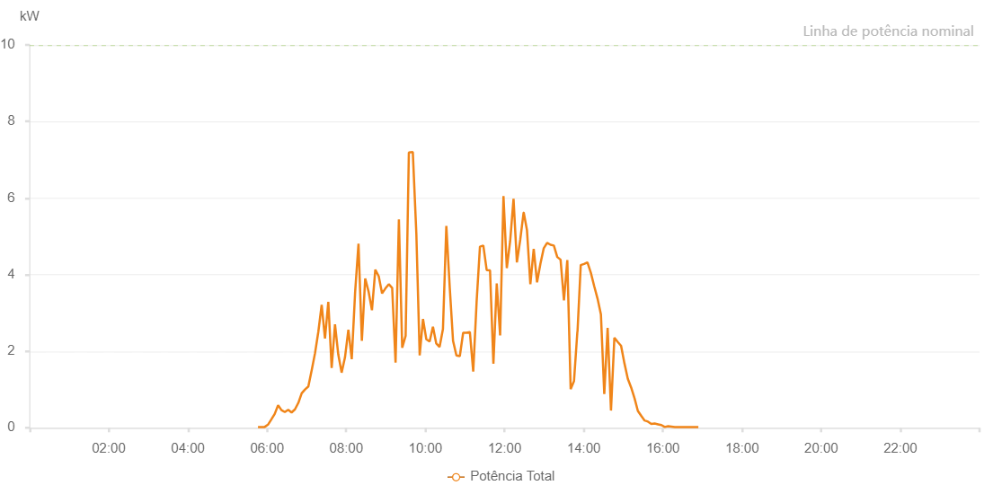

Number | Time | Working State | Alarm Code | Total Inverter Power(W)
1 | 17/06/2023 05:46:13 (UTC-4:00) | Normal |  | 20.000
2 | 17/06/2023 05:51:15 (UTC-4:00) | Normal |  | 20.000
3 | 17/06/2023 05:56:17 (UTC-4:00) | Normal |  | 20.000
4 | 17/06/2023 06:01:23 (UTC-4:00) | Normal |  | 80.000
5 | 17/06/2023 06:06:31 (UTC-4:00) | Normal |  | 220.000
6 | 17/06/2023 06:11:34 (UTC-4:00) | Normal |  | 360.000
7 | 17/06/2023 06:16:42 (UTC-4:00) | Normal |  | 590.000
8 | 17/06/2023 06:21:48 (UTC-4:00) | Normal |  | 460.000
9 | 17/06/2023 06:26:55 (UTC-4:00) | Normal |  | 410.000
10 | 17/06/2023 06:32:03 (UTC-4:00) | Normal |  | 470.000
11 | 17/06/2023 06:37:09 (UTC-4:00) | Normal |  | 400.000
12 | 17/06/2023 06:42:16 (UTC-4:00) | Normal |  | 480.000
13 | 17/06/2023 06:47:23 (UTC-4:00) | Normal |  | 650.000
14 | 17/06/2023 06:52:28 (UTC-4:00) | Normal |  | 900.000
15 | 17/06/2023 06:57:31 (UTC-4:00) | Normal |  | 1000.000
16 | 17/06/2023 07:02:34 (UTC-4:00) | Normal |  | 1080.000
17 | 17/06/2023 07:07:37 (UTC-4:00) | Normal |  | 1500.000
18 | 17/06/2023 07:12:42 (UTC-4:00) | Normal |  | 1950.000
19 | 17/06/2023 07:17:43 (UTC-4:00) | Normal |  | 2510.000
20 | 17/06/2023 07:22:45 (UTC-4:00) | Normal |  | 3210.000
21 | 17/06/2023 07:27:47 (UTC-4:00) | Normal |  | 2330.000
22 | 17/06/2023 07:32:49 (UTC-4:00) | Normal |  | 3290.000
23 | 17/06/2023 07:37:54 (UTC-4:00) | Normal |  | 1560.000
24 | 17/06/2023 07:42:57 (UTC-4:00) | Normal |  | 2700.000
25 | 17/06/2023 07:47:58 (UTC-4:00) | Normal |  | 1910.000
26 | 17/06/2023 07:53:00 (UTC-4:00) | Normal |  | 1440.000
27 | 17/06/2023 07:58:07 (UTC-4:00) | Normal |  | 1840.000
28 | 17/06/2023 08:03:14 (UTC-4:00) | Normal |  | 2560.000
29 | 17/06/2023 08:08:21 (UTC-4:00) | Normal |  | 1790.000
30 | 17/06/2023 08:13:28 (UTC-4:00) | Normal |  | 3540.000
31 | 17/06/2023 08:18:35 (UTC-4:00) | Normal |  | 4810.000
32 | 17/06/2023 08:23:41 (UTC-4:00) | Normal |  | 2270.000
33 | 17/06/2023 08:28:45 (UTC-4:00) | Normal |  | 3900.000
34 | 17/06/2023 08:33:57 (UTC-4:00) | Normal |  | 3550.000
35 | 17/06/2023 08:38:59 (UTC-4:00) | Normal |  | 3070.000
36 | 17/06/2023 08:44:05 (UTC-4:00) | Normal |  | 4130.000
37 | 17/06/2023 08:49:13 (UTC-4:00) | Normal |  | 3960.000
38 | 17/06/2023 08:54:20 (UTC-4:00) | Normal |  | 3510.000
39 | 17/06/2023 08:59:26 (UTC-4:00) | Normal |  | 3640.000
40 | 17/06/2023 09:04:30 (UTC-4:00) | Normal |  | 3750.000
41 | 17/06/2023 09:09:38 (UTC-4:00) | Normal |  | 3650.000
42 | 17/06/2023 09:14:45 (UTC-4:00) | Normal |  | 1700.000
43 | 17/06/2023 09:19:49 (UTC-4:00) | Normal |  | 5440.000
44 | 17/06/2023 09:24:51 (UTC-4:00) | Normal |  | 2090.000
45 | 17/06/2023 09:30:01 (UTC-4:00) | Normal |  | 2400.000
46 | 17/06/2023 09:34:56 (UTC-4:00) | Normal |  | 7190.000
47 | 17/06/2023 09:40:55 (UTC-4:00) | Normal |  | 7200.000
48 | 17/06/2023 09:46:17 (UTC-4:00) | Normal |  | 5060.000
49 | 17/06/2023 09:51:20 (UTC-4:00) | Normal |  | 1890.000
50 | 17/06/2023 09:56:22 (UTC-4:00) | Normal |  | 2840.000
51 | 17/06/2023 10:01:24 (UTC-4:00) | Normal |  | 2310.000
52 | 17/06/2023 10:06:25 (UTC-4:00) | Normal |  | 2250.000
53 | 17/06/2023 10:11:26 (UTC-4:00) | Normal |  | 2640.000
54 | 17/06/2023 10:16:28 (UTC-4:00) | Normal |  | 2200.000
55 | 17/06/2023 10:21:30 (UTC-4:00) | Normal |  | 2110.000
56 | 17/06/2023 10:26:37 (UTC-4:00) | Normal |  | 2580.000
57 | 17/06/2023 10:31:44 (UTC-4:00) | Normal |  | 5270.000
58 | 17/06/2023 10:36:49 (UTC-4:00) | Normal |  | 3690.000
59 | 17/06/2023 10:41:55 (UTC-4:00) | Normal |  | 2270.000
60 | 17/06/2023 10:47:02 (UTC-4:00) | Normal |  | 1890.000
61 | 17/06/2023 10:52:09 (UTC-4:00) | Normal |  | 1870.000
62 | 17/06/2023 10:57:14 (UTC-4:00) | Normal |  | 2480.000
63 | 17/06/2023 11:02:19 (UTC-4:00) | Normal |  | 2480.000
64 | 17/06/2023 11:07:24 (UTC-4:00) | Normal |  | 2500.000
65 | 17/06/2023 11:12:30 (UTC-4:00) | Normal |  | 1470.000
66 | 17/06/2023 11:17:36 (UTC-4:00) | Normal |  | 3280.000
67 | 17/06/2023 11:22:42 (UTC-4:00) | Normal |  | 4730.000
68 | 17/06/2023 11:27:48 (UTC-4:00) | Normal |  | 4760.000
69 | 17/06/2023 11:32:54 (UTC-4:00) | Normal |  | 4120.000
70 | 17/06/2023 11:37:58 (UTC-4:00) | Normal |  | 4110.000
71 | 17/06/2023 11:43:05 (UTC-4:00) | Normal |  | 1670.000
72 | 17/06/2023 11:48:09 (UTC-4:00) | Normal |  | 3770.000
73 | 17/06/2023 11:53:16 (UTC-4:00) | Normal |  | 2410.000
74 | 17/06/2023 11:58:21 (UTC-4:00) | Normal |  | 6050.000
75 | 17/06/2023 12:03:24 (UTC-4:00) | Normal |  | 4170.000
76 | 17/06/2023 12:08:30 (UTC-4:00) | Normal |  | 4880.000
77 | 17/06/2023 12:13:36 (UTC-4:00) | Normal |  | 5980.000
78 | 17/06/2023 12:18:41 (UTC-4:00) | Normal |  | 4320.000
79 | 17/06/2023 12:23:46 (UTC-4:00) | Normal |  | 4910.000
80 | 17/06/2023 12:28:53 (UTC-4:00) | Normal |  | 5620.000
81 | 17/06/2023 12:29:05 (UTC-4:00) | Normal |  | 5620.000
82 | 17/06/2023 12:33:59 (UTC-4:00) | Normal |  | 5160.000
83 | 17/06/2023 12:39:06 (UTC-4:00) | Normal |  | 3750.000
84 | 17/06/2023 12:44:11 (UTC-4:00) | Normal |  | 4670.000
85 | 17/06/2023 12:49:15 (UTC-4:00) | Normal |  | 3800.000
86 | 17/06/2023 12:54:20 (UTC-4:00) | Normal |  | 4280.000
87 | 17/06/2023 12:59:26 (UTC-4:00) | Normal |  | 4690.000
88 | 17/06/2023 13:04:31 (UTC-4:00) | Normal |  | 4830.000
89 | 17/06/2023 13:09:37 (UTC-4:00) | Normal |  | 4780.000
90 | 17/06/2023 13:14:43 (UTC-4:00) | Normal |  | 4760.000
91 | 17/06/2023 13:19:52 (UTC-4:00) | Normal |  | 4460.000
92 | 17/06/2023 13:24:54 (UTC-4:00) | Normal |  | 4390.000
93 | 17/06/2023 13:30:01 (UTC-4:00) | Normal |  | 3330.000
94 | 17/06/2023 13:35:07 (UTC-4:00) | Normal |  | 4380.000
95 | 17/06/2023 13:40:11 (UTC-4:00) | Normal |  | 1010.000
96 | 17/06/2023 13:45:16 (UTC-4:00) | Normal |  | 1220.000
97 | 17/06/2023 13:50:22 (UTC-4:00) | Normal |  | 2510.000
98 | 17/06/2023 13:50:34 (UTC-4:00) | Normal |  | 2510.000
99 | 17/06/2023 13:55:29 (UTC-4:00) | Normal |  | 4250.000
100 | 17/06/2023 14:00:34 (UTC-4:00) | Normal |  | 4280.000
101 | 17/06/2023 14:05:39 (UTC-4:00) | Normal |  | 4320.000
102 | 17/06/2023 14:10:46 (UTC-4:00) | Normal |  | 4050.000
103 | 17/06/2023 14:15:51 (UTC-4:00) | Normal |  | 3700.000
104 | 17/06/2023 14:20:59 (UTC-4:00) | Normal |  | 3370.000
105 | 17/06/2023 14:26:04 (UTC-4:00) | Normal |  | 2960.000
106 | 17/06/2023 14:31:09 (UTC-4:00) | Normal |  | 880.000
107 | 17/06/2023 14:36:14 (UTC-4:00) | Normal |  | 2610.000
108 | 17/06/2023 14:41:20 (UTC-4:00) | Normal |  | 450.000
109 | 17/06/2023 14:46:28 (UTC-4:00) | Normal |  | 2350.000
110 | 17/06/2023 14:51:35 (UTC-4:00) | Normal |  | 2240.000
111 | 17/06/2023 14:56:38 (UTC-4:00) | Normal |  | 2140.000
112 | 17/06/2023 15:01:45 (UTC-4:00) | Normal |  | 1680.000
113 | 17/06/2023 15:06:50 (UTC-4:00) | Normal |  | 1280.000
114 | 17/06/2023 15:11:54 (UTC-4:00) | Normal |  | 1050.000
115 | 17/06/2023 15:17:01 (UTC-4:00) | Normal |  | 770.000
116 | 17/06/2023 15:22:04 (UTC-4:00) | Normal |  | 440.000
117 | 17/06/2023 15:27:12 (UTC-4:00) | Normal |  | 310.000
118 | 17/06/2023 15:32:18 (UTC-4:00) | Normal |  | 190.000
119 | 17/06/2023 15:37:24 (UTC-4:00) | Normal |  | 160.000
120 | 17/06/2023 15:42:28 (UTC-4:00) | Normal |  | 100.000
121 | 17/06/2023 15:47:34 (UTC-4:00) | Normal |  | 110.000
122 | 17/06/2023 15:52:42 (UTC-4:00) | Normal |  | 90.000
123 | 17/06/2023 15:57:44 (UTC-4:00) | Normal |  | 70.000
124 | 17/06/2023 16:02:51 (UTC-4:00) | Normal |  | 20.000
125 | 17/06/2023 16:07:58 (UTC-4:00) | Normal |  | 40.000
126 | 17/06/2023 16:13:02 (UTC-4:00) | Normal |  | 30.000
127 | 17/06/2023 16:18:07 (UTC-4:00) | Normal |  | 20.000
128 | 17/06/2023 16:23:14 (UTC-4:00) | Normal |  | 20.000
129 | 17/06/2023 16:28:21 (UTC-4:00) | Normal |  | 20.000
130 | 17/06/2023 16:33:24 (UTC-4:00) | Normal |  | 20.000
131 | 17/06/2023 16:38:28 (UTC-4:00) | Normal |  | 20.000
132 | 17/06/2023 16:43:35 (UTC-4:00) | Normal |  | 20.000
133 | 17/06/2023 16:48:41 (UTC-4:00) | Normal |  | 20.000
134 | 17/06/2023 16:53:46 (UTC-4:00) | Normal |  | 20.000

