Inverter History Report__17-08-
Inverter History Report_18/06/2023_Report

Inverter SN:054B7020C020042 |  | Inverter type:B7
Collector SN:4046045654 |  | Full Load Hours(h):3.45
Rated Power:10000Wp

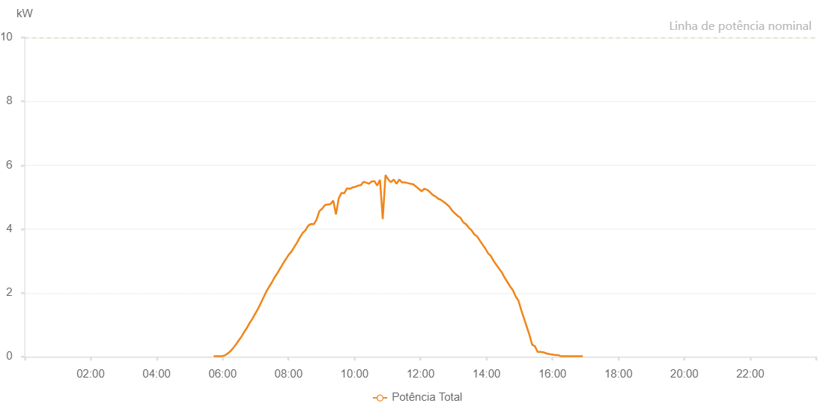

Number | Time | Working State | Alarm Code | Total Inverter Power(W)
1 | 18/06/2023 05:43:54 (UTC-4:00) | Normal |  | 20.000
2 | 18/06/2023 05:48:53 (UTC-4:00) | Normal |  | 20.000
3 | 18/06/2023 05:53:53 (UTC-4:00) | Normal |  | 20.000
4 | 18/06/2023 05:58:57 (UTC-4:00) | Normal |  | 20.000
5 | 18/06/2023 06:03:58 (UTC-4:00) | Normal |  | 40.000
6 | 18/06/2023 06:09:05 (UTC-4:00) | Normal |  | 100.000
7 | 18/06/2023 06:14:08 (UTC-4:00) | Normal |  | 170.000
8 | 18/06/2023 06:19:11 (UTC-4:00) | Normal |  | 270.000
9 | 18/06/2023 06:24:14 (UTC-4:00) | Normal |  | 380.000
10 | 18/06/2023 06:29:21 (UTC-4:00) | Normal |  | 510.000
11 | 18/06/2023 06:34:23 (UTC-4:00) | Normal |  | 630.000
12 | 18/06/2023 06:39:26 (UTC-4:00) | Normal |  | 780.000
13 | 18/06/2023 06:44:32 (UTC-4:00) | Normal |  | 910.000
14 | 18/06/2023 06:49:36 (UTC-4:00) | Normal |  | 1070.000
15 | 18/06/2023 06:49:48 (UTC-4:00) | Normal |  | 1070.000
16 | 18/06/2023 06:54:37 (UTC-4:00) | Normal |  | 1200.000
17 | 18/06/2023 06:59:41 (UTC-4:00) | Normal |  | 1360.000
18 | 18/06/2023 07:04:47 (UTC-4:00) | Normal |  | 1510.000
19 | 18/06/2023 07:09:51 (UTC-4:00) | Normal |  | 1690.000
20 | 18/06/2023 07:14:52 (UTC-4:00) | Normal |  | 1870.000
21 | 18/06/2023 07:19:56 (UTC-4:00) | Normal |  | 2050.000
22 | 18/06/2023 07:25:02 (UTC-4:00) | Normal |  | 2200.000
23 | 18/06/2023 07:30:06 (UTC-4:00) | Normal |  | 2340.000
24 | 18/06/2023 07:35:07 (UTC-4:00) | Normal |  | 2500.000
25 | 18/06/2023 07:40:13 (UTC-4:00) | Normal |  | 2630.000
26 | 18/06/2023 07:45:17 (UTC-4:00) | Normal |  | 2780.000
27 | 18/06/2023 07:50:19 (UTC-4:00) | Normal |  | 2930.000
28 | 18/06/2023 07:55:23 (UTC-4:00) | Normal |  | 3060.000
29 | 18/06/2023 08:00:28 (UTC-4:00) | Normal |  | 3200.000
30 | 18/06/2023 08:05:33 (UTC-4:00) | Normal |  | 3300.000
31 | 18/06/2023 08:10:35 (UTC-4:00) | Normal |  | 3440.000
32 | 18/06/2023 08:15:39 (UTC-4:00) | Normal |  | 3580.000
33 | 18/06/2023 08:20:44 (UTC-4:00) | Normal |  | 3740.000
34 | 18/06/2023 08:25:48 (UTC-4:00) | Normal |  | 3880.000
35 | 18/06/2023 08:30:50 (UTC-4:00) | Normal |  | 3960.000
36 | 18/06/2023 08:35:54 (UTC-4:00) | Normal |  | 4110.000
37 | 18/06/2023 08:40:59 (UTC-4:00) | Normal |  | 4160.000
38 | 18/06/2023 08:46:01 (UTC-4:00) | Normal |  | 4150.000
39 | 18/06/2023 08:51:06 (UTC-4:00) | Normal |  | 4300.000
40 | 18/06/2023 08:56:08 (UTC-4:00) | Normal |  | 4560.000
41 | 18/06/2023 09:01:12 (UTC-4:00) | Normal |  | 4640.000
42 | 18/06/2023 09:06:17 (UTC-4:00) | Normal |  | 4750.000
43 | 18/06/2023 09:11:19 (UTC-4:00) | Normal |  | 4770.000
44 | 18/06/2023 09:16:19 (UTC-4:00) | Normal |  | 4780.000
45 | 18/06/2023 09:21:19 (UTC-4:00) | Normal |  | 4890.000
46 | 18/06/2023 09:26:18 (UTC-4:00) | Normal |  | 4460.000
47 | 18/06/2023 09:31:18 (UTC-4:00) | Normal |  | 4960.000
48 | 18/06/2023 09:36:18 (UTC-4:00) | Normal |  | 5130.000
49 | 18/06/2023 09:41:17 (UTC-4:00) | Normal |  | 5120.000
50 | 18/06/2023 09:46:17 (UTC-4:00) | Normal |  | 5270.000
51 | 18/06/2023 09:51:18 (UTC-4:00) | Normal |  | 5260.000
52 | 18/06/2023 09:56:18 (UTC-4:00) | Normal |  | 5300.000
53 | 18/06/2023 10:01:17 (UTC-4:00) | Normal |  | 5320.000
54 | 18/06/2023 10:06:17 (UTC-4:00) | Normal |  | 5360.000
55 | 18/06/2023 10:11:23 (UTC-4:00) | Normal |  | 5370.000
56 | 18/06/2023 10:16:24 (UTC-4:00) | Normal |  | 5480.000
57 | 18/06/2023 10:21:23 (UTC-4:00) | Normal |  | 5450.000
58 | 18/06/2023 10:26:23 (UTC-4:00) | Normal |  | 5420.000
59 | 18/06/2023 10:31:23 (UTC-4:00) | Normal |  | 5490.000
60 | 18/06/2023 10:36:23 (UTC-4:00) | Normal |  | 5500.000
61 | 18/06/2023 10:41:23 (UTC-4:00) | Normal |  | 5360.000
62 | 18/06/2023 10:46:23 (UTC-4:00) | Normal |  | 5540.000
63 | 18/06/2023 10:51:22 (UTC-4:00) | Normal |  | 4310.000
64 | 18/06/2023 10:56:22 (UTC-4:00) | Normal |  | 5690.000
65 | 18/06/2023 11:01:24 (UTC-4:00) | Normal |  | 5550.000
66 | 18/06/2023 11:06:23 (UTC-4:00) | Normal |  | 5470.000
67 | 18/06/2023 11:11:23 (UTC-4:00) | Normal |  | 5550.000
68 | 18/06/2023 11:16:24 (UTC-4:00) | Normal |  | 5420.000
69 | 18/06/2023 11:21:28 (UTC-4:00) | Normal |  | 5550.000
70 | 18/06/2023 11:26:30 (UTC-4:00) | Normal |  | 5460.000
71 | 18/06/2023 11:31:36 (UTC-4:00) | Normal |  | 5460.000
72 | 18/06/2023 11:36:38 (UTC-4:00) | Normal |  | 5440.000
73 | 18/06/2023 11:41:41 (UTC-4:00) | Normal |  | 5420.000
74 | 18/06/2023 11:46:46 (UTC-4:00) | Normal |  | 5400.000
75 | 18/06/2023 11:51:48 (UTC-4:00) | Normal |  | 5330.000
76 | 18/06/2023 11:56:53 (UTC-4:00) | Normal |  | 5260.000
77 | 18/06/2023 12:01:56 (UTC-4:00) | Normal |  | 5180.000
78 | 18/06/2023 12:07:01 (UTC-4:00) | Normal |  | 5260.000
79 | 18/06/2023 12:12:03 (UTC-4:00) | Normal |  | 5230.000
80 | 18/06/2023 12:17:07 (UTC-4:00) | Normal |  | 5160.000
81 | 18/06/2023 12:22:11 (UTC-4:00) | Normal |  | 5070.000
82 | 18/06/2023 12:27:16 (UTC-4:00) | Normal |  | 5020.000
83 | 18/06/2023 12:32:18 (UTC-4:00) | Normal |  | 4950.000
84 | 18/06/2023 12:37:23 (UTC-4:00) | Normal |  | 4910.000
85 | 18/06/2023 12:42:28 (UTC-4:00) | Normal |  | 4850.000
86 | 18/06/2023 12:47:30 (UTC-4:00) | Normal |  | 4780.000
87 | 18/06/2023 12:52:36 (UTC-4:00) | Normal |  | 4700.000
88 | 18/06/2023 12:57:38 (UTC-4:00) | Normal |  | 4580.000
89 | 18/06/2023 13:02:42 (UTC-4:00) | Normal |  | 4490.000
90 | 18/06/2023 13:02:54 (UTC-4:00) | Normal |  | 4490.000
91 | 18/06/2023 13:07:45 (UTC-4:00) | Normal |  | 4410.000
92 | 18/06/2023 13:12:53 (UTC-4:00) | Normal |  | 4350.000
93 | 18/06/2023 13:17:55 (UTC-4:00) | Normal |  | 4210.000
94 | 18/06/2023 13:22:57 (UTC-4:00) | Normal |  | 4150.000
95 | 18/06/2023 13:28:01 (UTC-4:00) | Normal |  | 4040.000
96 | 18/06/2023 13:33:01 (UTC-4:00) | Normal |  | 3960.000
97 | 18/06/2023 13:38:00 (UTC-4:00) | Normal |  | 3830.000
98 | 18/06/2023 13:43:00 (UTC-4:00) | Normal |  | 3770.000
99 | 18/06/2023 13:48:00 (UTC-4:00) | Normal |  | 3640.000
100 | 18/06/2023 13:53:01 (UTC-4:00) | Normal |  | 3510.000
101 | 18/06/2023 13:58:01 (UTC-4:00) | Normal |  | 3390.000
102 | 18/06/2023 14:03:00 (UTC-4:00) | Normal |  | 3240.000
103 | 18/06/2023 14:08:02 (UTC-4:00) | Normal |  | 3160.000
104 | 18/06/2023 14:13:02 (UTC-4:00) | Normal |  | 3000.000
105 | 18/06/2023 14:18:01 (UTC-4:00) | Normal |  | 2880.000
106 | 18/06/2023 14:23:01 (UTC-4:00) | Normal |  | 2760.000
107 | 18/06/2023 14:28:01 (UTC-4:00) | Normal |  | 2640.000
108 | 18/06/2023 14:33:03 (UTC-4:00) | Normal |  | 2480.000
109 | 18/06/2023 14:38:11 (UTC-4:00) | Normal |  | 2340.000
110 | 18/06/2023 14:43:12 (UTC-4:00) | Normal |  | 2200.000
111 | 18/06/2023 14:48:11 (UTC-4:00) | Normal |  | 2080.000
112 | 18/06/2023 14:53:11 (UTC-4:00) | Normal |  | 1890.000
113 | 18/06/2023 14:58:11 (UTC-4:00) | Normal |  | 1760.000
114 | 18/06/2023 15:03:10 (UTC-4:00) | Normal |  | 1470.000
115 | 18/06/2023 15:08:10 (UTC-4:00) | Normal |  | 1210.000
116 | 18/06/2023 15:13:11 (UTC-4:00) | Normal |  | 950.000
117 | 18/06/2023 15:18:10 (UTC-4:00) | Normal |  | 690.000
118 | 18/06/2023 15:23:10 (UTC-4:00) | Normal |  | 380.000
119 | 18/06/2023 15:28:12 (UTC-4:00) | Normal |  | 330.000
120 | 18/06/2023 15:33:12 (UTC-4:00) | Normal |  | 150.000
121 | 18/06/2023 15:38:12 (UTC-4:00) | Normal |  | 150.000
122 | 18/06/2023 15:43:13 (UTC-4:00) | Normal |  | 140.000
123 | 18/06/2023 15:44:02 (UTC-4:00) | Normal |  | 140.000
124 | 18/06/2023 15:45:14 (UTC-4:00) | Normal |  | 130.000
125 | 18/06/2023 15:50:09 (UTC-4:00) | Normal |  | 100.000
126 | 18/06/2023 15:55:13 (UTC-4:00) | Normal |  | 80.000
127 | 18/06/2023 16:00:13 (UTC-4:00) | Normal |  | 70.000
128 | 18/06/2023 16:05:13 (UTC-4:00) | Normal |  | 50.000
129 | 18/06/2023 16:10:18 (UTC-4:00) | Normal |  | 50.000
130 | 18/06/2023 16:15:12 (UTC-4:00) | Normal |  | 20.000
131 | 18/06/2023 16:20:12 (UTC-4:00) | Normal |  | 20.000
132 | 18/06/2023 16:25:11 (UTC-4:00) | Normal |  | 20.000
133 | 18/06/2023 16:29:40 (UTC-4:00) | Normal |  | 20.000
134 | 18/06/2023 16:34:43 (UTC-4:00) | Normal |  | 20.000
135 | 18/06/2023 16:40:11 (UTC-4:00) | Normal |  | 20.000
136 | 18/06/2023 16:45:19 (UTC-4:00) | Normal |  | 20.000
137 | 18/06/2023 16:50:16 (UTC-4:00) | Normal |  | 20.000
138 | 18/06/2023 16:55:17 (UTC-4:00) | Normal |  | 20.000

