Inverter History Report__17-08-
Inverter History Report_20/06/2023_Report

Inverter SN:054B7020C020042 |  | Inverter type:B7
Collector SN:4046045654 |  | Full Load Hours(h):3.40
Rated Power:10000Wp

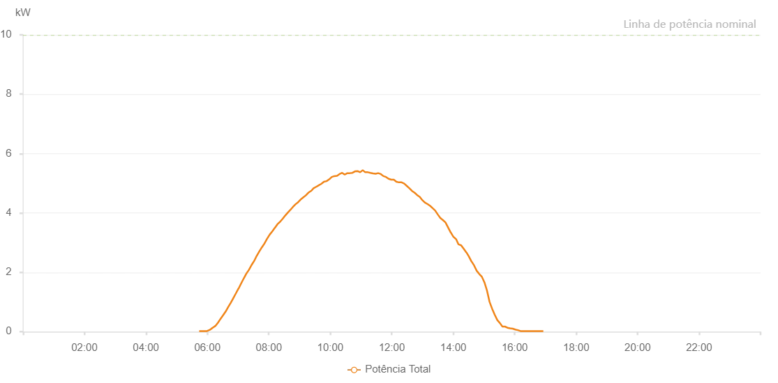

Number | Time | Working State | Alarm Code | Total Inverter Power(W)
1 | 20/06/2023 05:44:02 (UTC-4:00) | Normal |  | 20.000
2 | 20/06/2023 05:49:27 (UTC-4:00) | Normal |  | 20.000
3 | 20/06/2023 05:54:06 (UTC-4:00) | Normal |  | 20.000
4 | 20/06/2023 05:59:12 (UTC-4:00) | Normal |  | 20.000
5 | 20/06/2023 06:04:43 (UTC-4:00) | Normal |  | 60.000
6 | 20/06/2023 06:09:34 (UTC-4:00) | Normal |  | 120.000
7 | 20/06/2023 06:10:08 (UTC-4:00) | Normal |  | 130.000
8 | 20/06/2023 06:15:32 (UTC-4:00) | Normal |  | 190.000
9 | 20/06/2023 06:20:35 (UTC-4:00) | Normal |  | 300.000
10 | 20/06/2023 06:25:39 (UTC-4:00) | Normal |  | 430.000
11 | 20/06/2023 06:30:37 (UTC-4:00) | Normal |  | 550.000
12 | 20/06/2023 06:35:46 (UTC-4:00) | Normal |  | 680.000
13 | 20/06/2023 06:40:39 (UTC-4:00) | Normal |  | 830.000
14 | 20/06/2023 06:45:39 (UTC-4:00) | Normal |  | 970.000
15 | 20/06/2023 06:50:40 (UTC-4:00) | Normal |  | 1130.000
16 | 20/06/2023 06:55:41 (UTC-4:00) | Normal |  | 1290.000
17 | 20/06/2023 07:00:41 (UTC-4:00) | Normal |  | 1450.000
18 | 20/06/2023 07:00:53 (UTC-4:00) | Normal |  | 1450.000
19 | 20/06/2023 07:05:46 (UTC-4:00) | Normal |  | 1620.000
20 | 20/06/2023 07:10:51 (UTC-4:00) | Normal |  | 1790.000
21 | 20/06/2023 07:11:03 (UTC-4:00) | Normal |  | 1790.000
22 | 20/06/2023 07:15:56 (UTC-4:00) | Normal |  | 1950.000
23 | 20/06/2023 07:21:00 (UTC-4:00) | Normal |  | 2080.000
24 | 20/06/2023 07:21:02 (UTC-4:00) | Normal |  | 2080.000
25 | 20/06/2023 07:26:07 (UTC-4:00) | Normal |  | 2240.000
26 | 20/06/2023 07:31:11 (UTC-4:00) | Normal |  | 2380.000
27 | 20/06/2023 07:31:22 (UTC-4:00) | Normal |  | 2380.000
28 | 20/06/2023 07:36:14 (UTC-4:00) | Normal |  | 2550.000
29 | 20/06/2023 07:41:19 (UTC-4:00) | Normal |  | 2700.000
30 | 20/06/2023 07:46:24 (UTC-4:00) | Normal |  | 2840.000
31 | 20/06/2023 07:51:28 (UTC-4:00) | Normal |  | 2970.000
32 | 20/06/2023 07:56:33 (UTC-4:00) | Normal |  | 3130.000
33 | 20/06/2023 08:01:41 (UTC-4:00) | Normal |  | 3270.000
34 | 20/06/2023 08:06:45 (UTC-4:00) | Normal |  | 3380.000
35 | 20/06/2023 08:11:49 (UTC-4:00) | Normal |  | 3500.000
36 | 20/06/2023 08:12:01 (UTC-4:00) | Normal |  | 3500.000
37 | 20/06/2023 08:16:53 (UTC-4:00) | Normal |  | 3620.000
38 | 20/06/2023 08:21:54 (UTC-4:00) | Normal |  | 3700.000
39 | 20/06/2023 08:26:55 (UTC-4:00) | Normal |  | 3800.000
40 | 20/06/2023 08:31:55 (UTC-4:00) | Normal |  | 3910.000
41 | 20/06/2023 08:36:56 (UTC-4:00) | Normal |  | 4010.000
42 | 20/06/2023 08:41:57 (UTC-4:00) | Normal |  | 4100.000
43 | 20/06/2023 08:46:58 (UTC-4:00) | Normal |  | 4200.000
44 | 20/06/2023 08:51:59 (UTC-4:00) | Normal |  | 4290.000
45 | 20/06/2023 08:57:03 (UTC-4:00) | Normal |  | 4360.000
46 | 20/06/2023 09:02:03 (UTC-4:00) | Normal |  | 4450.000
47 | 20/06/2023 09:07:04 (UTC-4:00) | Normal |  | 4520.000
48 | 20/06/2023 09:12:05 (UTC-4:00) | Normal |  | 4590.000
49 | 20/06/2023 09:17:05 (UTC-4:00) | Normal |  | 4680.000
50 | 20/06/2023 09:22:09 (UTC-4:00) | Normal |  | 4740.000
51 | 20/06/2023 09:22:36 (UTC-4:00) | Normal |  | 4740.000
52 | 20/06/2023 09:27:15 (UTC-4:00) | Normal |  | 4830.000
53 | 20/06/2023 09:32:20 (UTC-4:00) | Normal |  | 4880.000
54 | 20/06/2023 09:32:36 (UTC-4:00) | Normal |  | 4880.000
55 | 20/06/2023 09:37:23 (UTC-4:00) | Normal |  | 4930.000
56 | 20/06/2023 09:42:28 (UTC-4:00) | Normal |  | 4980.000
57 | 20/06/2023 09:47:32 (UTC-4:00) | Normal |  | 5050.000
58 | 20/06/2023 09:52:40 (UTC-4:00) | Normal |  | 5070.000
59 | 20/06/2023 09:57:48 (UTC-4:00) | Normal |  | 5130.000
60 | 20/06/2023 10:02:52 (UTC-4:00) | Normal |  | 5210.000
61 | 20/06/2023 10:07:53 (UTC-4:00) | Normal |  | 5240.000
62 | 20/06/2023 10:12:57 (UTC-4:00) | Normal |  | 5250.000
63 | 20/06/2023 10:13:08 (UTC-4:00) | Normal |  | 5250.000
64 | 20/06/2023 10:18:00 (UTC-4:00) | Normal |  | 5310.000
65 | 20/06/2023 10:23:08 (UTC-4:00) | Normal |  | 5350.000
66 | 20/06/2023 10:28:10 (UTC-4:00) | Normal |  | 5290.000
67 | 20/06/2023 10:33:12 (UTC-4:00) | Normal |  | 5340.000
68 | 20/06/2023 10:38:11 (UTC-4:00) | Normal |  | 5340.000
69 | 20/06/2023 10:43:12 (UTC-4:00) | Normal |  | 5350.000
70 | 20/06/2023 10:48:13 (UTC-4:00) | Normal |  | 5400.000
71 | 20/06/2023 10:53:13 (UTC-4:00) | Normal |  | 5410.000
72 | 20/06/2023 10:58:13 (UTC-4:00) | Normal |  | 5370.000
73 | 20/06/2023 11:03:14 (UTC-4:00) | Normal |  | 5440.000
74 | 20/06/2023 11:08:15 (UTC-4:00) | Normal |  | 5370.000
75 | 20/06/2023 11:13:15 (UTC-4:00) | Normal |  | 5370.000
76 | 20/06/2023 11:18:16 (UTC-4:00) | Normal |  | 5350.000
77 | 20/06/2023 11:23:20 (UTC-4:00) | Normal |  | 5330.000
78 | 20/06/2023 11:28:25 (UTC-4:00) | Normal |  | 5320.000
79 | 20/06/2023 11:33:31 (UTC-4:00) | Normal |  | 5340.000
80 | 20/06/2023 11:38:35 (UTC-4:00) | Normal |  | 5310.000
81 | 20/06/2023 11:43:41 (UTC-4:00) | Normal |  | 5240.000
82 | 20/06/2023 11:48:44 (UTC-4:00) | Normal |  | 5210.000
83 | 20/06/2023 11:53:50 (UTC-4:00) | Normal |  | 5150.000
84 | 20/06/2023 11:58:55 (UTC-4:00) | Normal |  | 5120.000
85 | 20/06/2023 12:04:00 (UTC-4:00) | Normal |  | 5120.000
86 | 20/06/2023 12:09:02 (UTC-4:00) | Normal |  | 5050.000
87 | 20/06/2023 12:14:08 (UTC-4:00) | Normal |  | 5030.000
88 | 20/06/2023 12:19:11 (UTC-4:00) | Normal |  | 5030.000
89 | 20/06/2023 12:24:16 (UTC-4:00) | Normal |  | 4990.000
90 | 20/06/2023 12:29:21 (UTC-4:00) | Normal |  | 4910.000
91 | 20/06/2023 12:34:26 (UTC-4:00) | Normal |  | 4830.000
92 | 20/06/2023 12:39:32 (UTC-4:00) | Normal |  | 4740.000
93 | 20/06/2023 12:44:35 (UTC-4:00) | Normal |  | 4680.000
94 | 20/06/2023 12:49:39 (UTC-4:00) | Normal |  | 4600.000
95 | 20/06/2023 12:54:40 (UTC-4:00) | Normal |  | 4540.000
96 | 20/06/2023 12:59:40 (UTC-4:00) | Normal |  | 4430.000
97 | 20/06/2023 13:04:41 (UTC-4:00) | Normal |  | 4350.000
98 | 20/06/2023 13:09:43 (UTC-4:00) | Normal |  | 4300.000
99 | 20/06/2023 13:14:45 (UTC-4:00) | Normal |  | 4240.000
100 | 20/06/2023 13:19:44 (UTC-4:00) | Normal |  | 4160.000
101 | 20/06/2023 13:24:45 (UTC-4:00) | Normal |  | 4080.000
102 | 20/06/2023 13:29:45 (UTC-4:00) | Normal |  | 3950.000
103 | 20/06/2023 13:34:46 (UTC-4:00) | Normal |  | 3830.000
104 | 20/06/2023 13:39:47 (UTC-4:00) | Normal |  | 3760.000
105 | 20/06/2023 13:44:50 (UTC-4:00) | Normal |  | 3680.000
106 | 20/06/2023 13:49:57 (UTC-4:00) | Normal |  | 3510.000
107 | 20/06/2023 13:55:04 (UTC-4:00) | Normal |  | 3340.000
108 | 20/06/2023 13:55:16 (UTC-4:00) | Normal |  | 3340.000
109 | 20/06/2023 14:00:10 (UTC-4:00) | Normal |  | 3200.000
110 | 20/06/2023 14:05:13 (UTC-4:00) | Normal |  | 3120.000
111 | 20/06/2023 14:05:30 (UTC-4:00) | Normal |  | 3120.000
112 | 20/06/2023 14:10:18 (UTC-4:00) | Normal |  | 2940.000
113 | 20/06/2023 14:15:23 (UTC-4:00) | Normal |  | 2910.000
114 | 20/06/2023 14:20:29 (UTC-4:00) | Normal |  | 2790.000
115 | 20/06/2023 14:25:31 (UTC-4:00) | Normal |  | 2670.000
116 | 20/06/2023 14:25:43 (UTC-4:00) | Normal |  | 2670.000
117 | 20/06/2023 14:30:37 (UTC-4:00) | Normal |  | 2530.000
118 | 20/06/2023 14:35:43 (UTC-4:00) | Normal |  | 2360.000
119 | 20/06/2023 14:35:54 (UTC-4:00) | Normal |  | 2360.000
120 | 20/06/2023 14:40:45 (UTC-4:00) | Normal |  | 2230.000
121 | 20/06/2023 14:45:50 (UTC-4:00) | Normal |  | 2050.000
122 | 20/06/2023 14:50:55 (UTC-4:00) | Normal |  | 1940.000
123 | 20/06/2023 14:55:55 (UTC-4:00) | Normal |  | 1850.000
124 | 20/06/2023 15:00:56 (UTC-4:00) | Normal |  | 1660.000
125 | 20/06/2023 15:05:58 (UTC-4:00) | Normal |  | 1380.000
126 | 20/06/2023 15:10:59 (UTC-4:00) | Normal |  | 1000.000
127 | 20/06/2023 15:16:00 (UTC-4:00) | Normal |  | 770.000
128 | 20/06/2023 15:21:01 (UTC-4:00) | Normal |  | 570.000
129 | 20/06/2023 15:26:03 (UTC-4:00) | Normal |  | 390.000
130 | 20/06/2023 15:31:02 (UTC-4:00) | Normal |  | 290.000
131 | 20/06/2023 15:36:03 (UTC-4:00) | Normal |  | 170.000
132 | 20/06/2023 15:41:04 (UTC-4:00) | Normal |  | 170.000
133 | 20/06/2023 15:46:04 (UTC-4:00) | Normal |  | 130.000
134 | 20/06/2023 15:51:07 (UTC-4:00) | Normal |  | 110.000
135 | 20/06/2023 15:56:13 (UTC-4:00) | Normal |  | 100.000
136 | 20/06/2023 16:01:17 (UTC-4:00) | Normal |  | 70.000
137 | 20/06/2023 16:06:22 (UTC-4:00) | Normal |  | 50.000
138 | 20/06/2023 16:11:28 (UTC-4:00) | Normal |  | 20.000
139 | 20/06/2023 16:15:18 (UTC-4:00) | Normal |  | 20.000
140 | 20/06/2023 16:20:36 (UTC-4:00) | Normal |  | 20.000
141 | 20/06/2023 16:25:37 (UTC-4:00) | Normal |  | 20.000
142 | 20/06/2023 16:30:38 (UTC-4:00) | Normal |  | 20.000
143 | 20/06/2023 16:35:40 (UTC-4:00) | Normal |  | 20.000
144 | 20/06/2023 16:40:41 (UTC-4:00) | Normal |  | 20.000
145 | 20/06/2023 16:45:42 (UTC-4:00) | Normal |  | 20.000
146 | 20/06/2023 16:50:48 (UTC-4:00) | Normal |  | 20.000
147 | 20/06/2023 16:55:55 (UTC-4:00) | Normal |  | 20.000

