Inverter History Report__17-08-
Inverter History Report_21/06/2023_Report

Inverter SN:054B7020C020042 |  | Inverter type:B7
Collector SN:4046045654 |  | Full Load Hours(h):3.35
Rated Power:10000Wp

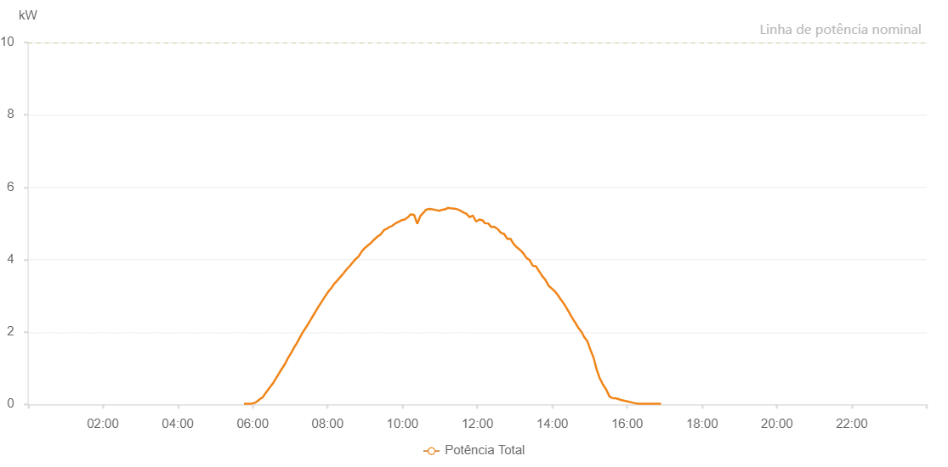

Number | Time | Working State | Alarm Code | Total Inverter Power(W)
1 | 21/06/2023 05:46:01 (UTC-4:00) | Normal |  | 20.000
2 | 21/06/2023 05:52:24 (UTC-4:00) | Normal |  | 20.000
3 | 21/06/2023 05:58:05 (UTC-4:00) | Normal |  | 20.000
4 | 21/06/2023 06:03:20 (UTC-4:00) | Normal |  | 40.000
5 | 21/06/2023 06:08:36 (UTC-4:00) | Normal |  | 100.000
6 | 21/06/2023 06:10:58 (UTC-4:00) | Normal |  | 140.000
7 | 21/06/2023 06:15:41 (UTC-4:00) | Normal |  | 190.000
8 | 21/06/2023 06:21:25 (UTC-4:00) | Normal |  | 330.000
9 | 21/06/2023 06:27:25 (UTC-4:00) | Normal |  | 470.000
10 | 21/06/2023 06:33:07 (UTC-4:00) | Normal |  | 600.000
11 | 21/06/2023 06:40:38 (UTC-4:00) | Normal |  | 810.000
12 | 21/06/2023 06:45:27 (UTC-4:00) | Normal |  | 950.000
13 | 21/06/2023 06:51:54 (UTC-4:00) | Normal |  | 1120.000
14 | 21/06/2023 06:56:38 (UTC-4:00) | Normal |  | 1280.000
15 | 21/06/2023 07:01:49 (UTC-4:00) | Normal |  | 1430.000
16 | 21/06/2023 07:07:03 (UTC-4:00) | Normal |  | 1590.000
17 | 21/06/2023 07:10:19 (UTC-4:00) | Normal |  | 1680.000
18 | 21/06/2023 07:14:50 (UTC-4:00) | Normal |  | 1820.000
19 | 21/06/2023 07:20:30 (UTC-4:00) | Normal |  | 2000.000
20 | 21/06/2023 07:24:50 (UTC-4:00) | Normal |  | 2110.000
21 | 21/06/2023 07:30:35 (UTC-4:00) | Normal |  | 2270.000
22 | 21/06/2023 07:35:19 (UTC-4:00) | Normal |  | 2410.000
23 | 21/06/2023 07:39:58 (UTC-4:00) | Normal |  | 2540.000
24 | 21/06/2023 07:45:28 (UTC-4:00) | Normal |  | 2700.000
25 | 21/06/2023 07:50:17 (UTC-4:00) | Normal |  | 2830.000
26 | 21/06/2023 07:55:06 (UTC-4:00) | Normal |  | 2960.000
27 | 21/06/2023 08:01:25 (UTC-4:00) | Normal |  | 3120.000
28 | 21/06/2023 08:07:32 (UTC-4:00) | Normal |  | 3250.000
29 | 21/06/2023 08:09:38 (UTC-4:00) | Normal |  | 3310.000
30 | 21/06/2023 08:14:52 (UTC-4:00) | Normal |  | 3410.000
31 | 21/06/2023 08:20:02 (UTC-4:00) | Normal |  | 3510.000
32 | 21/06/2023 08:25:19 (UTC-4:00) | Normal |  | 3620.000
33 | 21/06/2023 08:30:27 (UTC-4:00) | Normal |  | 3730.000
34 | 21/06/2023 08:36:30 (UTC-4:00) | Normal |  | 3840.000
35 | 21/06/2023 08:39:16 (UTC-4:00) | Normal |  | 3900.000
36 | 21/06/2023 08:44:37 (UTC-4:00) | Normal |  | 4010.000
37 | 21/06/2023 08:49:23 (UTC-4:00) | Normal |  | 4080.000
38 | 21/06/2023 08:54:58 (UTC-4:00) | Normal |  | 4230.000
39 | 21/06/2023 09:00:16 (UTC-4:00) | Normal |  | 4330.000
40 | 21/06/2023 09:05:55 (UTC-4:00) | Normal |  | 4410.000
41 | 21/06/2023 09:08:54 (UTC-4:00) | Normal |  | 4450.000
42 | 21/06/2023 09:13:52 (UTC-4:00) | Normal |  | 4540.000
43 | 21/06/2023 09:20:07 (UTC-4:00) | Normal |  | 4640.000
44 | 21/06/2023 09:24:47 (UTC-4:00) | Normal |  | 4690.000
45 | 21/06/2023 09:30:46 (UTC-4:00) | Normal |  | 4820.000
46 | 21/06/2023 09:36:41 (UTC-4:00) | Normal |  | 4870.000
47 | 21/06/2023 09:38:30 (UTC-4:00) | Normal |  | 4900.000
48 | 21/06/2023 09:43:26 (UTC-4:00) | Normal |  | 4930.000
49 | 21/06/2023 09:48:42 (UTC-4:00) | Normal |  | 5000.000
50 | 21/06/2023 09:53:17 (UTC-4:00) | Normal |  | 5040.000
51 | 21/06/2023 09:58:41 (UTC-4:00) | Normal |  | 5090.000
52 | 21/06/2023 10:03:41 (UTC-4:00) | Normal |  | 5110.000
53 | 21/06/2023 10:08:07 (UTC-4:00) | Normal |  | 5160.000
54 | 21/06/2023 10:12:51 (UTC-4:00) | Normal |  | 5250.000
55 | 21/06/2023 10:18:34 (UTC-4:00) | Normal |  | 5240.000
56 | 21/06/2023 10:23:46 (UTC-4:00) | Normal |  | 4990.000
57 | 21/06/2023 10:28:26 (UTC-4:00) | Normal |  | 5200.000
58 | 21/06/2023 10:34:19 (UTC-4:00) | Normal |  | 5310.000
59 | 21/06/2023 10:37:41 (UTC-4:00) | Normal |  | 5380.000
60 | 21/06/2023 10:42:52 (UTC-4:00) | Normal |  | 5400.000
61 | 21/06/2023 10:47:48 (UTC-4:00) | Normal |  | 5390.000
62 | 21/06/2023 10:53:38 (UTC-4:00) | Normal |  | 5370.000
63 | 21/06/2023 10:59:03 (UTC-4:00) | Normal |  | 5350.000
64 | 21/06/2023 11:04:30 (UTC-4:00) | Normal |  | 5380.000
65 | 21/06/2023 11:07:15 (UTC-4:00) | Normal |  | 5390.000
66 | 21/06/2023 11:07:38 (UTC-4:00) | Normal |  | 5380.000
67 | 21/06/2023 11:12:39 (UTC-4:00) | Normal |  | 5430.000
68 | 21/06/2023 11:16:55 (UTC-4:00) | Normal |  | 5420.000
69 | 21/06/2023 11:22:35 (UTC-4:00) | Normal |  | 5410.000
70 | 21/06/2023 11:28:13 (UTC-4:00) | Normal |  | 5390.000
71 | 21/06/2023 11:32:52 (UTC-4:00) | Normal |  | 5350.000
72 | 21/06/2023 11:38:10 (UTC-4:00) | Normal |  | 5300.000
73 | 21/06/2023 11:42:12 (UTC-4:00) | Normal |  | 5270.000
74 | 21/06/2023 11:47:42 (UTC-4:00) | Normal |  | 5170.000
75 | 21/06/2023 11:52:44 (UTC-4:00) | Normal |  | 5220.000
76 | 21/06/2023 11:58:01 (UTC-4:00) | Normal |  | 5050.000
77 | 21/06/2023 12:03:26 (UTC-4:00) | Normal |  | 5110.000
78 | 21/06/2023 12:08:57 (UTC-4:00) | Normal |  | 5080.000
79 | 21/06/2023 12:11:46 (UTC-4:00) | Normal |  | 5010.000
80 | 21/06/2023 12:17:18 (UTC-4:00) | Normal |  | 5000.000
81 | 21/06/2023 12:22:24 (UTC-4:00) | Normal |  | 4900.000
82 | 21/06/2023 12:26:59 (UTC-4:00) | Normal |  | 4910.000
83 | 21/06/2023 12:32:54 (UTC-4:00) | Normal |  | 4840.000
84 | 21/06/2023 12:37:47 (UTC-4:00) | Normal |  | 4740.000
85 | 21/06/2023 12:42:50 (UTC-4:00) | Normal |  | 4710.000
86 | 21/06/2023 12:47:59 (UTC-4:00) | Normal |  | 4570.000
87 | 21/06/2023 12:52:59 (UTC-4:00) | Normal |  | 4580.000
88 | 21/06/2023 12:58:11 (UTC-4:00) | Normal |  | 4430.000
89 | 21/06/2023 13:03:15 (UTC-4:00) | Normal |  | 4340.000
90 | 21/06/2023 13:08:15 (UTC-4:00) | Normal |  | 4270.000
91 | 21/06/2023 13:08:26 (UTC-4:00) | Normal |  | 4270.000
92 | 21/06/2023 13:13:21 (UTC-4:00) | Normal |  | 4180.000
93 | 21/06/2023 13:18:31 (UTC-4:00) | Normal |  | 4050.000
94 | 21/06/2023 13:23:36 (UTC-4:00) | Normal |  | 3990.000
95 | 21/06/2023 13:28:47 (UTC-4:00) | Normal |  | 3830.000
96 | 21/06/2023 13:33:41 (UTC-4:00) | Normal |  | 3820.000
97 | 21/06/2023 13:38:46 (UTC-4:00) | Normal |  | 3680.000
98 | 21/06/2023 13:38:58 (UTC-4:00) | Normal |  | 3680.000
99 | 21/06/2023 13:44:12 (UTC-4:00) | Normal |  | 3540.000
100 | 21/06/2023 13:49:03 (UTC-4:00) | Normal |  | 3440.000
101 | 21/06/2023 13:54:03 (UTC-4:00) | Normal |  | 3280.000
102 | 21/06/2023 13:59:19 (UTC-4:00) | Normal |  | 3200.000
103 | 21/06/2023 14:04:22 (UTC-4:00) | Normal |  | 3120.000
104 | 21/06/2023 14:09:19 (UTC-4:00) | Normal |  | 3010.000
105 | 21/06/2023 14:14:23 (UTC-4:00) | Normal |  | 2880.000
106 | 21/06/2023 14:15:01 (UTC-4:00) | Normal |  | 2870.000
107 | 21/06/2023 14:20:56 (UTC-4:00) | Normal |  | 2720.000
108 | 21/06/2023 14:25:57 (UTC-4:00) | Normal |  | 2570.000
109 | 21/06/2023 14:30:59 (UTC-4:00) | Normal |  | 2420.000
110 | 21/06/2023 14:36:01 (UTC-4:00) | Normal |  | 2280.000
111 | 21/06/2023 14:36:12 (UTC-4:00) | Normal |  | 2280.000
112 | 21/06/2023 14:41:13 (UTC-4:00) | Normal |  | 2130.000
113 | 21/06/2023 14:46:03 (UTC-4:00) | Normal |  | 2020.000
114 | 21/06/2023 14:46:21 (UTC-4:00) | Normal |  | 2020.000
115 | 21/06/2023 14:51:13 (UTC-4:00) | Normal |  | 1860.000
116 | 21/06/2023 14:56:06 (UTC-4:00) | Normal |  | 1750.000
117 | 21/06/2023 15:01:08 (UTC-4:00) | Normal |  | 1510.000
118 | 21/06/2023 15:06:10 (UTC-4:00) | Normal |  | 1290.000
119 | 21/06/2023 15:11:12 (UTC-4:00) | Normal |  | 960.000
120 | 21/06/2023 15:16:17 (UTC-4:00) | Normal |  | 710.000
121 | 21/06/2023 15:16:29 (UTC-4:00) | Normal |  | 710.000
122 | 21/06/2023 15:21:24 (UTC-4:00) | Normal |  | 540.000
123 | 21/06/2023 15:26:29 (UTC-4:00) | Normal |  | 410.000
124 | 21/06/2023 15:31:37 (UTC-4:00) | Normal |  | 220.000
125 | 21/06/2023 15:36:40 (UTC-4:00) | Normal |  | 170.000
126 | 21/06/2023 15:41:51 (UTC-4:00) | Normal |  | 170.000
127 | 21/06/2023 15:46:51 (UTC-4:00) | Normal |  | 140.000
128 | 21/06/2023 15:52:12 (UTC-4:00) | Normal |  | 110.000
129 | 21/06/2023 15:52:46 (UTC-4:00) | Normal |  | 110.000
130 | 21/06/2023 15:58:38 (UTC-4:00) | Normal |  | 90.000
131 | 21/06/2023 16:03:18 (UTC-4:00) | Normal |  | 70.000
132 | 21/06/2023 16:08:20 (UTC-4:00) | Normal |  | 50.000
133 | 21/06/2023 16:13:38 (UTC-4:00) | Normal |  | 30.000
134 | 21/06/2023 16:18:18 (UTC-4:00) | Normal |  | 20.000
135 | 21/06/2023 16:23:22 (UTC-4:00) | Normal |  | 20.000
136 | 21/06/2023 16:28:29 (UTC-4:00) | Normal |  | 20.000
137 | 21/06/2023 16:33:36 (UTC-4:00) | Normal |  | 20.000
138 | 21/06/2023 16:33:51 (UTC-4:00) | Normal |  | 20.000
139 | 21/06/2023 16:38:43 (UTC-4:00) | Normal |  | 20.000
140 | 21/06/2023 16:43:48 (UTC-4:00) | Normal |  | 20.000
141 | 21/06/2023 16:48:54 (UTC-4:00) | Normal |  | 20.000
142 | 21/06/2023 16:54:02 (UTC-4:00) | Normal |  | 20.000
143 | 21/06/2023 16:54:14 (UTC-4:00) | Normal |  | 20.000

