Inverter History Report__17-08-
Inverter History Report_23/06/2023_Report

Inverter SN:054B7020C020042 |  | Inverter type:B7
Collector SN:4046045654 |  | Full Load Hours(h):3.07
Rated Power:10000Wp

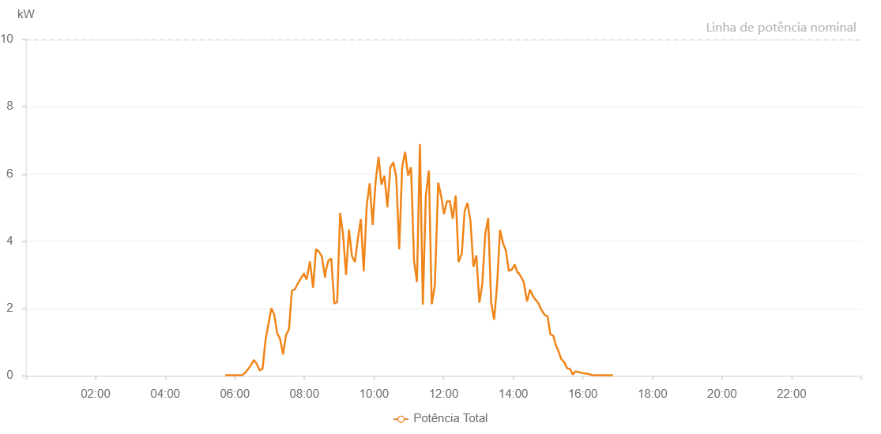

Number | Time | Working State | Alarm Code | Total Inverter Power(W)
1 | 23/06/2023 05:43:29 (UTC-4:00) | Normal |  | 20.000
2 | 23/06/2023 05:48:36 (UTC-4:00) | Normal |  | 20.000
3 | 23/06/2023 05:52:42 (UTC-4:00) | Normal |  | 20.000
4 | 23/06/2023 05:57:43 (UTC-4:00) | Normal |  | 20.000
5 | 23/06/2023 06:02:46 (UTC-4:00) | Normal |  | 20.000
6 | 23/06/2023 06:07:47 (UTC-4:00) | Normal |  | 20.000
7 | 23/06/2023 06:12:49 (UTC-4:00) | Normal |  | 20.000
8 | 23/06/2023 06:17:49 (UTC-4:00) | Normal |  | 90.000
9 | 23/06/2023 06:22:51 (UTC-4:00) | Normal |  | 200.000
10 | 23/06/2023 06:27:51 (UTC-4:00) | Normal |  | 320.000
11 | 23/06/2023 06:32:52 (UTC-4:00) | Normal |  | 470.000
12 | 23/06/2023 06:37:52 (UTC-4:00) | Normal |  | 350.000
13 | 23/06/2023 06:42:53 (UTC-4:00) | Normal |  | 160.000
14 | 23/06/2023 06:47:53 (UTC-4:00) | Normal |  | 210.000
15 | 23/06/2023 06:52:54 (UTC-4:00) | Normal |  | 1070.000
16 | 23/06/2023 06:57:54 (UTC-4:00) | Normal |  | 1530.000
17 | 23/06/2023 07:02:55 (UTC-4:00) | Normal |  | 2010.000
18 | 23/06/2023 07:07:56 (UTC-4:00) | Normal |  | 1820.000
19 | 23/06/2023 07:13:01 (UTC-4:00) | Normal |  | 1270.000
20 | 23/06/2023 07:18:03 (UTC-4:00) | Normal |  | 1090.000
21 | 23/06/2023 07:23:09 (UTC-4:00) | Normal |  | 640.000
22 | 23/06/2023 07:28:16 (UTC-4:00) | Normal |  | 1210.000
23 | 23/06/2023 07:33:20 (UTC-4:00) | Normal |  | 1380.000
24 | 23/06/2023 07:38:22 (UTC-4:00) | Normal |  | 2530.000
25 | 23/06/2023 07:43:28 (UTC-4:00) | Normal |  | 2570.000
26 | 23/06/2023 07:48:35 (UTC-4:00) | Normal |  | 2740.000
27 | 23/06/2023 07:53:38 (UTC-4:00) | Normal |  | 2890.000
28 | 23/06/2023 07:59:00 (UTC-4:00) | Normal |  | 3040.000
29 | 23/06/2023 07:59:02 (UTC-4:00) | Normal |  | 3040.000
30 | 23/06/2023 08:03:47 (UTC-4:00) | Normal |  | 2860.000
31 | 23/06/2023 08:09:32 (UTC-4:00) | Normal |  | 3400.000
32 | 23/06/2023 08:14:56 (UTC-4:00) | Normal |  | 2620.000
33 | 23/06/2023 08:19:58 (UTC-4:00) | Normal |  | 3770.000
34 | 23/06/2023 08:24:58 (UTC-4:00) | Normal |  | 3690.000
35 | 23/06/2023 08:29:58 (UTC-4:00) | Normal |  | 3550.000
36 | 23/06/2023 08:35:45 (UTC-4:00) | Normal |  | 2920.000
37 | 23/06/2023 08:36:05 (UTC-4:00) | Normal |  | 3060.000
38 | 23/06/2023 08:41:11 (UTC-4:00) | Normal |  | 3420.000
39 | 23/06/2023 08:46:15 (UTC-4:00) | Normal |  | 3490.000
40 | 23/06/2023 08:51:26 (UTC-4:00) | Normal |  | 2150.000
41 | 23/06/2023 08:56:28 (UTC-4:00) | Normal |  | 2190.000
42 | 23/06/2023 09:01:35 (UTC-4:00) | Normal |  | 4840.000
43 | 23/06/2023 09:06:42 (UTC-4:00) | Normal |  | 4190.000
44 | 23/06/2023 09:11:44 (UTC-4:00) | Normal |  | 3000.000
45 | 23/06/2023 09:16:49 (UTC-4:00) | Normal |  | 4350.000
46 | 23/06/2023 09:21:55 (UTC-4:00) | Normal |  | 3560.000
47 | 23/06/2023 09:27:03 (UTC-4:00) | Normal |  | 3380.000
48 | 23/06/2023 09:32:07 (UTC-4:00) | Normal |  | 4070.000
49 | 23/06/2023 09:37:11 (UTC-4:00) | Normal |  | 4660.000
50 | 23/06/2023 09:42:16 (UTC-4:00) | Normal |  | 3110.000
51 | 23/06/2023 09:47:23 (UTC-4:00) | Normal |  | 5070.000
52 | 23/06/2023 09:52:27 (UTC-4:00) | Normal |  | 5720.000
53 | 23/06/2023 09:57:35 (UTC-4:00) | Normal |  | 4490.000
54 | 23/06/2023 10:02:41 (UTC-4:00) | Normal |  | 5760.000
55 | 23/06/2023 10:07:48 (UTC-4:00) | Normal |  | 6510.000
56 | 23/06/2023 10:12:51 (UTC-4:00) | Normal |  | 5680.000
57 | 23/06/2023 10:17:57 (UTC-4:00) | Normal |  | 5950.000
58 | 23/06/2023 10:23:03 (UTC-4:00) | Normal |  | 5010.000
59 | 23/06/2023 10:28:09 (UTC-4:00) | Normal |  | 6200.000
60 | 23/06/2023 10:33:15 (UTC-4:00) | Normal |  | 6340.000
61 | 23/06/2023 10:33:27 (UTC-4:00) | Normal |  | 6340.000
62 | 23/06/2023 10:38:20 (UTC-4:00) | Normal |  | 5900.000
63 | 23/06/2023 10:43:27 (UTC-4:00) | Normal |  | 3760.000
64 | 23/06/2023 10:48:31 (UTC-4:00) | Normal |  | 6210.000
65 | 23/06/2023 10:53:38 (UTC-4:00) | Normal |  | 6660.000
66 | 23/06/2023 10:58:44 (UTC-4:00) | Normal |  | 5950.000
67 | 23/06/2023 11:03:50 (UTC-4:00) | Normal |  | 6200.000
68 | 23/06/2023 11:08:57 (UTC-4:00) | Normal |  | 3420.000
69 | 23/06/2023 11:14:00 (UTC-4:00) | Normal |  | 2790.000
70 | 23/06/2023 11:19:06 (UTC-4:00) | Normal |  | 6890.000
71 | 23/06/2023 11:24:12 (UTC-4:00) | Normal |  | 2120.000
72 | 23/06/2023 11:29:18 (UTC-4:00) | Normal |  | 5350.000
73 | 23/06/2023 11:34:24 (UTC-4:00) | Normal |  | 6090.000
74 | 23/06/2023 11:34:36 (UTC-4:00) | Normal |  | 6090.000
75 | 23/06/2023 11:39:28 (UTC-4:00) | Normal |  | 2130.000
76 | 23/06/2023 11:44:34 (UTC-4:00) | Normal |  | 2660.000
77 | 23/06/2023 11:44:45 (UTC-4:00) | Normal |  | 2660.000
78 | 23/06/2023 11:45:08 (UTC-4:00) | Normal |  | 2830.000
79 | 23/06/2023 11:50:36 (UTC-4:00) | Normal |  | 5740.000
80 | 23/06/2023 11:55:45 (UTC-4:00) | Normal |  | 5350.000
81 | 23/06/2023 12:00:41 (UTC-4:00) | Normal |  | 4810.000
82 | 23/06/2023 12:05:41 (UTC-4:00) | Normal |  | 5190.000
83 | 23/06/2023 12:10:43 (UTC-4:00) | Normal |  | 5190.000
84 | 23/06/2023 12:15:45 (UTC-4:00) | Normal |  | 4670.000
85 | 23/06/2023 12:20:48 (UTC-4:00) | Normal |  | 5360.000
86 | 23/06/2023 12:25:49 (UTC-4:00) | Normal |  | 3380.000
87 | 23/06/2023 12:30:52 (UTC-4:00) | Normal |  | 3610.000
88 | 23/06/2023 12:31:03 (UTC-4:00) | Normal |  | 3610.000
89 | 23/06/2023 12:31:14 (UTC-4:00) | Normal |  | 3610.000
90 | 23/06/2023 12:36:14 (UTC-4:00) | Normal |  | 4900.000
91 | 23/06/2023 12:41:04 (UTC-4:00) | Normal |  | 5140.000
92 | 23/06/2023 12:46:13 (UTC-4:00) | Normal |  | 4610.000
93 | 23/06/2023 12:51:21 (UTC-4:00) | Normal |  | 3240.000
94 | 23/06/2023 12:56:23 (UTC-4:00) | Normal |  | 3580.000
95 | 23/06/2023 13:01:31 (UTC-4:00) | Normal |  | 2190.000
96 | 23/06/2023 13:01:42 (UTC-4:00) | Normal |  | 2190.000
97 | 23/06/2023 13:01:53 (UTC-4:00) | Normal |  | 2190.000
98 | 23/06/2023 13:06:37 (UTC-4:00) | Normal |  | 2730.000
99 | 23/06/2023 13:11:52 (UTC-4:00) | Normal |  | 4230.000
100 | 23/06/2023 13:16:49 (UTC-4:00) | Normal |  | 4690.000
101 | 23/06/2023 13:21:55 (UTC-4:00) | Normal |  | 2190.000
102 | 23/06/2023 13:27:01 (UTC-4:00) | Normal |  | 1670.000
103 | 23/06/2023 13:32:06 (UTC-4:00) | Normal |  | 2690.000
104 | 23/06/2023 13:37:14 (UTC-4:00) | Normal |  | 4340.000
105 | 23/06/2023 13:42:21 (UTC-4:00) | Normal |  | 3950.000
106 | 23/06/2023 13:47:24 (UTC-4:00) | Normal |  | 3720.000
107 | 23/06/2023 13:52:26 (UTC-4:00) | Normal |  | 3120.000
108 | 23/06/2023 13:57:27 (UTC-4:00) | Normal |  | 3160.000
109 | 23/06/2023 13:57:40 (UTC-4:00) | Normal |  | 3160.000
110 | 23/06/2023 14:02:33 (UTC-4:00) | Normal |  | 3310.000
111 | 23/06/2023 14:07:31 (UTC-4:00) | Normal |  | 3060.000
112 | 23/06/2023 14:08:56 (UTC-4:00) | Normal |  | 3070.000
113 | 23/06/2023 14:13:57 (UTC-4:00) | Normal |  | 2930.000
114 | 23/06/2023 14:18:20 (UTC-4:00) | Normal |  | 2770.000
115 | 23/06/2023 14:23:45 (UTC-4:00) | Normal |  | 2210.000
116 | 23/06/2023 14:28:59 (UTC-4:00) | Normal |  | 2560.000
117 | 23/06/2023 14:34:18 (UTC-4:00) | Normal |  | 2360.000
118 | 23/06/2023 14:38:29 (UTC-4:00) | Normal |  | 2260.000
119 | 23/06/2023 14:38:52 (UTC-4:00) | Normal |  | 2260.000
120 | 23/06/2023 14:43:31 (UTC-4:00) | Normal |  | 2150.000
121 | 23/06/2023 14:48:15 (UTC-4:00) | Normal |  | 1970.000
122 | 23/06/2023 14:54:09 (UTC-4:00) | Normal |  | 1810.000
123 | 23/06/2023 14:59:15 (UTC-4:00) | Normal |  | 1770.000
124 | 23/06/2023 15:03:42 (UTC-4:00) | Normal |  | 1250.000
125 | 23/06/2023 15:09:24 (UTC-4:00) | Normal |  | 1180.000
126 | 23/06/2023 15:13:04 (UTC-4:00) | Normal |  | 930.000
127 | 23/06/2023 15:17:51 (UTC-4:00) | Normal |  | 740.000
128 | 23/06/2023 15:22:29 (UTC-4:00) | Normal |  | 510.000
129 | 23/06/2023 15:28:26 (UTC-4:00) | Normal |  | 390.000
130 | 23/06/2023 15:33:10 (UTC-4:00) | Normal |  | 220.000
131 | 23/06/2023 15:38:19 (UTC-4:00) | Normal |  | 200.000
132 | 23/06/2023 15:42:35 (UTC-4:00) | Normal |  | 40.000
133 | 23/06/2023 15:47:43 (UTC-4:00) | Normal |  | 130.000
134 | 23/06/2023 15:52:33 (UTC-4:00) | Normal |  | 110.000
135 | 23/06/2023 15:57:47 (UTC-4:00) | Normal |  | 90.000
136 | 23/06/2023 16:03:31 (UTC-4:00) | Normal |  | 70.000
137 | 23/06/2023 16:08:16 (UTC-4:00) | Normal |  | 60.000
138 | 23/06/2023 16:12:08 (UTC-4:00) | Normal |  | 40.000
139 | 23/06/2023 16:16:29 (UTC-4:00) | Normal |  | 20.000
140 | 23/06/2023 16:22:23 (UTC-4:00) | Normal |  | 20.000
141 | 23/06/2023 16:27:38 (UTC-4:00) | Normal |  | 20.000
142 | 23/06/2023 16:32:08 (UTC-4:00) | Normal |  | 20.000
143 | 23/06/2023 16:38:11 (UTC-4:00) | Normal |  | 20.000
144 | 23/06/2023 16:41:41 (UTC-4:00) | Normal |  | 20.000
145 | 23/06/2023 16:47:00 (UTC-4:00) | Normal |  | 20.000
146 | 23/06/2023 16:51:39 (UTC-4:00) | Normal |  | 20.000

